2021-08-01
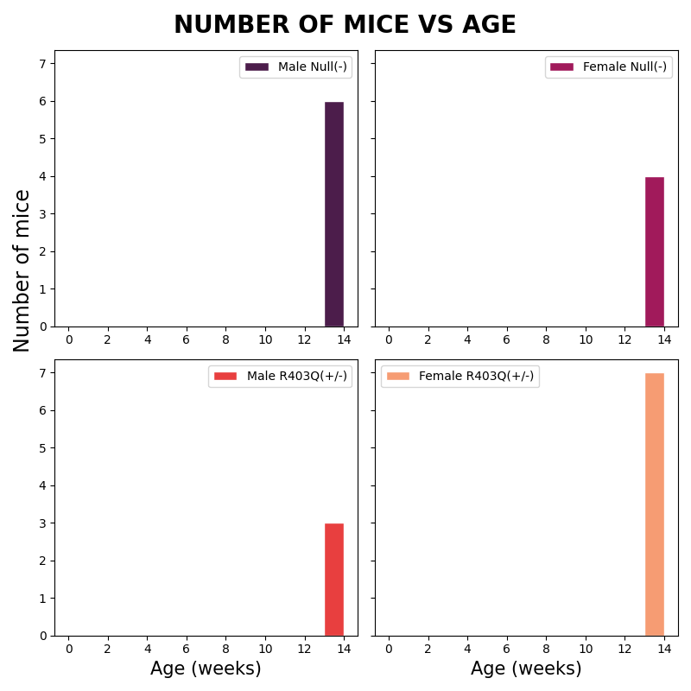
Sex | Genotype | Status | Date_of_birth | Calculated Age
Female | R403Q(+/-) | Alive | 2021-05-01 | 13
Female | R403Q(+/-) | Alive | 2021-05-01 | 13
Female | R403Q(+/-) | Alive | 2021-05-01 | 13
Female | R403Q(+/-) | Alive | 2021-05-01 | 13
Female | R403Q(+/-) | Alive | 2021-05-01 | 13
Female | R403Q(+/-) | Alive | 2021-05-01 | 13
Female | Null(-) | Alive | 2021-05-01 | 13
Female | Null(-) | Alive | 2021-05-01 | 13
Female | Null(-) | Alive | 2021-05-01 | 13
Female | Null(-) | Alive | 2021-05-01 | 13
Male | R403Q(+/-) | Alive | 2021-05-01 | 13
Male | R403Q(+/-) | Alive | 2021-05-01 | 13
Male | R403Q(+/-) | Alive | 2021-05-01 | 13
Male | Null(-) | Alive | 2021-05-01 | 13
Male | Null(-) | Alive | 2021-05-01 | 13
Male | Null(-) | Alive | 2021-05-01 | 13
Male | Null(-) | Alive | 2021-05-01 | 13
Male | Null(-) | Alive | 2021-05-01 | 13
Male | Null(-) | Alive | 2021-05-01 | 13
Male | Null(-) | Alive | 2021-05-01 | 13

2021-09-28
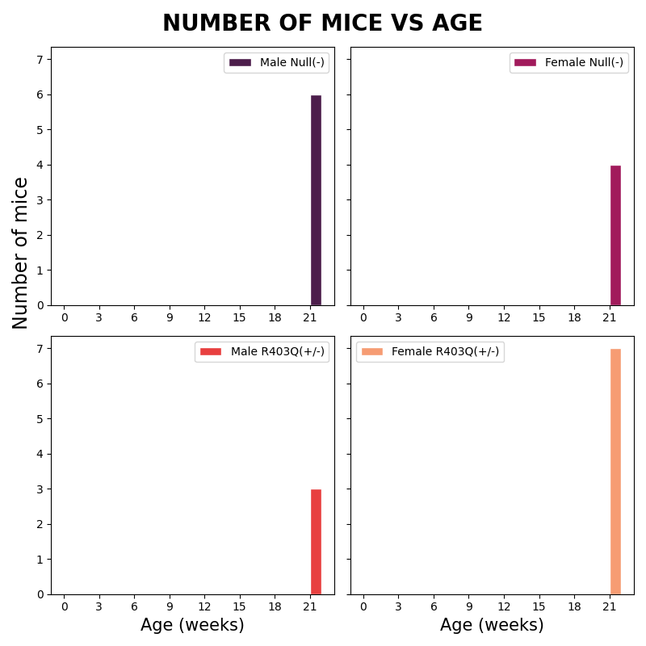
Sex | Genotype | Status | Date_of_birth | Calculated Age
Female | R403Q(+/-) | Alive | 2021-05-01 | 21
Female | R403Q(+/-) | Alive | 2021-05-01 | 21
Female | R403Q(+/-) | Alive | 2021-05-01 | 21
Female | R403Q(+/-) | Alive | 2021-05-01 | 21
Female | R403Q(+/-) | Alive | 2021-05-01 | 21
Female | R403Q(+/-) | Alive | 2021-05-01 | 21
Female | Null(-) | Alive | 2021-05-01 | 21
Female | Null(-) | Alive | 2021-05-01 | 21
Female | Null(-) | Alive | 2021-05-01 | 21
Female | Null(-) | Alive | 2021-05-01 | 21
Male | R403Q(+/-) | Alive | 2021-05-01 | 21
Male | R403Q(+/-) | Alive | 2021-05-01 | 21
Male | R403Q(+/-) | Alive | 2021-05-01 | 21
Male | Null(-) | Alive | 2021-05-01 | 21
Male | Null(-) | Alive | 2021-05-01 | 21
Male | Null(-) | Alive | 2021-05-01 | 21
Male | Null(-) | Alive | 2021-05-01 | 21
Male | Null(-) | Alive | 2021-05-01 | 21
Male | Null(-) | Alive | 2021-05-01 | 21
Male | Null(-) | Alive | 2021-05-01 | 21

2021-09-01
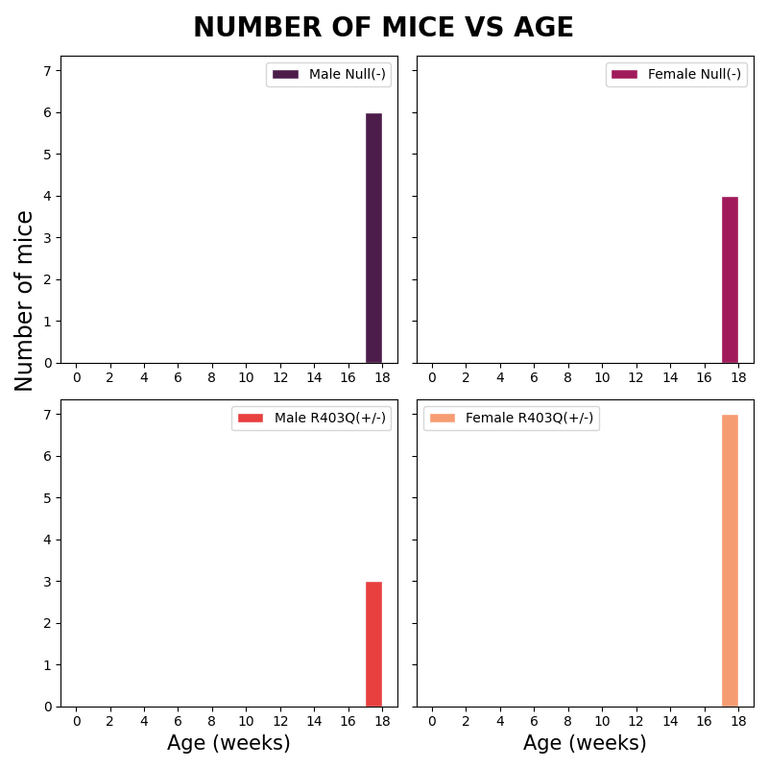
Sex | Genotype | Status | Date_of_birth | Calculated Age
Female | R403Q(+/-) | Alive | 2021-05-01 | 17
Female | R403Q(+/-) | Alive | 2021-05-01 | 17
Female | R403Q(+/-) | Alive | 2021-05-01 | 17
Female | R403Q(+/-) | Alive | 2021-05-01 | 17
Female | R403Q(+/-) | Alive | 2021-05-01 | 17
Female | R403Q(+/-) | Alive | 2021-05-01 | 17
Female | Null(-) | Alive | 2021-05-01 | 17
Female | Null(-) | Alive | 2021-05-01 | 17
Female | Null(-) | Alive | 2021-05-01 | 17
Female | Null(-) | Alive | 2021-05-01 | 17
Male | R403Q(+/-) | Alive | 2021-05-01 | 17
Male | R403Q(+/-) | Alive | 2021-05-01 | 17
Male | R403Q(+/-) | Alive | 2021-05-01 | 17
Male | Null(-) | Alive | 2021-05-01 | 17
Male | Null(-) | Alive | 2021-05-01 | 17
Male | Null(-) | Alive | 2021-05-01 | 17
Male | Null(-) | Alive | 2021-05-01 | 17
Male | Null(-) | Alive | 2021-05-01 | 17
Male | Null(-) | Alive | 2021-05-01 | 17
Male | Null(-) | Alive | 2021-05-01 | 17

2022-01-04
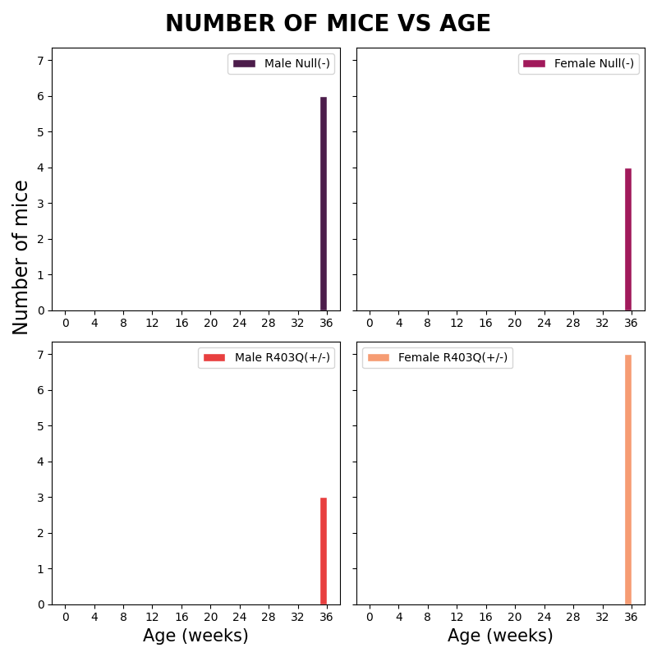
Sex | Genotype | Status | Date_of_birth | Calculated Age
Female | R403Q(+/-) | Alive | 2021-05-01 | 35
Female | R403Q(+/-) | Alive | 2021-05-01 | 35
Female | R403Q(+/-) | Alive | 2021-05-01 | 35
Female | R403Q(+/-) | Alive | 2021-05-01 | 35
Female | R403Q(+/-) | Alive | 2021-05-01 | 35
Female | R403Q(+/-) | Alive | 2021-05-01 | 35
Female | Null(-) | Alive | 2021-05-01 | 35
Female | Null(-) | Alive | 2021-05-01 | 35
Female | Null(-) | Alive | 2021-05-01 | 35
Female | Null(-) | Alive | 2021-05-01 | 35
Male | R403Q(+/-) | Alive | 2021-05-01 | 35
Male | R403Q(+/-) | Alive | 2021-05-01 | 35
Male | R403Q(+/-) | Alive | 2021-05-01 | 35
Male | Null(-) | Alive | 2021-05-01 | 35
Male | Null(-) | Alive | 2021-05-01 | 35
Male | Null(-) | Alive | 2021-05-01 | 35
Male | Null(-) | Alive | 2021-05-01 | 35
Male | Null(-) | Alive | 2021-05-01 | 35
Male | Null(-) | Alive | 2021-05-01 | 35
Male | Null(-) | Alive | 2021-05-01 | 35

2021-09-15
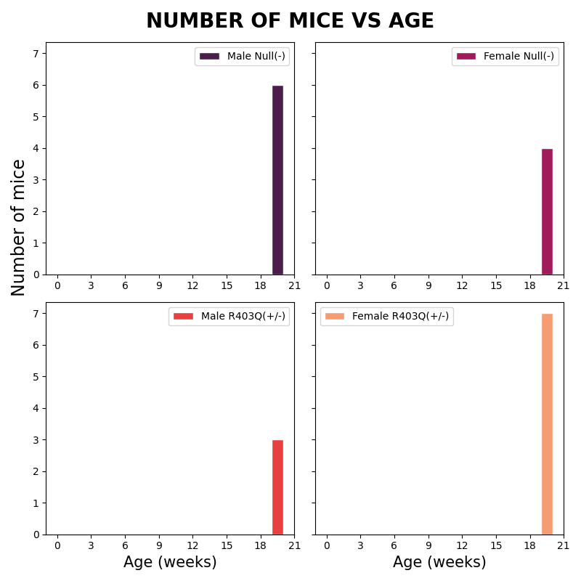
Sex | Genotype | Status | Date_of_birth | Calculated Age
Female | R403Q(+/-) | Alive | 2021-05-01 | 19
Female | R403Q(+/-) | Alive | 2021-05-01 | 19
Female | R403Q(+/-) | Alive | 2021-05-01 | 19
Female | R403Q(+/-) | Alive | 2021-05-01 | 19
Female | R403Q(+/-) | Alive | 2021-05-01 | 19
Female | R403Q(+/-) | Alive | 2021-05-01 | 19
Female | Null(-) | Alive | 2021-05-01 | 19
Female | Null(-) | Alive | 2021-05-01 | 19
Female | Null(-) | Alive | 2021-05-01 | 19
Female | Null(-) | Alive | 2021-05-01 | 19
Male | R403Q(+/-) | Alive | 2021-05-01 | 19
Male | R403Q(+/-) | Alive | 2021-05-01 | 19
Male | R403Q(+/-) | Alive | 2021-05-01 | 19
Male | Null(-) | Alive | 2021-05-01 | 19
Male | Null(-) | Alive | 2021-05-01 | 19
Male | Null(-) | Alive | 2021-05-01 | 19
Male | Null(-) | Alive | 2021-05-01 | 19
Male | Null(-) | Alive | 2021-05-01 | 19
Male | Null(-) | Alive | 2021-05-01 | 19
Male | Null(-) | Alive | 2021-05-01 | 19

2021-09-21
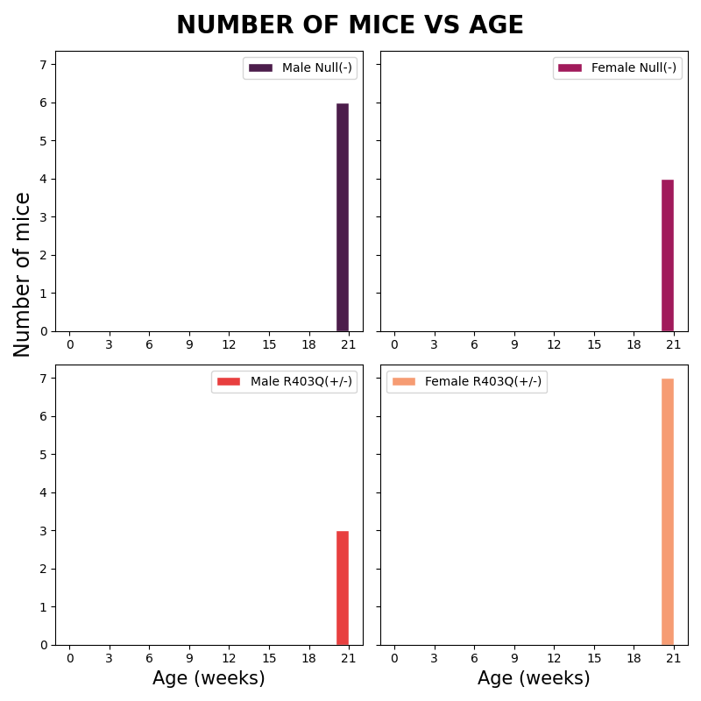
Sex | Genotype | Status | Date_of_birth | Calculated Age
Female | R403Q(+/-) | Alive | 2021-05-01 | 20
Female | R403Q(+/-) | Alive | 2021-05-01 | 20
Female | R403Q(+/-) | Alive | 2021-05-01 | 20
Female | R403Q(+/-) | Alive | 2021-05-01 | 20
Female | R403Q(+/-) | Alive | 2021-05-01 | 20
Female | R403Q(+/-) | Alive | 2021-05-01 | 20
Female | Null(-) | Alive | 2021-05-01 | 20
Female | Null(-) | Alive | 2021-05-01 | 20
Female | Null(-) | Alive | 2021-05-01 | 20
Female | Null(-) | Alive | 2021-05-01 | 20
Male | R403Q(+/-) | Alive | 2021-05-01 | 20
Male | R403Q(+/-) | Alive | 2021-05-01 | 20
Male | R403Q(+/-) | Alive | 2021-05-01 | 20
Male | Null(-) | Alive | 2021-05-01 | 20
Male | Null(-) | Alive | 2021-05-01 | 20
Male | Null(-) | Alive | 2021-05-01 | 20
Male | Null(-) | Alive | 2021-05-01 | 20
Male | Null(-) | Alive | 2021-05-01 | 20
Male | Null(-) | Alive | 2021-05-01 | 20
Male | Null(-) | Alive | 2021-05-01 | 20

2021-05-29
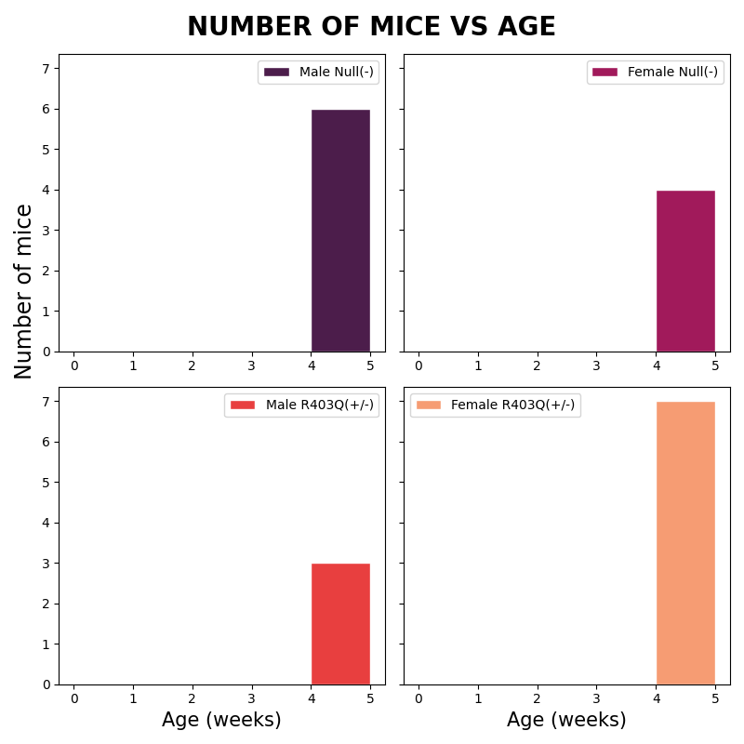
Sex | Genotype | Status | Date_of_birth | Calculated Age
Female | R403Q(+/-) | Alive | 2021-05-01 | 4
Female | R403Q(+/-) | Alive | 2021-05-01 | 4
Female | R403Q(+/-) | Alive | 2021-05-01 | 4
Female | R403Q(+/-) | Alive | 2021-05-01 | 4
Female | R403Q(+/-) | Alive | 2021-05-01 | 4
Female | R403Q(+/-) | Alive | 2021-05-01 | 4
Female | Null(-) | Alive | 2021-05-01 | 4
Female | Null(-) | Alive | 2021-05-01 | 4
Female | Null(-) | Alive | 2021-05-01 | 4
Female | Null(-) | Alive | 2021-05-01 | 4
Male | R403Q(+/-) | Alive | 2021-05-01 | 4
Male | R403Q(+/-) | Alive | 2021-05-01 | 4
Male | R403Q(+/-) | Alive | 2021-05-01 | 4
Male | Null(-) | Alive | 2021-05-01 | 4
Male | Null(-) | Alive | 2021-05-01 | 4
Male | Null(-) | Alive | 2021-05-01 | 4
Male | Null(-) | Alive | 2021-05-01 | 4
Male | Null(-) | Alive | 2021-05-01 | 4
Male | Null(-) | Alive | 2021-05-01 | 4
Male | Null(-) | Alive | 2021-05-01 | 4

2021-12-31
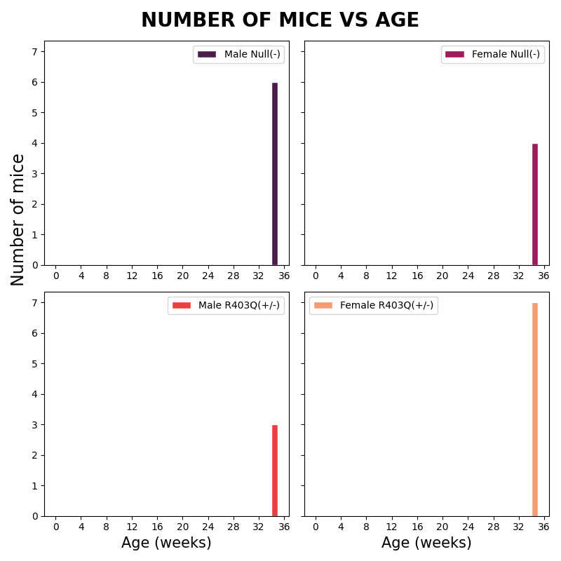
Sex | Genotype | Status | Date_of_birth | Calculated Age
Female | R403Q(+/-) | Alive | 2021-05-01 | 34
Female | R403Q(+/-) | Alive | 2021-05-01 | 34
Female | R403Q(+/-) | Alive | 2021-05-01 | 34
Female | R403Q(+/-) | Alive | 2021-05-01 | 34
Female | R403Q(+/-) | Alive | 2021-05-01 | 34
Female | R403Q(+/-) | Alive | 2021-05-01 | 34
Female | Null(-) | Alive | 2021-05-01 | 34
Female | Null(-) | Alive | 2021-05-01 | 34
Female | Null(-) | Alive | 2021-05-01 | 34
Female | Null(-) | Alive | 2021-05-01 | 34
Male | R403Q(+/-) | Alive | 2021-05-01 | 34
Male | R403Q(+/-) | Alive | 2021-05-01 | 34
Male | R403Q(+/-) | Alive | 2021-05-01 | 34
Male | Null(-) | Alive | 2021-05-01 | 34
Male | Null(-) | Alive | 2021-05-01 | 34
Male | Null(-) | Alive | 2021-05-01 | 34
Male | Null(-) | Alive | 2021-05-01 | 34
Male | Null(-) | Alive | 2021-05-01 | 34
Male | Null(-) | Alive | 2021-05-01 | 34
Male | Null(-) | Alive | 2021-05-01 | 34

2021-10-29
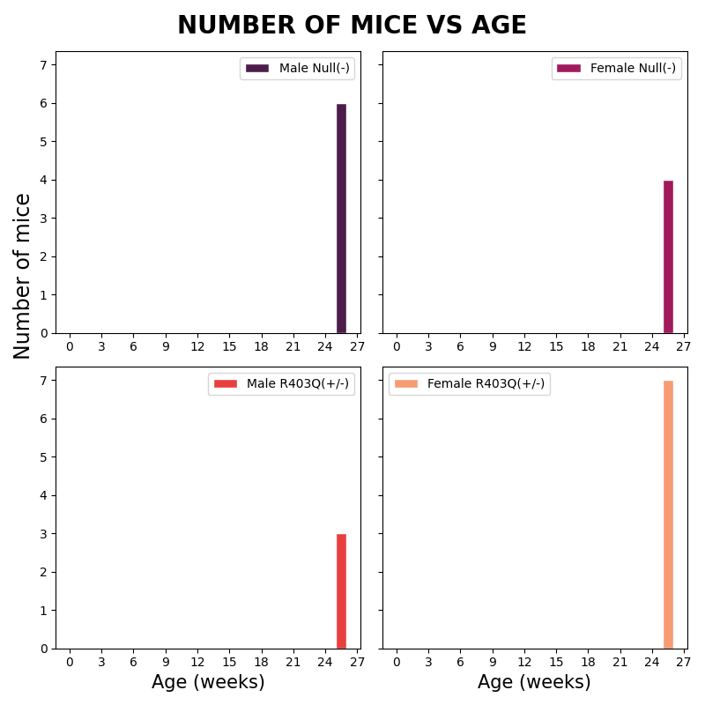
Sex | Genotype | Status | Date_of_birth | Calculated Age
Female | R403Q(+/-) | Alive | 2021-05-01 | 25
Female | R403Q(+/-) | Alive | 2021-05-01 | 25
Female | R403Q(+/-) | Alive | 2021-05-01 | 25
Female | R403Q(+/-) | Alive | 2021-05-01 | 25
Female | R403Q(+/-) | Alive | 2021-05-01 | 25
Female | R403Q(+/-) | Alive | 2021-05-01 | 25
Female | Null(-) | Alive | 2021-05-01 | 25
Female | Null(-) | Alive | 2021-05-01 | 25
Female | Null(-) | Alive | 2021-05-01 | 25
Female | Null(-) | Alive | 2021-05-01 | 25
Male | R403Q(+/-) | Alive | 2021-05-01 | 25
Male | R403Q(+/-) | Alive | 2021-05-01 | 25
Male | R403Q(+/-) | Alive | 2021-05-01 | 25
Male | Null(-) | Alive | 2021-05-01 | 25
Male | Null(-) | Alive | 2021-05-01 | 25
Male | Null(-) | Alive | 2021-05-01 | 25
Male | Null(-) | Alive | 2021-05-01 | 25
Male | Null(-) | Alive | 2021-05-01 | 25
Male | Null(-) | Alive | 2021-05-01 | 25
Male | Null(-) | Alive | 2021-05-01 | 25

2021-07-13
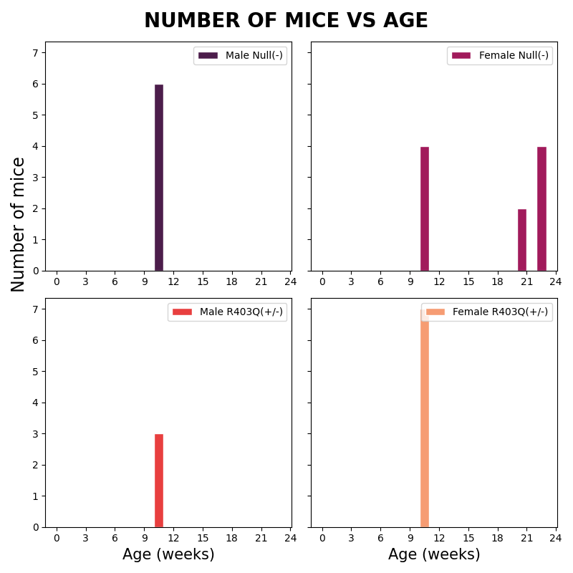
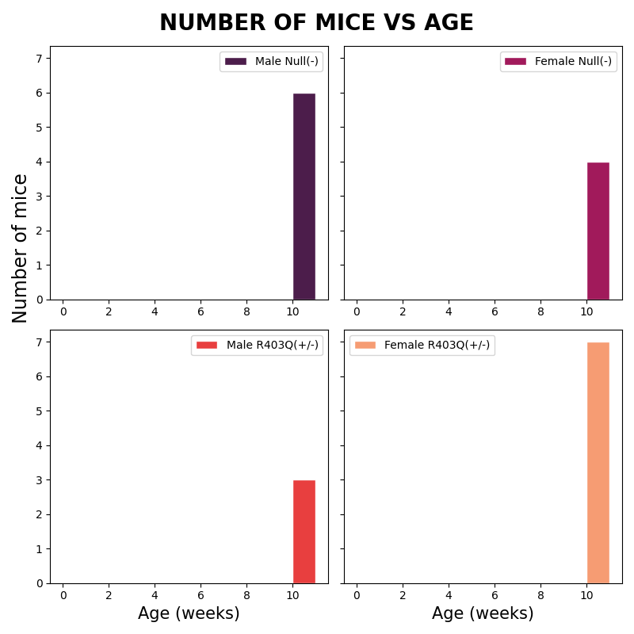
Sex | Genotype | Status | Date_of_birth | Calculated Age
Female | R403Q(+/-) | Alive | 2021-05-01 | 10
Female | R403Q(+/-) | Alive | 2021-05-01 | 10
Female | R403Q(+/-) | Alive | 2021-05-01 | 10
Female | R403Q(+/-) | Alive | 2021-05-01 | 10
Female | R403Q(+/-) | Alive | 2021-05-01 | 10
Female | R403Q(+/-) | Alive | 2021-05-01 | 10
Female | Null(-) | Alive | 2021-05-01 | 10
Female | Null(-) | Alive | 2021-05-01 | 10
Female | Null(-) | Alive | 2021-05-01 | 10
Female | Null(-) | Alive | 2021-05-01 | 10
Male | R403Q(+/-) | Alive | 2021-05-01 | 10
Male | R403Q(+/-) | Alive | 2021-05-01 | 10
Male | R403Q(+/-) | Alive | 2021-05-01 | 10
Male | Null(-) | Alive | 2021-05-01 | 10
Male | Null(-) | Alive | 2021-05-01 | 10
Male | Null(-) | Alive | 2021-05-01 | 10
Male | Null(-) | Alive | 2021-05-01 | 10
Male | Null(-) | Alive | 2021-05-01 | 10
Male | Null(-) | Alive | 2021-05-01 | 10
Male | Null(-) | Alive | 2021-05-01 | 10
Male | Null(-) | Alive | 2021-05-01 | 10
Male | Null(-) | Alive | 2021-05-01 | 10
Male | Null(-) | Alive | 2021-05-01 | 10
Male | Null(-) | Alive | 2021-05-01 | 10
Male | Null(-) | Alive | 2021-05-01 | 10
Male | Null(-) | Alive | 2021-05-01 | 10

2021-07-30

Sex | Genotype | Status | Date_of_birth | Calculated Age
Female | R403Q(+/-) | Alive | 2021-05-01 | 12
Female | R403Q(+/-) | Alive | 2021-05-01 | 12
Female | R403Q(+/-) | Alive | 2021-05-01 | 12
Female | R403Q(+/-) | Alive | 2021-05-01 | 12
Female | R403Q(+/-) | Alive | 2021-05-01 | 12
Female | R403Q(+/-) | Alive | 2021-05-01 | 12
Female | Null(-) | Alive | 2021-05-01 | 12
Female | Null(-) | Alive | 2021-05-01 | 12
Female | Null(-) | Alive | 2021-05-01 | 12
Female | Null(-) | Alive | 2021-05-01 | 12
Male | R403Q(+/-) | Alive | 2021-05-01 | 12
Male | R403Q(+/-) | Alive | 2021-05-01 | 12
Male | R403Q(+/-) | Alive | 2021-05-01 | 12
Male | Null(-) | Alive | 2021-05-01 | 12
Male | Null(-) | Alive | 2021-05-01 | 12
Male | Null(-) | Alive | 2021-05-01 | 12
Male | Null(-) | Alive | 2021-05-01 | 12
Male | Null(-) | Alive | 2021-05-01 | 12
Male | Null(-) | Alive | 2021-05-01 | 12
Male | Null(-) | Alive | 2021-05-01 | 12

2021-05-19
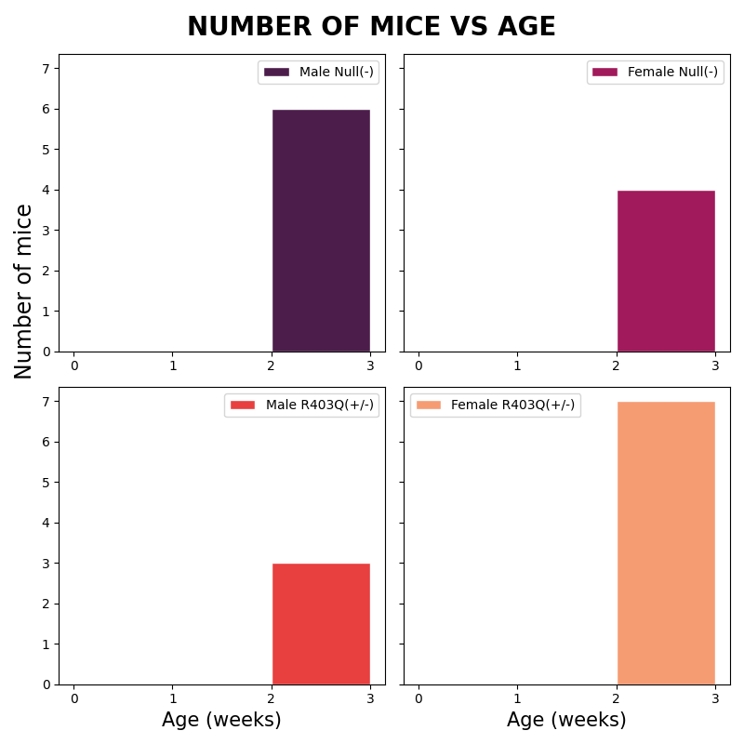
Sex | Genotype | Status | Date_of_birth | Calculated Age
Female | R403Q(+/-) | Alive | 2021-05-01 | 2
Female | R403Q(+/-) | Alive | 2021-05-01 | 2
Female | R403Q(+/-) | Alive | 2021-05-01 | 2
Female | R403Q(+/-) | Alive | 2021-05-01 | 2
Female | R403Q(+/-) | Alive | 2021-05-01 | 2
Female | R403Q(+/-) | Alive | 2021-05-01 | 2
Female | Null(-) | Alive | 2021-05-01 | 2
Female | Null(-) | Alive | 2021-05-01 | 2
Female | Null(-) | Alive | 2021-05-01 | 2
Female | Null(-) | Alive | 2021-05-01 | 2
Male | R403Q(+/-) | Alive | 2021-05-01 | 2
Male | R403Q(+/-) | Alive | 2021-05-01 | 2
Male | R403Q(+/-) | Alive | 2021-05-01 | 2
Male | Null(-) | Alive | 2021-05-01 | 2
Male | Null(-) | Alive | 2021-05-01 | 2
Male | Null(-) | Alive | 2021-05-01 | 2
Male | Null(-) | Alive | 2021-05-01 | 2
Male | Null(-) | Alive | 2021-05-01 | 2
Male | Null(-) | Alive | 2021-05-01 | 2
Male | Null(-) | Alive | 2021-05-01 | 2

2021-06-30
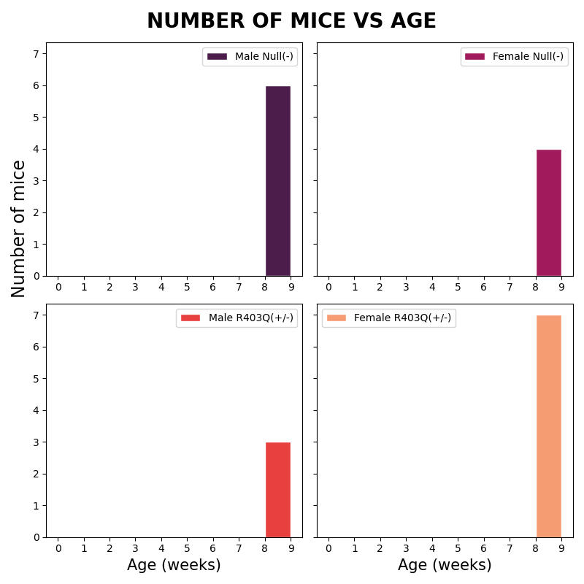
Sex | Genotype | Status | Date_of_birth | Calculated Age
Female | R403Q(+/-) | Alive | 2021-05-01 | 8
Female | R403Q(+/-) | Alive | 2021-05-01 | 8
Female | R403Q(+/-) | Alive | 2021-05-01 | 8
Female | R403Q(+/-) | Alive | 2021-05-01 | 8
Female | R403Q(+/-) | Alive | 2021-05-01 | 8
Female | R403Q(+/-) | Alive | 2021-05-01 | 8
Female | Null(-) | Alive | 2021-05-01 | 8
Female | Null(-) | Alive | 2021-05-01 | 8
Female | Null(-) | Alive | 2021-05-01 | 8
Female | Null(-) | Alive | 2021-05-01 | 8
Male | R403Q(+/-) | Alive | 2021-05-01 | 8
Male | R403Q(+/-) | Alive | 2021-05-01 | 8
Male | R403Q(+/-) | Alive | 2021-05-01 | 8
Male | Null(-) | Alive | 2021-05-01 | 8
Male | Null(-) | Alive | 2021-05-01 | 8
Male | Null(-) | Alive | 2021-05-01 | 8
Male | Null(-) | Alive | 2021-05-01 | 8
Male | Null(-) | Alive | 2021-05-01 | 8
Male | Null(-) | Alive | 2021-05-01 | 8
Male | Null(-) | Alive | 2021-05-01 | 8

