June
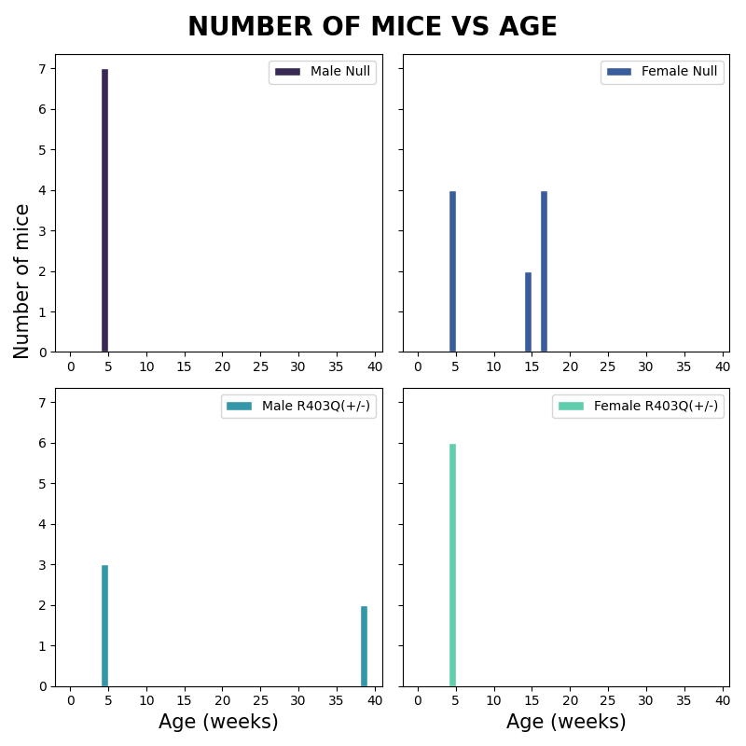
Male Null(-) |  | Female Null(-) |  | Male R403Q(+/-) |  | Female R403Q(+/-)
Age | mice # | Age | mice # | Age | mice # | Age | mice #
4 | 7 | 16 | 4 | 38 | 2 | 4 | 6
 |  | 14 | 2 | 4 | 3
 |  | 4 | 4

