2021-05-31
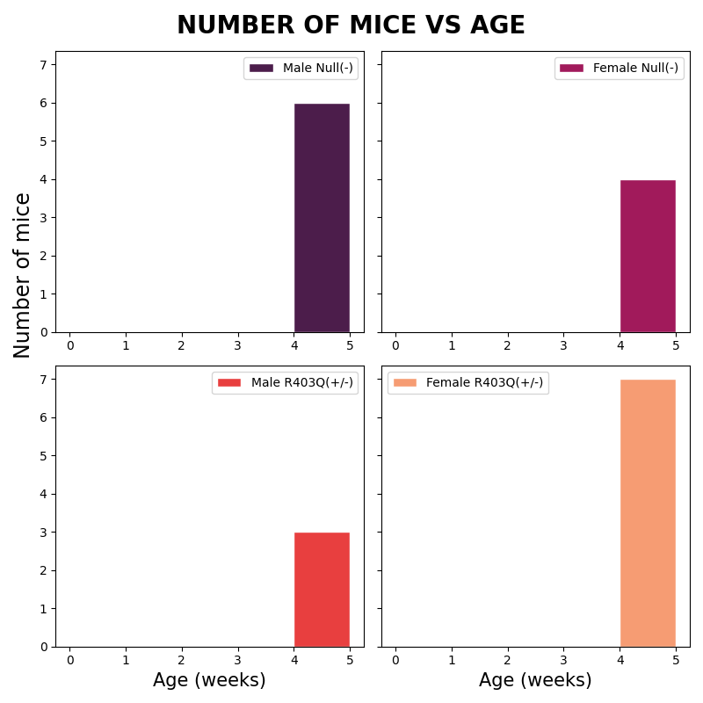
Sex | Genotype | Status | Date_of_birth | Calculated Age
Female | R403Q(+/-) | Alive | 2021-05-01 | 4
Female | R403Q(+/-) | Alive | 2021-05-01 | 4
Female | R403Q(+/-) | Alive | 2021-05-01 | 4
Female | R403Q(+/-) | Alive | 2021-05-01 | 4
Female | R403Q(+/-) | Alive | 2021-05-01 | 4
Female | R403Q(+/-) | Alive | 2021-05-01 | 4
Female | Null(-) | Alive | 2021-05-01 | 4
Female | Null(-) | Alive | 2021-05-01 | 4
Female | Null(-) | Alive | 2021-05-01 | 4
Female | Null(-) | Alive | 2021-05-01 | 4
Male | R403Q(+/-) | Alive | 2021-05-01 | 4
Male | R403Q(+/-) | Alive | 2021-05-01 | 4
Male | R403Q(+/-) | Alive | 2021-05-01 | 4
Male | Null(-) | Alive | 2021-05-01 | 4
Male | Null(-) | Alive | 2021-05-01 | 4
Male | Null(-) | Alive | 2021-05-01 | 4
Male | Null(-) | Alive | 2021-05-01 | 4
Male | Null(-) | Alive | 2021-05-01 | 4
Male | Null(-) | Alive | 2021-05-01 | 4
Male | Null(-) | Alive | 2021-05-01 | 4

