June
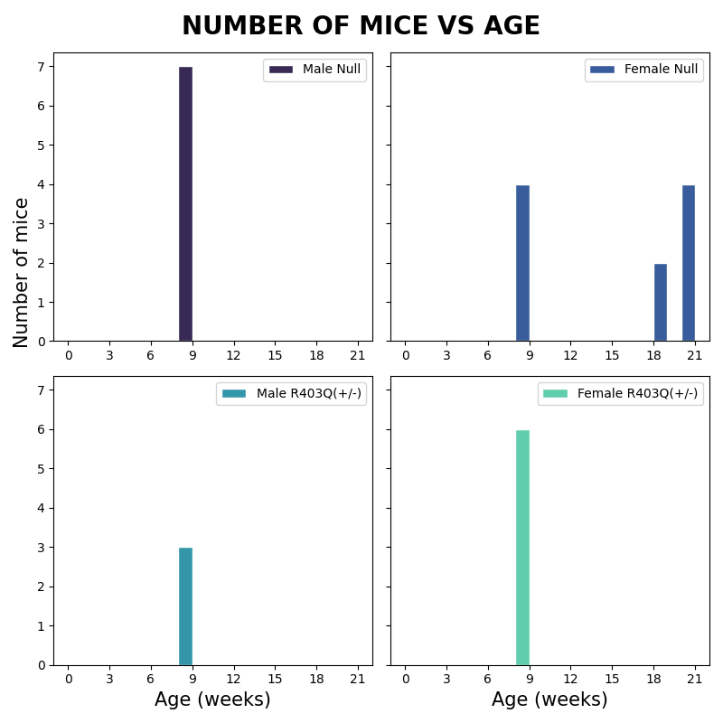
Male Null(-) |  | Female Null(-) |  | Male R403Q(+/-) |  | Female R403Q(+/-)
Age | mice # | Age | mice # | Age | mice # | Age | mice #
8 | 7 | 20 | 4 | 8 | 3 | 8 | 6
 |  | 18 | 2
 |  | 8 | 4

