Feuil2
 | water pressure sensor (0-5 bar) G3/8 | https://fr.aliexpress.com/item/1005004270144334.html | 8.50 €
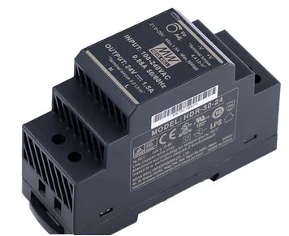 | Power supply 12V-2A 30W Meanwell HDR-30-12 | https://fr.aliexpress.com/item/1005006593795657.html | 17.55 €
 | 5x2 PCB DIN supports DRG-01 PCB | https://fr.aliexpress.com/item/1005006226938330.html | 3.48 €
 | Active Buzzer | https://fr.aliexpress.com/item/32849730395.html | 1.46 €
 | Bidirectionnal Level Shifter | https://fr.aliexpress.com/item/1005006165104615.html | 2.28 € | note: use small diameter header pins (PCB has small holes)
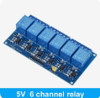 | 6x5V relays module | https://fr.aliexpress.com/item/32649659086.html | 3.78 €
 | ADC 4 chanels 16bits ADS1115 | https://fr.aliexpress.com/item/1005006864351047.html | 1.80 €
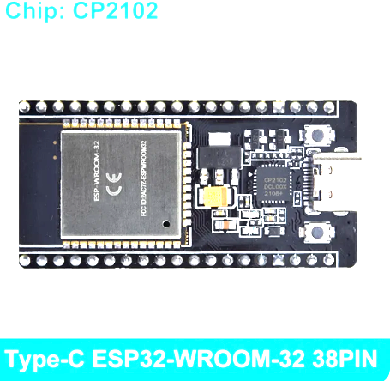 | ESP32-DevKitC-32E (V4) Type-C ESP-32 38PIN | https://fr.aliexpress.com/item/1005006345005109.html | 4.05 €
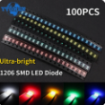 | LEDs 1206 5x100pc | https://fr.aliexpress.com/item/1005006314040384.html | 1.82 €
 | Air temperature probe - DS18B20 3m | https://fr.aliexpress.com/item/1005006431677780.html | 2.50 €
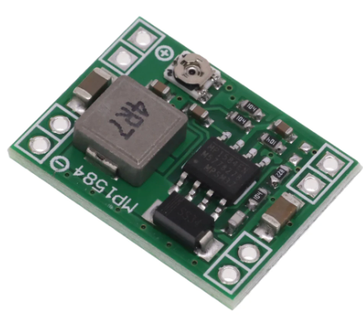 | Converter DC-DC MP1584 x5 | https://fr.aliexpress.com/item/1005005870392716.html | 2.77 € | note: use small diameter header pins (PCB has small holes)
 | Nextion display frame | https://fr.aliexpress.com/item/1005005316482964.html | 3.62 €
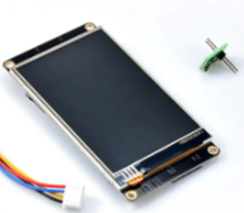 | Display Nextion Enhanced NX4832K035 | https://fr.aliexpress.com/item/32825642261.html | 38.90 €

 | Carte PH ORP Gix |  | 35.60 €
 | Carte poolmaster ESP 32 |  | 5.00 €
 | Connecteur HE10 10pin droit | https://fr.aliexpress.com/item/1005005364262476.html | 1.33 €
 | Borniers à vis 2EDG 5.08mm Right Angle | https://fr.aliexpress.com/item/1005002464961832.html | 1.67 €
 | PCF8574AN | https://fr.aliexpress.com/item/1005006711674905.html | 3.96 €
 | CAPA 100nf 0805 | https://fr.aliexpress.com/item/1005005690917856.html | 1.16 €
 | JST-1x3 M (2 mm pitch) connectors PH2,0 | https://fr.aliexpress.com/item/33001807525.html | 2.39 €
 | All resistors and capacitors | Size 0805 | 5.00 €
 | T 1/4" pipe connector | https://fr.aliexpress.com/item/4000195262654.html | 3.78 €
 | DIN rail alu 2x25cm | https://fr.aliexpress.com/item/1005001553239891.html? | 3.94 €
 | Microdos pH probe | https://www.my-pool-covers.com/shop/sonde-ph-dosage-automatique-12435?category=328#attr=14030 | 60.00 €
 | Microdos Redox probe | https://www.my-pool-covers.com/shop/sonde-redox-dosage-automatique-12436?category=328#attr=14032 | 66.55 €
 | Analyze room (double) | https://www.bypiscine.com/traitement-piscine/accessoires-pompes-doseuses-regulateurs/double-chambre-analyse-piscine-pour-sondes-ph-redox | 109.00 €
 | Chlorine calibration solution 650mV | https://www.my-pool-covers.com/shop/mpc-00-042-965-solution-etalon-pour-calibration-chlore-650-mv-12459?page=2&category=328#attr= | 10.00 €
 | Chlorine calibration solution 468mV | https://www.my-pool-covers.com/shop/mpc-00-042-904-solution-etalon-pour-calibration-chlore-468-mv-12460?page=2&category=328#attr= | 10.00 €
 | pH calibration solution pH 7 | https://www.my-pool-covers.com/shop/mpc-00-042-902-solution-etalon-pour-calibration-ph-7-12462?page=2&category=328#attr= | 7.50 €
 | pH calibration solution pH 4 | https://www.my-pool-covers.com/shop/mpc-00-042-901-solution-etalon-pour-calibration-ph-4-12463?page=2&category=328#attr= | 7.50 €
 | Support collar 50mm 1/2" x2 | https://www.my-pool-covers.com/shop/mpc-1003008-collier-de-prise-en-charge-50mm-avec-entree-filetee-1-2-12467?page=2&category=328#attr=14050 | 19.00 €
 | Pool grounding 50mm | https://www.my-pool-covers.com/shop/mpc-00-063-805-pool-terre-pour-tuyaux-en-50mm-12469?category=328#attr= | 34.50 €
 | Microdos peristaltic pump 1,5l/h x2 | https://www.my-pool-covers.com/shop/mpc-mp2-r1-5l-h-mp2-pompe-doseuse-peristaltique-15l-h-12440#attr= | 180.00 €
 | ABS case 350x250x150mm | https://www.amazon.fr/gp/product/B07C7X9K5R/ref=ppx_yo_dt_b_asin_title_o00_s00?ie=UTF8&psc=1 | 41.45 €
 |  |  | 701.84 €

