Contract
SALES CONTRACT

 |  |  |  |  | DATE: | 20/05/2025
 |  |  |  | CONTRACT NO.: |  | JLFMH25009
The Seller: | CALIFOR UPHOLSTERY MATERIALS CO.,LTD.
 | XIN BAVET SEZ, ROAD NO. 316A, TRAPEANG BON AND PREY KOKIR VILLAGES, PREY KOKIR COMMUNE, CHANTREA DISTRICT,
 | SVAY RIENG PROVINCE, KINGDOM OF CAMBODIA.
 | TEL: +855 975910636
The Buyer: | TRAYTON FURNITURE VIETNAM COMPANY LIMITED
 | Factories D7, D8, Lot C-7-CN, N17 Road,
 | BAU BANG EXPANSION INDUSTRIAL PARK, LAI UYEN TOWN, BAU BANG DISTRICT, BINH DUONG PROVINCE, VIETNAM
 | TEL: 0326968614, TAX: 3703275589
 | CONTACT: TRÚC LAN, EMAIL: diemnhu@trayton.com
After discussion, the both parties agree to sell and purchase the commodities on the following terms and conditions:
1.NAME OF COMMODITY AND SPECIFICATION:
The seller guaranteed the correct color delivery, Commodity, Dimension and quantity as follow:

No. | P.O Nº | Name of Cormodity | Description | Quantity(SF) | Unit Price(USD) | Total value(USD)
1 | 6601197009 | 110137020 | LEATHER | 9,823.20 |  | 11,493.14
2 | 6601177588 | 110137140 |  | 1,252.40 |  | 1,465.31
3 | 6601205635 | 110137140 |  | 10,000.00 |  | 11,700.00
4 | 6601209888 | 110137140 |  | 943.60 |  | 1,104.01
5 | 6601168672 | 110137070 |  | 12,119.90 |  | 12,725.90
6 | 6601177670 | 110145460 |  | 2,955.80 |  | 4,256.35
7 | 6601177617 | 110140531 |  | 24,311.40 |  | 27,471.88
8 | 6601190236 | 110137030 |  | 1,265.40 |  | 1,480.52
9 | 6601190250 | 110137030 |  | 29,660.90 |  | 34,703.25
TOTAL OF:
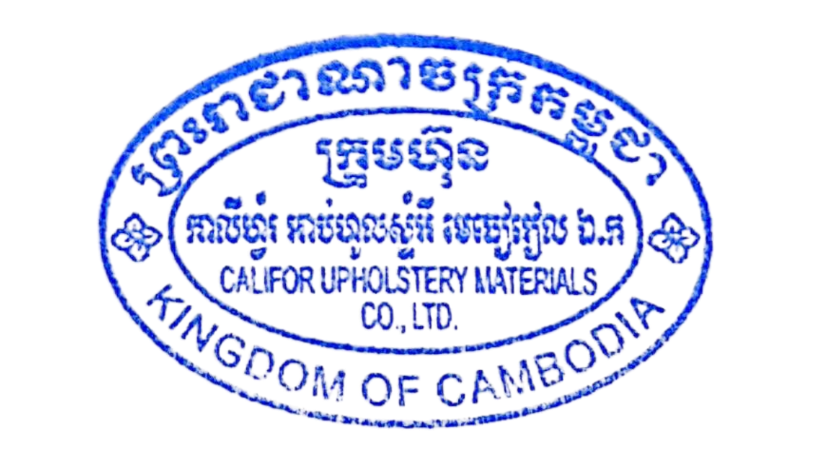
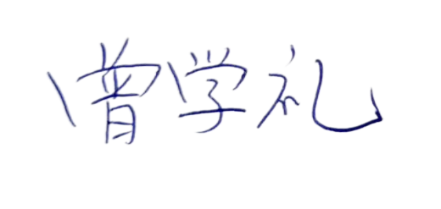
FCA:
Term of Payment: 100% TT after shipment
Transaction method: FCA(USD)
Beneficiary bank information: |  |  |  | CALIFOR UPHOLSTERY MATERIALS CO.,LTD.
Beneficiary Bank' s Name: |  |  |  | BANK OF CHINA(HONG KONG)LIMITED PHNOM PENH BRANCH /BANK OF CHINA PHNOM PENH BRANCH
Bank Address: |  |  |  | 1st AND 2nd FLOOR,CANADIA TOWER,No.315 ANDDUONG ST.,PHNOM PEMH,CAMBODIA.
Bank account : |  |  |  | 100001100764430
SWIFT CODE ： |  |  |  | BKCHKHPPXXX

 | The Buyer: |  |  |  | The Seller:
TRAYTON FURNITURE VIETNAM COMPANY LIMITED |  |  |  | CALIFOR UPHOLSTERY MATERIALS CO.,LTD.

