Contract
SALES CONTRACT
HỢP ĐỒNG MUA BÁN
 |  | DATE(NGÀY HỢP ĐỒNG): |  | JFTIME
 |  | CONTRACT NO(SỐ HỢP ĐỒNG).: |  | JFINV
The Seller: | CALIFOR UPHOLSTERY MATERIALS CO.,LTD.
 | XIN BAVET SEZ, Road No. 316A, Trapeang Bon and Prey Kokir Villages, Prey Kokir Commune, Chantrea District,
 | Svay Rieng Province, Kingdom of Cambodia.
 | TEL:+855 975910636
BÊN BÁN | CALIFOR UPHOLSTERY MATERIALS CO.,LTD.
 | XIN BAVET SEZ, Road No. 316A, Trapeang Bon and Prey Kokir Villages, Prey Kokir Commune, Chantrea District,
 | Svay Rieng Province, Kingdom of Cambodia.
 | +855 975910636
The Buyer: | OUCANYON FURNITURE ( VIETNAM) CO.,LTD.
 | NO.3A,2A STREET, VIETNAM - SINGAPORE INDUSTRIAL PARK, TINH PHONG COMMUNE, SON TINH DISTRICT, QUANG NGAI PROVINCE, VIETNAM
BÊN MUA | CÔNG TY TNHH OUCANYON FURNITURE ( VIỆT NAM)
 | số 3A, Đường số 2A, KCN Việt Nam-Singapore, Xã Tịnh Phong, Huyện Sơn Tịnh, Tỉnh Quảng Ngãi, Việt Nam
Contact Person : LEOHUNG Tel: 0084-0388087768
EMAll:leohung.happyfur@ounoya.com
The undersigned Sellers 、Buyers and Beneficiary have agreed to close the following transactions according to the terms and conditions Stipulated below:
Người bán, người mua và người thụ hưởng đã thống nhất đồng ý các giao dịch sau theo các điều khoản và điều kiện được quy định dưới đây:

FCA: | BAVET,SVAYRIENG
Term of Payment: 100% TT after shipment(Điều kiện thanh toán: 100% T/T, thời hạn thanh toán sau khi giao hàng)
Transaction method: FCA(USD) (Phương thức giao hàng: FCA(USD))
Beneficiary bank information(Thông tin ngân hàng thụ hưởng): |  | CALIFOR UPHOLSTERY MATERIALS CO.,LTD.
Beneficiary Bank' s Name(Tên ngân hàng thụ hưởng): |  | BANK OF CHINA(HONG KONG)LIMITED PHNOM PENH BRANCH /BANK OF CHINA PHNOM PENH BRANCH
Bank Address( địa chỉ ngân hàng): |  | 1st AND 2nd FLOOR,CANADIA TOWER,No.315 ANDDUONG ST. PHNOM PEMH,CAMBODIA.
Bank account(số tài khoản) : |  | 100001100764430
SWIFT CODE( mã swift) ： |  | BKCHKHPPXXX

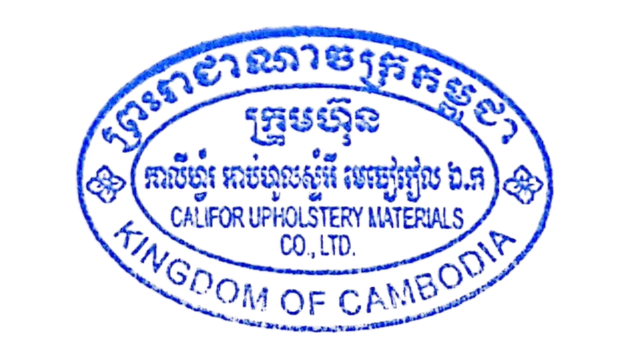
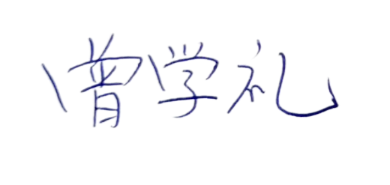
The Buyer(bên mua): |  |  | The Seller(bên bán):
OUCANYON FURNITURE ( VIETNAM) CO.,LTD. |  |  | CALIFOR UPHOLSTERY MATERIALS CO.,LTD.

