Invoice
CALIFOR UPHOLSTERY MATERIALS CO., LTD.
XIN BAVET SEZ, Road No. 316A, Trapeang Bon and Prey Kokir Villages, Prey Kokir Commune, Chantrea District,
Svay Rieng Province, Kingdom of Cambodia.
VAT:L001-901903209
Tel: +855 975910636
INVOICE
 |  |  |  |  | REFNO.: | CLF2025-157
EXPORTER: | CALIFOR UPHOLSTERY MATERIALS CO., LTD. |  |  |  | INVOICE NO : | HAPPY25007
 | XIN BAVET SEZ, Road No. 316A, Trapeang Bon and Prey Kokir Villages, |  |  |  | Date: | 06/02/2025
 | Prey Kokir Commune, Chantrea District,Svay Rieng Province, Kingdom of Cambodia |  |  |  | Delivery term: | FCA BAVET,SVAYRIENG
 | Tel: +855 975910636 |  |  |  | Payment term: | T/T

CONSIGNEE : | HAPPY FURNITURE (VIETNAM) CO.,LTD .
 | NO.5,HUU NGHI AVENUE, VSIP, TINH PHONG COMMUNE,SON TINH DISTRICT,
 | QUANG NGAI PROVINCE, VIETNAM
 | CONTACT: LEOHUNG TEL: 0084-0388087768 ，EMAIL: leohung.happyfur@ounoya.com
SHIP: | BY TRUCK FROM BAVET, SVAY RIENG, CAMBODIA TO QUANG NGAI PROVINCE, VIETNAM

Mark & N° | P.O N° | ITEM N° | Description | Quantity (SF) | Unit Price (USD) | Amount(USD)
VENDOR#: | YNGY25022 | Nick Dove | COW LEATHER DA BÒ THUỘC | 83,901.80
Des: COW LEATHER | YNGY25017 | M1243 |  | 10,178.90
Case Qty: | GYOJY_M24360 | M1243 |  | 10,294.50
MADE IN CAMBODIA | GYOJY_M24367 | M1243 |  | 10,379.20
 | 20250531 | Almond |  | 1,018.00
 | 20250531 | KNOX BLACK 660 |  | 1,023.90
 | 20250531 | KNOX SILVER GRAY 998 |  | 969.60
 | TOTAL OF: | 12 PALLETS
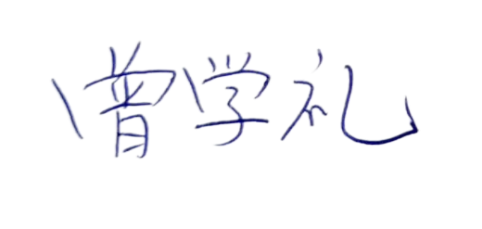
 | NW: | 8876.9999 KGS
 | GW: | 9416.9999 KGS

Country of Original Cambodia
Manufacture: | CALIFOR UPHOLSTERY MATERIALS CO., LTD. XIN BAVET SEZ, Road No. 316A, Trapeang Bon and Prey Kokir Villages, Prey Kokir Commune , Chantrea District,Svay Rieng Province, Kingdom of Cambodia, Tel: +855 975910636
BENEFICIARY BANK：BANK OF CHINA(HONG KONG)LIMITED PHNOM PENH BRANCH /BANK OF CHINA PHNOM PENH BRANCH
A/C NO:100001100764430
SWIFT CODE ：BKCHKHPPXXX
 |  |  |  |  | CALIFOR UPHOLSTERY MATERIALS CO., LTD.
 |  |  |  |  | Sign & Stamp

