Sheet1
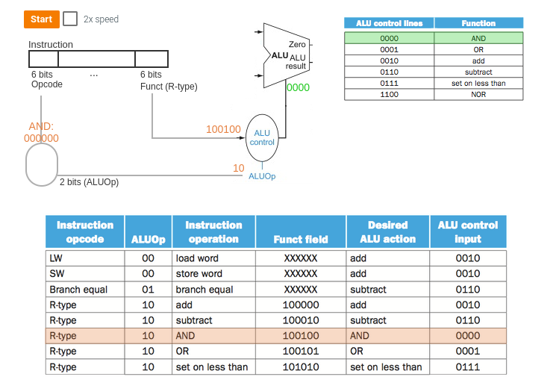
Instruction | Opcode (Binary) | Funct (Binary) | Control Signals
 |  |  | ALUSrc | ALUControl | MemtoReg | s_DMemWr [MemWrite from text] | s_RegWr [RegWrite from text] | RegDst | Branch | ALUOp | Note: these are example control signals from the text and your skeleton code; you will need to add more control signals; you may rename any control signals, except those given in the skeleton code.
addi | "001000" | "------" | 1 [use the appropriately extended immediate as source B] | 0010 [the alu will perform an add of A and B] | 0 [addi does NOT read from memory] | 0 [addi does NOT write to memory] | 1 [addi writes back to a register] | 0 [addi uses rt as destination register rather than rd] |  |  | Note: other signals you may have must be correctly assigned for the add; if you redefined these signals, you probably will need to change the sample values
addiu | "001001" | "------"
addu | "000000" | "100001" | 0 |  | 0 [addi does NOT read from memory] | 0 [addi does NOT write to memory] | 1 [addi writes back to a register] | 1 | 0 [does not branch | 10 [read as an R-instr]
add | "000000" | "100000" | 0 | 0010 [the alu will perform an add of A and B] | 0 [addi does NOT read from memory] | 0 [addi does NOT write to memory] | 1 [addi writes back to a register] | 1 | 0 [does not branch] | 10
and | "000000" | "100100" | 0 |  | 0 [addi does NOT read from memory] | 0 [addi does NOT write to memory] | 1 [addi writes back to a register] | 1 | 0 [does not branch | 10 [read as an R-instr]
andi | "001100" | "------"
lui | "001111" | "------"
lw | "100011" | "------" | 0
nor | "000000" | "100111" | 0 |  | 0 [addi does NOT read from memory] | 0 [addi does NOT write to memory] | 1 [addi writes back to a register] | 1 | 0 [does not branch | 10 [read as an R-instr]
xor | “000000” | “100110” | 0 |  | 0 [addi does NOT read from memory] | 0 [addi does NOT write to memory] | 1 [addi writes back to a register] | 1 | 0 [does not branch | 10 [read as an R-instr]
xori | “001110” | “------”
or | "000000" | "100101" | 0 |  | 0 [addi does NOT read from memory] | 0 [addi does NOT write to memory] | 1 [addi writes back to a register] | 1 | 0 [does not branch | 10 [read as an R-instr]
ori | "001101" | "------"
slt | "000000" | "101010" | 0 |  | 0 [addi does NOT read from memory] | 0 [addi does NOT write to memory] | 1 [addi writes back to a register] | 1 | 0 [does not branch | 10 [read as an R-instr]
slti | "001010" | "------"
sll | "000000" | "000000" | 0 |  | 0 [addi does NOT read from memory] | 0 [addi does NOT write to memory] | 1 [addi writes back to a register] | 1 | 0 [does not branch | 10 [read as an R-instr]
srl | "000000" | "000010" | 0 |  | 0 [addi does NOT read from memory] | 0 [addi does NOT write to memory] | 1 [addi writes back to a register] | 1 | 0 [does not branch | 10 [read as an R-instr]
sra | "000000" | "000011" | 0 |  | 0 [addi does NOT read from memory] | 0 [addi does NOT write to memory] | 1 [addi writes back to a register] | 1 | 0 [does not branch | 10 [read as an R-instr]
sw | "101011" | "------"
sub | "000000" | "100010" | 0 |  | 0 [addi does NOT read from memory] | 0 [addi does NOT write to memory] | 1 [addi writes back to a register] | 1 | 0 [does not branch | 10 [read as an R-instr]
subu | "000000" | "100011" | 0 |  | 0 [addi does NOT read from memory] | 0 [addi does NOT write to memory] | 1 [addi writes back to a register] | 1 | 0 [does not branch | 10 [read as an R-instr]
beq | "000100" | "------"
bne | "000101" | "------"
j | "000010" | "------"
jal | "000011" | "------"
jr | "000000" | "001000" | 0 |  | 0 [addi does NOT read from memory] | 0 [addi does NOT write to memory] | 1 [addi writes back to a register] | 1 | 0 [does not branch | 10 [read as an R-instr]

