Sheet2
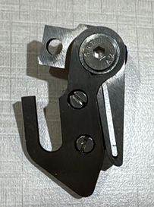
QUOTATION
To: | Link Composites |  |  | Ref.No: | SC/26-27/001
 |  |  | K A Mayankbhai
 | HALOL |  |  | Date : | 2026-04-02
Dear Sir,
With reference to your Letter / Verbal / Inquiry No. |  |  |  | DT.
We are pleased to quote our lowest rates as under :
NO. | POS. NO. | PART NO. | ITEM NAME | QTY. | RATE | PER

 |  |  | Cutter Assemble in M.S. (TOP) | 6 | ₹ 1,800.00 | Pc
 |  |  | Cutter Assemble in M.S. (Bottom) | 6 | ₹ 2,600.00 | Pc
 |  |  | Dornier Complete Cutter Assemble (Big) LHS | 5 | ₹ 17,950.00 | Pc
 |  |  | Dornier Complete Cutter Assemble (Big) RHS | 5 | ₹ 17,950.00 | Pc
 |  |  | Complete Cutter Blade set for Dornier Loom (3 Cutter Cutter ) | 5 | ₹ 4,850.00 | Pc
 |  |  | Small Cutter | 5 | ₹ 148.00 | Pc
GST : |  | 18% | Packing/Forwarding: | ex works
Delivery : |  | 7-15 days | Payment: | 30 Days
Remarks :
N. B.: All quotations are subject to Market Fluctuations and Prior sale. Subject to Ahmedabad Jurisdiction.Validity 30 Days. Shreeraj Corporation GST NO. 24AEAPS1043P1ZF |  |  |  | For SHREERAJ CORPORATION

