GE Matrix NEW
ALL DATA STATS |  |  |  |  |  |  |  | New*(1+growth)^10 | 2027/MA
Country | 2017 | 2022 | 2027 | 5 Year Difference | 10 Year Difference | Growth 5 Yr | Growth 10 Yr | Market Attractiveness 5 Yr | Brand Awareness 5 Yr | Market Attractiveness 10 Yr | Brand Awareness 10 Yr
Canada | 53,427.00 | 56,244.90 | 57,190.70 | 945.80 | 3,763.70 | 6.69% | 7.04% | 109302.1917 | 59.02% | 112972.2161 | 57.67%
Denmark | 8,959.60 | 9,649.00 | 10,257.60 | 608.60 | 1,298.00 | 13.45% | 14.49% | 36238.80569 | 41.76% | 39684.15563 | 40.34%
France | 143,051.00 | 140,463.60 | 140,267.70 | -195.90 | -2,783.30 | -1.98% | -1.95% | 114825.346 | 120.18% | 115245.8919 | 119.77%
Japan | 277,473.20 | 285,032.80 | 288,699.20 | 3,666.40 | 11,226.00 | 3.94% | 4.05% | 424824.7235 | 71.90% | 429230.8785 | 71.31%
Malaysia | 14,988.00 | 16,616.90 | 19,015.50 | 2,398.60 | 4,027.50 | 24.24% | 26.87% | 166582.8695 | 35.65% | 205469.9896 | 36.13%
Singapore | 3040.3 | 3548.6 | 5575.6 | 2027 | 2535.3 | 71.45% | 83.39% | 1223324.849 | 71.90% | 2399072.147 | 83.62%
Sweden | 14,545.10 | 15,108.90 | 16,255.90 | 1,147.00 | 1,710.80 | 11.32% | 11.76% | 47518.74966 | 45.53% | 49425.84406 | 44.65%

EQUITY DATA STATS
Country | 2017 | 2022 | 2027 | 5 Year Difference | 10 Year Difference | Growth 5 Yr | Growth 10 Yr | Market Attractiveness 5 Yr | Brand Awareness 5 Yr | Market Attractiveness 10 Yr | Brand Awareness 10 Yr
Canada | 48,897.80 | 51,405.50 | 52,127.30 | 721.80 | 3,229.50 | 6.28% | 6.60% | 95869.13916 | 60.66% | 98815.33303 | 59.36%
Denmark | 8,436.00 | 9,062.00 | 9,606.80 | 544.80 | 1,170.80 | 12.92% | 13.88% | 32380.4612 | 42.59% | 35237.13033 | 41.14%
France | 132,730.00 | 129,773.20 | 129,083.80 | -689.40 | -3,646.20 | -2.81% | -2.75% | 97073.852 | 130.17% | 97700.82156 | 129.37%
Japan | 277,473.20 | 285,032.80 | 288,699.20 | 3,666.40 | 11,226.00 | 3.94% | 4.05% | 424824.7235 | 71.90% | 429230.8785 | 71.31%
Malaysia | 14,520.50 | 16,083.40 | 18,424.90 | 2,341.50 | 3,904.40 | 24.28% | 26.89% | 161911.0391 | 35.66% | 199361.2841 | 36.13%
Singapore | 3040 | 3369.1 | 3548.3 | 179.2 | 508.3 | 15.09% | 16.72% | 14463.96539 | 39.62% | 16652.82076 | 38.03%
Sweden | 14,144.30 | 14,670.40 | 15,771.00 | 1,100.60 | 1,626.70 | 11.09% | 11.50% | 45138.06962 | 46.03% | 46842.16481 | 45.17%

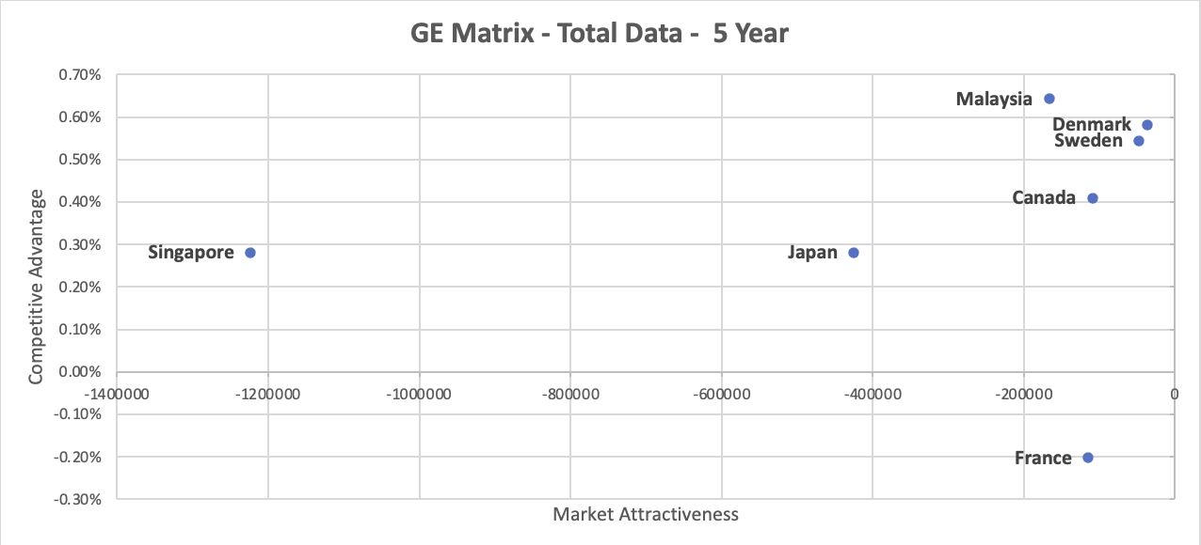
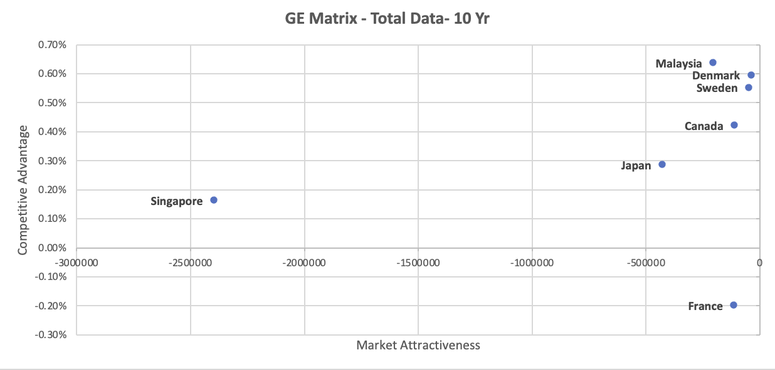
Graphs |  |  |  |  |  |  |  | Data used for Graph
 |  |  |  |  |  |  |  | GE Matrix 5 Yr Total Data |  | GE Matrix 10 Yr Total Data
 |  |  |  |  |  |  |  | Market Attractiveness 5 Yr | Brand Awareness 5 Yr | Market Attractiveness 10 Yr | Brand Awareness 10 Yr
 |  |  |  |  |  |  |  | -109302.1917 | 40.98% | -112972.2161 | 42.33%
 |  |  |  |  |  |  |  | -36238.80569 | 58.24% | -39684.15563 | 59.66%
 |  |  |  |  |  |  |  | -114825.346 | -20.18% | -115245.8919 | -19.77%
 |  |  |  |  |  |  |  | -424824.7235 | 28.10% | -429230.8785 | 28.69%
 |  |  |  |  |  |  |  | -166582.8695 | 64.35% | -205469.9896 | 63.87%
 |  |  |  |  |  |  |  | -1223324.849 | 28.10% | -2399072.147 | 16.38%
 |  |  |  |  |  |  |  | -47518.74966 | 54.47% | -49425.84406 | 55.35%
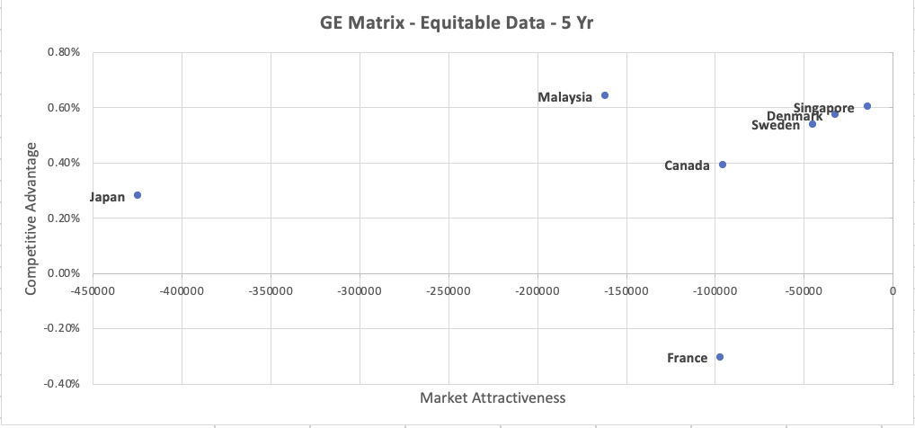
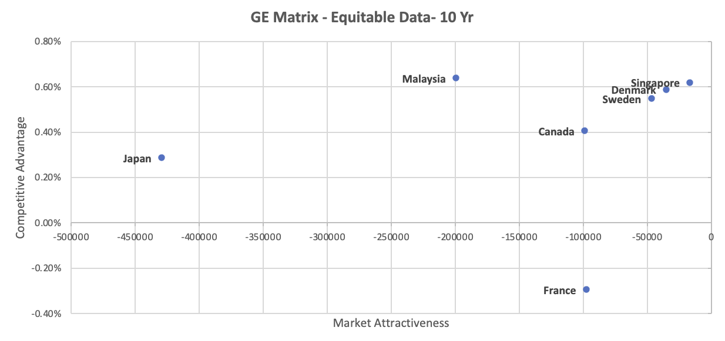
 |  |  |  |  |  |  |  | GE Matrix 5 Yr Equitable Data |  | GE Matrix 10 Yr Equitable Data
 |  |  |  |  |  |  |  | Market Attractiveness 5 Yr | Brand Awareness 5 Yr | Market Attractiveness 10 Yr | Brand Awareness 10 Yr
 |  |  |  |  |  |  |  | -95869.13916 | 39.34% | -98815.33303 | 40.64%
 |  |  |  |  |  |  |  | -32380.4612 | 57.41% | -35237.13033 | 58.86%
 |  |  |  |  |  |  |  | -97073.852 | -30.17% | -97700.82156 | -29.37%
 |  |  |  |  |  |  |  | -424824.7235 | 28.10% | -429230.8785 | 28.69%
 |  |  |  |  |  |  |  | -161911.0391 | 64.34% | -199361.2841 | 63.87%
 |  |  |  |  |  |  |  | -14463.96539 | 60.38% | -16652.82076 | 61.97%
 |  |  |  |  |  |  |  | -45138.06962 | 53.97% | -46842.16481 | 54.83%
Reference:
Euromonitor | https://www.portal.euromonitor.com/statisticsevolution/index

