lista de peças
# | *Designator | Description / Value | *Qty | Value | Photo | *Package/Footprint | Type
01’ | S1, S2, S3, S4 | Tactile Switches 6x6mm | 4 | # |  | Plugin,6x6mm | thru-hole
02’ | IN1, IN2, IN3, IN4, LINK, RELE1, RELE2, STATUS | LED3MM | 8 | # |  | D=3mm | thru-hole
03’ | X4, X5 | 1x2P Tin 5mm 1.5 10A -40℃~+105℃ 300V | 2 | # |  | Plugin,P=5mm | thru-hole
04’ | X1, X3, X6, X7, X8 | 1x3P Tin 5mm 1.5 10A -40℃~+105℃ 300V | 5 | # |  | Plugin,P=5mm | thru-hole
05’ | C1, C2, C6 | Capacitors Metallized Polyester 100nf -100K/63V (0,1UF/63V) | 3 | 100NF |  | C050-025X075 | thru-hole
06’ | C3, C5, C8, C9 | Capacitor Cerâmico Disco 100nf- 100K - 50V - (104) - TOLERANCIA 20% | 4 | 100nf | 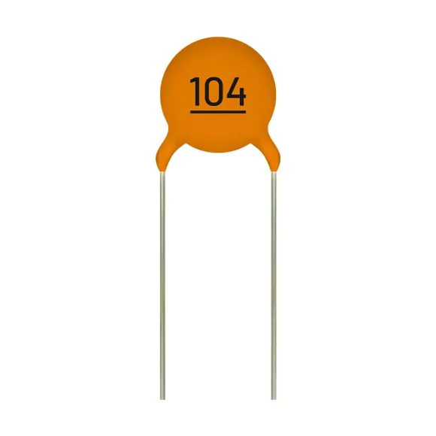 | C025-025X050 | thru-hole
07’ | C7 | Aluminum Electrolytic Capacitors 100UF/35V – 105ºC | 1 | 100uf | 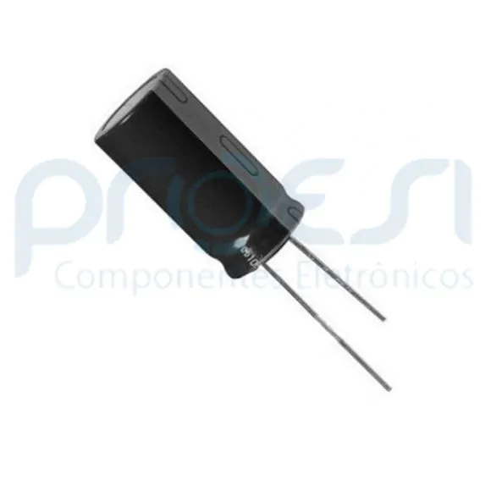 | E5-10,5 | thru-hole
08’ | R16, R23, R27,R13 | Metal Film Resistors CR25 – 1/4W - 10K Ohms | 4 | 10K |  | 0204/7 | thru-hole
09’ | R9, R10, R14, R15, R17, R18, R19, R20, R24, R26, R28, R29, R30 | Metal Film Resistors CR25 – 1/4W – 1K Ohms | 13 | 1K | 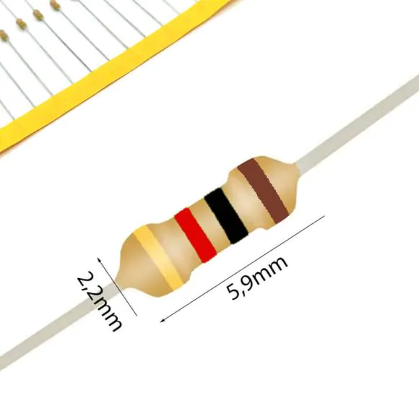 | 0204/7 | thru-hole
10’ | D2, D3, D4, D5, D6, D7 | DIODE – 1N4148 | 6 | 1N4148 | 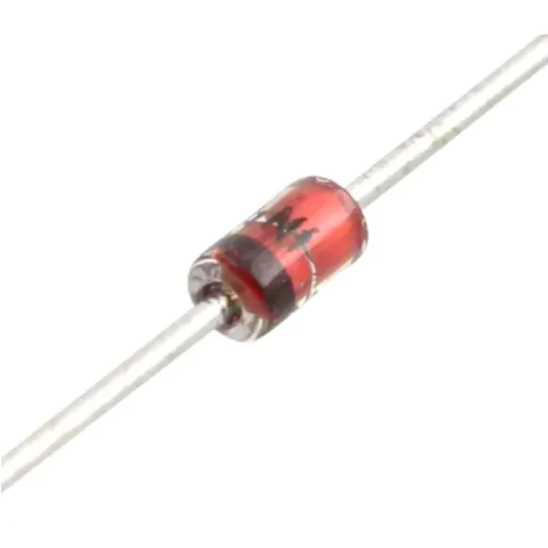 | DO35-7 | thru-hole
11’ | D1 | DIODE – 1N5400 | 1 | 1N5400 |  | DO201-15 | thru-hole
12’ | 20K | Metal Film Resistors CR25 – 1/4W – 1K Ohms | 1 | 20k |  | 0204/7 | thru-hole
13’ | R1, R6, R7, R8 | Metal Film Resistors CR25 – 1/4W – 1K2 Ohms | 4 | 2K2 |  | 0204/7 | thru-hole
14’ | J2 | Wire To Board Connector 1x3P 1 2.5mm 22041031(MOLEX) | 1 | # | 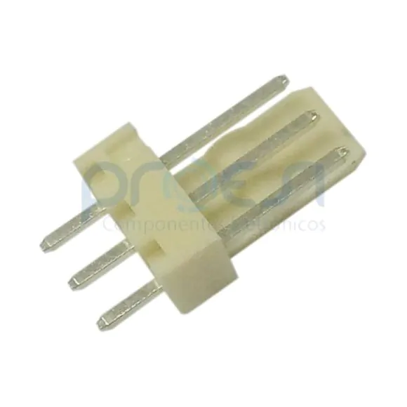 | Plugin,P=2.5mm | thru-hole
15’ | J1 | Wire To Board Connector 1x4P 1 2.5mm 22041041(MOLEX) | 1 | # | 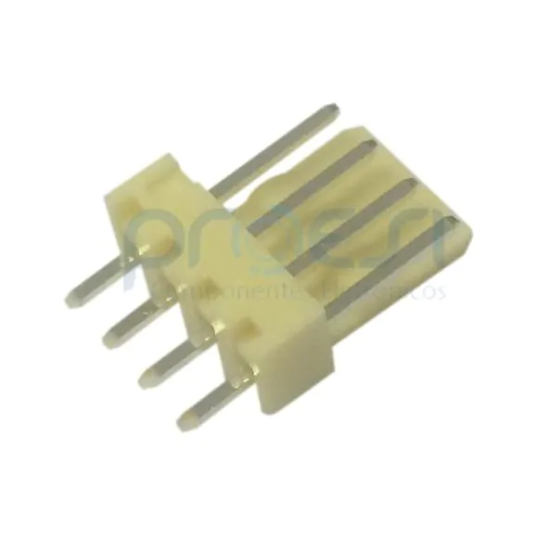 | Plugin,P=2.5mm | thru-hole
16’ | C4 | Aluminum Electrolytic Capacitors 220UF/35V – 105ºC | 1 | 220UF |  | E5-10,5 | thru-hole
17’ | R12 | Metal Film Resistors CR25 – 1/4W – 5K6 Ohms | 1 | 5K6 |  | 0204/7 | thru-hole
18’ | R21,R2, R3, R4, R5 | Metal Film Resistors CR25 – 1/4W – 4K7 Ohms | 5 | 4k7 |  | 0204/7 | thru-hole
19’ | D9 | Diodo Zener de 5,1 V e 0,5W | 1N 751, DO-35 | 1 | 5V1 |  | DO35-7 | thru-hole
20’ | ARDUINO_NANO1 | ARDUINO_NANO V3.0 | 1 | ARDUINO NANO | 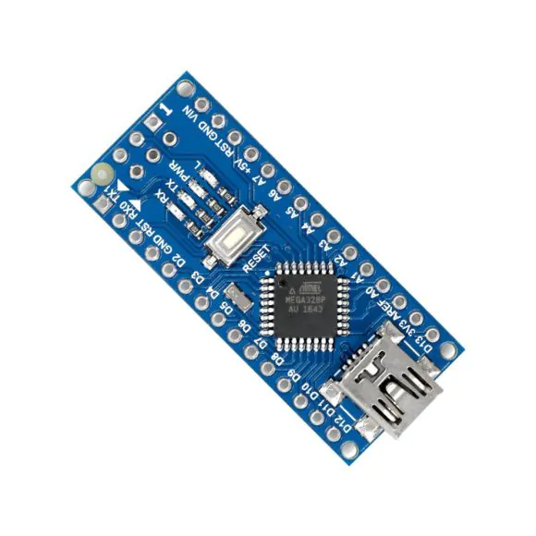 | ARDUINO_NANO | thru-hole
21’ | Q1, Q2 | Bipolar Transistors BC548A | 2 | BC548A | 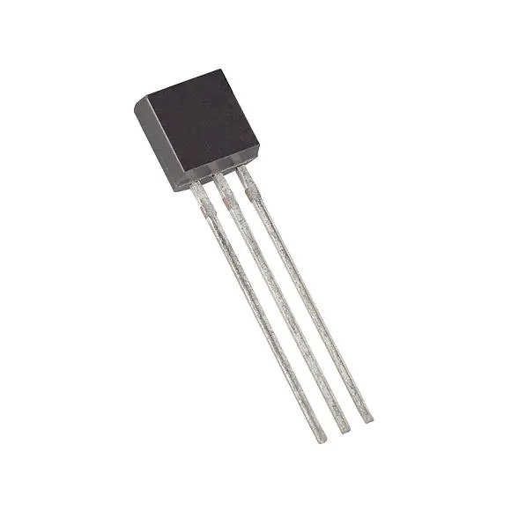 | TO92-EBC | thru-hole
22’ | LM2596 | DC-DC-STEP-DOWN-LM2596 | 1 | DC-DC- STEP-DOWN-LM2596 | 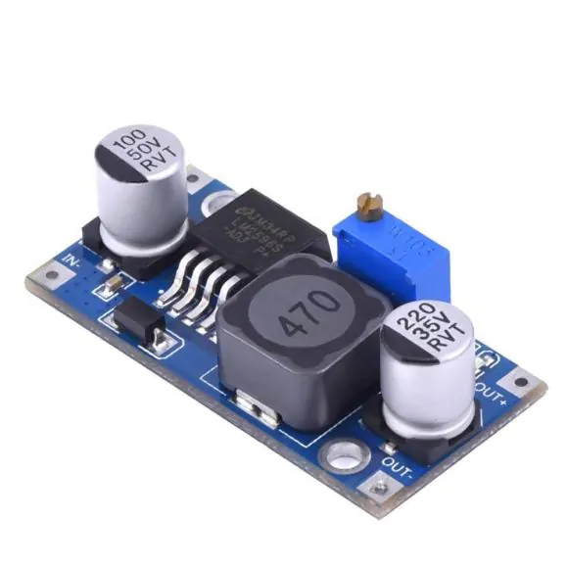 | DC-DC-STEP-DOWN-LM2596 | thru-hole
23’ | K1, K2 | RELAY 5V 10A SRD-05VDC | 2 | 5V RELAY | 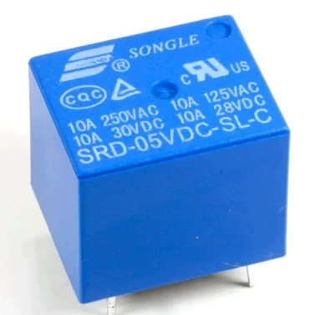 | Plugin,15.6x19.2mm | thru-hole
24’ | U$2 | LoRa Modules E32 Ebyte | 1 | LORAE32 |  | DIP | thru-hole
25’ | OK1, OK2, OK3, OK4 | PC817 | 4 | PC817 |  | DIL04 | thru-hole
26’ | R11, R25 - > NOT MONTED IN PCB | Metal Film Resistors CR25 – 1/4W - 10K Ohms | 4 | 10K |  | 0204/7 | thru-hole

