Sheet1
BOM - Pulse Oximeter | BOM - Pulse Oximeter

Part Name | Picture | Description | Units per Package | Units Required per Device | Supplier | Part Number | Price of Package | Price per Unit | Price for device | Link to par
Arduino Nano | 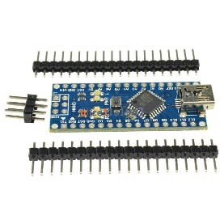 | ATMega328P 5V Microcontroller | 1 | 1 | eBay |  | $3.07 | $3.07 | $3.07 | http://www.ebay.ca/itm/USB-Nano-V3-0-ATmega328-16M-5V-Micro-controller-CH340G-board-For-Arduino-/401090347198?hash=item5d62d900be:g:5pAAAOSw-jhT-wV1
OLED Display | 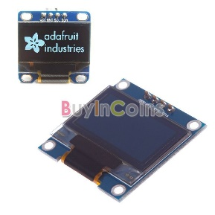 | OLED IIC/I2C Interface, 0.96" 128x64 pixels | 1 | 1 | eBay |  | $6.32 | $6.32 | $6.32 | http://www.ebay.ca/itm/0-96-IIC-Serial-128X64-OLED-Display-Module-For-Arduino-Low-Power-Consumption-DF-/231772461741?hash=item35f6b71aad:g:lEAAAMXQeW5TavCe
Laser Diode | 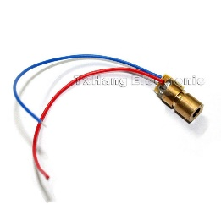 | Red 650 nm, 5 mW | 10 | 1 | eBay |  | $2.76 | $0.28 | $0.28 | http://www.ebay.ca/itm/170892492774?_trksid=p2060353.m2749.l2649&ssPageName=STRK%3AMEBIDX%3AIT
Protoboard | 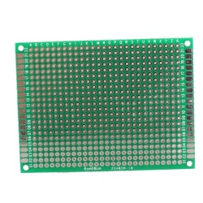 | 6 x 8cm, double sided | 5 | 1 | eBay |  | $3.91 | $0.78 | $0.78 | http://www.ebay.ca/itm/5pcs-Double-side-Protoboard-Circuit-Universal-DIY-Prototype-PCB-Board-6x8cm-New-/371389482753?hash=item567889c701:g:3HMAAOSwHnFVrMSr
IR LED | 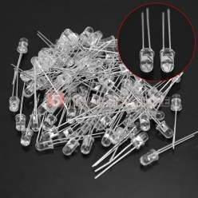 | 5mm 940 nm | 100 | 1 | eBay |  | $3.35 | $0.03 | $0.03 | http://www.ebay.ca/itm/100pcs-5mm-LED-Lights-Infrared-Emitters-IR-Emitting-Diodes-940nm-Wave-Length-/251691019854?hash=item3a99f42e4e:g:D7AAAOSwDN1USx52
Resistors |  | 220ohms, 470ohms, 10kohms and 20kohms | 600 | 4 | eBay |  | $2.64 | $0.004 | $0.018 | http://www.ebay.ca/itm/600pcs-1-Metal-Film-Resistor-Bag-1-4w-Resistance-30-kinds-Each-20pcs-/231885821462?hash=item35fd78d616:g:TJcAAOSwvgdW26h~
Photodiode | 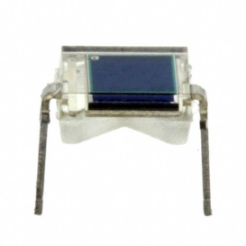 | BPW34, 850 nm Through-hole, *Price goes down if bulk ordered* | 1 | 1 | Digi-Key | 475-1070-ND | $1.27 | $1.27 | $1.27 | https://www.digikey.ca/product-detail/en/osram-opto-semiconductors-inc/BPW34/475-1070-ND/607274
Op-Amp | 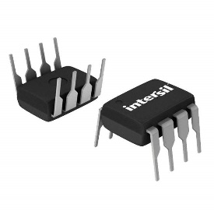 | CA3140AEZ, IC 8DIP Through-hole, *Price goes down if bulk ordered* | 1 | 1 | Digi-Key | CA3140AEZ-ND | $3.23 | $3.23 | $3.23 | https://www.digikey.ca/product-detail/en/intersil/CA3140AEZ/CA3140AEZ-ND/821386
Assorted wire |  | 22 AWG Solidcore
Heat Shrink |  | Assorted sizes
Filament |  | Black 1.75mm
 |  |  |  |  |  | Purchse Price: | $26.55

 |  |  |  |  |  | Price of single device | $15.00

