cl_words.csv
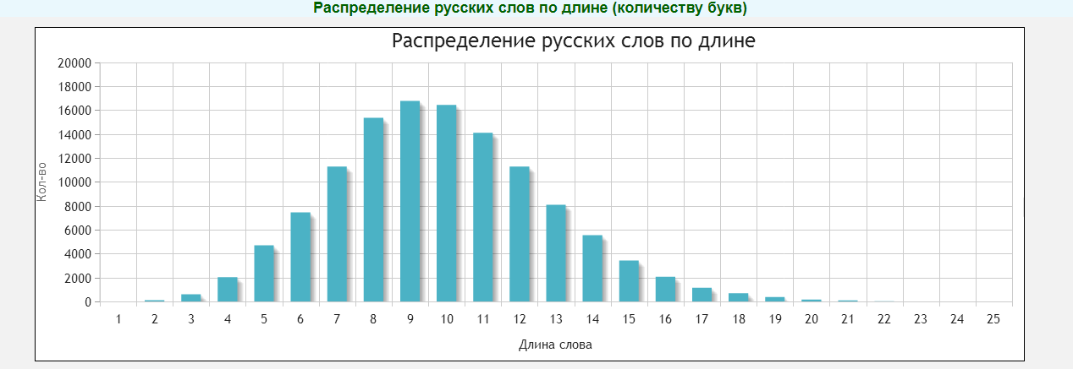
0 | 1 | 2 | 3 | 4 | 5 | 6 | 7 | 8 | 9 | 10 | 11 | 12 | 13 | 14 | 15 | 16 | 17 | 18 | 19
0 | 6 | 13 | 127 | 299 | 288 | 334 | 399 | 314 | 182 | 124 | 111 | 45 | 21 | 11 | 7 | 1 | 4 | 2 | 0

