Pre-Screen
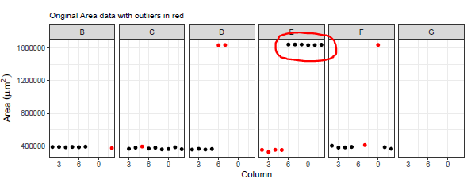
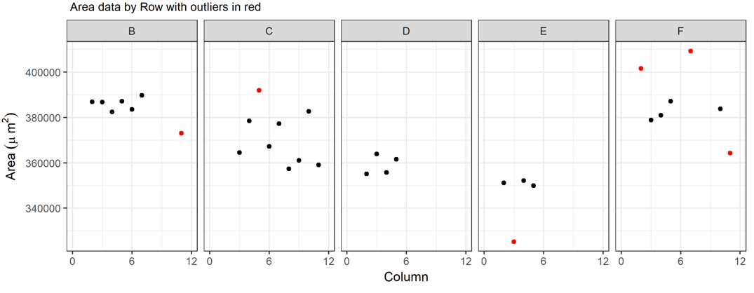
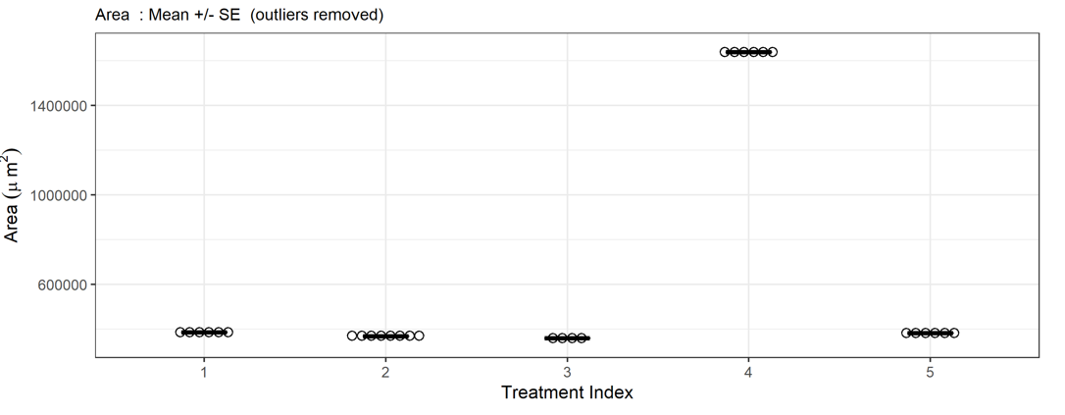
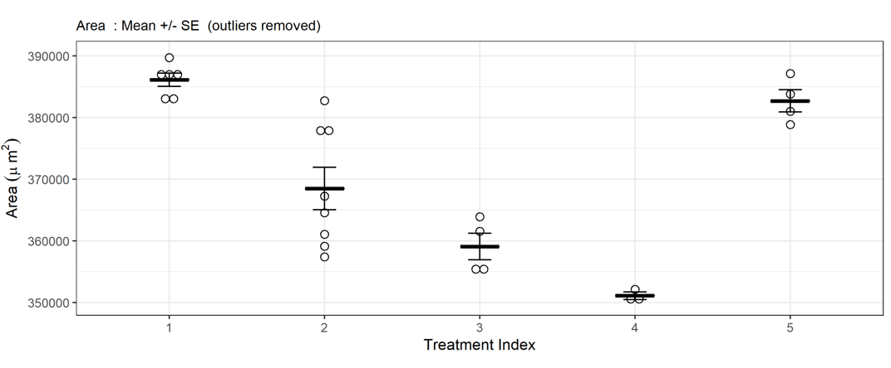
Outliers - pre-screening | Value | Area | Diameter | Volume | Perimeter | Circularity
 | Acceptance Threshold (high limit) | 1,630,000 | 1,440 | 1,567,543,610 | 6,276 | 1 | 10%
 | Acceptance Threshold (low limit) | 1 | 100 | 1000 | 100 | 0.01 | 30%
 |  |  |  |  |  |  | 40%

 | Notes
 | This is a preliminary screen, designed to remove several extreme outliers which may affect the operation of the Robust Z screen.
 | Any data points outside the threshold range are changed to null values (NA) and excluded from the robust Z screening calculation. (ie below low limits, or above high limits)
 | Group E (TI 4) in the plot example below shows how a cluster of anomalous high values can affect the robust Z score calulation, by incorrectly accepting the anomalous values as valid data , and rejecting the correct values.
 | This has the effect of greating an erroneously high value for Mean Area for Group E (TI 4) data, and also distorts the Y axis.
 | The mean Area reverts to a more reasonable value once the Pre Screen threshold filter of 1630000 is applied.

 | Example plot : data before Pre screen Thresholds Applied |  |  |  | Example plot : after Pre screen Thresholds Applied (same original dataset)

R packages
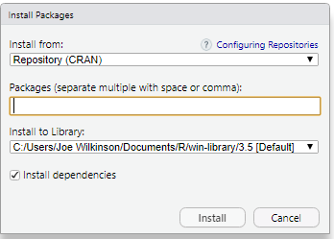
Install required R packages ( RStudio -> Tools -> Install Packages,
 | Copy the following list into the Packages textbox in the Install Packgages window. :
 | tidyverse, ggthemes, gridExtra, readxl, openxlsx, plotrix, writexl, ggpubr

