Sheet1
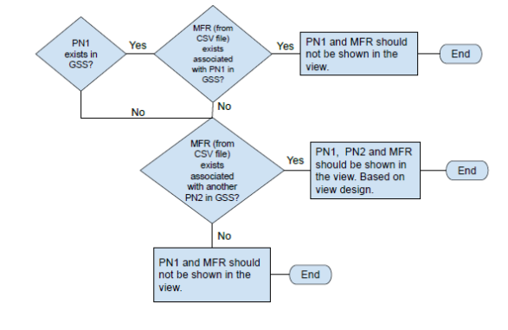
 |  | Existed in Inventory | Association in GSS
Case 1 | PN1 | Yes | Yes | No shown
 | MFG1 |  |  |  | PN2, PN3 ??

Case 2 | PN1 | Yes | No |  | shown
 | MFG1 |  |  | PN2, PN#, etc.

Case 3 | PN1 | No
 | MFG1 |  |  | PN2, PN#, | shown

Case 4 | PN1 | No | No | No Shown
 | MFG1 | no

