Threading
Threads |  | Fake Chunked |  | Real Kernel |  | Fake Kernel |  | Real Chunked |  | Real 3 Qubit
1 | 2.6 | 1 | 1.48 | 1 | 3.5 | 1 | 1.45 | 1 | 2.4 | 1
2 | 4.3 | 1.6538461538 | 2.8 | 1.8918918919 | 6.3 | 1.8 | 2.76 | 1.9034482759 | 4.4 | 1.8333333333
3 | 6 | 2.3076923077 | 3.7 | 2.5 | 7.8 | 2.2285714286 | 3.4 | 2.3448275862 | 5.4 | 2.25
4 | 7.3 | 2.8076923077 | 3.6 | 2.4324324324 | 8 | 2.2857142857 | 3.4 | 2.3448275862 | 5.4 | 2.25
5 | 7.8 | 3 | 3.8 | 2.5675675676 | 7.8 | 2.2285714286 | 3.4 | 2.3448275862 | 5.4 | 2.25
6 | 7.8 | 3 | 3.9 | 2.6351351351 | 7.6 | 2.1714285714 | 3.7 | 2.5517241379 | 5.5 | 2.2916666667
7 | 8.8 | 3.3846153846 | 4.1 | 2.7702702703 | 7.3 | 2.0857142857 | 3.8 | 2.6206896552 | 5.4 | 2.25
8 | 9.8 | 3.7692307692 | 4.2 | 2.8378378378 | 7 | 2 | 3.8 | 2.6206896552 | 5.3 | 2.2083333333

H on 1 of 28 qubits, generic

Fusion
Simulator | Qubits | Threads | Fuse Size | Fuse Span | Gates/s | Base | Speed Up |  |  |  |  |  | Depth | 8,1 | 8,2 | 8,3 | 8,4 | 28,1 | 28,2 | 28,3 | 28,4 | 13,1 | 13,2 | 13,3 | 13,4 | 18,1 | 18,2 | 18,3 | 18,4
Generic | 28 | 1 | 0 | 1 | 1.60 | 1.60 | 1.00 |  |  |  |  |  | 0.00 | 1.00 | 1.00 | 1.00 | 1.00 | 1.00 | 1.00 | 1.00 | 1.00 | 1.00 | 1.00 | 1.00 | 1.00 | 1.00 | 1.00 | 1.00 | 1.20
Generic | 28 | 1 | 1 | 1 | 3.10 | 1.60 | 1.94 | Speed Up | Span |  |  |  | 1.00 | 1.27 | 1.25 | 1.26 | 1.14 | 1.94 | 1.94 | 2.08 | 2.00 | 1.79 | 1.71 | 1.63 | 1.49 | 1.80 | 2.00 | 1.67 | 2.40
Generic | 28 | 1 | 2 | 1 | 4.60 | 1.60 | 2.87 | Qs, Depth | 1 | 2 | 3 | 4 | 2.00 | 1.35 | 1.28 | 1.29 | 1.18 | 2.87 | 3.06 | 3.21 | 2.90 | 2.44 | 2.24 | 2.04 | 1.75 | 2.53 | 3.00 | 3.00 | 3.77
Generic | 28 | 1 | 5 | 1 | 9.40 | 1.60 | 5.88 | 8 |  |  |  |  | 5.00 | 1.31 | 1.27 | 1.24 | 1.14 | 5.88 | 6.22 | 6.08 | 5.79 | 3.58 | 3.09 | 2.59 | 1.97 | 5.80 | 4.50 | 5.67 | 7.33
Generic | 28 | 1 | 10 | 1 | 17.30 | 1.60 | 10.81 | 0 | 1.0 | 1.0 | 1.0 | 1.0 | 10.00 | 1.03 | 1.03 | 1.04 | 0.96 | 10.81 | 11.22 | 11.25 | 10.93 | 3.95 | 3.16 | 2.52 | 1.81 | 10.93 | 8.50 | 9.67 | 11.33
Generic | 28 | 1 | 50 | 1 | 80.20 | 1.60 | 50.13 | 1 | 1.3 | 1.2 | 1.3 | 1.1 | 50.00 | 0.44 | 0.47 | 0.48 | 0.55 | 50.13 | 52.56 | 51.58 | 50.93 | 2.28 | 1.75 | 1.34 | 1.08 | 28.00 | 22.50 | 17.00 | 19.00
Generic | 28 | 1 | 100 | 1 | 158.00 | 1.60 | 98.75 | 2 | 1.3 | 1.3 | 1.3 | 1.2 | 100.00 | 0.29 | 0.30 | 0.32 | 0.37 | 98.75 | 103.67 | 101.67 | 100.59 | 1.49 | 1.15 | 0.89 | 0.73 | 28.00 | 20.50 | 15.33 | 14.00
Generic | 8 | 1 | 0 | 1 | 229.00 | 229.00 | 1.00 | 5 | 1.3 | 1.3 | 1.2 | 1.1
Generic | 8 | 1 | 1 | 1 | 291.00 | 229.00 | 1.27 | 10 | 1.0 | 1.0 | 1.0 | 1.0
Generic | 8 | 1 | 2 | 1 | 309.00 | 229.00 | 1.35 | 50 | 0.4 | 0.5 | 0.5 | 0.5
1-4 Qubit Gates Fused Generic, 1 thread
 | 8,1 | 8,2 | 8,3 | 8,4 | 28,1 | 28,2 | 28,3 | 28,4 | 13,1 | 13,2 | 13,3 | 13,4
0.00 | 1.00 | 1.00 | 1.00 | 1.00 | 1.00 | 1.00 | 1.00 | 1.00 | 1.00 | 1.00 | 1.00 | 1.00
1.00 | 1.27 | 1.25 | 1.26 | 1.14 | 1.94 | 1.94 | 2.08 | 2.00 | 1.79 | 1.71 | 1.63 | 1.49
2.00 | 1.35 | 1.28 | 1.29 | 1.18 | 2.87 | 3.06 | 3.21 | 2.90 | 2.44 | 2.24 | 2.04 | 1.75
5.00 | 1.31 | 1.27 | 1.24 | 1.14 | 5.88 | 6.22 | 6.08 | 5.79 | 3.58 | 3.09 | 2.59 | 1.97
10.00 | 1.03 | 1.03 | 1.04 | 0.96 | 10.81 | 11.22 | 11.25 | 10.93 | 3.95 | 3.16 | 2.52 | 1.81
50.00 | 0.44 | 0.47 | 0.48 | 0.55 | 50.13 | 52.56 | 51.58 | 50.93 | 2.28 | 1.75 | 1.34 | 1.08
100.00 | 0.29 | 0.30 | 0.32 | 0.37 | 98.75 | 103.67 | 101.67 | 100.59 | 1.49 | 1.15 | 0.89 | 0.73
Generic | 8 | 1 | 5 | 1 | 300.00 | 229.00 | 1.31 | 100 | 0.3 | 0.3 | 0.3 | 0.4
Generic | 8 | 1 | 10 | 1 | 237.00 | 229.00 | 1.03 | 13
Generic | 8 | 1 | 50 | 1 | 101.00 | 229.00 | 0.44 | 0 | 1.0 | 1.0 | 1.0 | 1.0
Generic | 8 | 1 | 100 | 1 | 66.00 | 229.00 | 0.29 | 1 | 1.8 | 1.7 | 1.6 | 1.5
Generic | 28 | 1 | 0 | 2 | 1.80 | 1.80 | 1.00 | 2 | 2.4 | 2.2 | 2.0 | 1.7
Generic | 28 | 1 | 1 | 2 | 3.50 | 1.80 | 1.94 | 5 | 3.6 | 3.1 | 2.6 | 2.0
Generic | 28 | 1 | 2 | 2 | 5.50 | 1.80 | 3.06 | 10 | 4.0 | 3.2 | 2.5 | 1.8
Generic | 28 | 1 | 5 | 2 | 11.20 | 1.80 | 6.22 | 50 | 2.3 | 1.7 | 1.3 | 1.1
Generic | 28 | 1 | 10 | 2 | 20.20 | 1.80 | 11.22 | 100 | 1.5 | 1.1 | 0.9 | 0.7
Generic | 28 | 1 | 50 | 2 | 94.60 | 1.80 | 52.56 | 18
Generic | 28 | 1 | 100 | 2 | 186.60 | 1.80 | 103.67 | 0 | 1.0 | 1.0 | 1.0 | 1.2
Generic | 8 | 1 | 0 | 2 | 218.00 | 218.00 | 1.00 | 1 | 1.8 | 2.0 | 1.7 | 2.4
Generic | 8 | 1 | 1 | 2 | 272.00 | 218.00 | 1.25 | 2 | 2.5 | 3.0 | 3.0 | 3.8
Generic | 8 | 1 | 2 | 2 | 280.00 | 218.00 | 1.28 | 5 | 5.8 | 4.5 | 5.7 | 7.3
Generic | 8 | 1 | 5 | 2 | 276.00 | 218.00 | 1.27 | 10 | 10.9 | 8.5 | 9.7 | 11.3
Generic | 8 | 1 | 10 | 2 | 225.00 | 218.00 | 1.03 | 50 | 28.0 | 22.5 | 17.0 | 19.0
Generic | 8 | 1 | 50 | 2 | 103.00 | 218.00 | 0.47 | 100 | 28.0 | 20.5 | 15.3 | 14.0
Generic | 8 | 1 | 100 | 2 | 66.00 | 218.00 | 0.30 | 28
Generic | 28 | 1 | 0 | 3 | 2.40 | 2.40 | 1.00 | 0 | 1.0 | 1.0 | 1.0 | 1.0
Generic | 28 | 1 | 1 | 3 | 5.00 | 2.40 | 2.08 | 1 | 1.9 | 1.9 | 2.1 | 2.0
Generic | 28 | 1 | 2 | 3 | 7.70 | 2.40 | 3.21 | 2 | 2.9 | 3.1 | 3.2 | 2.9
Generic | 28 | 1 | 5 | 3 | 14.60 | 2.40 | 6.08 | 5 | 5.9 | 6.2 | 6.1 | 5.8
Generic | 28 | 1 | 10 | 3 | 27.00 | 2.40 | 11.25 | 10 | 10.8 | 11.2 | 11.3 | 10.9
Generic | 28 | 1 | 50 | 3 | 123.80 | 2.40 | 51.58 | 50 | 50.1 | 52.6 | 51.6 | 50.9
Generic | 28 | 1 | 100 | 3 | 244.00 | 2.40 | 101.67 | 100 | 98.8 | 103.7 | 101.7 | 100.6
Generic | 8 | 1 | 0 | 3 | 207.00 | 207.00 | 1.00
Generic | 8 | 1 | 1 | 3 | 260.00 | 207.00 | 1.26
Generic | 8 | 1 | 2 | 3 | 267.00 | 207.00 | 1.29
Generic | 8 | 1 | 5 | 3 | 257.00 | 207.00 | 1.24
Generic | 8 | 1 | 10 | 3 | 216.00 | 207.00 | 1.04
Generic | 8 | 1 | 50 | 3 | 100.00 | 207.00 | 0.48
Generic | 8 | 1 | 100 | 3 | 66.00 | 207.00 | 0.32
Generic | 28 | 1 | 0 | 4 | 2.90 | 2.90 | 1.00
Generic | 28 | 1 | 1 | 4 | 5.80 | 2.90 | 2.00
Generic | 28 | 1 | 2 | 4 | 8.40 | 2.90 | 2.90
Generic | 28 | 1 | 5 | 4 | 16.80 | 2.90 | 5.79
Generic | 28 | 1 | 10 | 4 | 31.70 | 2.90 | 10.93
Generic | 28 | 1 | 50 | 4 | 147.70 | 2.90 | 50.93
Generic | 28 | 1 | 100 | 4 | 291.70 | 2.90 | 100.59
Generic | 8 | 1 | 0 | 4 | 159.00 | 159.00 | 1.00
Generic | 8 | 1 | 1 | 4 | 181.00 | 159.00 | 1.14
Generic | 8 | 1 | 2 | 4 | 187.00 | 159.00 | 1.18
Generic | 8 | 1 | 5 | 4 | 181.00 | 159.00 | 1.14
Generic | 8 | 1 | 10 | 4 | 153.00 | 159.00 | 0.96
Generic | 8 | 1 | 50 | 4 | 87.00 | 159.00 | 0.55
Generic | 8 | 1 | 100 | 4 | 59.00 | 159.00 | 0.37
Generic | 13 | 1 | 0 | 1 | 43.00 | 43.00 | 1.00
Generic | 13 | 1 | 1 | 1 | 77.00 | 43.00 | 1.79
Generic | 13 | 1 | 2 | 1 | 105.00 | 43.00 | 2.44
Generic | 13 | 1 | 5 | 1 | 154.00 | 43.00 | 3.58
Generic | 13 | 1 | 10 | 1 | 170.00 | 43.00 | 3.95
Generic | 13 | 1 | 50 | 1 | 98.00 | 43.00 | 2.28
Generic | 13 | 1 | 100 | 1 | 64.00 | 43.00 | 1.49
Generic | 13 | 1 | 0 | 2 | 55.00 | 55.00 | 1.00
Generic | 13 | 1 | 1 | 2 | 94.00 | 55.00 | 1.71
Generic | 13 | 1 | 2 | 2 | 123.00 | 55.00 | 2.24
Generic | 13 | 1 | 5 | 2 | 170.00 | 55.00 | 3.09
Generic | 13 | 1 | 10 | 2 | 174.00 | 55.00 | 3.16
Generic | 13 | 1 | 50 | 2 | 96.00 | 55.00 | 1.75
Generic | 13 | 1 | 100 | 2 | 63.00 | 55.00 | 1.15
Generic | 13 | 1 | 0 | 3 | 71.00 | 71.00 | 1.00
Generic | 13 | 1 | 1 | 3 | 116.00 | 71.00 | 1.63
Generic | 13 | 1 | 2 | 3 | 145.00 | 71.00 | 2.04
Generic | 13 | 1 | 5 | 3 | 184.00 | 71.00 | 2.59
Generic | 13 | 1 | 10 | 3 | 179.00 | 71.00 | 2.52
Generic | 13 | 1 | 50 | 3 | 95.00 | 71.00 | 1.34
Generic | 13 | 1 | 100 | 3 | 63.00 | 71.00 | 0.89
Generic | 13 | 1 | 0 | 4 | 75.00 | 75.00 | 1.00
Generic | 13 | 1 | 1 | 4 | 112.00 | 75.00 | 1.49
Generic | 13 | 1 | 2 | 4 | 131.00 | 75.00 | 1.75
Generic | 13 | 1 | 5 | 4 | 148.00 | 75.00 | 1.97
Generic | 13 | 1 | 10 | 4 | 136.00 | 75.00 | 1.81
Generic | 13 | 1 | 50 | 4 | 81.00 | 75.00 | 1.08
Generic | 13 | 1 | 100 | 4 | 55.00 | 75.00 | 0.73
Generic | 18 | 1 | 0 | 0 | 1.60 | 1.60 | 1.00
Generic | 18 | 1 | 1 | 0 | 1.60 | 1.60 | 1.00
Generic | 18 | 1 | 2 | 0 | 1.60 | 1.60 | 1.00
Generic | 18 | 1 | 5 | 0 | 1.60 | 1.60 | 1.00
Generic | 18 | 1 | 10 | 0 | 1.60 | 1.60 | 1.00
Generic | 18 | 1 | 50 | 0 | 1.40 | 1.60 | 0.87
Generic | 18 | 1 | 100 | 0 | 1.50 | 1.60 | 0.94
Generic | 18 | 1 | 0 | 1 | 1.50 | 1.50 | 1.00
Generic | 18 | 1 | 1 | 1 | 2.70 | 1.50 | 1.80
Generic | 18 | 1 | 2 | 1 | 3.80 | 1.50 | 2.53
Generic | 18 | 1 | 5 | 1 | 8.70 | 1.50 | 5.80
Generic | 18 | 1 | 10 | 1 | 16.40 | 1.50 | 10.93
Generic | 18 | 1 | 50 | 1 | 42.00 | 1.50 | 28.00
Generic | 18 | 1 | 100 | 1 | 42.00 | 1.50 | 28.00
Generic | 18 | 1 | 0 | 2 | 2.00 | 2.00 | 1.00
Generic | 18 | 1 | 1 | 2 | 4.00 | 2.00 | 2.00
Generic | 18 | 1 | 2 | 2 | 6.00 | 2.00 | 3.00
Generic | 18 | 1 | 5 | 2 | 9.00 | 2.00 | 4.50
Generic | 18 | 1 | 10 | 2 | 17.00 | 2.00 | 8.50
Generic | 18 | 1 | 50 | 2 | 45.00 | 2.00 | 22.50
Generic | 18 | 1 | 100 | 2 | 41.00 | 2.00 | 20.50
Generic | 18 | 1 | 0 | 3 | 3.00 | 3.00 | 1.00
Generic | 18 | 1 | 1 | 3 | 5.00 | 3.00 | 1.67
Generic | 18 | 1 | 2 | 3 | 9.00 | 3.00 | 3.00
Generic | 18 | 1 | 5 | 3 | 17.00 | 3.00 | 5.67
...

Fusion (2)
 |  |  |  | Depth | 8,1 | 8,2 | 8,3 | 8,4 | 28,1 | 28,2 | 28,3 | 28,4 | 13,1 | 13,2 | 13,3 | 13,4 | 18,1 | 18,2 | 18,3 | 18,4 | 13,1* | 13,2* | 13,3* | 13,4*
 |  |  |  | 0.00 | 1.00 | 1.00 | 1.00 | 1.00 | 1.00 | 1.00 | 1.00 | 1.00 | 1.00 | 1.00 | 1.00 | 1.00 | 1.00 | 1.00 | 1.00 | 1.20 | 1.00 | 1.00 | 1.00 | 1.00
Span |  |  |  | 1.00 | 1.27 | 1.25 | 1.26 | 1.14 | 1.94 | 1.94 | 2.08 | 2.00 | 1.79 | 1.71 | 1.63 | 1.49 | 1.80 | 2.00 | 1.67 | 2.40 | 1.00 | 0.98 | 0.99 | 0.99
1 | 2 | 3 | 4 | 2.00 | 1.35 | 1.28 | 1.29 | 1.18 | 2.87 | 3.06 | 3.21 | 2.90 | 2.44 | 2.24 | 2.04 | 1.75 | 2.53 | 3.00 | 3.00 | 3.77 | 1.85 | 1.87 | 1.74 | 1.55
 |  |  |  | 5.00 | 1.31 | 1.27 | 1.24 | 1.14 | 5.88 | 6.22 | 6.08 | 5.79 | 3.58 | 3.09 | 2.59 | 1.97 | 5.80 | 4.50 | 5.67 | 7.33 | 4.07 | 3.72 | 3.30 | 2.30
1.0 | 1.0 | 1.0 | 1.0 | 10.00 | 1.03 | 1.03 | 1.04 | 0.96 | 10.81 | 11.22 | 11.25 | 10.93 | 3.95 | 3.16 | 2.52 | 1.81 | 10.93 | 8.50 | 9.67 | 11.33 | 6.52 | 5.57 | 4.62 | 2.78
1.3 | 1.2 | 1.3 | 1.1 | 50.00 | 0.44 | 0.47 | 0.48 | 0.55 | 50.13 | 52.56 | 51.58 | 50.93 | 2.28 | 1.75 | 1.34 | 1.08 | 28.00 | 22.50 | 17.00 | 19.00 | 11.98 | 8.63 | 6.25 | 3.28
1.3 | 1.3 | 1.3 | 1.2 | 100.00 | 0.29 | 0.30 | 0.32 | 0.37 | 98.75 | 103.67 | 101.67 | 100.59 | 1.49 | 1.15 | 0.89 | 0.73 | 28.00 | 20.50 | 15.33 | 14.00 | 13.59 | 9.03 | 6.69 | 3.43
1.3 | 1.3 | 1.2 | 1.1
1.0 | 1.0 | 1.0 | 1.0
0.4 | 0.5 | 0.5 | 0.5
1-4 Qubit Gates Fused Generic, 1 thread
0.3 | 0.3 | 0.3 | 0.4
...
 |  |  |  | Depth | 8,1 | 8,2 | 8,3 | 8,4 | 28,1 | 28,2 | 28,3 | 28,4 | 13,1 | 13,2 | 13,3 | 13,4 | 18,1 | 18,2 | 18,3 | 18,4 | 13,1* | 13,2* | 13,3* | 13,4*
1.0 | 1.0 | 1.0 | 1.0
1.0 | 1.0 | 1.0 | 1.0
1.8 | 1.9 | 1.7 | 1.5
4.1 | 3.7 | 3.3 | 2.3
6.5 | 5.6 | 4.6 | 2.8
12.0 | 8.6 | 6.2 | 3.3
13.6 | 9.0 | 6.7 | 3.4
...
 |  |  |  | Depth | 8,1 | 8,2 | 8,3 | 8,4 | 28,1 | 28,2 | 28,3 | 28,4 | 13,1 | 13,2 | 13,3 | 13,4 | 18,1 | 18,2 | 18,3 | 18,4 | 13,1* | 13,2* | 13,3* | 13,4*
1.0 | 1.0 | 1.0 | 1.2
1.8 | 2.0 | 1.7 | 2.4
2.5 | 3.0 | 3.0 | 3.8
5.8 | 4.5 | 5.7 | 7.3
10.9 | 8.5 | 9.7 | 11.3
28.0 | 22.5 | 17.0 | 19.0
28.0 | 20.5 | 15.3 | 14.0
...
 |  |  |  | Depth | 8,1 | 8,2 | 8,3 | 8,4 | 28,1 | 28,2 | 28,3 | 28,4 | 13,1 | 13,2 | 13,3 | 13,4 | 18,1 | 18,2 | 18,3 | 18,4 | 13,1* | 13,2* | 13,3* | 13,4*
1.0 | 1.0 | 1.0 | 1.0
1.9 | 1.9 | 2.1 | 2.0
2.9 | 3.1 | 3.2 | 2.9
5.9 | 6.2 | 6.1 | 5.8
10.8 | 11.2 | 11.3 | 10.9
50.1 | 52.6 | 51.6 | 50.9
98.8 | 103.7 | 101.7 | 100.6
...

Qulacs
...
Qubits | GPS | Gates/Iter | Sec/Circ
5 | 1.40E+05 | 15 | 1.07E-04
10 | 1.30E+05 | 30 | 2.31E-04
15 | 5.70E+04 | 45 | 7.89E-04
20 | 2.70E+03 | 60 | 2.22E-02
25 | 1.00E+02 | 75 | 7.50E-01

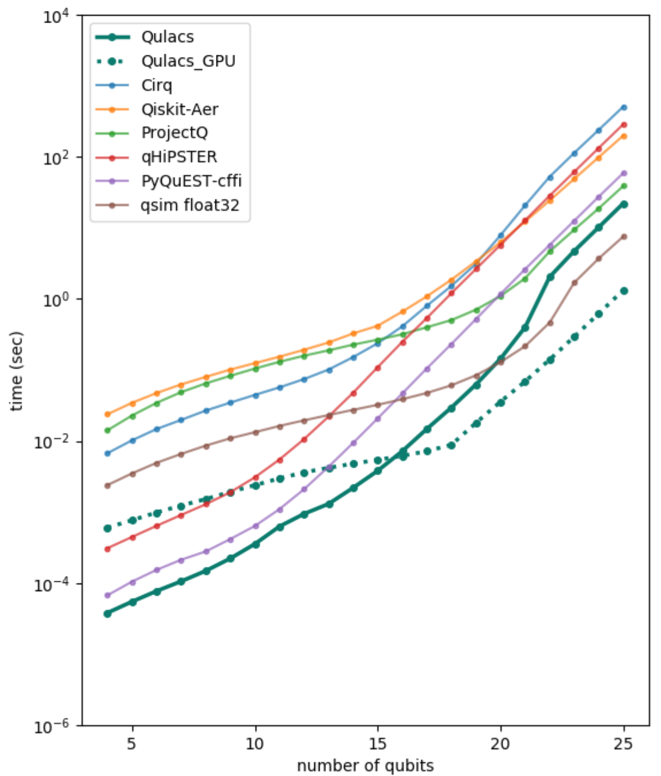
Azure NC6s_v3 (6vcpu / Mem112GiB)
Intel(R) Xeon(R) CPU E5-2690 v4 @ 2.60GHz
Tesla V100 PCIE (driver 440.33.01)

QDK Simulator with threads=4, fusion=4, sim=AVX512, Surface Laptop (Core i7, 16GiB)

