Instructions
Global Wholesale Machinery Inc.
MOQ Workbook Instructions

Purpose of MOQ Workbook is used to determine service requrements and savings for each machine model.
Total MOQ presented to the VIP Customers/Certified Dealers will be summarized and totalled on a separate working paper.

Customer Information Section
 | Required. Highly recommended to be completed first before making new worksheets.

Machine Information Section
 | Make and Model are manditory fields.
 | Recommand one sheet for each model of machine to reduce workload.
 | Fleet list can be provided separately to determine the number of units for each model in the MOQ.

Machine Service Interval Section
 | Optional - depends on customer request.
 | For internal use only.

Parts Pricing and Cost Section
 | Part Number - OEM Part Number (with exception to UC and Tires)
 | Description - Description of Part
 | Vendor - Name of the Vendor where we acquire parts from
 | OEM Name - Name of OEM Manufacturer used for MSRP comparison
 | Freight Cost - Vendor shipping cost.

Create a New OEM COMPARISON worksheet
 | 1) Right Click on the tab you want to copy and select Move or Copy… | 2) Check off the box "Create a copy". Chose which the position of the new sheet as instructed below. Click "OK" button.
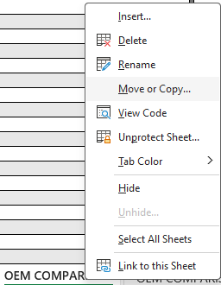
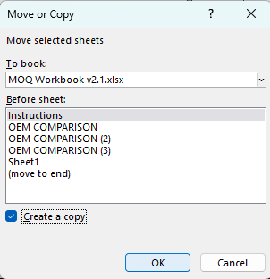

Customizable Features
1) Enter OEM pricing in USD or CAD.
 | Select from drop down option at cell G17

2) Provide customer quotes in USD or CAD.
 | Select from drop down option at cell L17
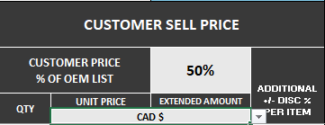

3) Enter Vendor pricing in USD or CAD.
 | Select from drop down option at cell Q17

