Fig1_RegionalDistribution
Oceania | 5
Asia | 10
Eastern Europe | 11
Latin America | 27
Africa | 47

Fig2_Map
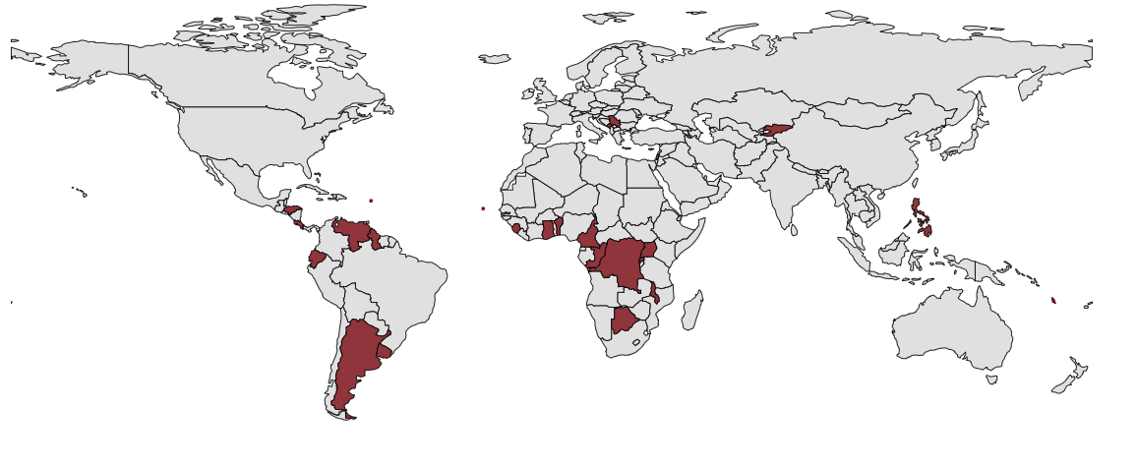

Antigua
& Barbuda

Cabo Verde
Vanuatu

Fig3_BorrowerIncome
High income | 2
Upper middle income | 36
Lower middle income | 54
Low income | 8

Fig4_BenchmarkCreditors
Bilateral creditors (Non-DAC governments) | 6
Commercial bank | 8
Bilateral creditors (DAC governments) | 12
Multilateral creditors | 73

Fig5_SectoralDistribution
Education | 2 | 6
Health | 1 | 9
Population Policies | 0 | 1
Water Supply & Sanitation | 9 | 11
Government & Civil Society | 2 | 4
Other Social Infrastructure | 4 | 4
Transport & Storage | 38 | 31
Communications | 13 | 1
Energy | 14 | 8
Banking & Financial Services | 0 | 1
Business & Other Services | 2 | 1
Agriculture, Forestry, Fishing | 1 | 8
Industry, Mining, Construction | 3 | 2
Other Multisector | 7 | 11
Disaster Prevention & Preparedness | 1 | 1
Unallocated / Unspecified | 3 | 0

Fig6_BorrowerType
Government agency | 1 | 0
Special purpose vehicle | 2 | 0
State-owned enterprise | 3 | 1
Central government | 94 | 99

Fig7_Confidentiality
2000 | 0 | 1
2001 | 0 | 0
2002 | 0 | 0
2003 | 0 | 1
2004 | 0 | 0
2005 | 0 | 1
2006 | 0 | 1
2007 | 0 | 2
2008 | 1 | 3
2009 | 0 | 3
2010 | 2 | 7
2011 | 2 | 7
2012 | 1 | 6
2013 | 0 | 9
2014 | 5 | 3
2015 | 5 | 0
2016 | 5 | 0
2017 | 9 | 0
2018 | 4 | 0
2019 | 6 | 0
2020 | 1 | 0

Fig8_Security
Commercial banks | 8
Bilateral creditors (Non-DAC) | 0
Bilateral creditors (DAC) | 7
Multilateral creditors | 1
China Exim Bank | 22
China Development Bank | 75
Commercial banks | 8
Bilateral creditors (Non-DAC) | 0
Bilateral creditors (DAC) | 7
Multilateral creditors | 1

China Exim Bank | 22
China Development Bank | 75

Fig9_Ecuador
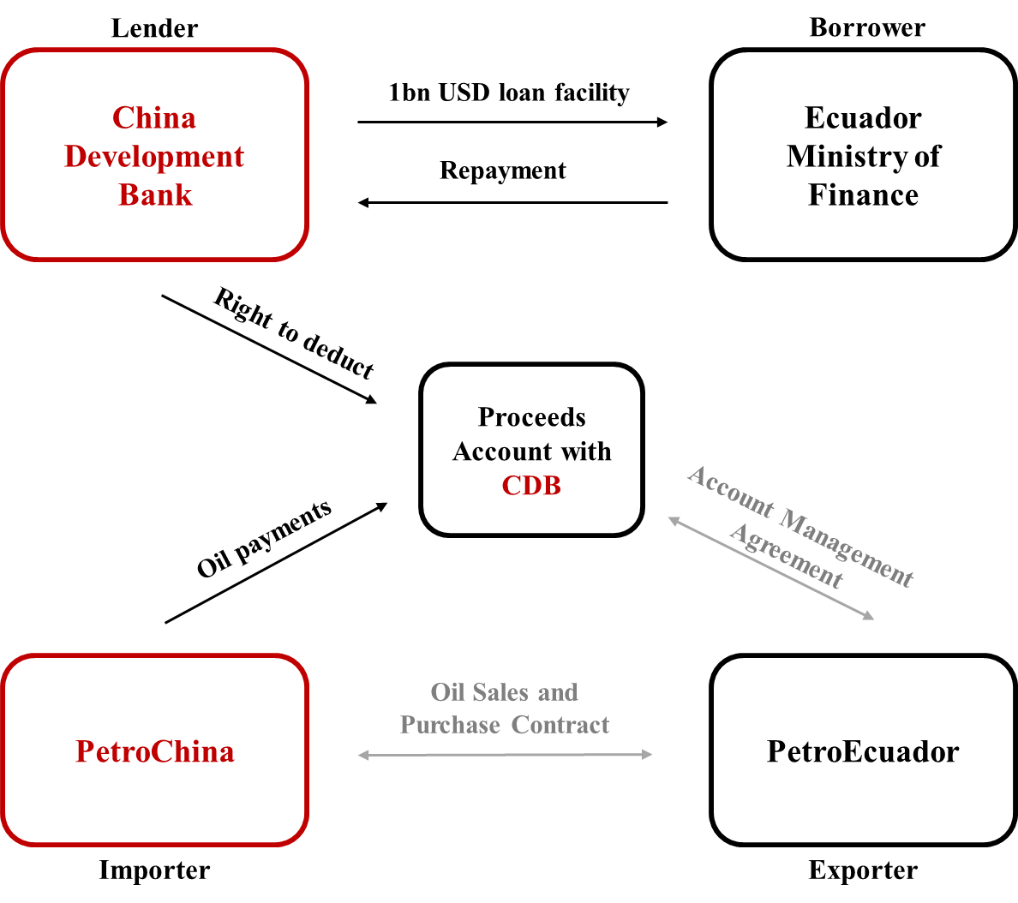

Fig10_SierraLeone
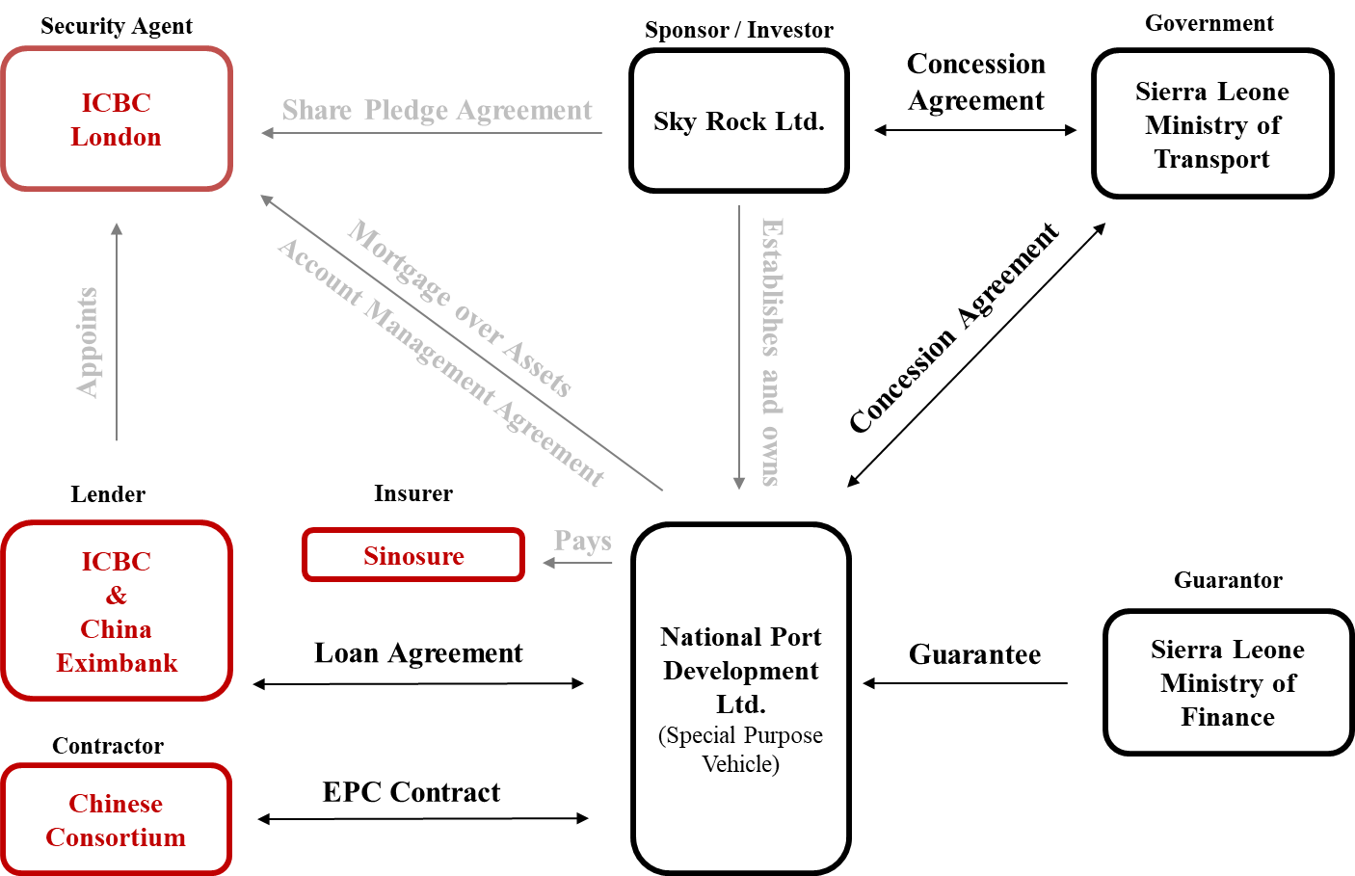

Figure11_NoParisClub
Commercial banks | 0
Bilateral creditors (Non-DAC) | 0
Bilateral creditors (DAC) | 0
Multilateral creditors | 0
China Exim Bank | 81
China Development Bank | 43
Commercial banks | 0
Bilateral creditors (Non-DAC) | 0
Bilateral creditors (DAC) | 0
Multilateral creditors | 0

China Exim Bank | 81
China Development Bank | 43

Figure12_CrossDefault
Commercial banks | 100
Bilateral creditors (Non-DAC) | 43
Bilateral creditors (DAC) | 62
Multilateral creditors | 11
China Exim Bank | 100
China Development Bank | 100
Commercial banks | 100
Bilateral creditors (Non-DAC) | 43
Bilateral creditors (DAC) | 62
Multilateral creditors | 11

China Exim Bank | 100
China Development Bank | 100

Figure13_IncreasedCost
Commercial banks | 100
Bilateral creditors (Non-DAC) | 17
Bilateral creditors (DAC) | 62
Multilateral creditors | 0
China Exim Bank | 15
China Development Bank | 100
Commercial banks | 100
Bilateral creditors (Non-DAC) | 17
Bilateral creditors (DAC) | 62
Multilateral creditors | 0

China Exim Bank | 15
China Development Bank | 100

FigureA1_Security
Commercial banks | 8
Bilateral creditors (Non-DAC) | 0
Bilateral creditors (DAC) | 7
Multilateral creditors | 1
China Exim Bank | 33
Commercial banks | 8
Bilateral creditors (Non-DAC) | 0
Bilateral creditors (DAC) | 7
Multilateral creditors | 1

China Exim Bank | 33

FigureA2_NoParisClub
Commercial banks | 0
Bilateral creditors (Non-DAC) | 0
Bilateral creditors (DAC) | 0
Multilateral creditors | 0
China Exim Bank | 81
Commercial banks | 0
Bilateral creditors (Non-DAC) | 0
Bilateral creditors (DAC) | 0
Multilateral creditors | 0

China Exim Bank | 81

FigureA3_CrossDefault
Commercial banks | 100
Bilateral creditors (Non-DAC) | 43
Bilateral creditors (DAC) | 62
Multilateral creditors | 11
China Exim Bank | 100
Commercial banks | 100
Bilateral creditors (Non-DAC) | 43
Bilateral creditors (DAC) | 62
Multilateral creditors | 11

China Exim Bank | 100

FigureA4_IncreasedCost
Commercial banks | 100
Bilateral creditors (Non-DAC) | 17
Bilateral creditors (DAC) | 62
Multilateral creditors | 0
China Exim Bank | 31
Commercial banks | 100
Bilateral creditors (Non-DAC) | 17
Bilateral creditors (DAC) | 62
Multilateral creditors | 0

China Exim Bank | 31

