Chaos Maps
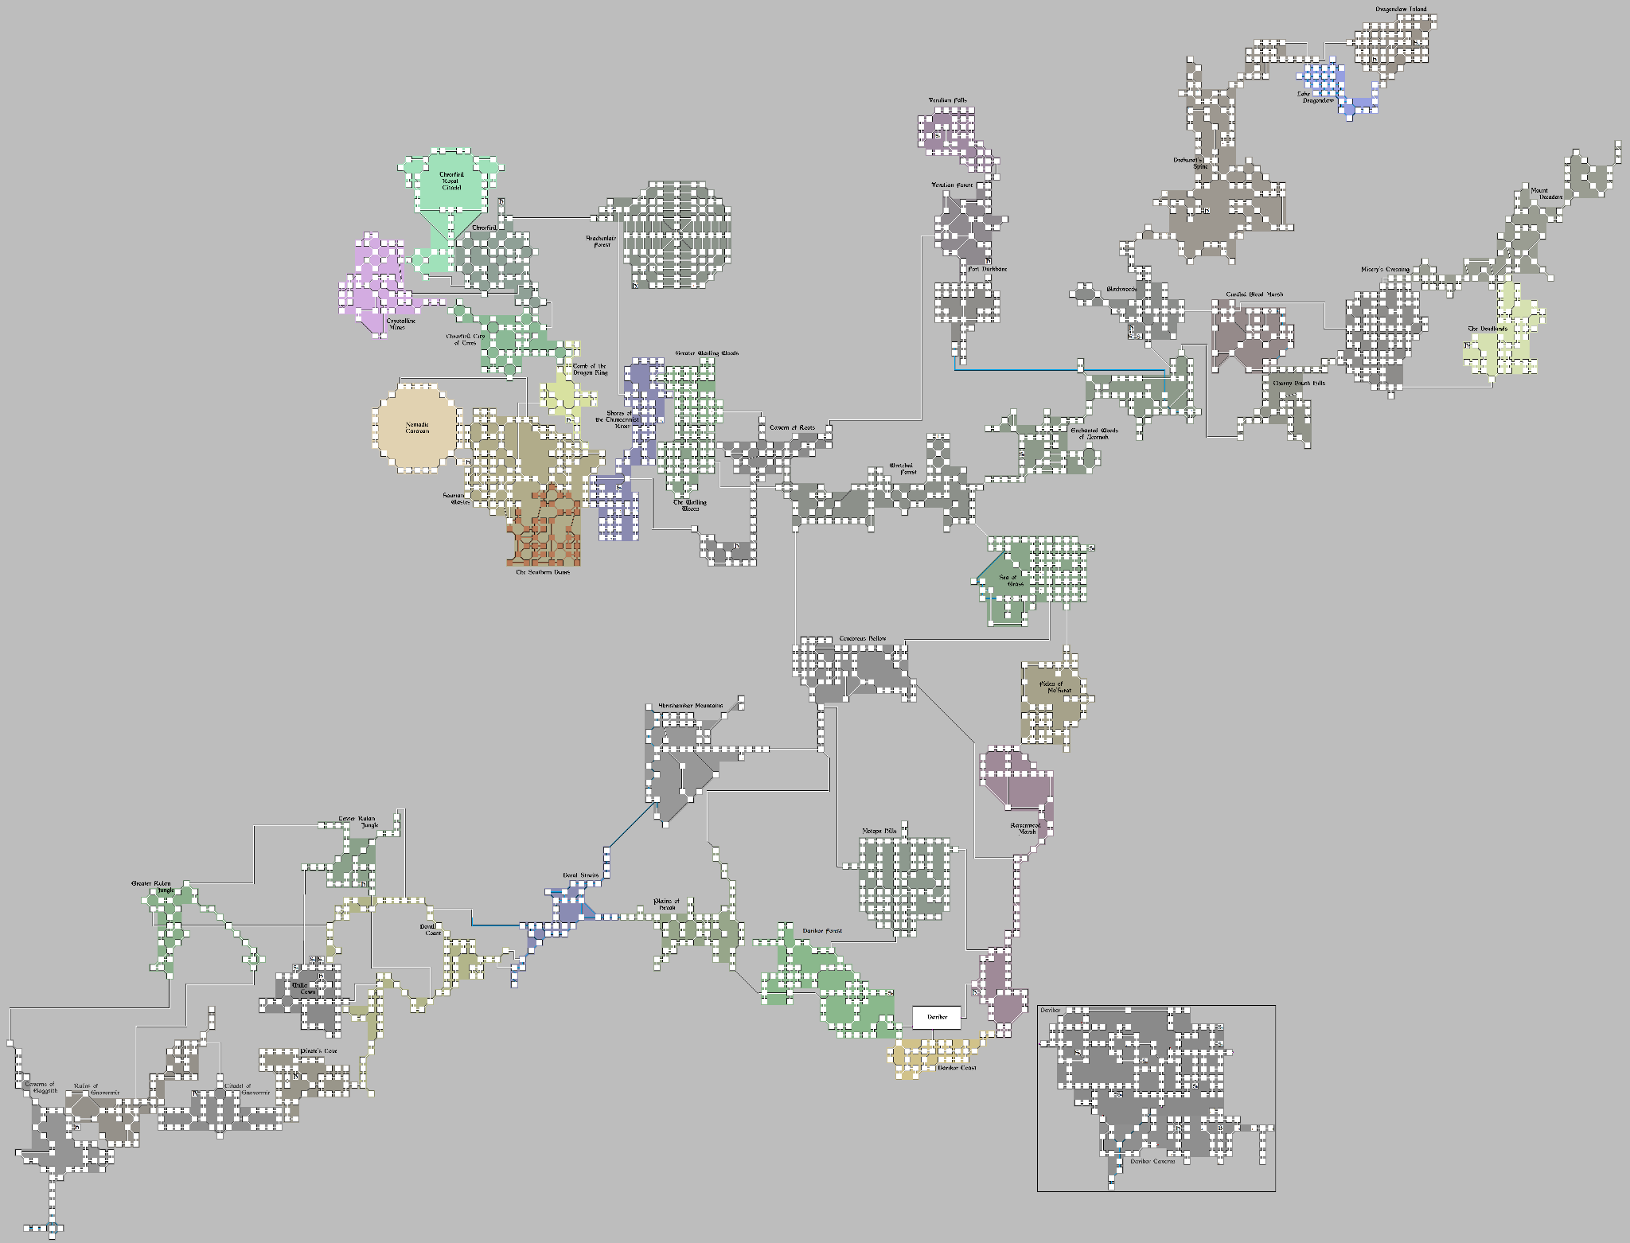

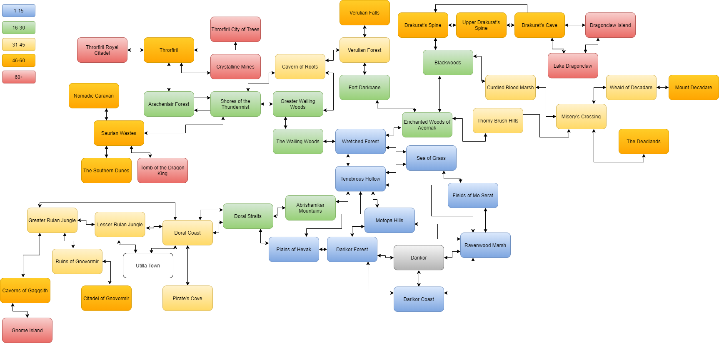

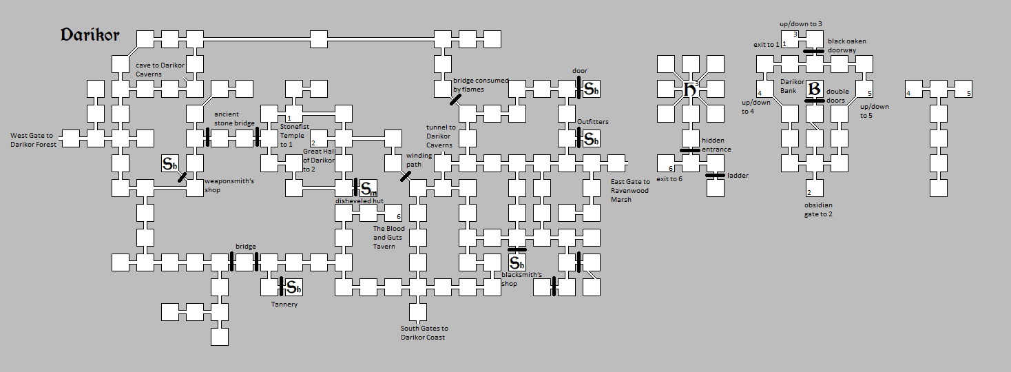

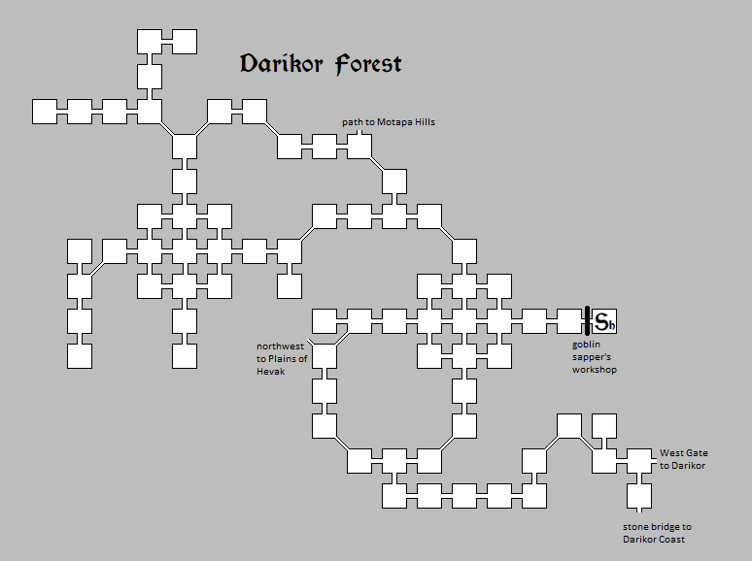

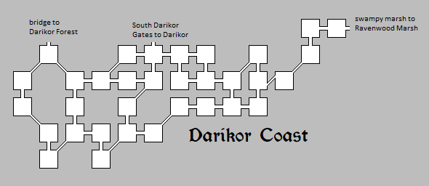

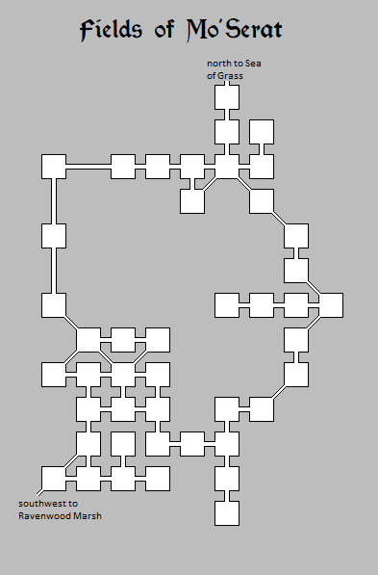

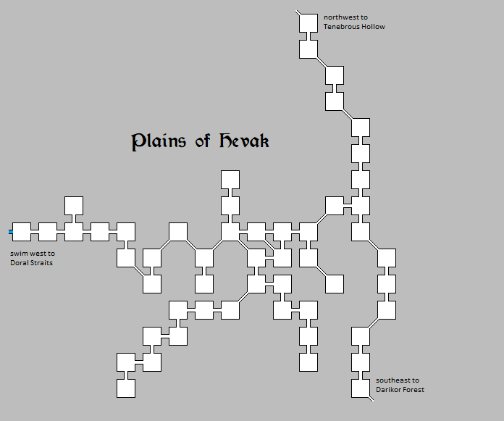

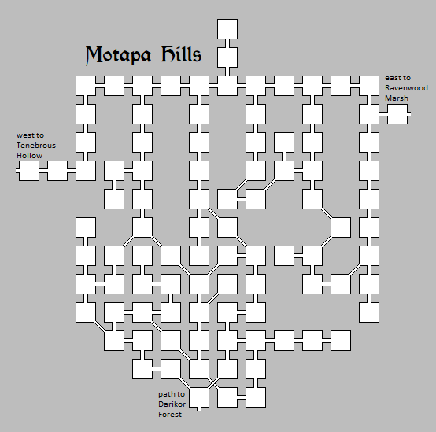

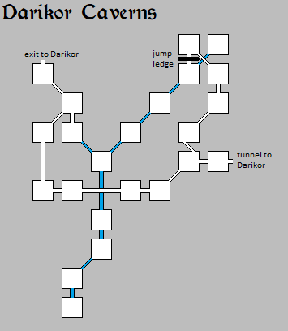

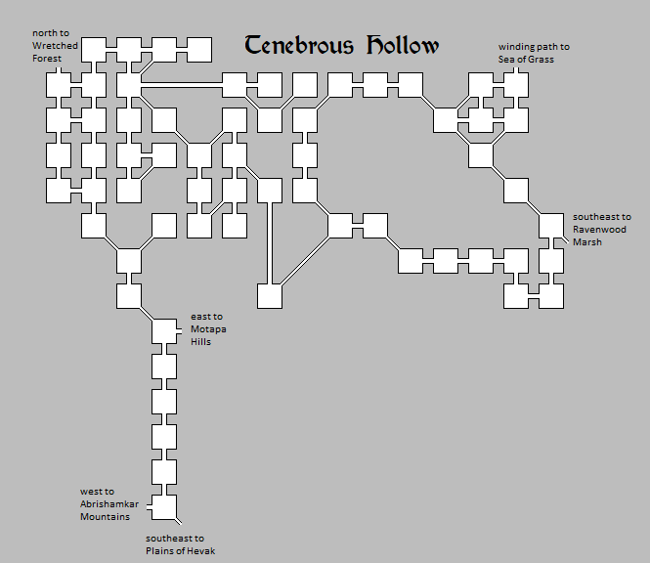

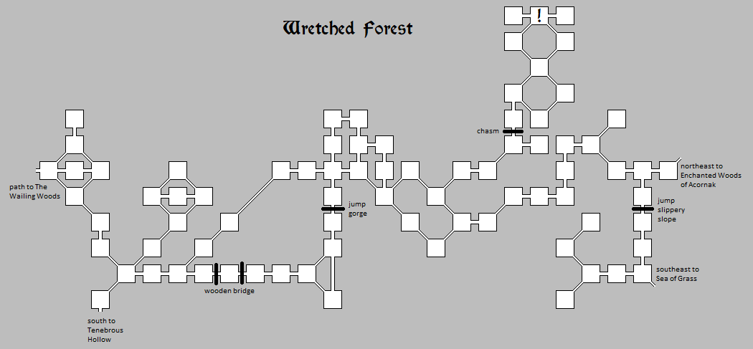

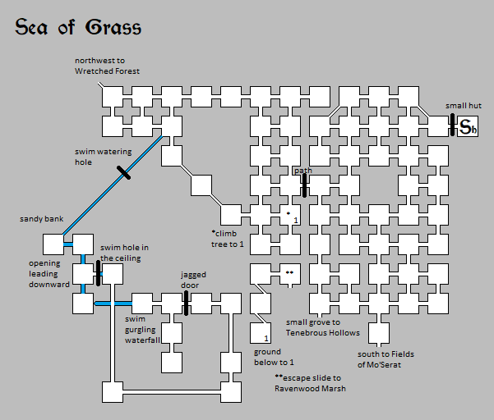

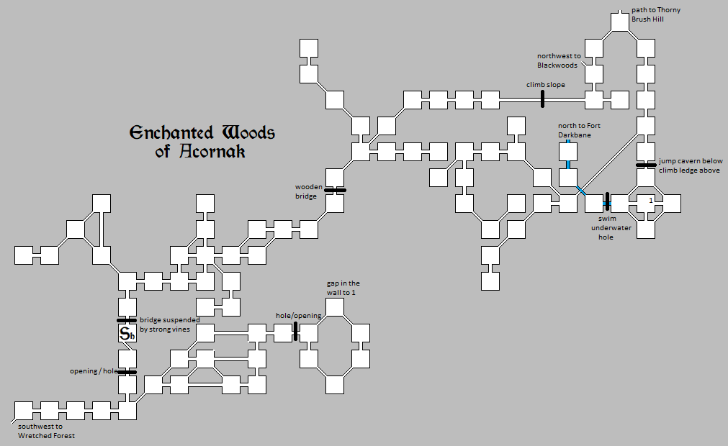

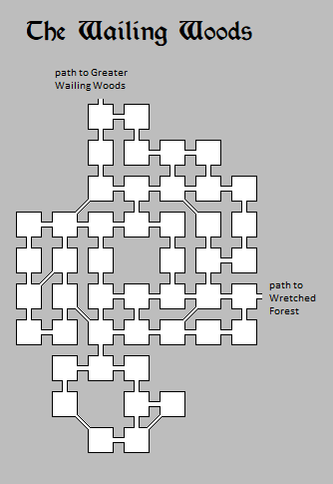
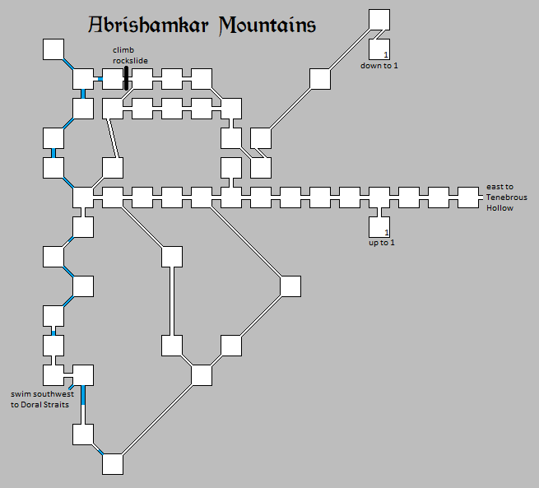

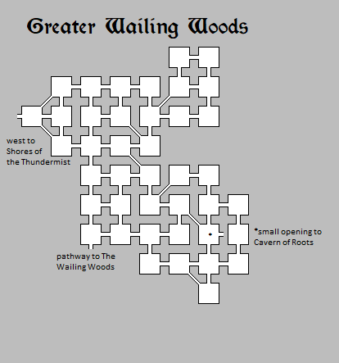
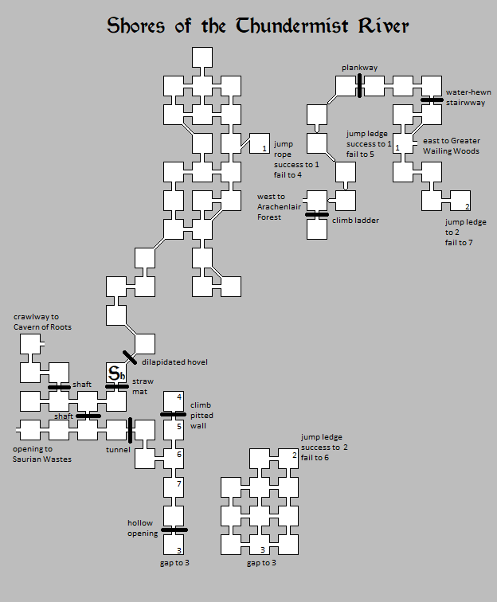

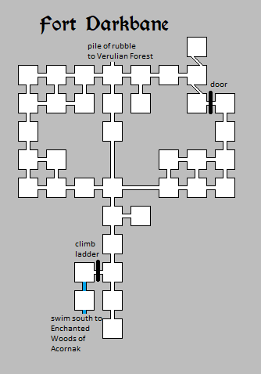

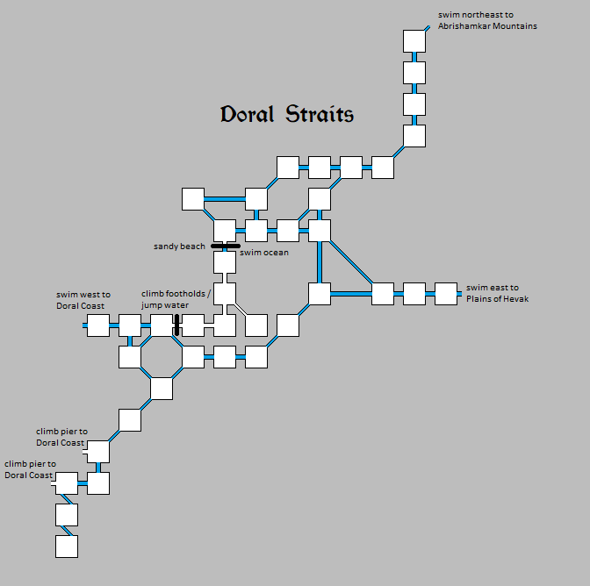

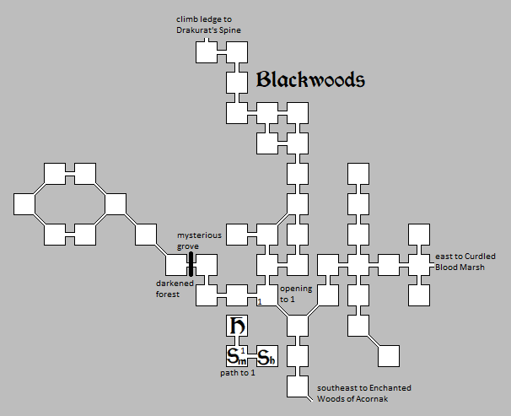

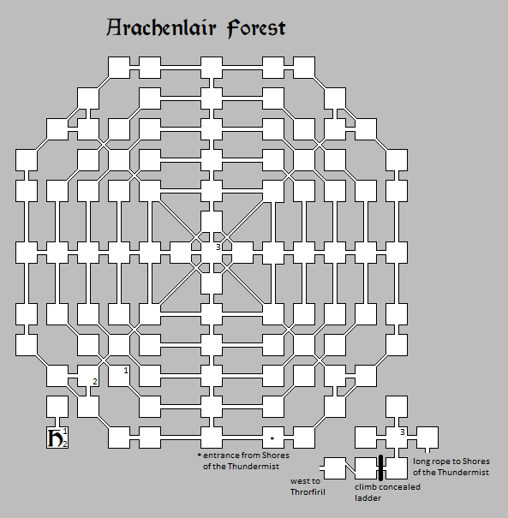

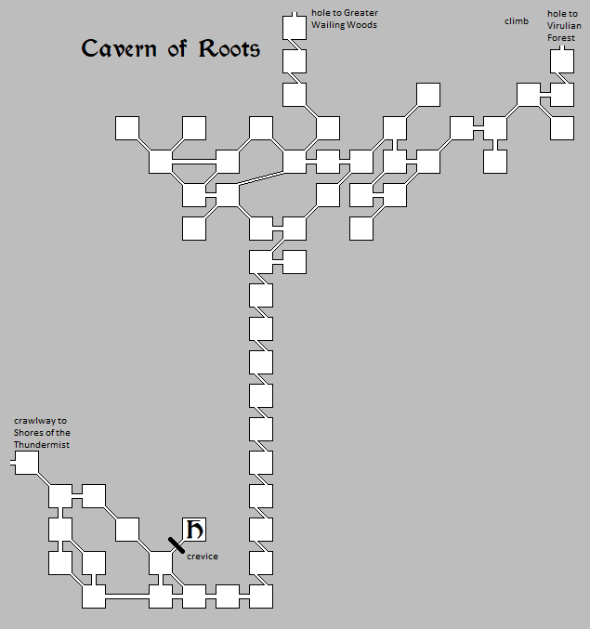



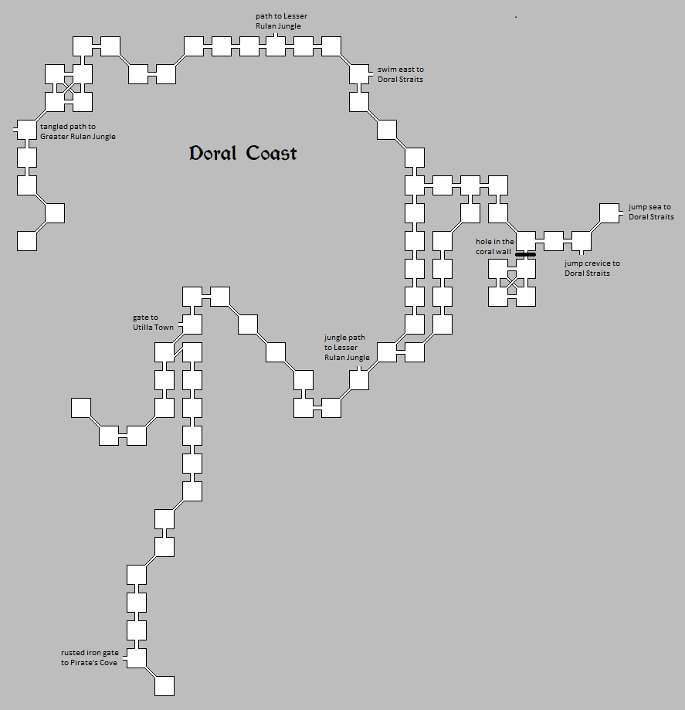

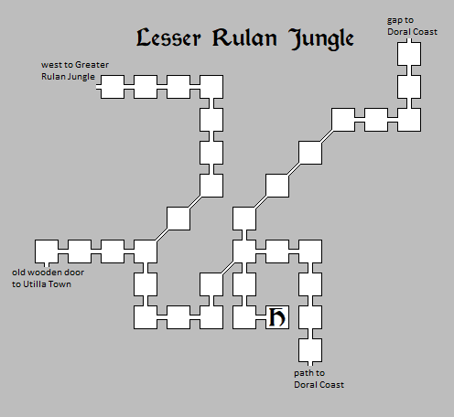
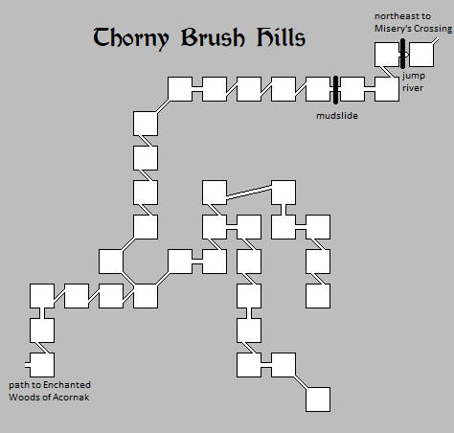

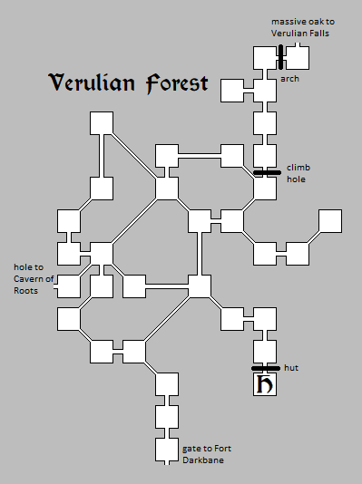
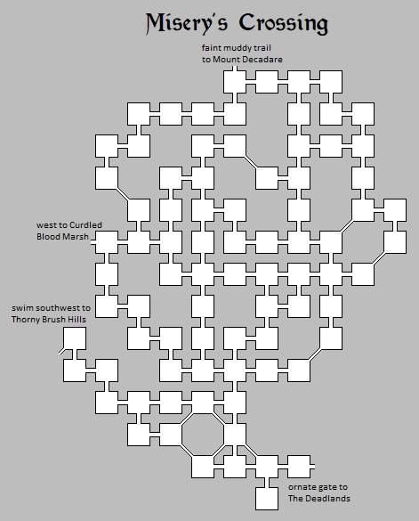

Evil Maps
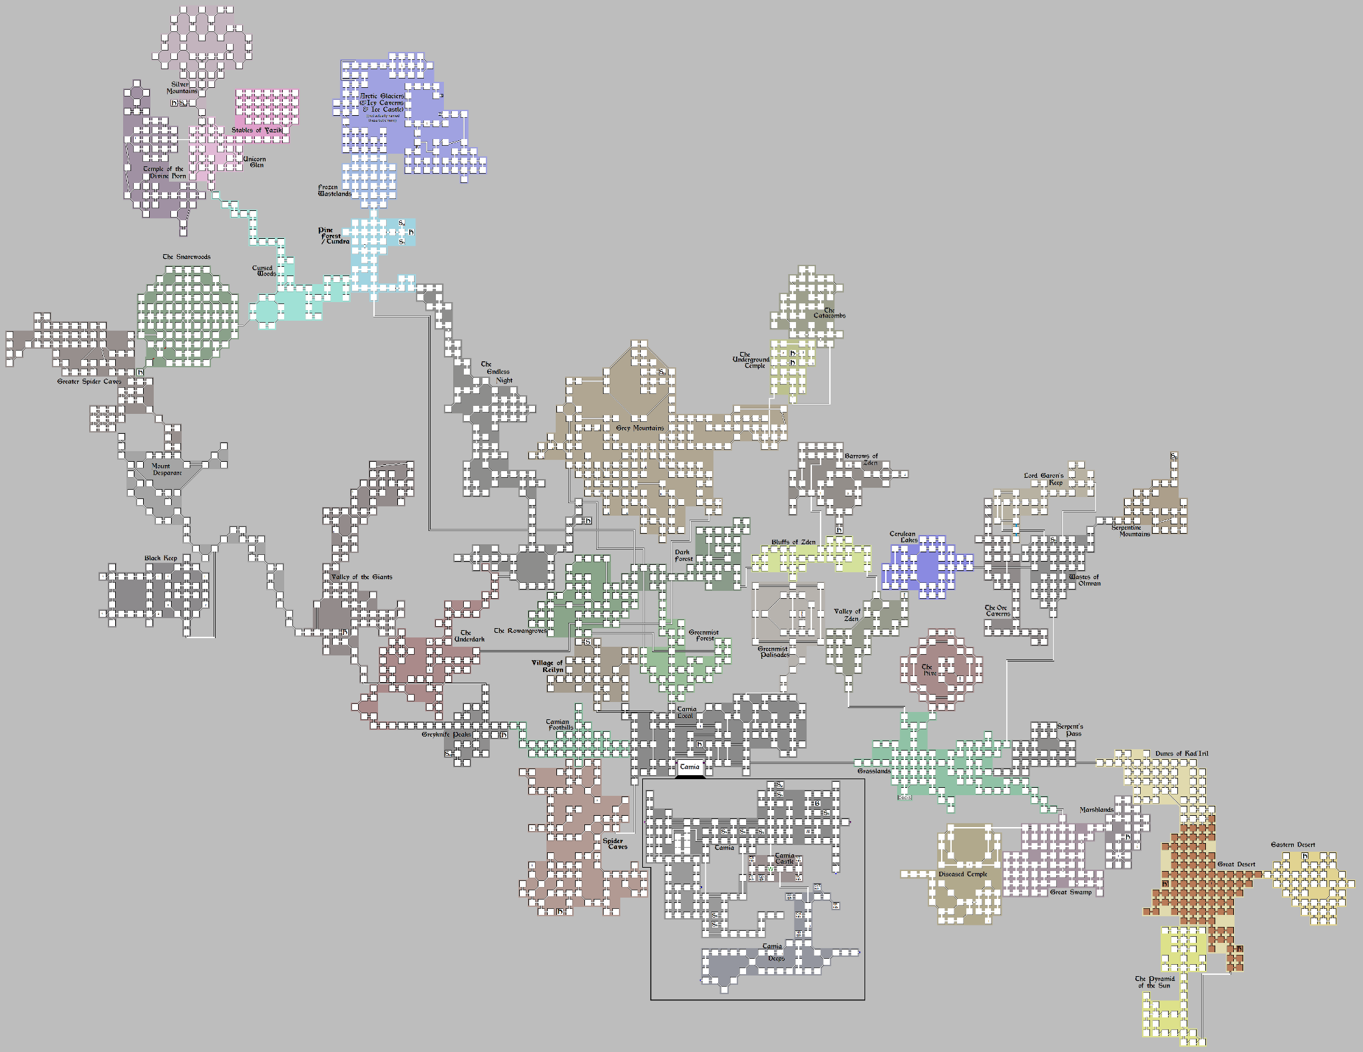

Good Maps
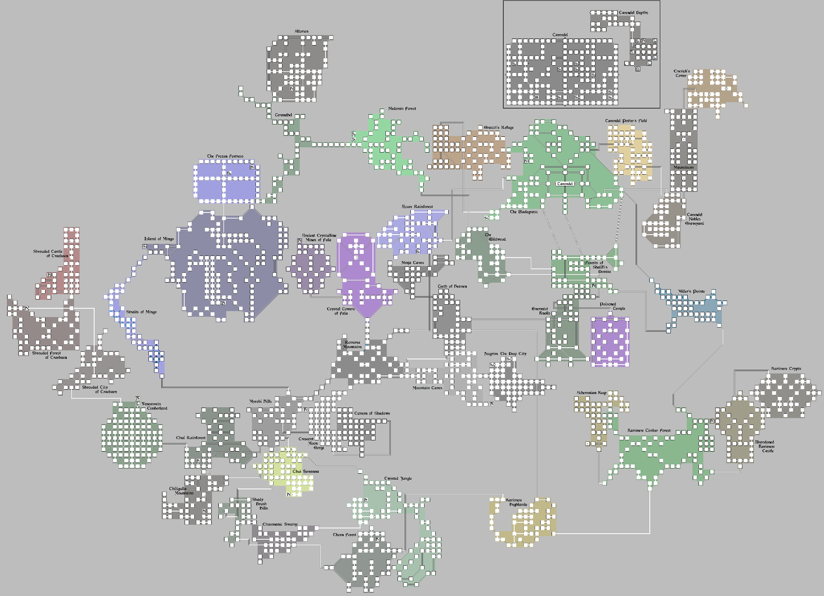

Experience
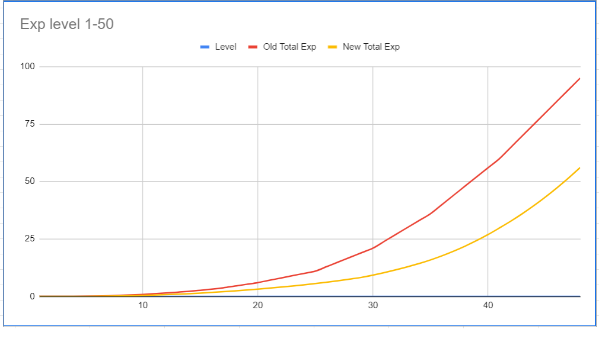
Level | Old Total Exp | Old Exp TNL | New Total Exp | New Exp TNL | Total Change | TNL Change
1 | 0 | 1,500 | 0 | 1,500
2 | 1,500 | 4,500 |  | 4,000
3 | 6,000 | 14,000 |  | 8,500
4 | 20,000 | 40,000 |  | 18,000
5 | 60,000 | 80,000 |  | 36,000
6 | 140,000 | 120,000 |  | 57,000
7 | 260,000 | 160,000 |  | 75,000
8 | 420,000 | 200,000 |  | 100,000
9 | 620,000 | 240,000 |  | 125,000
10 | 860,000 | 280,000 |  | 150,000
11 | 1,140,000 | 320,000 |  | 175,000
12 | 1,460,000 | 360,000 |  | 200,000
13 | 1,820,000 | 380,000 |  | 225,000
14 | 2,200,000 | 460,000 |  | 250,000
15 | 2,660,000 | 480,000 |  | 300,000
16 | 3,140,000 | 610,000 |  | 325,000
17 | 3,750,000 | 750,000 |  | 350,000
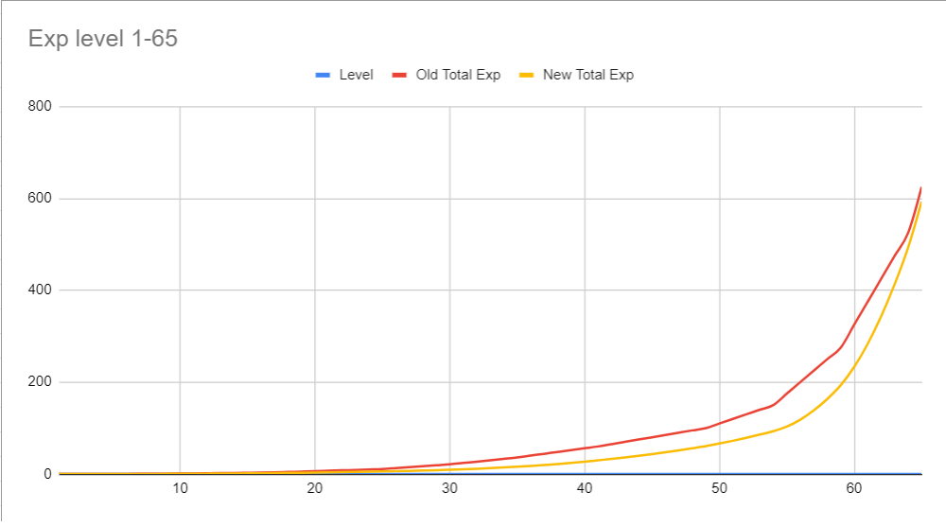
18 | 4,500,000 | 750,000 |  | 375,000
19 | 5,250,000 | 750,000 |  | 400,000
20 | 6,000,000 | 1,000,000 |  | 425,000
21 | 7,000,000 | 1,000,000 |  | 450,000
22 | 8,000,000 | 1,000,000 |  | 475,000
23 | 9,000,000 | 1,000,000 |  | 500,000
24 | 10,000,000 | 1,000,000 |  | 550,000
25 | 11,000,000 | 2,000,000 |  | 600,000
26 | 13,000,000 | 2,000,000 |  | 650,000
27 | 15,000,000 | 2,000,000 |  | 700,000
28 | 17,000,000 | 2,000,000 |  | 750,000
29 | 19,000,000 | 2,000,000 |  | 1,000,000
30 | 21,000,000 | 3,000,000 |  | 1,100,000
31 | 24,000,000 | 3,000,000 |  | 1,200,000
32 | 27,000,000 | 3,000,000 |  | 1,300,000
33 | 30,000,000 | 3,000,000 |  | 1,400,000
34 | 33,000,000 | 3,000,000 |  | 1,600,000
35 | 36,000,000 | 4,000,000 |  | 1,800,000
36 | 40,000,000 | 4,000,000 |  | 2,000,000
37 | 44,000,000 | 4,000,000 |  | 2,200,000
38 | 48,000,000 | 4,000,000 |  | 2,400,000
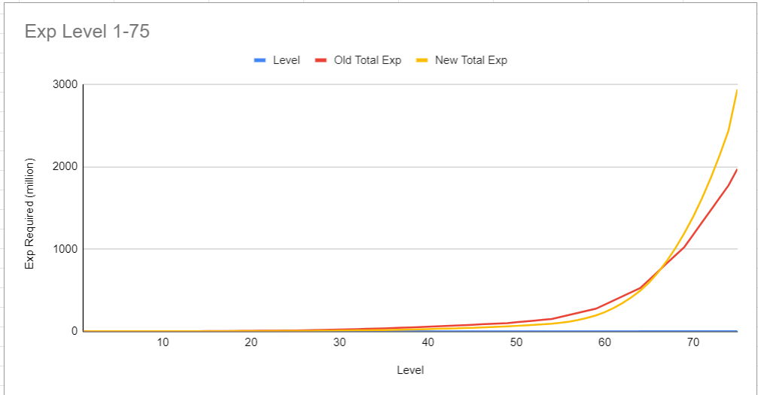
39 | 52,000,000 | 4,000,000 |  | 2,650,000
40 | 56,000,000 | 4,000,000 |  | 2,900,000
41 | 60,000,000 | 5,000,000 |  | 3,000,000
42 | 65,000,000 | 5,000,000 |  | 3,250,000
43 | 70,000,000 | 5,000,000 |  | 3,500,000
44 | 75,000,000 | 5,000,000 |  | 3,750,000
45 | 80,000,000 | 5,000,000 |  | 4,000,000
46 | 85,000,000 | 5,000,000 |  | 4,250,000
47 | 90,000,000 | 5,000,000 |  | 4,500,000
48 | 95,000,000 | 5,000,000 |  | 4,750,000
49 | 100,000,000 | 10,000,000 |  | 5,500,000
50 | 110,000,000 | 10,000,000 |  | 6,000,000
51 | 120,000,000 | 10,000,000 |  | 6,500,000
52 | 130,000,000 | 10,000,000 |  | 7,000,000
53 | 140,000,000 | 10,000,000 |  | 7,500,000
54 | 150,000,000 | 25,000,000 |  | 10,000,000
55 | 175,000,000 | 25,000,000 |  | 15,000,000
56 | 200,000,000 | 25,000,000 |  | 20,000,000
57 | 225,000,000 | 25,000,000 |  | 25,000,000
58 | 250,000,000 | 25,000,000 |  | 30,000,000
59 | 275,000,000 | 50,000,000 |  | 40,000,000
60 | 325,000,000 | 50,000,000 |  | 50,000,000
61 | 375,000,000 | 50,000,000 |  | 60,000,000
62 | 425,000,000 | 50,000,000 |  | 70,000,000
63 | 475,000,000 | 50,000,000 |  | 80,000,000
64 | 525,000,000 | 100,000,000 |  | 100,000,000
65 | 625,000,000 | 100,000,000 |  | 120,000,000
66 | 725,000,000 | 100,000,000 |  | 140,000,000
67 | 825,000,000 | 100,000,000 |  | 160,000,000
68 | 925,000,000 | 100,000,000 |  | 180,000,000
69 | 1,025,000,000 | 150,000,000 |  | 200,000,000
70 | 1,175,000,000 | 150,000,000 |  | 225,000,000
71 | 1,325,000,000 | 150,000,000 |  | 250,000,000
72 | 1,475,000,000 | 150,000,000 |  | 275,000,000
73 | 1,625,000,000 | 150,000,000 |  | 300,000,000
74 | 1,775,000,000 | 200,000,000 |  | 500,000,000
75 | 1,975,000,000

Extra Info
