Experience
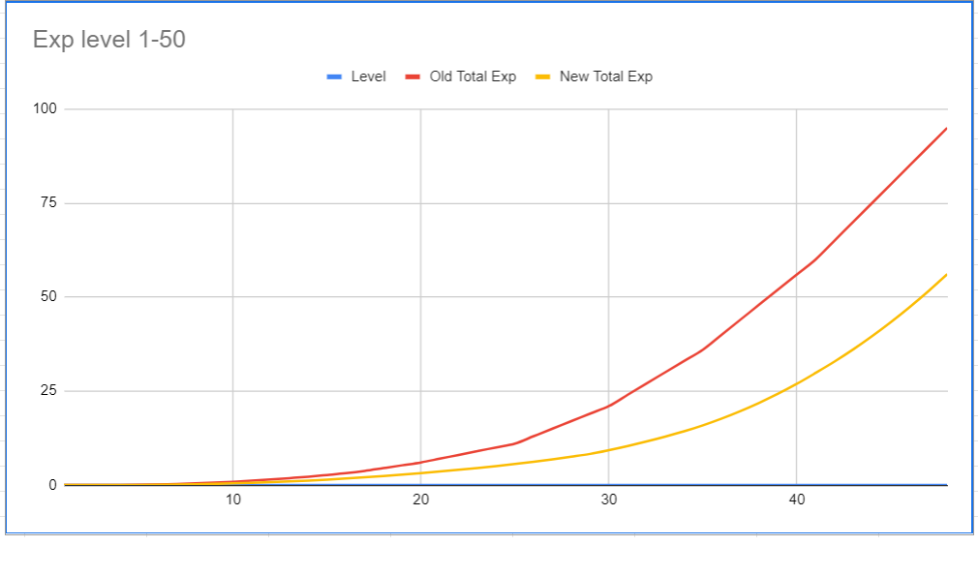
Level | Old Total Exp | Old Exp TNL | New Total Exp | New Exp TNL | Total Change | TNL Change
1 | 0 | 1,500 | 0 | 1,500 |  | 100.00%
2 | 1,500 | 4,500 | 1,500 | 4,000 | 0% | 88.89%
3 | 6,000 | 14,000 | 5,500 | 8,500 | -8% | 60.71%
4 | 20,000 | 40,000 | 14,000 | 18,000 | -30% | 45.00%
5 | 60,000 | 80,000 | 32,000 | 36,000 | -47% | 45.00%
6 | 140,000 | 120,000 | 68,000 | 57,000 | -51% | 47.50%
7 | 260,000 | 160,000 | 125,000 | 75,000 | -52% | 46.88%
8 | 420,000 | 200,000 | 200,000 | 100,000 | -52% | 50.00%
9 | 620,000 | 240,000 | 300,000 | 125,000 | -52% | 52.08%
10 | 860,000 | 280,000 | 425,000 | 150,000 | -51% | 53.57%
11 | 1,140,000 | 320,000 | 575,000 | 175,000 | -50% | 54.69%
12 | 1,460,000 | 360,000 | 750,000 | 200,000 | -49% | 55.56%
13 | 1,820,000 | 380,000 | 950,000 | 225,000 | -48% | 59.21%
14 | 2,200,000 | 460,000 | 1,175,000 | 250,000 | -47% | 54.35%
15 | 2,660,000 | 480,000 | 1,425,000 | 300,000 | -46% | 62.50%
16 | 3,140,000 | 610,000 | 1,725,000 | 325,000 | -45% | 53.28%
17 | 3,750,000 | 750,000 | 2,050,000 | 350,000 | -45% | 46.67%
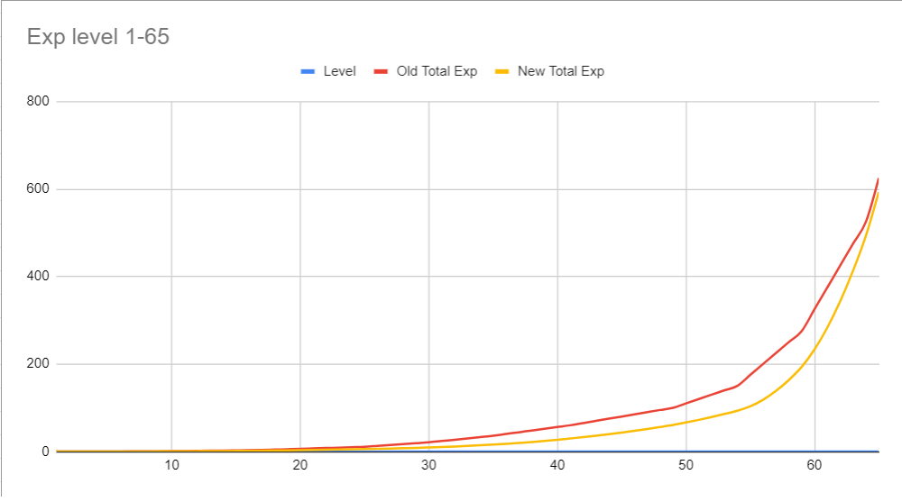
18 | 4,500,000 | 750,000 | 2,400,000 | 375,000 | -47% | 50.00%
19 | 5,250,000 | 750,000 | 2,775,000 | 400,000 | -47% | 53.33%
20 | 6,000,000 | 1,000,000 | 3,175,000 | 425,000 | -47% | 42.50%
21 | 7,000,000 | 1,000,000 | 3,600,000 | 450,000 | -49% | 45.00%
22 | 8,000,000 | 1,000,000 | 4,050,000 | 475,000 | -49% | 47.50%
23 | 9,000,000 | 1,000,000 | 4,525,000 | 500,000 | -50% | 50.00%
24 | 10,000,000 | 1,000,000 | 5,025,000 | 550,000 | -50% | 55.00%
25 | 11,000,000 | 2,000,000 | 5,575,000 | 600,000 | -49% | 30.00%
26 | 13,000,000 | 2,000,000 | 6,175,000 | 650,000 | -53% | 32.50%
27 | 15,000,000 | 2,000,000 | 6,825,000 | 700,000 | -55% | 35.00%
28 | 17,000,000 | 2,000,000 | 7,525,000 | 750,000 | -56% | 37.50%
29 | 19,000,000 | 2,000,000 | 8,275,000 | 1,000,000 | -56% | 50.00%
30 | 21,000,000 | 3,000,000 | 9,275,000 | 1,100,000 | -56% | 36.67%
31 | 24,000,000 | 3,000,000 | 10,375,000 | 1,200,000 | -57% | 40.00%
32 | 27,000,000 | 3,000,000 | 11,575,000 | 1,300,000 | -57% | 43.33%
33 | 30,000,000 | 3,000,000 | 12,875,000 | 1,400,000 | -57% | 46.67%
34 | 33,000,000 | 3,000,000 | 14,275,000 | 1,600,000 | -57% | 53.33%
35 | 36,000,000 | 4,000,000 | 15,875,000 | 1,800,000 | -56% | 45.00%
36 | 40,000,000 | 4,000,000 | 17,675,000 | 2,000,000 | -56% | 50.00%
37 | 44,000,000 | 4,000,000 | 19,675,000 | 2,200,000 | -55% | 55.00%
38 | 48,000,000 | 4,000,000 | 21,875,000 | 2,400,000 | -54% | 60.00%
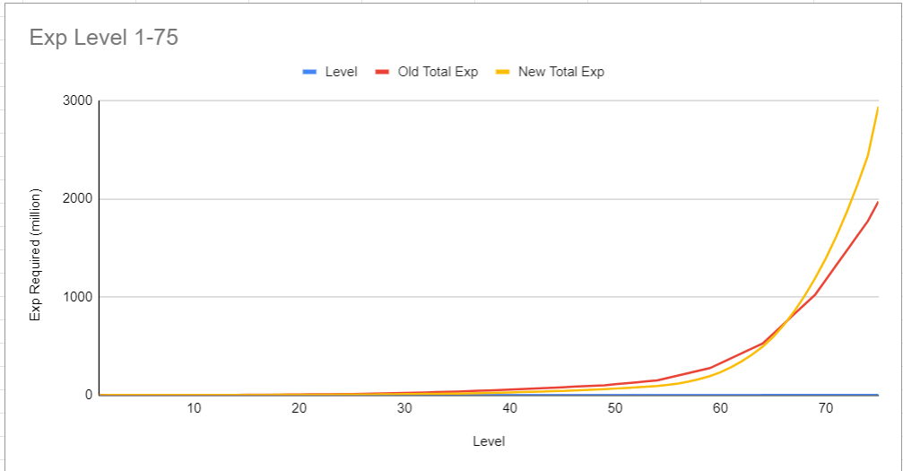
39 | 52,000,000 | 4,000,000 | 24,275,000 | 2,650,000 | -53% | 66.25%
40 | 56,000,000 | 4,000,000 | 26,925,000 | 2,900,000 | -52% | 72.50%
41 | 60,000,000 | 5,000,000 | 29,825,000 | 3,000,000 | -50% | 60.00%
42 | 65,000,000 | 5,000,000 | 32,825,000 | 3,250,000 | -50% | 65.00%
43 | 70,000,000 | 5,000,000 | 36,075,000 | 3,500,000 | -48% | 70.00%
44 | 75,000,000 | 5,000,000 | 39,575,000 | 3,750,000 | -47% | 75.00%
45 | 80,000,000 | 5,000,000 | 43,325,000 | 4,000,000 | -46% | 80.00%
46 | 85,000,000 | 5,000,000 | 47,325,000 | 4,250,000 | -44% | 85.00%
47 | 90,000,000 | 5,000,000 | 51,575,000 | 4,500,000 | -43% | 90.00%
48 | 95,000,000 | 5,000,000 | 56,075,000 | 4,750,000 | -41% | 95.00%
49 | 100,000,000 | 10,000,000 | 60,825,000 | 5,500,000 | -39% | 55.00%
50 | 110,000,000 | 10,000,000 | 66,325,000 | 6,000,000 | -40% | 60.00%
51 | 120,000,000 | 10,000,000 | 72,325,000 | 6,500,000 | -40% | 65.00%
52 | 130,000,000 | 10,000,000 | 78,825,000 | 7,000,000 | -39% | 70.00%
53 | 140,000,000 | 10,000,000 | 85,825,000 | 7,500,000 | -39% | 75.00%
54 | 150,000,000 | 25,000,000 | 93,325,000 | 10,000,000 | -38% | 40.00%
55 | 175,000,000 | 25,000,000 | 103,325,000 | 15,000,000 | -41% | 60.00%
56 | 200,000,000 | 25,000,000 | 118,325,000 | 20,000,000 | -41% | 80.00%
57 | 225,000,000 | 25,000,000 | 138,325,000 | 25,000,000 | -39% | 100.00%
58 | 250,000,000 | 25,000,000 | 163,325,000 | 30,000,000 | -35% | 120.00%
59 | 275,000,000 | 50,000,000 | 193,325,000 | 40,000,000 | -30% | 80.00%
60 | 325,000,000 | 50,000,000 | 233,325,000 | 50,000,000 | -28% | 100.00%
61 | 375,000,000 | 50,000,000 | 283,325,000 | 60,000,000 | -24% | 120.00%
62 | 425,000,000 | 50,000,000 | 343,325,000 | 70,000,000 | -19% | 140.00%
63 | 475,000,000 | 50,000,000 | 413,325,000 | 80,000,000 | -13% | 160.00%
64 | 525,000,000 | 100,000,000 | 493,325,000 | 100,000,000 | -6% | 100.00%
65 | 625,000,000 | 100,000,000 | 593,325,000 | 120,000,000 | -5% | 120.00%
66 | 725,000,000 | 100,000,000 | 713,325,000 | 140,000,000 | -2% | 140.00%
67 | 825,000,000 | 100,000,000 | 853,325,000 | 160,000,000 | 3% | 160.00%
68 | 925,000,000 | 100,000,000 | 1,013,325,000 | 180,000,000 | 10% | 180.00%
69 | 1,025,000,000 | 150,000,000 | 1,193,325,000 | 200,000,000 | 16% | 133.33%
70 | 1,175,000,000 | 150,000,000 | 1,393,325,000 | 225,000,000 | 19% | 150.00%
71 | 1,325,000,000 | 150,000,000 | 1,618,325,000 | 250,000,000 | 22% | 166.67%
72 | 1,475,000,000 | 150,000,000 | 1,868,325,000 | 275,000,000 | 27% | 183.33%
73 | 1,625,000,000 | 150,000,000 | 2,143,325,000 | 300,000,000 | 32% | 200.00%
74 | 1,775,000,000 | 200,000,000 | 2,443,325,000 | 500,000,000 | 38% | 250.00%
75 | 1,975,000,000 |  | 2,943,325,000 |  | 49% | #DIV/0!

