Blad1
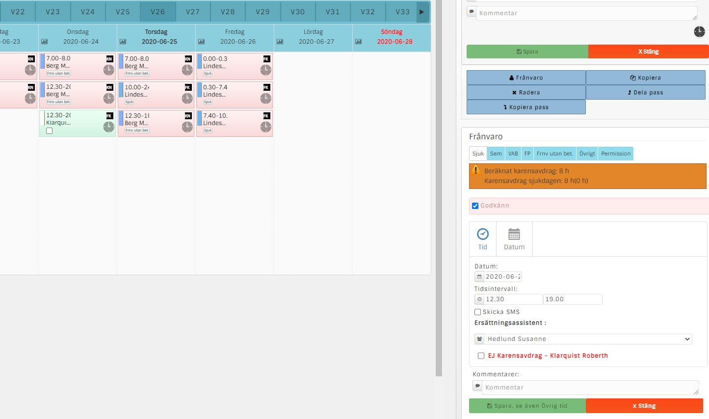

Roberth skulle ha arbetat 12.30-20.30 men blir sjuk.

Susanne kan bara ta del av pass 12.30-19.00

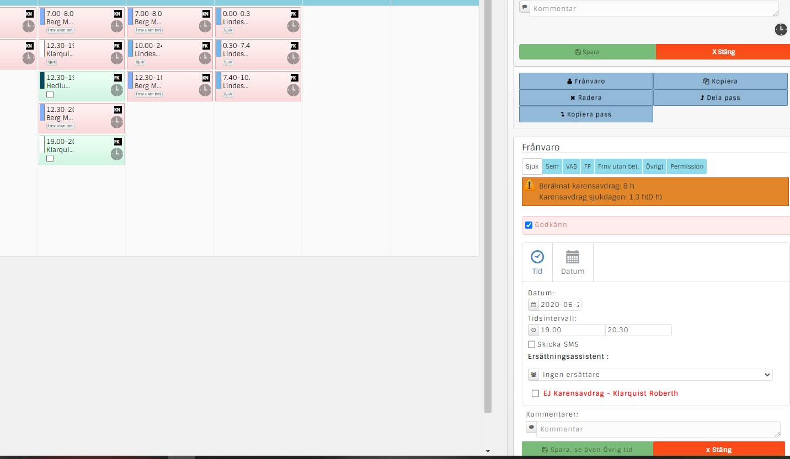

19.00-20.30 Not replaced

If it is an ordinary slot that is not manned, we want it to be called "Unmanned slot". It says today "no assistant selected". That text should also be visible in the schedule so that it becomes visual. The color of the passport in the schedule is okay as it is.

When choosing no substitute when someone is ill, we want it to be shown in the schedule

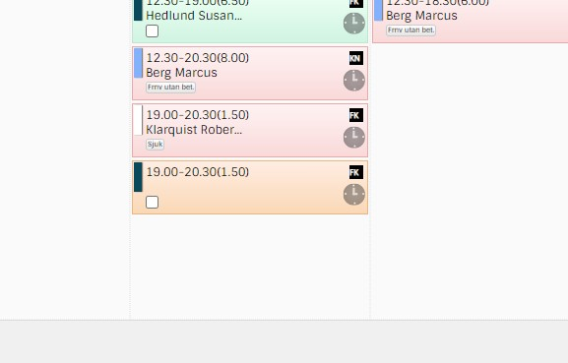

When there is no substitute, it is good that the text "No substitute" appears, and that the whole box is gray. In this way, it will be easier for everyone to visually see that the work slot no one has been able to work.
Ingen ersättare

This information should also be included on the application form. See below

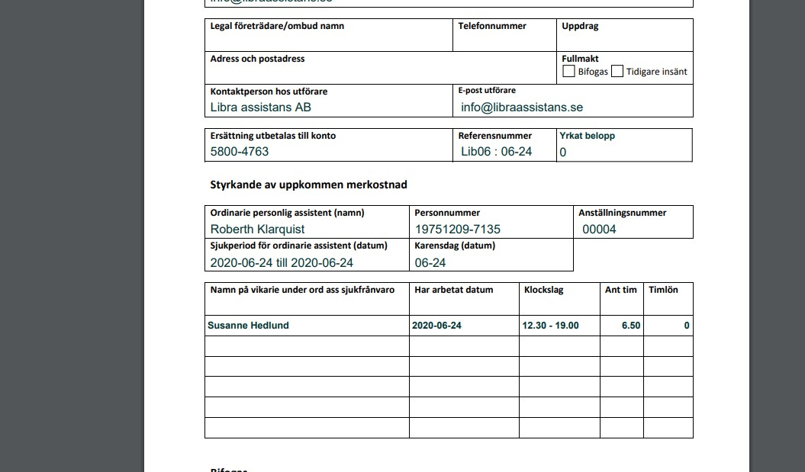

Ingen ersättare
2020-06-24
19.00-20-30
-1.5

"No substitute" should be calculated with minus as it is then deducted in the total calculation. Then no control need count, but you know that the amount is correct, and that it becomes clear to those who work with sick pay applications both at the assistance company and those who receive these at the municipalities

