Current Sensor
Current Sense Amplifier | ZXCT199QC | Gain | 100 | CMRR [dB] | 120

 |  |  |  | Note: Vi_min and Vi_max are the output voltage of the sensor |  |  |  | Note: Absolute value of Vs used for error calculations. The % errors represent the equivalent differential input error due to finite CMRR.
Parameter | Equation | Value | Unit | Parameter | Equation | Value | Unit | Parameter | Equation | Value | Unit
Vsc | - | 3.5 | V | Vs_min | Isc_min * Rs | -0.0175 | V | Ps_discharging | (Isc_minimum)^2 * Rs | 0.030625 | W
Isc_min (discharging) | - | -1.75 | A | Vs_max | Isc_max * Rs | 0.0175 | V | Ps_charging | (Isc_maximum)^2 * Rs | 0.030625 | W
Isc_max (charging) | - | 1.75 | A | Vi_min | Gain * Vs_min + Vref | 0.75 | V | % Equivalent Error at Isc_max | (Vcm_min * 100 %) / (|Vs_max| * 10 ^(CMRR / 20)) | 0.01995 | %
Vref | - | 2.5 | V | Vi_max | Gain * Vs_max + Vref | 4.25 | V | % Equivalent Error at Isc_min | (Vcm_max * 100 %) / (|Vs_min| * 10 ^(CMRR / 20)) | 0.02005 | %
Rs | - | 0.01 | Ω | V1 | V1 = Vsc | 3.5 | V
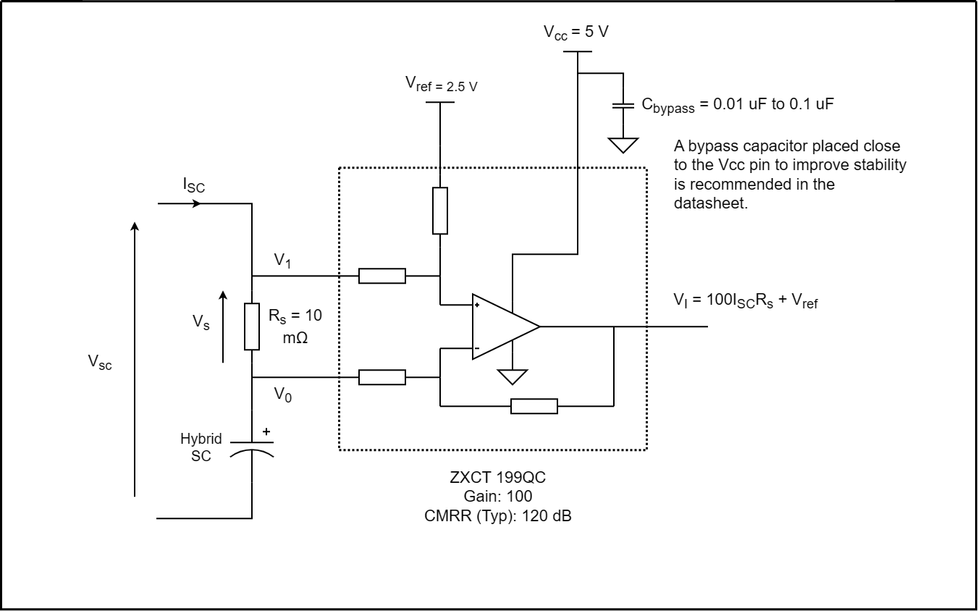
 |  |  |  | V0_min | Vsc - Vs_max | 3.4825 | V
 |  |  |  | V0_max | Vsc - Vs_min | 3.5175 | V
 |  |  |  | Vcm_min | (V1 + V0_min) / 2 | 3.49125 | V
 |  |  |  | Vcm_max | (V1 + V0_max) / 3 | 3.50875 | V

Temp Sensor
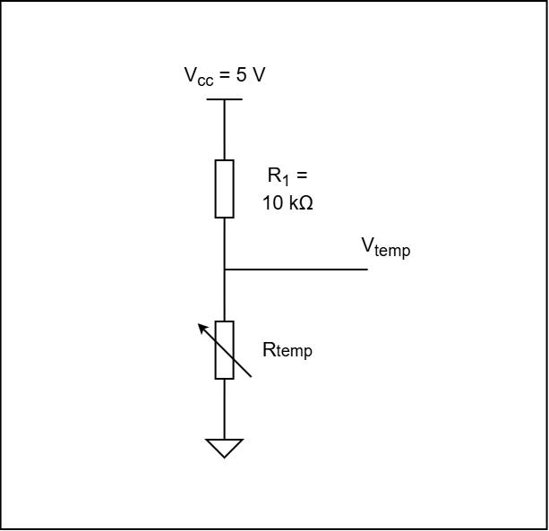
Temp Sensor | B57164K0103J000 (NTC Thermistor) |  |  | Resistance at 25°C | 10 kΩ

Parameter | Equation | Value | Unit | Parameter | Equation | Value | Unit | Parameter | Equation | Value | Unit
Vcc | - | 5 | V | V_temp_high (80°C) | (Vcc * R_temp_high) / (R_temp_high + R1) | 0.482350 | V | P (-15°C) | (I_low)^2 * (R1 + R_temp_low) | 2.365E-04 | W
R1 | Equal to thermistor at 25°C | 10000 | Ω | V_temp_low (-15°C) | (Vcc * R_remp_low) / (R_temp_low + R1) | 4.470955 | V | P (80°C) | (I_high)^2 * (R1 + R_temp_high) | 2.259E-03 | W
R_temp_low (-15°C) | 10 k * (R_t / R_25) | 84510 | Ω | I_low (-15°C) | Vcc / (R_temp_low + R1) | 0.000053 | A
R_temp_high (80°C) | 10 k * (R_t / R_25) | 1067.7 | Ω | I_high (80°C) | Vcc / (R_temp_high + R1) | 0.000452 | A

Voltage Sensor
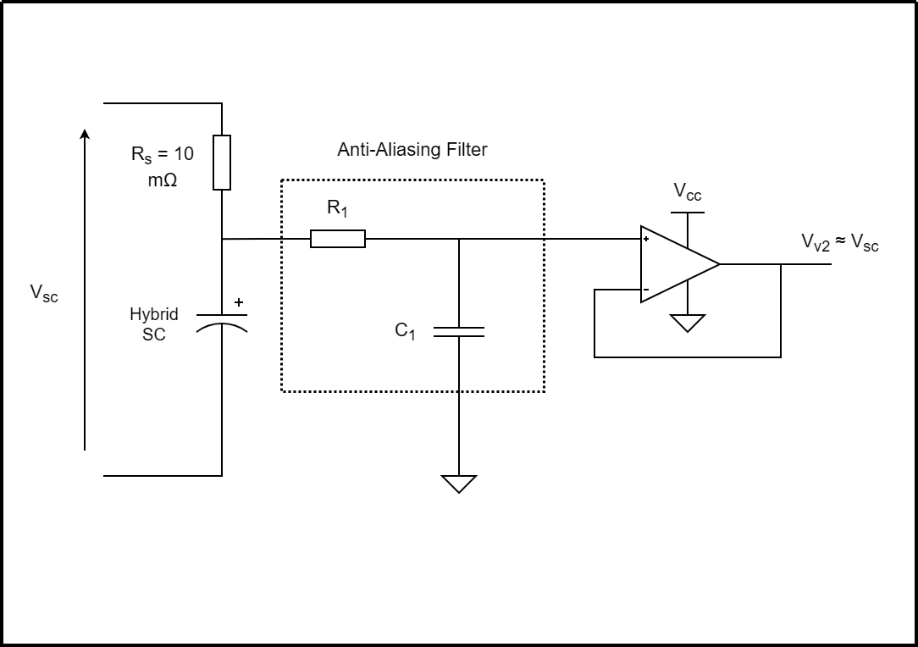

Window Comparator
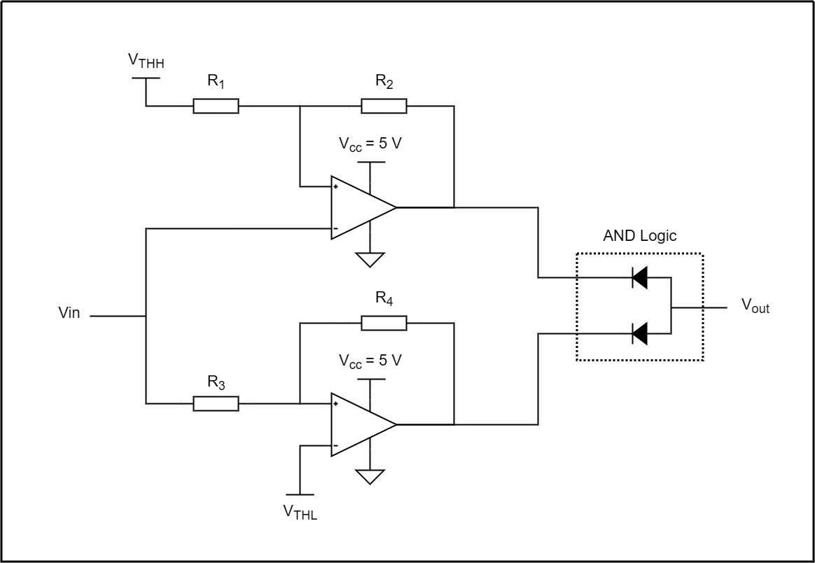
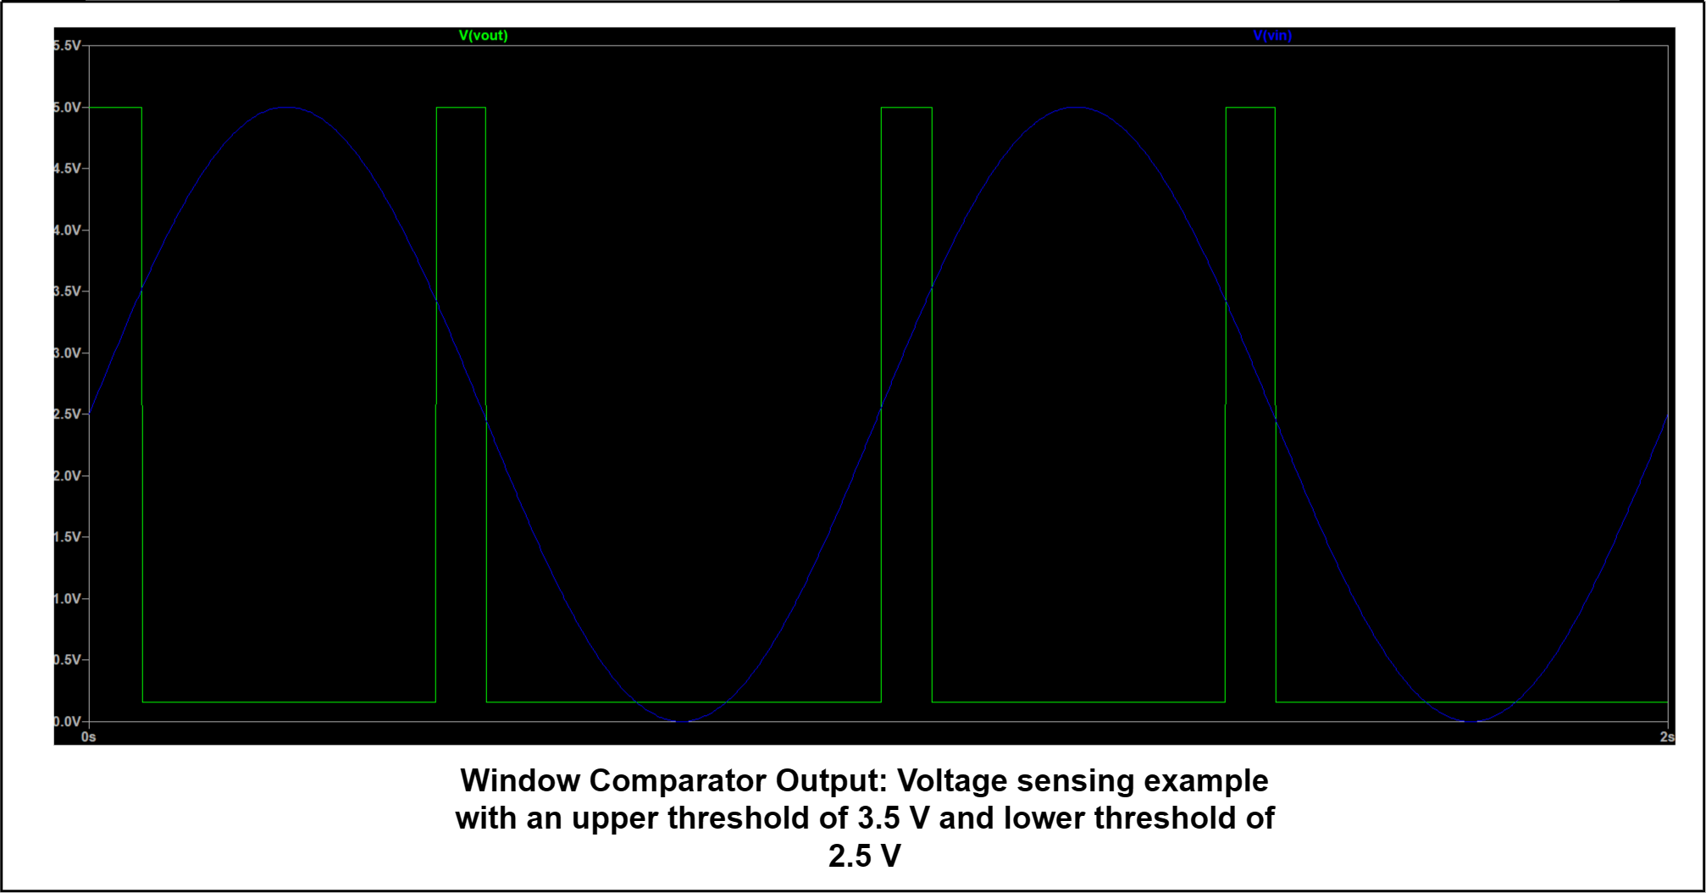
Note: Graph generated from window_comparator LTSpice file

