Current Sensor
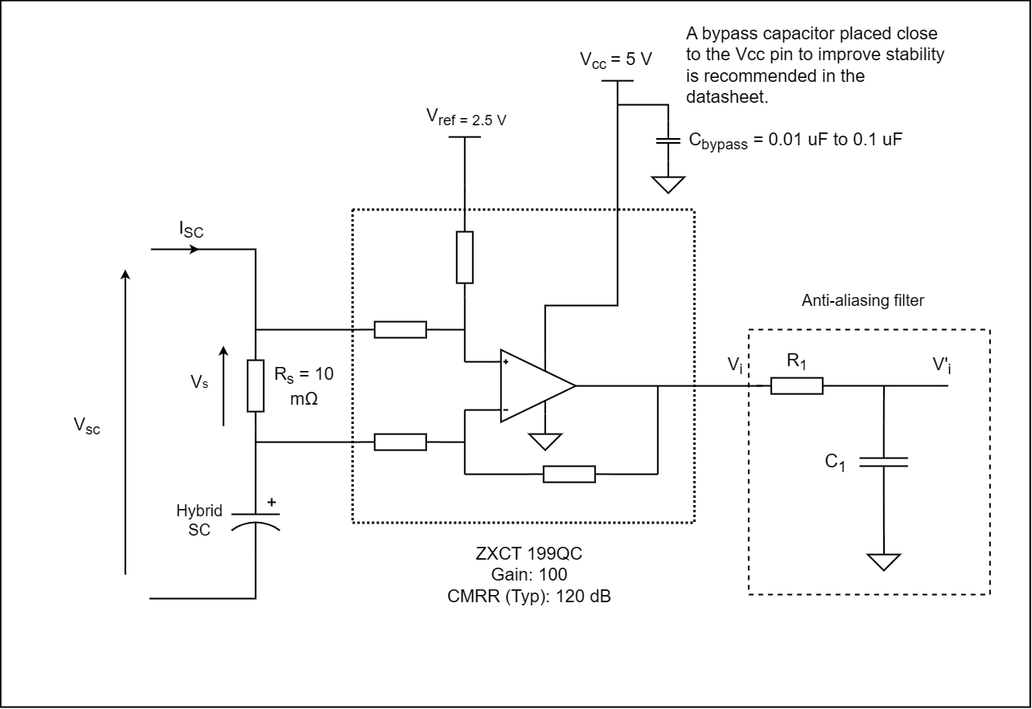
Current Sense Amplifier | ZXCT199QC | Gain | 100 | CMRR [dB] | 120

 |  |  |  | Note: Vi_min and Vi_max are the output voltage of the sensor |  |  |  | Note: Absolute value of Vs used for error calculations. The % errors represent the equivalent differential input error due to finite CMRR.
Parameter | Equation | Value | Unit | Parameter | Equation | Value | Unit | Parameter | Equation | Value | Unit
Vsc | - | 3.5 | V | Vs_min | Isc_min * Rs | -0.0175 | V | Ps_discharging | (Isc_minimum)^2 * Rs | 0.030625 | W
Isc_min (discharging) | - | -1.75 | A | Vs_max | Isc_max * Rs | 0.0175 | V | Ps_charging | (Isc_maximum)^2 * Rs | 0.030625 | W
Isc_max (charging) | - | 1.75 | A | Vi_min | Gain * Vs_min + Vref | 0.75 | V | % Equivalent Error at Isc_max | (Vcm_min * 100 %) / (|Vs_max| * 10 ^(CMRR / 20)) | 0.01995 | %
Vref | - | 2.5 | V | Vi_max | Gain * Vs_max + Vref | 4.25 | V | % Equivalent Error at Isc_min | (Vcm_max * 100 %) / (|Vs_min| * 10 ^(CMRR / 20)) | 0.02005 | %
Rs | - | 0.01 | Ω | V1 | V1 = Vsc | 3.5 | V
 |  |  |  | V0_min | Vsc - Vs_max | 3.4825 | V
 |  |  |  | V0_max | Vsc - Vs_min | 3.5175 | V
 |  |  |  | Vcm_min | (V1 + V0_min) / 2 | 3.49125 | V
 |  |  |  | Vcm_max | (V1 + V0_max) / 3 | 3.50875 | V

Temp Sensor
Temp Sensor | B57164K0103J000 (NTC Thermistor) |  |  | Resistance at 25°C | 10 kΩ

Parameter | Equation | Value | Unit | Parameter | Equation | Value | Unit | Parameter | Equation | Value | Unit
Vcc | - | 5 | V | V_temp_high (80°C) | (Vcc * R_temp_high) / (R_temp_high + R1) | 0.774279 | V | P (-15°C) | (I_low)^2 * (R1 + R_temp_low) | 3.3904E-04 | W
R1 | Equal to thermistor at 25°C | 10000 | Ω | V_temp_low (-15°C) | (Vcc * R_remp_low) / (R_temp_low + R1) | 4.191135 | V | P (80°C) | (I_high)^2 * (R1 + R_temp_high) | 2.1129E-03 | W
R_temp_low (-10°C) | 10 k * (R_t / R_25) | 51815 | Ω | I_low (-15°C) | Vcc / (R_temp_low + R1) | 0.000081 | A
R_temp_high (70°C) | 10 k * (R_t / R_25) | 1832.3 | Ω | I_high (80°C) | Vcc / (R_temp_high + R1) | 0.000423 | A

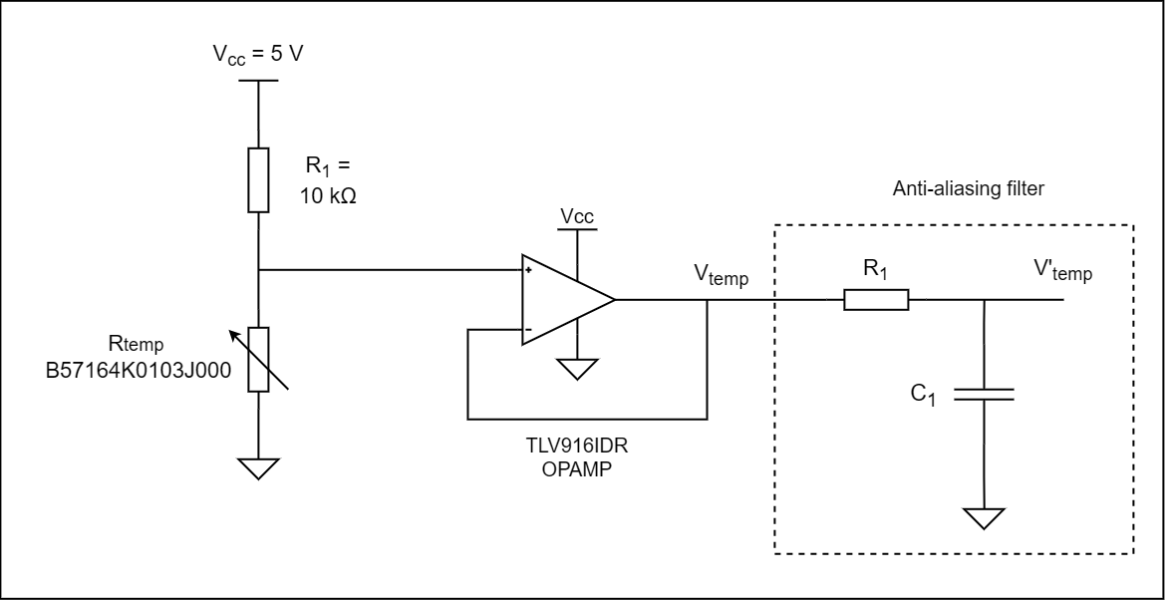
 |  |  |  |  |  |  |  | Here the snesor output voltage is chosen, then the temperature is determined. Kind of reverse of the above.
 |  |  |  |  |  |  |  | Parameter | Equation | Value | Unit
 |  |  |  |  |  |  |  | Vcc | Supply voltage | 5 | V
 |  |  |  |  |  |  |  | R1 | - | 10000
 |  |  |  |  |  |  |  | R_25 | Thermistor resistance at 25°C | 10000 | Ω
 |  |  |  |  |  |  |  | V_high | Sensor max output voltage | 4.5 | V
 |  |  |  |  |  |  |  | R_t / R_25 | (-V_high * R1) / (R_25 * (V_high - Vcc)) | 9 | Corresponding temp range: -15°C to -20°C

Voltage Sensor
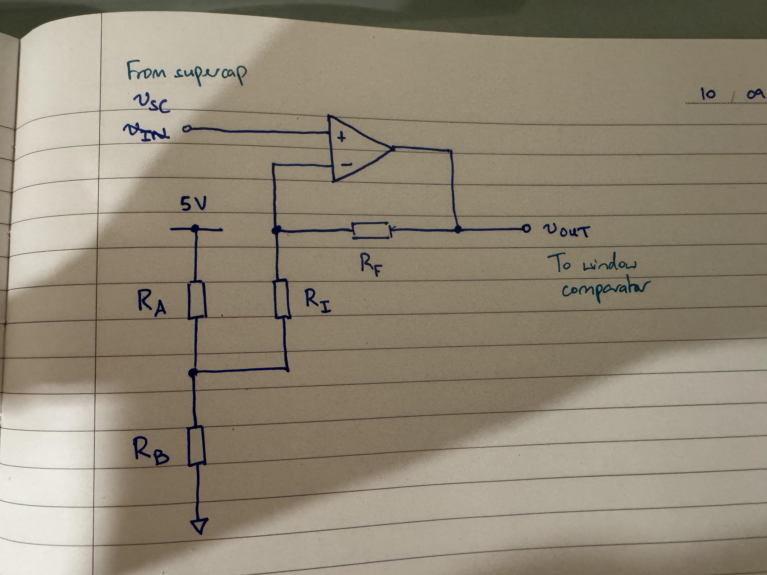
Parameter | Equation | Value | Unit
Vsc_min | Minimum super cap voltage | 2.65 | V
Vsc_max | Maximum super cap voltage | 3.65 | V
Note: cap is rated from 2.5V to 3.8V

Ra |  | 560 | Ω
Rb |  | 1200 | Ω
Vos (voltage across Rb) | 5V * Rb / (Ra + Rb) | 3.4090909091 | V

Rf |  | 82 | kΩ
Ri |  | 33 | kΩ
Low output | (1 + Rf/Ri) * Vsc_min - Rf/Ri * Vos | 0.76377410468 | V
High output | (1 + Rf/Ri) * Vsc_max - Rf/Ri * Vos | 4.2486225895 | V
Note: output calculations assume amplifier circuit has negligible loading on the voltage reference divider.

Window Comparator
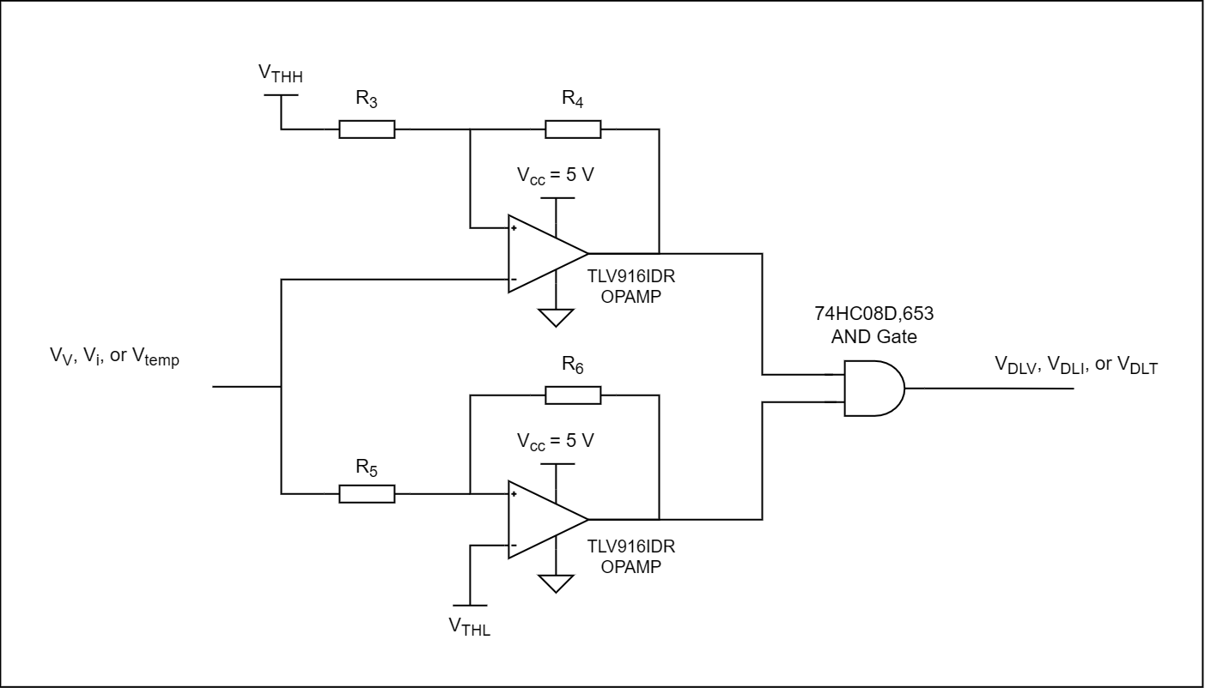
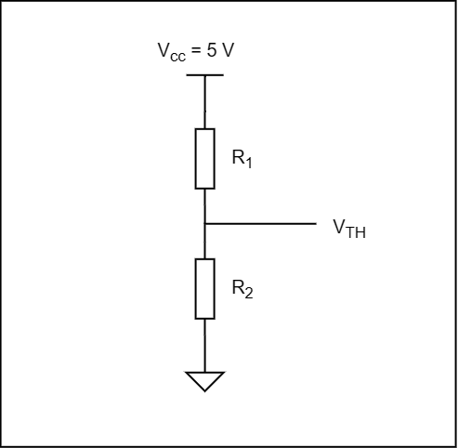
 | Current Sensor |  | Voltage Sensor |  | Temperature Sensor |  |  | Threshold Hysteresis = 100 mV
 | V_THH | V_THL | V_THH | V_THL | V_THH | V_THL |  | V_THH |  | V_THL
Theoretical | 4.25 | 0.75 | 4.25 | 0.75 | 4.25 | 0.75 |  | R3 | R4 | R5 | R6
Pratical | 4.250 | 0.750 | 4.250 | 0.750 | 4.250 | 0.750 |  | 10 kΩ | 470 k | 10 kΩ | 470 k

 | Current Sensor |  |  |  | Voltage Sensor |  |  |  | Temperature Sensor
 | V_THH |  | V_THL |  | V_THH |  | V_THL |  | V_THH |  | V_THL
 | R1 | R2 | R1 | R2 | R1 | R2 | R1 | R2 | R1 | R2 | R1 | R2
Pratical | 120.000 | 680.000 | 680.000 | 120.000 | 120.000 | 680.000 | 680.000 | 120.000 | 120.000 | 680.000 | 680.000 | 120.000 | (Ω)

 |  | Current through reference voltage divider | 0.00625 | A
 |  | Max power dissipated | 0.0265625 | W | (aim for well under 0.125 W, from 209 slides)

 | Current Sensor |  | Voltage Sensor |  | Temperature Sensor
 | Min (A) | Max (A) | Min (V) | Max (V) | Min (Ω) | Max (Ω)
 | -0.25735294118 | 0.25735294118 | 2.646 | 3.650 | 1764.7058824 | 56666.666667
 |  |  |  |  | Max (°C) | Min (°C)
 |  |  |  |  | 66.3 | -8 | (approximated from datasheet)

Anti-Aliasing Filter
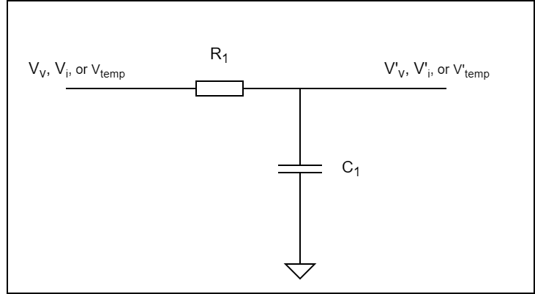
Parameter | Equation | Value | Unit
f_sample | For an ADC clock of 200 kHz, at 13 cycles per sample | 16000 | Hz
f_cutoff | f_sample / 2 | 8000 | Hz
R1 | - | 4700 | Ω
C1 | 1 / 2 *pi * R1 * f_cutoff | 4.2328442312E-09 | F

Chosen Parameters | Equation | Value | Unit
R1 |  | 4700 | Ω
C1 |  | 4.7E-09 | F
f_cutoff | 1 / (2*pi*R1*C1) | 7204.8412445 | Hz

Touch Sensor Oscillator
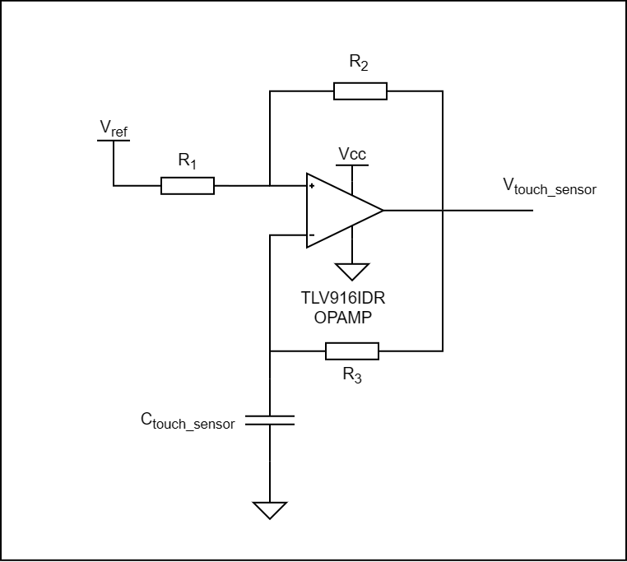
Parameter | Equation | Value | Unit
R1 |  | 10000 | Ω
R2 |  | 10000 | Ω
R3 |  | 4.70E+05 | Ω
Vref |  | 2.5 | V
C_touch_sensor (no touch) | Test value for simulations | 1.00E-10 | F
C_touch_sensor (yes touch) | Test value for simulations | 1.05E-10 | F

f_0 (no touch) | 1 / (-2 * ln(1/3) * R3 * C) | 9.68E+03 | Hz
f_0 (yes touch) | 1 / (-2 * ln(1/3) * R3 * C) | 9.22E+03 | Hz

T/C frequency | 2 MHz / 1 | 2.00E+06 | Hz
no. clock cycles (no touch) | TC frequency / f_0 | 207
no. clock cycles (yes touch) | TC frequency / f_0 | 217

