FRXBS
Column Definitions
Report Formulas
Drill Formulas
Report Presentation Options
Hidden Parameters and Notes
Detail Format Range
Report Binder Settings
Last Run Parameters
Report Area Below

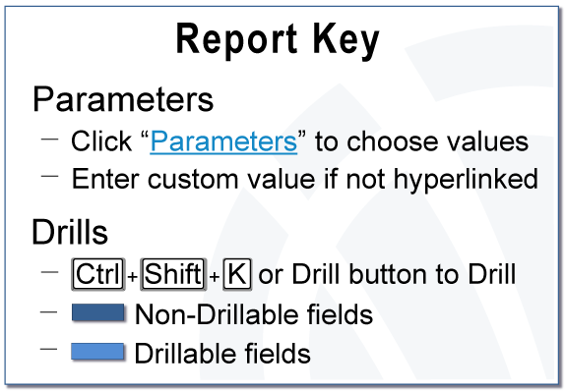
 | FRXBS |  |  |  |  | Powered by Interject®
 | Description
 | Report Parameters

 | Fiscal Period: | Dec-16

 |  |  | Actual | Actual
 |  |  | MTD | MTD
 | Row Label |  | Nov-16 | Dec-16 | Variance
 | TOT CUR ASSETS |  | 3,042,976.84 | 2,929,454.01 | (113,522.83)
 | TOT LT ASSETS |  | 4,501,023.95 | 4,501,023.93 | (0.02)
 | Total Assets |  | 7,544,000.79 | 7,430,477.94 | (113,522.85)
 | TOT CUR LIAB |  | 1,386,582.21 | 1,363,299.20 | (23,283.01)

 | TOT LT LIAB |  | 0.00 | 0.00 | 0.00

 | Total Liabilities |  | 1,386,582.21 | 1,363,299.20 | (23,283.01)
 | TOT EQUITY |  | 6,157,418.56 | 6,067,178.74 | (90,239.82)

 | Total Liabilities & Capital |  | 7,544,000.77 | 7,430,477.94 | (113,522.83)

 | Balance Check |  | 0.02 | 0.00 | (0.02)

 | Unmapped Accounts |  | 0.00 | 0.00 | 0.00

