Sheet1
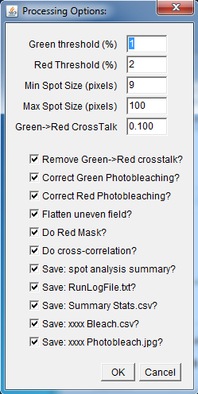
IMAGEJ MACROS
Batch_Process_TC_Ver21 |  | Description:
 |  | This macro is used to analyse an entire directory (+sub-dirctories) of raw data files
 |  | The macro reads the experimental "Log.txt" files for each day and checks for corresponding data files
 |  | Data is parsed and all parameters are passed to the "Two_Color_Analysis_ver17"
 |  | Pairs of raw data video files (red and green) are then loaded and analysed by "Two_Color_Analysis_ver17"
 |  | Results are dispacted to a files held with a folder tree-structure on the user desktop "Two_color"
 |  | Following execution of the analysis macro contol then returns to the Batch_process Macro so it can loop through all folder and all files
 |  | FUNCTIONS:
 | 1 | User Dialog Interface allows TC_Analysis default parameters to be set for all files
 | 2 | User is prompted to select a top level directory which holds all the raw data files
 |  | Note: Raw data files are held within a date-coded directory-tree structure.
 | 3 | A recursive function is used to hunt through all sub-directories
 | 4 | "log.txt" file is loaded from each target folder
 | 5 | log file is "parsed" and the experiemntal conditions (meta data)for each raw data record are read-in
 | 6 | The Two_Color_Analysis_Ver17 macro is called and a comma-deimited parameter list ("P1") is passed.
 |  | runMacro("C://Program Files//ImageJ//plugins//Macros//Two_Color_Analysis_Ver17.txt", p1);

 |  | Example: p1="Beta_WT_Holo,1.000,2.000,9,100,0.100,1,1,1,1,1,1,1,1,1,1,1"

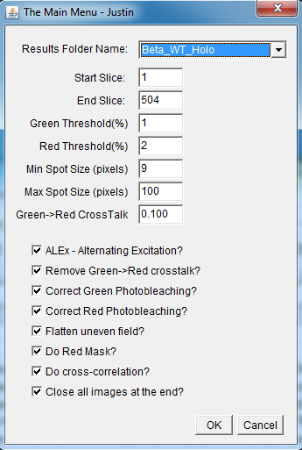
Two_Color_Analysis Ver21 |  | Description:
 |  | This macro is the core analysis routine that finds "spots" on the video records and then saves the spot intensity data to excel format files
 |  | A number of functions are required, files must be de-interleaved, corrected for uneven iullumination, photobleaching and cross talk
 |  | The spots must be identifield based on spatial and intensity characeristics, data are exctracted for each spot
 |  | Cross-correction analsyis is performed to estimate correspondence of data across the different color channels
 |  | In the current set of experiments alternating laser excitation "ALEx" was used so the video files are interlaced
 |  | Alternate frames correspond to different laser excitation wavelengths - here 488nm then 561nm etc...
 |  | FUNCTIONS:
 | 1 | Check if macro called by batch file: if so then dispatch all passed parameters into the execution parameter list
 |  | If not, then enter user dialog and request/confirm all execution parameters.
 | 2 | Correct for misalignment of the red & green cameras e.g. translational shift, rotation and expansion
 | 3 | De-Interleave video frames of the Red and Green cameras to create 4 image stacks
 |  | 488nm Ex 561nm Ex
 |  | "Even" "Odd"
 |  | ______ ______
 |  | | | | |
 |  | Green | 488G | | 561G |
 |  | |______| |______|
 |  | ______ ______
 |  | |XXXXXX| | |
 |  | Red | 488R | | 561R |
 |  | |XXXXXX| |______|
 |  | Note: the Red 488nm stack is blank- so there are only 3 meaningful stacks

 | 4 | Optionally, correct for green leakage into Red channel
 | 5 | Optionally, Flatten uneven spatial illumination for all stacks
 | 6 | Compute stack average for all for video stacks
 | 7 | Bandpass filter and convolve with Laplacian of a Gaussian (LoG) kernal to find spots on averaged frame
 | 8 | Create a binary mask by applying both amplitude and spatial threshold
 | 9 | Measure photo bleaching of background region (i.e. all regions that are not spots) fit to mono or dual exponential (save fits to disc)
 | 10 | Optionally, subtract photobleaching functional fit from the image stacks
 | 11 | Use mask images to extract time-series intensity data from all the corresponding, raw, video stacks
 | 12 | Perform simple statistical analysis on all spot data (min, max, mean, standard deviation) save to excel format files
 | 13 | Compute cross-correlation and Pearson's Coefficient for the different pairwise combination of images
 | 14 | Optionally inspect each spot on all three stacks side by side - (not available in batch mode)

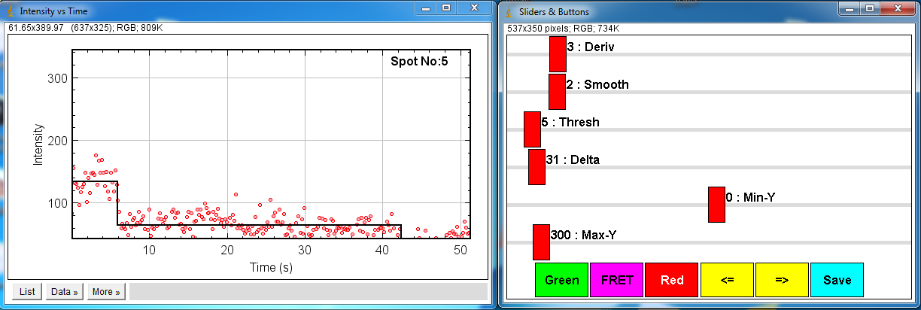
TC_Results TimeSeries Ver21 |  | Description:
 |  | Event Identification: Using sliders to adjust step finder algorithm
 |  | FUNCTIONS:
 | 1 | Step transitions are identified from sudden changes in intensity (derivative)
 | 2 | Derivative sliding window size
 | 3 | Derivative smoothing window size
 | 4 | Derivative threshold for transition point (i.e. ignore small peaks!)
 | 5 | Set minimum intensity amplitude for a transition (ignore small step amplitudes)
 | 6 | Adjust plotting scales to display results
 | 7 | Inspect each spot "intensity vs time" graph and the overlaid fitted stepwise function
 | 8 | Inspect Red, FRET or Green Channels
 | 9 | Optionally, save the fitted trajectory to disc

Simulate CaMKII_CAM |  | Description:
 |  | Generate simulated interpolated GMV files with photobleaching spots
 |  | FUNCTIONS:
 | 1 | Choose protein stoichiometry and the number of monomers, oligomers, complexes
 | 2 | set parameters to produce simulated video with realistic temporal and spatial Gaussian noise
 | 3 | Start with a random spatial distribution
 | 4 | Diffraction-limited point spread function of all "fluorescent objects"
 | 5 | Allow different photobleaching rates for different coloured fluorohphores
 | 6 | Optionally allow objects to diffuse randomly across the field of view.
 | 7 | generate video stacks using all the above parameters
 | 8 | Interleave the video stacks (to simulate ALEx data)
 | 9 | Save as GMV format video files Red Camera /Green Camera
 | 10 | Save a log file that holds all the parameter settings (simulation meta data).

TC_Results Viewer Ver17 |  | Photobleaching Fits
 |  | Not used now

