装备槽位表
导出为equipment_slot.xml

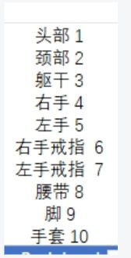
 |  | 流水号 | 装备表类型 | 1-单手武器 2-双手武器 | 可装备的槽位编号
 |  | id_i | equip_i | hands_i | slot_l
 | 1-单手剑 | 1 | 1 | 1 | 4,5
 | 2-单手斧 | 2 | 2 | 1 | 4,5
 | 3-单手锤 | 3 | 3 | 1 | 4,5
 | 4-匕首 | 4 | 4 | 1 | 4,5
 | 5-双手剑 | 5 | 5 | 2 | 4,5
 | 6-双手斧 | 6 | 6 | 2 | 4,5
 | 7-双手锤 | 7 | 7 | 2 | 4,5
 | 8-法杖 | 8 | 8 | 2 | 4,5
 | 9-弓 | 9 | 9 | 2 | 4,5
 | 10-长柄 | 10 | 10 | 2 | 4,5
 | 11-盾牌 | 11 | 11 | 1 | 5
 | 21-头盔 | 12 | 21 |  | 1
 | 22-衣服 | 13 | 22 |  | 3
 | 23-手套 | 14 | 23 |  | 10
 | 24-鞋子 | 15 | 24 |  | 9
 | 25-腰带 | 16 | 25 |  | 8
 | 31-项链 | 17 | 31 |  | 2
 | 32-戒指 | 18 | 32 |  | 6,7
 | 99-火炬 | 19 | 99 |  | 11
 | 98-魂灯 | 20 | 98 |  | 11

