Sheet1
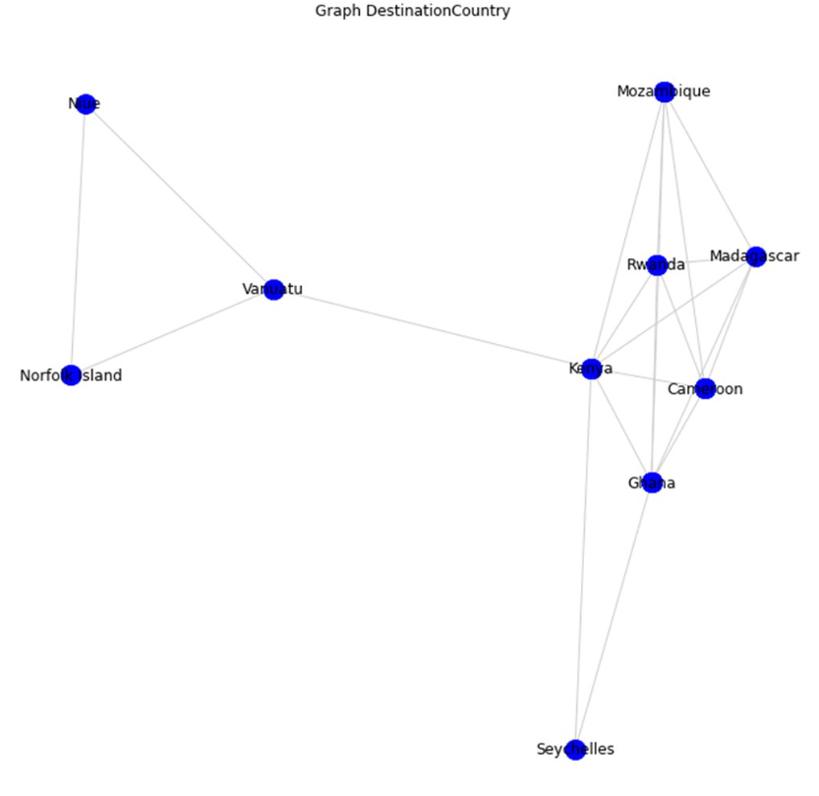
 |  |  |  |  |  | Betweeness |  | Tính Betweeness quốc gia Kenya
Kenya | 20 |  | (n-1)(n-2)/2=9*8/2=36 |  | Niue-> Vantatu=0/1 | Nof -> Vantu=0 | Vanu->Moza=1/1 | Moza->Rwa=0 | Rwa->Mada=0 | Mada->Camer=0 | Camer->Gaha=0 | Gaha->Sey=0
Mozambique | 0 |  |  |  | Niue->Norfo=0/1 | Nof->Rwa=1/1 | Vanu->Rwa=1/1 | Moza->Mada=0 | Rwa->Camer=0 | Mada->Gaha=0 | Camer->Sey=1/2
Rwanda | 0 |  |  |  | Niue->Mozabie=1/1 | Nof->Moza=1/1 | Vanu->Mada=1/1 | Moza->Camer=0 | Rwa->Gaha=0 | Mada->Sey=1/2
Madagascar | 0 |  |  |  | Niue-> Mada=1/1 | Nof->mada=1/1 | Vanu->Camer=1/1 | Moza->Gaha=0 | Rwa->Sey=1/2
Cameroon | 0 |  |  |  | Niue->Rwa=1/1 | Nof->Camer=1/1 | Vanu->Gaha=1/1 | Moza->Sey=1/2
Ghana | 2 |  |  |  | Niue->Camer=1/1 | Nof->gaha=1/1 | Vanu->Sey=1/1
Seychelles | 0 |  |  |  | Niue->gaha=1/1 | Nof->Sey=1/1
Vanuatu | 14 |  |  | Tổng: | Niue->Sey=1/1
Nortfork Island | 0 |  |  | 20 | 6 | 6 | 6 | 0.5 | 0.5 | 0.5 | 0.5 | 0
Niue | 0

 |  | Đỉnh | Số đoạn trên đường đi ngắn nhất từ Kenya |  | Đỉnh | Vanuatu |  | Đỉnh | Niue |  | Đỉnh | Nortfork Island | Đỉnh | Ghana
 |  | Mozambique | 1 |  | Mozambique | 2 |  | Mozambique | 3 |  | Mozambique | 3 | Mozambique | 1
 |  | Rwanda | 1 |  | Rwanda | 2 |  | Rwanda | 3 |  | Rwanda | 3 | Rwanda | 1
 |  | Madagascar | 1 |  | Madagascar | 2 |  | Madagascar | 3 |  | Madagascar | 3 | Madagascar | 1
 |  | Cameroon | 1 |  | Cameroon | 2 |  | Cameroon | 3 |  | Cameroon | 3 | Cameroon | 1
 |  | Ghana | 1 |  | Ghana | 2 |  | Ghana | 3 |  | Ghana | 3 | Nortfork Island | 3
 |  | Seychelles | 1 |  | Seychelles | 2 |  | Seychelles | 3 |  | Seychelles | 3 | Seychelles | 1
 |  | Vanuatu | 1 |  | Kenya | 1 |  | Kenya | 2 |  | Kenya | 2 | Kenya | 1
 |  | Norfolk Island | 2 |  | Norfolk Island | 1 |  | Norfolk Island | 1 |  | Niue | 1 | Niue | 3
 |  | Niue | 2 |  | Niue | 1 |  | Vanuatu | 1 |  | Vanuatu | 1 | Vanuatu | 2

 |  | Đỉnh | Seychelles |  | Đỉnh | Mozambique |  | Đỉnh | Rwanda |  | Đỉnh | Madagascar | Đỉnh | Cameroon
 |  | Mozambique | 2 |  | Seychelles | 2 |  | Seychelles | 2 |  | Seychelles | 2 | Seychelles | 2
 |  | Rwanda | 2 |  | Rwanda | 1 |  | Mozambique | 1 |  | Mozambique | 1 | Mozambique | 1
 |  | Madagascar | 2 |  | Madagascar | 1 |  | Madagascar | 1 |  | Rwanda | 1 | Rwanda | 1
 |  | Cameroon | 2 |  | Cameroon | 1 |  | Cameroon | 1 |  | Cameroon | 1 | Madagascar | 1
 |  | Nortfork Island | 3 |  | Nortfork Island | 3 |  | Nortfork Island | 3 |  | Nortfork Island | 3 | Nortfork Island | 3
 |  | Ghana | 1 |  | Ghana | 1 |  | Ghana | 1 |  | Ghana | 1 | Ghana | 1
 |  | Kenya | 1 |  | Kenya | 1 |  | Kenya | 1 |  | Kenya | 1 | Kenya | 1
 |  | Niue | 3 |  | Niue | 3 |  | Niue | 3 |  | Niue | 3 | Niue | 3
 |  | Vanuatu | 2 |  | Vanuatu | 2 |  | Vanuatu | 2 |  | Vanuatu | 2 | Vanuatu | 2

