Sheet3
Dữ liệu tính tay |  |  | Đồ thị
Airline | DestinationCountry |  |  |  | Ma Trận Kề
Air France | Madagascar | 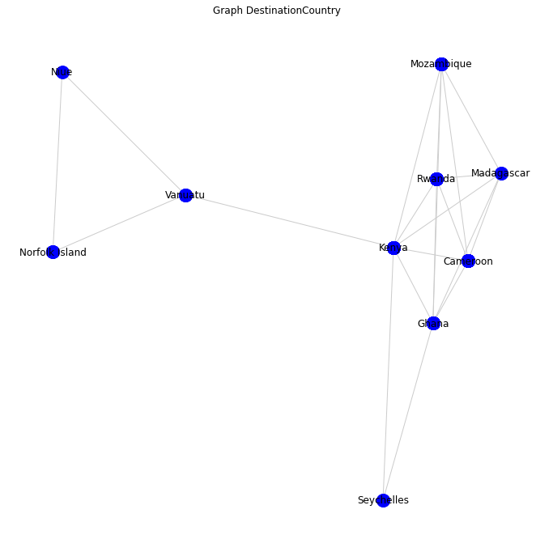
Swissair | Madagascar
Air France | Kenya |  |  |  | Kenya | Mozambique | Rwanda | Madagascar | Cameroon | Ghana | Seychelles | Vanuatu | Norfolk Island | Niue
Air France | Kenya |  |  | Kenya | 0 | 1 | 1 | 1 | 1 | 1 | 1 | 1 | 2 | 2
Air France | Kenya |  |  | Mozambique | 1 | 0 | 1 | 1 | 1 | 1 | 2 | 2 | 3 | 3
Air France | Kenya |  |  | Rwanda | 1 | 2 | 0 | 1 | 1 | 1 | 2 | 2 | 3 | 3
Air France | Kenya |  |  | Madagascar | 1 | 1 | 1 | 0 | 1 | 1 | 2 | 2 | 3 | 3
Air France | Kenya |  |  | Cameroon | 1 | 1 | 1 | 1 | 0 | 1 | 2 | 2 | 3 | 3
Air France | Kenya |  |  | Ghana | 1 | 1 | 1 | 1 | 1 | 0 | 1 | 2 | 3 | 3
British Airways | Kenya |  |  | Seychelles | 1 | 2 | 2 | 2 | 2 | 1 | 0 | 2 | 3 | 3
Emirates | Kenya |  |  | Vanuatu | 1 | 2 | 2 | 2 | 2 | 2 | 2 | 0 | 1 | 1
Etihad | Kenya |  |  | Nortfork Island | 2 | 3 | 3 | 3 | 3 | 3 | 3 | 1 | 0 | 1
KLM | Kenya |  |  | Niue | 2 | 3 | 3 | 3 | 3 | 3 | 3 | 1 | 1 | 0
KLM | Kenya
KLM | Kenya
KLM | Kenya |  |  | Sum of Distances |  | Closeness Centrality
KLM | Kenya |  |  | 11 |  | 0.81818181818
KLM | Kenya |  |  | 15 |  | 0.6
KLM | Kenya |  |  | 16 |  | 0.5625
KLM | Kenya |  |  | 15 |  | 0.6
KLM | Kenya |  |  | 15 |  | 0.6
KLM | Kenya |  |  | 14 |  | 0.64285714286
KLM | Kenya |  |  | 18 |  | 0.5
KLM | Kenya |  |  | 15 |  | 0.6
KLM | Kenya |  |  | 22 |  | 0.40909090909
KLM | Kenya |  |  | 22 |  | 0.40909090909
KLM | Kenya
Quantas | Kenya
Qatar Airways | Kenya
Swissair | Kenya
Turkish Airlines | Kenya
Air New Zealand | Niue
Air New Zealand | Norfolk Island
Air New Zealand | Norfolk Island
Air New Zealand | Norfolk Island
Air France | Rwanda
Air France | Rwanda
KLM | Rwanda
KLM | Rwanda
KLM | Rwanda
Qatar Airways | Rwanda
Swissair | Rwanda
Turkish Airlines | Rwanda
Emirates | Seychelles
Etihad | Seychelles
Air New Zealand | Vanuatu
Quantas | Vanuatu
Quantas | Vanuatu
Quantas | Vanuatu
Air France | Cameroon
Air France | Cameroon
Air France | Cameroon
KLM | Cameroon
KLM | Cameroon
Swissair | Cameroon
Turkish Airlines | Cameroon
Turkish Airlines | Cameroon
Turkish Airlines | Cameroon
Turkish Airlines | Cameroon
Turkish Airlines | Cameroon
British Airways | Ghana
Emirates | Ghana
Emirates | Ghana
KLM | Ghana
Swissair | Ghana
Swissair | Ghana
Turkish Airlines | Ghana
Turkish Airlines | Ghana
Qatar Airways | Mozambique
Swissair | Mozambique
Swissair | Mozambique
Swissair | Mozambique
Swissair | Mozambique
Swissair | Mozambique
Swissair | Mozambique
Swissair | Mozambique
Swissair | Mozambique

