Degree Centrality
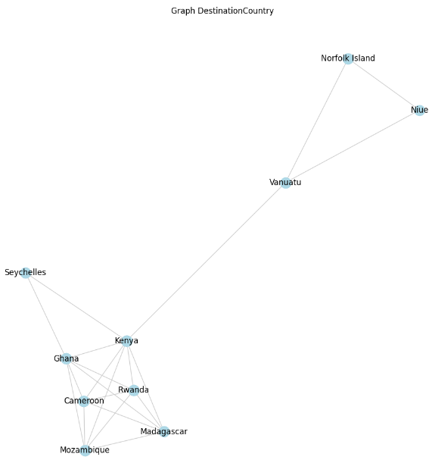
 | nodes | số cạnh kề
1 | Norfolk Island | 2
2 | Niue | 2
3 | Vanuatu | 3
4 | Kenya | 7
5 | Seychelles | 2
6 | Ghana | 6
7 | Cameroon | 5
8 | Mzambique | 5
9 | Madagascar | 5
10 | Rwanda | 5

Tính Degree Centrality

 | nodes | Degree Centrality
 | Norfolk Island | 0.22222222222
 | Niue | 0.22222222222
 | Vanuatu | 0.33333333333
 | Kenya | 0.77777777778
 | Seychelles | 0.22222222222
 | Ghana | 0.66666666667
 | Cameroon | 0.55555555556
 | Mzambique | 0.55555555556
 | Madagascar | 0.55555555556
 | Rwanda | 0.55555555556

Closeness
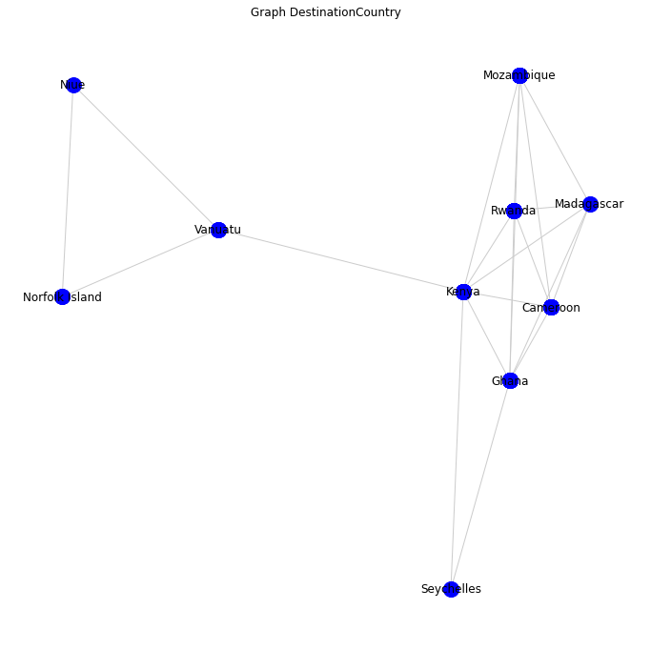 |  | Ma Trận Kề

 |  | Kenya | Mozambique | Rwanda | Madagascar | Cameroon | Ghana | Seychelles | Vanuatu | Norfolk Island | Niue
 | Kenya | 0 | 1 | 1 | 1 | 1 | 1 | 1 | 1 | 2 | 2
 | Mozambique | 1 | 0 | 1 | 1 | 1 | 1 | 2 | 2 | 3 | 3
 | Rwanda | 1 | 2 | 0 | 1 | 1 | 1 | 2 | 2 | 3 | 3
 | Madagascar | 1 | 1 | 1 | 0 | 1 | 1 | 2 | 2 | 3 | 3
 | Cameroon | 1 | 1 | 1 | 1 | 0 | 1 | 2 | 2 | 3 | 3
 | Ghana | 1 | 1 | 1 | 1 | 1 | 0 | 1 | 2 | 3 | 3
 | Seychelles | 1 | 2 | 2 | 2 | 2 | 1 | 0 | 2 | 3 | 3
 | Vanuatu | 1 | 2 | 2 | 2 | 2 | 2 | 2 | 0 | 1 | 1
 | Nortfork Island | 2 | 3 | 3 | 3 | 3 | 3 | 3 | 1 | 0 | 1
 | Niue | 2 | 3 | 3 | 3 | 3 | 3 | 3 | 1 | 1 | 0

 | Sum of Distances |  | Closeness Centrality
 | 11 |  | 0.81818181818
 | 15 |  | 0.6
 | 16 |  | 0.5625
 | 15 |  | 0.6
 | 15 |  | 0.6
 | 14 |  | 0.64285714286
 | 18 |  | 0.5
 | 15 |  | 0.6
 | 22 |  | 0.40909090909
 | 22 |  | 0.40909090909

Betweenness
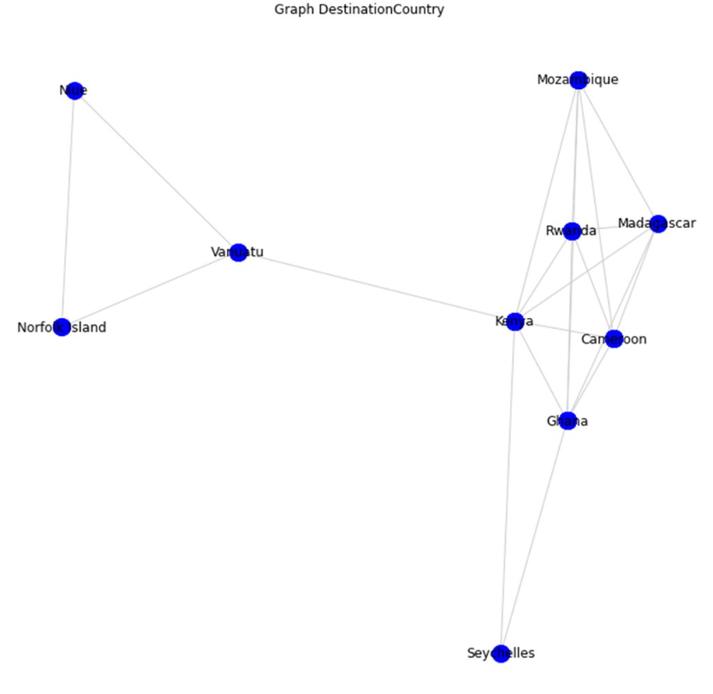
 |  |  |  |  |  | Betweeness |  | Tính Betweeness quốc gia Kenya
Kenya | 20 |  | (n-1)(n-2)/2=9*8/2=36 |  | Niue-> Vantatu=0/1 | Nof -> Vantu=0 | Vanu->Moza=1/1 | Moza->Rwa=0 | Rwa->Mada=0 | Mada->Camer=0 | Camer->Gaha=0 | Gaha->Sey=0
Mozambique | 0 |  |  |  | Niue->Norfo=0/1 | Nof->Rwa=1/1 | Vanu->Rwa=1/1 | Moza->Mada=0 | Rwa->Camer=0 | Mada->Gaha=0 | Camer->Sey=1/2
Rwanda | 0 |  |  |  | Niue->Mozabie=1/1 | Nof->Moza=1/1 | Vanu->Mada=1/1 | Moza->Camer=0 | Rwa->Gaha=0 | Mada->Sey=1/2
Madagascar | 0 |  |  |  | Niue-> Mada=1/1 | Nof->mada=1/1 | Vanu->Camer=1/1 | Moza->Gaha=0 | Rwa->Sey=1/2
Cameroon | 0 |  |  |  | Niue->Rwa=1/1 | Nof->Camer=1/1 | Vanu->Gaha=1/1 | Moza->Sey=1/2
Ghana | 2 |  |  |  | Niue->Camer=1/1 | Nof->gaha=1/1 | Vanu->Sey=1/1
Seychelles | 0 |  |  |  | Niue->gaha=1/1 | Nof->Sey=1/1
Vanuatu | 14 |  |  | Tổng: | Niue->Sey=1/1
Nortfork Island | 0 |  |  | 20 | 6 | 6 | 6 | 0.5 | 0.5 | 0.5 | 0.5 | 0
Niue | 0

 |  | Đỉnh | Số đoạn trên đường đi ngắn nhất từ Kenya |  | Đỉnh | Vanuatu |  | Đỉnh | Niue |  | Đỉnh | Nortfork Island | Đỉnh | Ghana
 |  | Mozambique | 1 |  | Mozambique | 2 |  | Mozambique | 3 |  | Mozambique | 3 | Mozambique | 1
 |  | Rwanda | 1 |  | Rwanda | 2 |  | Rwanda | 3 |  | Rwanda | 3 | Rwanda | 1
 |  | Madagascar | 1 |  | Madagascar | 2 |  | Madagascar | 3 |  | Madagascar | 3 | Madagascar | 1
 |  | Cameroon | 1 |  | Cameroon | 2 |  | Cameroon | 3 |  | Cameroon | 3 | Cameroon | 1
 |  | Ghana | 1 |  | Ghana | 2 |  | Ghana | 3 |  | Ghana | 3 | Nortfork Island | 3
 |  | Seychelles | 1 |  | Seychelles | 2 |  | Seychelles | 3 |  | Seychelles | 3 | Seychelles | 1
 |  | Vanuatu | 1 |  | Kenya | 1 |  | Kenya | 2 |  | Kenya | 2 | Kenya | 1
 |  | Norfolk Island | 2 |  | Norfolk Island | 1 |  | Norfolk Island | 1 |  | Niue | 1 | Niue | 3
 |  | Niue | 2 |  | Niue | 1 |  | Vanuatu | 1 |  | Vanuatu | 1 | Vanuatu | 2

 |  | Đỉnh | Seychelles |  | Đỉnh | Mozambique |  | Đỉnh | Rwanda |  | Đỉnh | Madagascar | Đỉnh | Cameroon
 |  | Mozambique | 2 |  | Seychelles | 2 |  | Seychelles | 2 |  | Seychelles | 2 | Seychelles | 2
 |  | Rwanda | 2 |  | Rwanda | 1 |  | Mozambique | 1 |  | Mozambique | 1 | Mozambique | 1
 |  | Madagascar | 2 |  | Madagascar | 1 |  | Madagascar | 1 |  | Rwanda | 1 | Rwanda | 1
 |  | Cameroon | 2 |  | Cameroon | 1 |  | Cameroon | 1 |  | Cameroon | 1 | Madagascar | 1
 |  | Nortfork Island | 3 |  | Nortfork Island | 3 |  | Nortfork Island | 3 |  | Nortfork Island | 3 | Nortfork Island | 3
 |  | Ghana | 1 |  | Ghana | 1 |  | Ghana | 1 |  | Ghana | 1 | Ghana | 1
 |  | Kenya | 1 |  | Kenya | 1 |  | Kenya | 1 |  | Kenya | 1 | Kenya | 1
 |  | Niue | 3 |  | Niue | 3 |  | Niue | 3 |  | Niue | 3 | Niue | 3
 |  | Vanuatu | 2 |  | Vanuatu | 2 |  | Vanuatu | 2 |  | Vanuatu | 2 | Vanuatu | 2

Harmonic
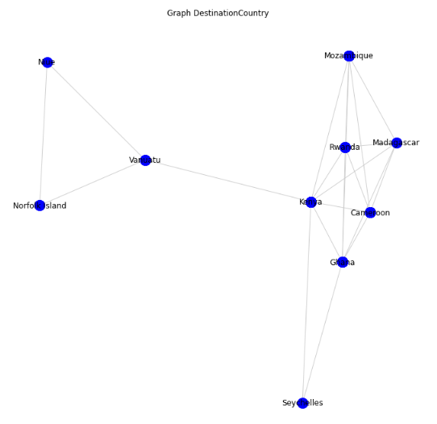
Harmonic

 | Kenya | Mozambique | Rwanda | Madagascar | Cameroon | Ghana | Seychelles | Vanuatu | Norfolk Island | Niue
Kenya | 0 | 1 | 1 | 1 | 1 | 1 | 1 | 1 | 2 | 2
Mozambique | 1 | 0 | 1 | 1 | 1 | 2 | 2 | 2 | 3 | 3
Rwanda | 1 | 1 | 0 | 1 | 1 | 1 | 2 | 2 | 3 | 3
Madagascar | 1 | 1 | 1 | 0 | 1 | 1 | 2 | 2 | 3 | 3
Cameroon | 1 | 1 | 1 | 1 | 0 | 1 | 2 | 2 | 3 | 3
Ghana | 1 | 2 | 1 | 1 | 1 | 0 | 1 | 2 | 3 | 3
Seychelles | 1 | 2 | 2 | 2 | 2 | 1 | 0 | 2 | 3 | 3
Vanuatu | 1 | 2 | 2 | 2 | 2 | 2 | 2 | 0 | 1 | 1
Nortfork Island | 2 | 3 | 3 | 3 | 3 | 3 | 3 | 1 | 0 | 1
Niue | 2 | 3 | 3 | 3 | 3 | 3 | 3 | 1 | 1 | 0

H(Kenya) |  | 1+1+1+1+1+1+1+1/2+1/2=8
H(Mozambique) |  | 1+1+1+1+1/2+1/2+1/2+1/3+1/3=6,167
H(Rwanda) |  | 1+1+1+1+1+1/2+1/2+1/3+1/3=6,67
H(Madagasca) |  | 1+1+1+1+1+1/2+1/2+1/3+1/3=6,67
H(Cameroon) |  | 1+1+1+1+1+1/2+1/2+1/3+1/3=6,67
H(Ghana) |  | 1+1/2+1+1+1+1+1/2+1/3+1/3=6,67
H(Seychelles) |  | 1+1/2+1/2+1/2+1/2+1+1/2+1/3+1/3=5,167
H(Vanuatu) |  | 1+1/2+1/2+1/2+1/2+1/2+1/2+1+1=6
H(Norfolk Island) |  | 1/2+1/3+1/3+1/3+1/3+1/3+1/3+1+1=4,5
H(Niue) |  | 1/2+1/3+1/3+1/3+1/3+1/3+1/3+1+1=4,5

Key Player = Kenya

Louvain
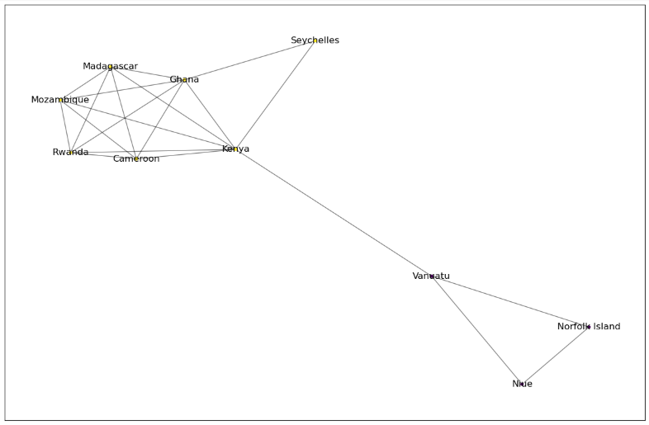
Ma trận

 | Madagascar | Mozambique | Rwanda | Kenya | Cameroon | Ghana | Seychelles | Vanuatu | Niue | Norfolk Island
Madagascar | 0 | 1 | 1 | 1 | 1 | 1 | 0 | 0 | 0 | 0
Mozambique | 1 | 0 | 1 | 1 | 1 | 1 | 0 | 0 | 0 | 0
Rwanda | 1 | 1 | 0 | 1 | 1 | 1 | 0 | 0 | 0 | 0
Kenya | 1 | 1 | 1 | 0 | 1 | 1 | 1 | 1 | 0 | 0
Cameroon | 1 | 1 | 1 | 1 | 0 | 1 | 0 | 0 | 0 | 0
Ghana | 1 | 1 | 1 | 1 | 1 | 0 | 1 | 0 | 0 | 0
Seychelles | 0 | 0 | 0 | 1 | 0 | 1 | 0 | 0 | 0 | 0
Vanuatu | 0 | 0 | 0 | 1 | 0 | 0 | 0 | 0 | 1 | 1
Niue | 0 | 0 | 0 | 0 | 0 | 0 | 0 | 1 | 0 | 1
Norfolk Island | 0 | 0 | 0 | 0 | 0 | 0 | 0 | 1 | 1 | 0

 | Cụm 1 | Kenya |  | 7 |  |  | Madagascar | Mozambique | Rwanda | Kenya | Cameroon | Ghana | Seychelles | Vanuatu | Niue | Norfolk Island
 | Cụm 2 | Ghana |  | 6 |  | Madagascar | 0 | 0.40476190476 | 0.40476190476 | 0.16666666667 | 0.40476190476 | 0.28571428571 | 0 | 0 | 0 | 0
 | Cụm 3 | Cameroon |  | 5 |  | Mozambique | 0.40476190476 | 0 | 0.40476190476 | 0.16666666667 | 0.40476190476 | 0.28571428571 | 0 | 0 | 0 | 0
 | Cụm 4 | Madagascar |  | 5 |  | Rwanda | 0.40476190476 | 0.40476190476 | 0 | 0.16666666667 | 0.40476190476 | 0.28571428571 | 0 | 0 | 0 | 0
 | Cụm 5 | Mozambique |  | 5 |  | Kenya | 0.16666666667 | 0.16666666667 | 0.16666666667 | 0 | 0.16666666667 | 0 | 0.66666666667 | 0.5 | 0 | 0
 | Cụm 6 | Rwanda |  | 5 |  | Cameroon | 0.40476190476 | 0.40476190476 | 0.40476190476 | 0.16666666667 | 0 | 0.28571428571 | 0 | 0 | 0 | 0
 | Cụm 7 | Vanuatu |  | 3 |  | Ghana | 0.28571428571 | 0.28571428571 | 0.28571428571 | 0 | 0.28571428571 | 0 | 0.71428571429 | 0 | 0 | 0
 | Cụm 8 | Seychelles |  | 2 |  | Seychelles | 0 | 0 | 0 | 0.66666666667 | 0 | 0.71428571429 | 0 | 0 | 0 | 0
 | Cụm 9 | Niue |  | 2 |  | Vanuatu | 0 | 0 | 0 | 0.5 | 0 | 0 | 0 | 0 | 0.85714285714 | 0.85714285714
 | Cụm 10 | Norforlk Island |  | 2 |  | Niue | 0 | 0 | 0 | 0 | 0 | 0 | 0 | 0.85714285714 | 0 | 0.90476190476
 |  |  |  | 42 |  | Norfolk Island | 0 | 0 | 0 | 0 | 0 | 0 | 0 | 0.85714285714 | 0.90476190476 | 0

 | Cụm 1 | Mozambique
 |  | Rwanda
 |  | Cameroon
 |  | Madagascar
 |  | Gahana
 |  | Kenya
 |  | Seychelles

 | Cụm 2 | Vanuatu
 |  | Niue
 |  | Norfolk Island

