Sheet1
Dữ liệu tính tay |  | đồ thị | Harmonic

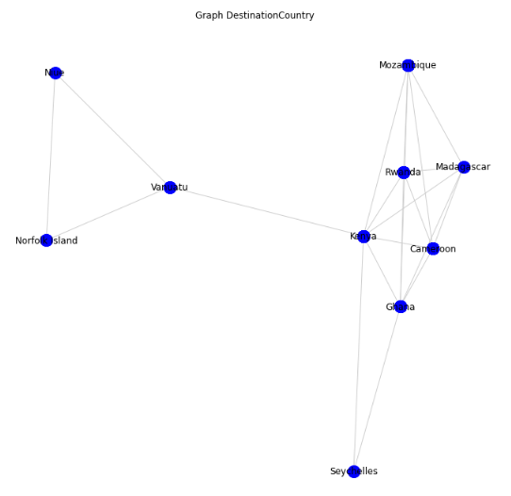
Airline | DestinationCountry |  |  | Kenya | Mozambique | Rwanda | Madagascar | Cameroon | Ghana | Seychelles | Vanuatu | Norfolk Island | Niue
Air France | Madagascar |  | Kenya | 0 | 1 | 1 | 1 | 1 | 1 | 1 | 1 | 2 | 2
Swissair | Madagascar |  | Mozambique | 1 | 0 | 1 | 1 | 1 | 2 | 2 | 2 | 3 | 3
Air France | Kenya |  | Rwanda | 1 | 1 | 0 | 1 | 1 | 1 | 2 | 2 | 3 | 3
Air France | Kenya |  | Madagascar | 1 | 1 | 1 | 0 | 1 | 1 | 2 | 2 | 3 | 3
Air France | Kenya |  | Cameroon | 1 | 1 | 1 | 1 | 0 | 1 | 2 | 2 | 3 | 3
Air France | Kenya |  | Ghana | 1 | 2 | 1 | 1 | 1 | 0 | 1 | 2 | 3 | 3
Air France | Kenya |  | Seychelles | 1 | 2 | 2 | 2 | 2 | 1 | 0 | 2 | 3 | 3
Air France | Kenya |  | Vanuatu | 1 | 2 | 2 | 2 | 2 | 2 | 2 | 0 | 1 | 1
Air France | Kenya |  | Nortfork Island | 2 | 3 | 3 | 3 | 3 | 3 | 3 | 1 | 0 | 1
British Airways | Kenya |  | Niue | 2 | 3 | 3 | 3 | 3 | 3 | 3 | 1 | 1 | 0
Emirates | Kenya
Etihad | Kenya
KLM | Kenya |  | H(Kenya) |  | 1+1+1+1+1+1+1+1/2+1/2=8
KLM | Kenya |  | H(Mozambique) |  | 1+1+1+1+1/2+1/2+1/2+1/3+1/3=6,167
KLM | Kenya |  | H(Rwanda) |  | 1+1+1+1+1+1/2+1/2+1/3+1/3=6,67
KLM | Kenya |  | H(Madagasca) |  | 1+1+1+1+1+1/2+1/2+1/3+1/3=6,67
KLM | Kenya |  | H(Cameroon) |  | 1+1+1+1+1+1/2+1/2+1/3+1/3=6,67
KLM | Kenya |  | H(Ghana) |  | 1+1/2+1+1+1+1+1/2+1/3+1/3=6,67
KLM | Kenya |  | H(Seychelles) |  | 1+1/2+1/2+1/2+1/2+1+1/2+1/3+1/3=5,167
KLM | Kenya |  | H(Vanuatu) |  | 1+1/2+1/2+1/2+1/2+1/2+1/2+1+1=6
KLM | Kenya |  | H(Norfolk Island) |  | 1/2+1/3+1/3+1/3+1/3+1/3+1/3+1+1=4,5
KLM | Kenya |  | H(Niue) |  | 1/2+1/3+1/3+1/3+1/3+1/3+1/3+1+1=4,5
KLM | Kenya
KLM | Kenya |  | Key Player = Kenya
KLM | Kenya
KLM | Kenya
KLM | Kenya
Quantas | Kenya
Qatar Airways | Kenya
Swissair | Kenya
Turkish Airlines | Kenya
Air New Zealand | Niue
Air New Zealand | Norfolk Island
Air New Zealand | Norfolk Island
Air New Zealand | Norfolk Island
Air France | Rwanda
Air France | Rwanda
KLM | Rwanda
KLM | Rwanda
KLM | Rwanda
Qatar Airways | Rwanda
Swissair | Rwanda
Turkish Airlines | Rwanda
Emirates | Seychelles
Etihad | Seychelles
Air New Zealand | Vanuatu
Quantas | Vanuatu
Quantas | Vanuatu
Quantas | Vanuatu
Air France | Cameroon
Air France | Cameroon
Air France | Cameroon
KLM | Cameroon
KLM | Cameroon
Swissair | Cameroon
Turkish Airlines | Cameroon
Turkish Airlines | Cameroon
Turkish Airlines | Cameroon
Turkish Airlines | Cameroon
Turkish Airlines | Cameroon
British Airways | Ghana
Emirates | Ghana
Emirates | Ghana
KLM | Ghana
Swissair | Ghana
Swissair | Ghana
Turkish Airlines | Ghana
Turkish Airlines | Ghana
Qatar Airways | Mozambique
Swissair | Mozambique
Swissair | Mozambique
Swissair | Mozambique
Swissair | Mozambique
Swissair | Mozambique
Swissair | Mozambique
Swissair | Mozambique
Swissair | Mozambique

