Sheet1
Dữ liệu tính tay |  | đồ thị | Ma trận
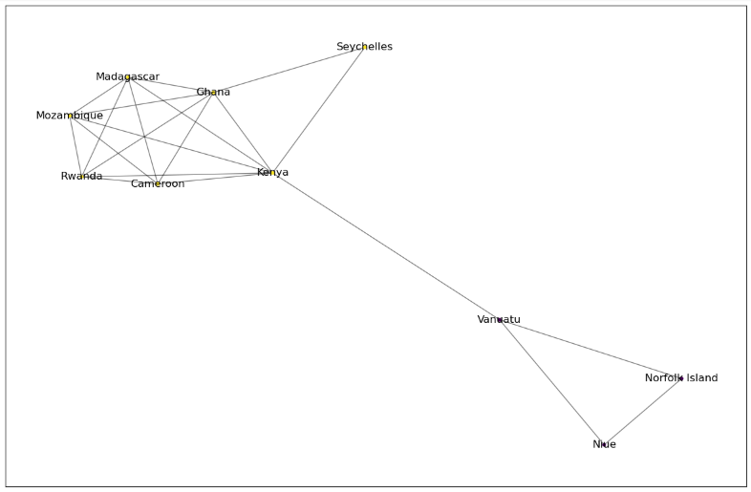
Airline | DestinationCountry |  |  | Madagascar | Mozambique | Rwanda | Kenya | Cameroon | Ghana | Seychelles | Vanuatu | Niue | Norfolk Island
Air France | Madagascar |  | Madagascar | 0 | 1 | 1 | 1 | 1 | 1 | 0 | 0 | 0 | 0
Swissair | Madagascar |  | Mozambique | 1 | 0 | 1 | 1 | 1 | 1 | 0 | 0 | 0 | 0
Air France | Kenya |  | Rwanda | 1 | 1 | 0 | 1 | 1 | 1 | 0 | 0 | 0 | 0
Air France | Kenya |  | Kenya | 1 | 1 | 1 | 0 | 1 | 1 | 1 | 1 | 0 | 0
Air France | Kenya |  | Cameroon | 1 | 1 | 1 | 1 | 0 | 1 | 0 | 0 | 0 | 0
Air France | Kenya |  | Ghana | 1 | 1 | 1 | 1 | 1 | 0 | 1 | 0 | 0 | 0
Air France | Kenya |  | Seychelles | 0 | 0 | 0 | 1 | 0 | 1 | 0 | 0 | 0 | 0
Air France | Kenya |  | Vanuatu | 0 | 0 | 0 | 1 | 0 | 0 | 0 | 0 | 1 | 1
Air France | Kenya |  | Niue | 0 | 0 | 0 | 0 | 0 | 0 | 0 | 1 | 0 | 1
British Airways | Kenya |  | Norfolk Island | 0 | 0 | 0 | 0 | 0 | 0 | 0 | 1 | 1 | 0
Emirates | Kenya
Etihad | Kenya
KLM | Kenya
KLM | Kenya |  |  | Cụm 1 | Kenya |  | 7 |  |  | Madagascar | Mozambique | Rwanda | Kenya | Cameroon | Ghana | Seychelles | Vanuatu | Niue | Norfolk Island
KLM | Kenya |  |  | Cụm 2 | Ghana |  | 6 |  | Madagascar | 0 | 0.40476190476 | 0.40476190476 | 0.16666666667 | 0.40476190476 | 0.28571428571 | 0 | 0 | 0 | 0
KLM | Kenya |  |  | Cụm 3 | Cameroon |  | 5 |  | Mozambique | 0.40476190476 | 0 | 0.40476190476 | 0.16666666667 | 0.40476190476 | 0.28571428571 | 0 | 0 | 0 | 0
KLM | Kenya |  |  | Cụm 4 | Madagascar |  | 5 |  | Rwanda | 0.40476190476 | 0.40476190476 | 0 | 0.16666666667 | 0.40476190476 | 0.28571428571 | 0 | 0 | 0 | 0
KLM | Kenya |  |  | Cụm 5 | Mozambique |  | 5 |  | Kenya | 0.16666666667 | 0.16666666667 | 0.16666666667 | 0 | 0.16666666667 | 0 | 0.66666666667 | 0.5 | 0 | 0
KLM | Kenya |  |  | Cụm 6 | Rwanda |  | 5 |  | Cameroon | 0.40476190476 | 0.40476190476 | 0.40476190476 | 0.16666666667 | 0 | 0.28571428571 | 0 | 0 | 0 | 0
KLM | Kenya |  |  | Cụm 7 | Vanuatu |  | 3 |  | Ghana | 0.28571428571 | 0.28571428571 | 0.28571428571 | 0 | 0.28571428571 | 0 | 0.71428571429 | 0 | 0 | 0
KLM | Kenya |  |  | Cụm 8 | Seychelles |  | 2 |  | Seychelles | 0 | 0 | 0 | 0.66666666667 | 0 | 0.71428571429 | 0 | 0 | 0 | 0
KLM | Kenya |  |  | Cụm 9 | Niue |  | 2 |  | Vanuatu | 0 | 0 | 0 | 0.5 | 0 | 0 | 0 | 0 | 0.85714285714 | 0.85714285714
KLM | Kenya |  |  | Cụm 10 | Norforlk Island |  | 2 |  | Niue | 0 | 0 | 0 | 0 | 0 | 0 | 0 | 0.85714285714 | 0 | 0.90476190476
KLM | Kenya |  |  |  |  |  | 42 |  | Norfolk Island | 0 | 0 | 0 | 0 | 0 | 0 | 0 | 0.85714285714 | 0.90476190476 | 0
KLM | Kenya
KLM | Kenya
KLM | Kenya |  |  | Cụm 1 | Mozambique
Quantas | Kenya |  |  |  | Rwanda
Qatar Airways | Kenya |  |  |  | Cameroon
Swissair | Kenya |  |  |  | Madagascar
Turkish Airlines | Kenya |  |  |  | Gahana
Air New Zealand | Niue |  |  |  | Kenya
Air New Zealand | Norfolk Island |  |  |  | Seychelles
Air New Zealand | Norfolk Island
Air New Zealand | Norfolk Island |  |  | Cụm 2 | Vanuatu
Air France | Rwanda |  |  |  | Niue
Air France | Rwanda |  |  |  | Norfolk Island
KLM | Rwanda
KLM | Rwanda
KLM | Rwanda
Qatar Airways | Rwanda
Swissair | Rwanda
Turkish Airlines | Rwanda
Emirates | Seychelles
Etihad | Seychelles
Air New Zealand | Vanuatu
Quantas | Vanuatu
Quantas | Vanuatu
Quantas | Vanuatu
Air France | Cameroon
Air France | Cameroon
Air France | Cameroon
KLM | Cameroon
KLM | Cameroon
Swissair | Cameroon
Turkish Airlines | Cameroon
Turkish Airlines | Cameroon
Turkish Airlines | Cameroon
Turkish Airlines | Cameroon
Turkish Airlines | Cameroon
British Airways | Ghana
Emirates | Ghana
Emirates | Ghana
KLM | Ghana
Swissair | Ghana
Swissair | Ghana
Turkish Airlines | Ghana
Turkish Airlines | Ghana
Qatar Airways | Mozambique
Swissair | Mozambique
Swissair | Mozambique
Swissair | Mozambique
Swissair | Mozambique
Swissair | Mozambique
Swissair | Mozambique
Swissair | Mozambique
Swissair | Mozambique

