ContactTracing_v3
tau p | Km = DELTAm | K_max_capacity | P.τ detection rate | n sims | server | session name | status
0 | - | - | P.τ=1/15. | 10.00 | local | session1 | cmd1 done in email | simulation with proba tau=0.0 1.495146 seconds (26.32 M allocations: 594.218 MiB, 3.52% gc time) simulation with proba tau=0.0 1.510263 seconds (26.32 M allocations: 594.090 MiB, 3.98% gc time) simulation with proba tau=0.0 1.565015 seconds (26.36 M allocations: 594.731 MiB, 2.87% gc time) simulation with proba tau=0.0 1.646556 seconds (26.39 M allocations: 595.273 MiB, 3.78% gc time) simulation with proba tau=0.0 1.577157 seconds (26.38 M allocations: 595.055 MiB, 3.45% gc time) simulation with proba tau=0.0 1.578629 seconds (26.36 M allocations: 594.773 MiB, 3.21% gc time) simulation with proba tau=0.0 1.572280 seconds (26.38 M allocations: 595.087 MiB, 3.31% gc time) simulation with proba tau=0.0 1.531952 seconds (26.34 M allocations: 594.397 MiB, 3.85% gc time) simulation with proba tau=0.0 1.494798 seconds (26.34 M allocations: 594.538 MiB, 2.55% gc time) simulation with proba tau=0.0 1.554494 seconds (26.34 M allocations: 594.499 MiB, 2.64% gc time) | 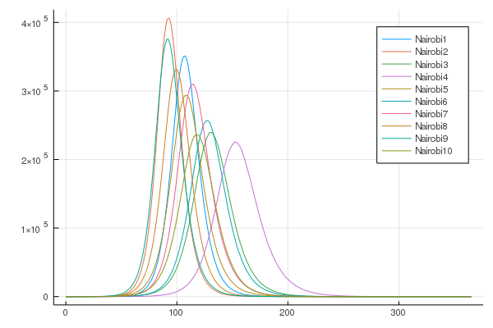
0.05 | 3 | 1.00E+03 | P.τ=1/15. | 10.00 | local | session2 | cmd1 done | simulation with proba tau=0.05 114.814059 seconds (5.61 G allocations: 189.372 GiB, 13.67% gc time) simulation with proba tau=0.05 120.863301 seconds (5.65 G allocations: 190.418 GiB, 13.43% gc time) simulation with proba tau=0.05 134.330115 seconds (5.77 G allocations: 194.655 GiB, 14.10% gc time) simulation with proba tau=0.05 156.187995 seconds (6.45 G allocations: 217.902 GiB, 13.90% gc time) simulation with proba tau=0.05 233.803480 seconds (8.50 G allocations: 286.297 GiB, 13.80% gc time) simulation with proba tau=0.05 158.042016 seconds (6.12 G allocations: 206.468 GiB, 14.66% gc time) simulation with proba tau=0.05 214.055971 seconds (8.08 G allocations: 272.164 GiB, 14.02% gc time) simulation with proba tau=0.05 217.503088 seconds (8.44 G allocations: 284.440 GiB, 14.05% gc time) simulation with proba tau=0.05 179.027763 seconds (6.19 G allocations: 208.564 GiB, 14.15% gc time) simulation with proba tau=0.05 231.544493 seconds (8.93 G allocations: 300.480 GiB, 13.51% gc time) |  | 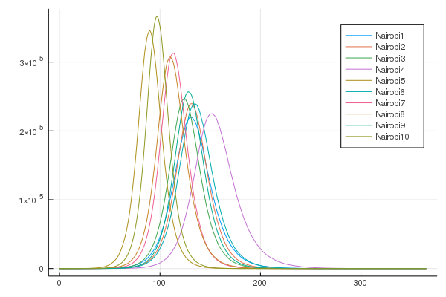
0.05 | 7 | 1.00E+03 | P.τ=1/15. | 10.00 | local | session3 | cmd2 done | simulation with proba tau=0.05 184.610437 seconds (7.13 G allocations: 240.279 GiB, 15.48% gc time) simulation with proba tau=0.05 163.567050 seconds (6.22 G allocations: 209.356 GiB, 14.23% gc time) simulation with proba tau=0.05 299.946454 seconds (10.32 G allocations: 347.127 GiB, 13.74% gc time) simulation with proba tau=0.05 173.623348 seconds (6.39 G allocations: 215.357 GiB, 13.61% gc time) simulation with proba tau=0.05 227.613141 seconds (8.58 G allocations: 288.598 GiB, 13.71% gc time) simulation with proba tau=0.05 289.880779 seconds (10.27 G allocations: 345.706 GiB, 13.15% gc time) simulation with proba tau=0.05 84.126185 seconds (3.33 G allocations: 112.530 GiB, 15.02% gc time) simulation with proba tau=0.05 216.925708 seconds (8.59 G allocations: 289.041 GiB, 13.59% gc time) simulation with proba tau=0.05 131.304560 seconds (5.28 G allocations: 177.951 GiB, 14.02% gc time) simulation with proba tau=0.05 352.678527 seconds (13.00 G allocations: 437.049 GiB, 13.05% gc time) | 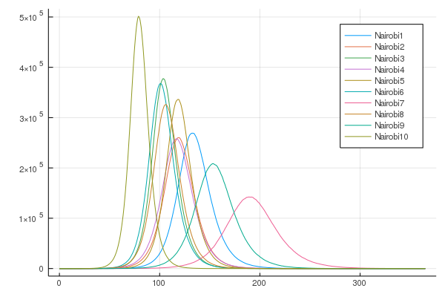
0.05 | 7 | 1.00E+05 | P.τ=1/15. | 10.00 | local | session4 | cmd3 done in email | simulation with proba tau=0.05 113.979498 seconds (3.82 G allocations: 129.089 GiB, 16.19% gc time) simulation with proba tau=0.05 263.568591 seconds (9.45 G allocations: 317.980 GiB, 15.06% gc time) simulation with proba tau=0.05 177.851174 seconds (6.49 G allocations: 218.552 GiB, 14.73% gc time) simulation with proba tau=0.05 188.642622 seconds (7.27 G allocations: 244.884 GiB, 14.02% gc time) simulation with proba tau=0.05 150.093858 seconds (5.67 G allocations: 191.236 GiB, 14.60% gc time) simulation with proba tau=0.05 149.637803 seconds (5.37 G allocations: 181.080 GiB, 14.08% gc time) simulation with proba tau=0.05 178.412969 seconds (7.00 G allocations: 235.678 GiB, 14.29% gc time) simulation with proba tau=0.05 246.198850 seconds (9.78 G allocations: 329.057 GiB, 13.24% gc time) simulation with proba tau=0.05 260.092797 seconds (10.10 G allocations: 339.876 GiB, 14.09% gc time) simulation with proba tau=0.05 154.303532 seconds (6.50 G allocations: 218.867 GiB, 14.57% gc time) |  | 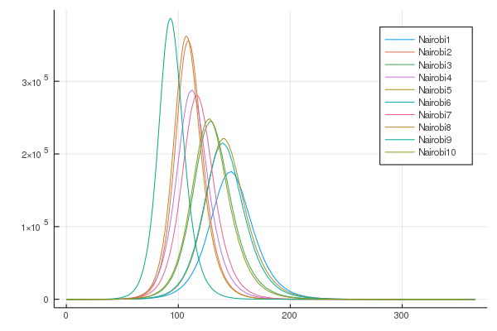
0.1 | 3 | 1.00E+03 | P.τ=1/15. | 10.00 | local | session5 | cmd1 done | simulation with proba tau=0.1 893.134583 seconds (32.60 G allocations: 1.070 TiB, 12.86% gc time) simulation with proba tau=0.1 594.944788 seconds (21.15 G allocations: 711.929 GiB, 13.26% gc time) simulation with proba tau=0.1 743.240608 seconds (26.29 G allocations: 884.038 GiB, 13.03% gc time) simulation with proba tau=0.1 590.393394 seconds (21.18 G allocations: 712.991 GiB, 12.85% gc time) simulation with proba tau=0.1 691.667239 seconds (25.76 G allocations: 866.248 GiB, 13.23% gc time) simulation with proba tau=0.1 561.138988 seconds (19.80 G allocations: 666.283 GiB, 13.01% gc time) simulation with proba tau=0.1 856.682734 seconds (30.21 G allocations: 1015.638 GiB, 12.88% gc time) simulation with proba tau=0.1 757.956577 seconds (27.10 G allocations: 911.228 GiB, 12.98% gc time) simulation with proba tau=0.1 995.972269 seconds (35.29 G allocations: 1.158 TiB, 12.77% gc time) simulation with proba tau=0.1 1235.597833 seconds (45.61 G allocations: 1.497 TiB, 12.54% gc time) | 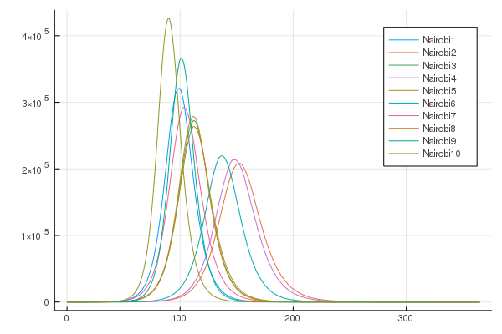
0.1 | 7 | 1.00E+03 | P.τ=1/15. | 10.00 | local | session6 | cmd2 done | simulation with proba tau=0.1 375.460161 seconds (13.70 G allocations: 461.308 GiB, 13.46% gc time) simulation with proba tau=0.1 730.908546 seconds (26.24 G allocations: 881.816 GiB, 12.91% gc time) simulation with proba tau=0.1 740.654664 seconds (26.10 G allocations: 877.590 GiB, 12.81% gc time) simulation with proba tau=0.1 345.559198 seconds (12.65 G allocations: 425.912 GiB, 13.64% gc time) simulation with proba tau=0.1 818.228857 seconds (29.32 G allocations: 985.592 GiB, 12.67% gc time) simulation with proba tau=0.1 405.442935 seconds (14.18 G allocations: 477.176 GiB, 12.95% gc time) simulation with proba tau=0.1 864.569994 seconds (30.06 G allocations: 1010.258 GiB, 12.66% gc time) simulation with proba tau=0.1 903.404747 seconds (31.20 G allocations: 1.024 TiB, 12.51% gc time) simulation with proba tau=0.1 1200.483694 seconds (41.06 G allocations: 1.347 TiB, 12.18% gc time) simulation with proba tau=0.1 733.707059 seconds (25.95 G allocations: 872.493 GiB, 12.77% gc time) | 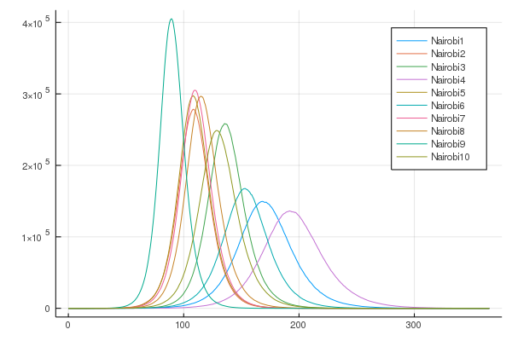
0.1 | 7 | 1.00E+05 | P.τ=1/15. | 10.00 | local | session7 | cmd3 done in email | simulation with proba tau=0.1 824.971843 seconds (30.06 G allocations: 1010.090 GiB, 13.15% gc time) simulation with proba tau=0.1 498.327430 seconds (18.02 G allocations: 605.979 GiB, 13.31% gc time) simulation with proba tau=0.1 405.938090 seconds (14.65 G allocations: 493.157 GiB, 13.58% gc time) simulation with proba tau=0.1 590.508343 seconds (20.98 G allocations: 705.747 GiB, 12.81% gc time) simulation with proba tau=0.1 799.691181 seconds (28.63 G allocations: 962.202 GiB, 12.71% gc time) simulation with proba tau=0.1 346.773970 seconds (11.79 G allocations: 397.110 GiB, 14.76% gc time) simulation with proba tau=0.1 800.249669 seconds (27.40 G allocations: 920.847 GiB, 13.24% gc time) simulation with proba tau=0.1 910.286169 seconds (31.68 G allocations: 1.040 TiB, 12.64% gc time) simulation with proba tau=0.1 969.596101 seconds (33.27 G allocations: 1.092 TiB, 12.33% gc time) simulation with proba tau=0.1 1009.245251 seconds (35.74 G allocations: 1.173 TiB, 12.62% gc time) | 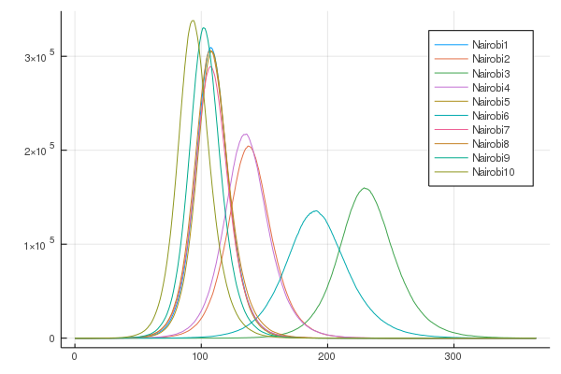
 |  |  | P.τ=1/15. |  |  | session8
 |  |  | P.τ=1/15. |  |  | session9
0.3 | 3 | 1.00E+03 | P.τ=1/15. | 5.00 | ntd | session10 | putty1 display error | simulation with proba tau=0.3 10600.981872 seconds (256.42 G allocations: 8.405 TiB, 13.54% gc time) | 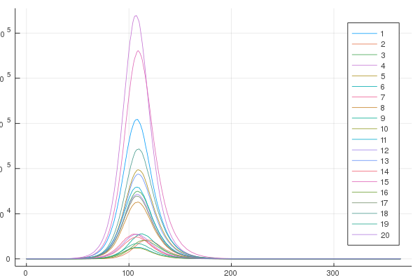
0.3 | 7 | 1.00E+03 | P.τ=1/15. | 5.00 | ntd | session11 | putty2 display error | simulation with proba tau=0.3 8742.072804 seconds (203.11 G allocations: 6.657 TiB, 13.60% gc time) | 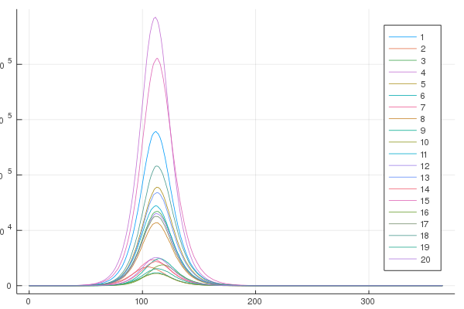
0.3 | 7 | 1.00E+05 | P.τ=1/15. | 5.00 | ntd | session12 | putty3 display error | simulation with proba tau=0.3 11322.059311 seconds (261.41 G allocations: 8.566 TiB, 13.56% gc time) |  | 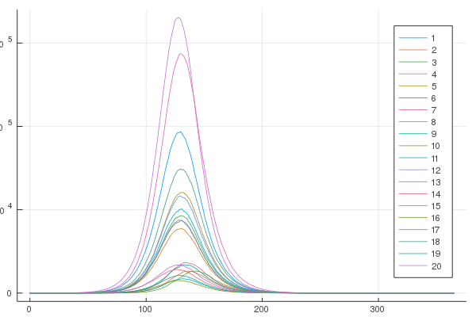
0.5 | 3 | 1.00E+03 | P.τ=1/15. | 5.00 | ntd | session13 | putty4 display error | simulation with proba tau=0.5 22995.388461 seconds (521.51 G allocations: 17.086 TiB, 13.47% gc time)
0.5 | 7 | 1.00E+03 | P.τ=1/15. | 5.00 | ntd | session14 | putty5 display error | simulation with proba tau=0.5 5436.393594 seconds (132.91 G allocations: 4.358 TiB, 14.29% gc time) | 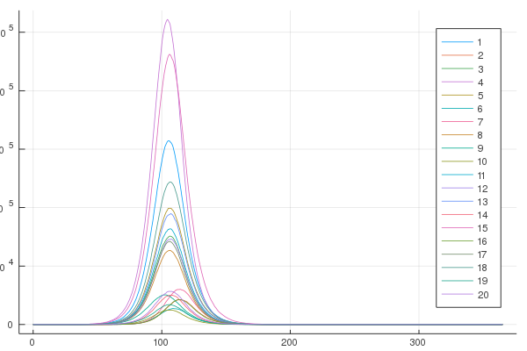 | 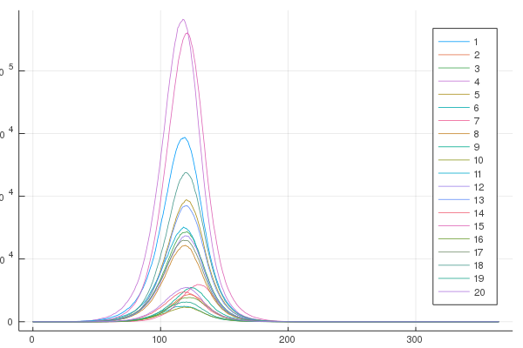
0.5 | 7 | 1.00E+05 | P.τ=1/15. |  |  | session15
0.8 | 3 | 1.00E+03 | P.τ=1/15. | 5.00 | local | session16 | cmd1 restarted interrupted voluntarily | simulation with proba tau=0.8 5309.164294 seconds (186.63 G allocations: 6.118 TiB, 12.29% gc time) simulation with proba tau=0.8 40262.516724 seconds (1.47 T allocations: 48.065 TiB, 12.60% gc time)
0.8 | 7 | 1.00E+03 | P.τ=1/15. | 5.00 | local | session17 | cmd2 restarted | simulation with proba tau=0.8 20787.508871 seconds (748.62 G allocations: 24.522 TiB, 12.45% gc time) simulation with proba tau=0.8 25201.068121 seconds (884.85 G allocations: 28.985 TiB, 12.10% gc time)
0.8 | 7 | 1.00E+05 | P.τ=1/15. | 5.00 | local | session18 | cmd3 restarted

0.05 | 7 | 1.00E+04 | P.τ=1/3. | 10.00 | local | session20 | cmd1
0.1 | 7 | 1.00E+04 | P.τ=1/3. | 10.00 | local | session21 | cmd1
0.05 | 7 | 1.00E+04 | P.τ=1/3. | 100.00 | local | session22 | atom | simulation with proba tau=0.05 Tracing stopped at 79.5 2.003421 seconds (42.59 M allocations: 1.112 GiB, 5.31% gc time) simulation with proba tau=0.05 Tracing stopped at 98.5 2.042221 seconds (40.18 M allocations: 1.022 GiB, 5.38% gc time) simulation with proba tau=0.05 Tracing stopped at 115.0 2.041601 seconds (37.02 M allocations: 930.153 MiB, 4.27% gc time) simulation with proba tau=0.05 Tracing stopped at 94.5 2.052149 seconds (40.36 M allocations: 1.030 GiB, 5.26% gc time) simulation with proba tau=0.05 Tracing stopped at 119.5 2.079595 seconds (40.71 M allocations: 1.032 GiB, 3.90% gc time) simulation with proba tau=0.05 Tracing stopped at 87.0 2.098371 seconds (45.51 M allocations: 1.207 GiB, 5.17% gc time) simulation with proba tau=0.05 Tracing stopped at 64.5 2.040598 seconds (45.67 M allocations: 1.221 GiB, 4.95% gc time) simulation with proba tau=0.05 Tracing stopped at 82.0 2.105577 seconds (42.33 M allocations: 1.101 GiB, 5.38% gc time) simulation with proba tau=0.05 Tracing stopped at 57.5 2.135255 seconds (51.33 M allocations: 1.416 GiB, 6.49% gc time) simulation with proba tau=0.05 Tracing stopped at 82.0 1.967834 seconds (38.15 M allocations: 983.447 MiB, 4.34% gc time) simulation with proba tau=0.05 Tracing stopped at 93.5 2.072260 seconds (38.90 M allocations: 1002.318 MiB, 4.43% gc time) simulation with proba tau=0.05 Tracing stopped at 122.5 2.179359 seconds (38.07 M allocations: 961.327 MiB, 4.31% gc time) simulation with proba tau=0.05 Tracing stopped at 119.0 2.137033 seconds (40.99 M allocations: 1.040 GiB, 4.49% gc time) simulation with proba tau=0.05 Tracing stopped at 60.0 2.110369 seconds (49.93 M allocations: 1.369 GiB, 6.10% gc time) simulation with proba tau=0.05 Tracing stopped at 102.5 2.044016 seconds (39.46 M allocations: 102
0.1 | 7 | 1.00E+04 | P.τ=1/3. | 100.00 | local | session23 | cmd1 - restarted on atom | simulation 1 with proba tau=0.1 Tracing stopped at 72.0 2.124524 seconds (42.92 M allocations: 1.126 GiB, 5.34% gc time) simulation 2 with proba tau=0.1 Tracing stopped at 72.0 2.201765 seconds (44.33 M allocations: 1.174 GiB, 5.61% gc time) simulation 3 with proba tau=0.1 Tracing stopped at 96.5 2.251545 seconds (39.09 M allocations: 1009.552 MiB, 5.17% gc time) simulation 4 with proba tau=0.1 Tracing stopped at 74.5 2.321613 seconds (45.65 M allocations: 1.217 GiB, 4.94% gc time) simulation 5 with proba tau=0.1 Tracing stopped at 63.5 2.402679 seconds (50.46 M allocations: 1.386 GiB, 6.98% gc time) simulation 6 with proba tau=0.1 Tracing stopped at 85.0 2.214907 seconds (39.21 M allocations: 1017.793 MiB, 5.68% gc time) simulation 7 with proba tau=0.1 Tracing stopped at 73.5 2.140176 seconds (41.14 M allocations: 1.065 GiB, 5.51% gc time) simulation 8 with proba tau=0.1 Tracing stopped at 91.0 2.192970 seconds (39.85 M allocations: 1.013 GiB, 5.34% gc time) simulation 9 with proba tau=0.1 Tracing stopped at 74.0 2.194687 seconds (42.50 M allocations: 1.110 GiB, 16.03% gc time) simulation 10 with proba tau=0.1 Tracing stopped at 88.5 2.046942 seconds (44.67 M allocations: 1.179 GiB, 9.20% gc time) simulation 11 with proba tau=0.1 Tracing stopped at 52.5 2.460669 seconds (61.88 M allocations: 1.775 GiB, 18.40% gc time) simulation 12 with proba tau=0.1 Tracing stopped at 80.0 2.039215 seconds (42.98 M allocations: 1.125 GiB, 8.84% gc time) simulation 13 with proba tau=0.1 Tracing stopped at 94.0 2.336130 seconds (38.30 M allocations: 983.669 MiB, 14.41% gc time) simulation 14 with proba tau=0.1 Tracing stopped at 100.0 2.049771 seconds (40.01 M allocations: 1.017 GiB, 8.16% gc time) simulation 15 with proba tau=0.1 Tracing stopped at 75.0 2.203035 seconds (44.20 M allocations: 1.168 GiB, 15.93% gc time) s
0.2 | 7 | 1.00E+04 | P.τ=1/3. | 100.00 | local | session24 | atom | simulation 1 with proba tau=0.2 Tracing stopped at 70.5 2.195413 seconds (41.16 M allocations: 1.067 GiB, 5.91% gc time) simulation 2 with proba tau=0.2 Tracing stopped at 104.5 2.364399 seconds (36.90 M allocations: 928.448 MiB, 5.48% gc time) simulation 3 with proba tau=0.2 Tracing stopped at 101.5 2.336705 seconds (36.89 M allocations: 931.749 MiB, 5.18% gc time) simulation 4 with proba tau=0.2 Tracing stopped at 106.5 2.394933 seconds (38.32 M allocations: 979.456 MiB, 5.48% gc time) simulation 5 with proba tau=0.2 Tracing stopped at 78.5 2.513670 seconds (41.87 M allocations: 1.089 GiB, 15.55% gc time) simulation 6 with proba tau=0.2 Tracing stopped at 65.0 2.374505 seconds (44.40 M allocations: 1.179 GiB, 5.47% gc time) simulation 7 with proba tau=0.2 Tracing stopped at 85.5 2.237031 seconds (37.86 M allocations: 972.199 MiB, 5.46% gc time) simulation 8 with proba tau=0.2 Tracing stopped at 61.0 2.542352 seconds (51.53 M allocations: 1.422 GiB, 13.48% gc time) simulation 9 with proba tau=0.2 Tracing stopped at 64.5 2.411814 seconds (50.03 M allocations: 1.370 GiB, 5.47% gc time) simulation 10 with proba tau=0.2 Tracing stopped at 72.0 2.593445 seconds (45.21 M allocations: 1.204 GiB, 20.90% gc time) simulation 11 with proba tau=0.2 Tracing stopped at 74.0 2.192262 seconds (39.92 M allocations: 1.023 GiB, 9.73% gc time) simulation 12 with proba tau=0.2 Tracing stopped at 61.0 2.242158 seconds (47.64 M allocations: 1.291 GiB, 11.58% gc time) simulation 13 with proba tau=0.2 Tracing stopped at 81.5 2.207940 seconds (40.63 M allocations: 1.045 GiB, 10.45% gc time) simulation 14 with proba tau=0.2 Tracing stopped at 67.0 2.171058 seconds (41.83 M allocations: 1.091 GiB, 10.21% gc time) simulation 15 with proba tau=0.2 Tracing stopped at 76.0 2.440758 seconds (41.08 M allocations: 1.062 GiB, 17.39% gc tim
0.3 | 7 | 1.00E+04 | P.τ=1/3. | 100.00 | local | session25 | atom | simulation 1 with proba tau=0.2 Tracing stopped at 70.5 2.195413 seconds (41.16 M allocations: 1.067 GiB, 5.91% gc time) simulation 2 with proba tau=0.2 Tracing stopped at 104.5 2.364399 seconds (36.90 M allocations: 928.448 MiB, 5.48% gc time) simulation 3 with proba tau=0.2 Tracing stopped at 101.5 2.336705 seconds (36.89 M allocations: 931.749 MiB, 5.18% gc time) simulation 4 with proba tau=0.2 Tracing stopped at 106.5 2.394933 seconds (38.32 M allocations: 979.456 MiB, 5.48% gc time) simulation 5 with proba tau=0.2 Tracing stopped at 78.5 2.513670 seconds (41.87 M allocations: 1.089 GiB, 15.55% gc time) simulation 6 with proba tau=0.2 Tracing stopped at 65.0 2.374505 seconds (44.40 M allocations: 1.179 GiB, 5.47% gc time) simulation 7 with proba tau=0.2 Tracing stopped at 85.5 2.237031 seconds (37.86 M allocations: 972.199 MiB, 5.46% gc time) simulation 8 with proba tau=0.2 Tracing stopped at 61.0 2.542352 seconds (51.53 M allocations: 1.422 GiB, 13.48% gc time) simulation 9 with proba tau=0.2 Tracing stopped at 64.5 2.411814 seconds (50.03 M allocations: 1.370 GiB, 5.47% gc time) simulation 10 with proba tau=0.2 Tracing stopped at 72.0 2.593445 seconds (45.21 M allocations: 1.204 GiB, 20.90% gc time) simulation 11 with proba tau=0.2 Tracing stopped at 74.0 2.192262 seconds (39.92 M allocations: 1.023 GiB, 9.73% gc time) simulation 12 with proba tau=0.2 Tracing stopped at 61.0 2.242158 seconds (47.64 M allocations: 1.291 GiB, 11.58% gc time) simulation 13 with proba tau=0.2 Tracing stopped at 81.5 2.207940 seconds (40.63 M allocations: 1.045 GiB, 10.45% gc time) simulation 14 with proba tau=0.2 Tracing stopped at 67.0 2.171058 seconds (41.83 M allocations: 1.091 GiB, 10.21% gc time) simulation 15 with proba tau=0.2 Tracing stopped at 76.0 2.440758 seconds (41.08 M allocations: 1.062 GiB, 17.39% gc tim
0.4 | 7 | 1.00E+04 | P.τ=1/3. | 100.00 |  | session26 | cmd | simulation 1 with proba tau=0.4 Tracing stopped at 84.0 6.198565 seconds (53.26 M allocations: 1.690 GiB, 4.64% gc time) simulation 2 with proba tau=0.4 Tracing stopped at 70.0 2.024496 seconds (37.72 M allocations: 973.329 MiB, 5.50% gc time) simulation 3 with proba tau=0.4 Tracing stopped at 144.5 2.248187 seconds (36.57 M allocations: 902.026 MiB, 4.90% gc time) simulation 4 with proba tau=0.4 Tracing stopped at 75.5 2.099301 seconds (39.86 M allocations: 1.021 GiB, 6.83% gc time) simulation 5 with proba tau=0.4 Tracing stopped at 92.5 2.240890 seconds (37.83 M allocations: 967.940 MiB, 4.90% gc time) simulation 6 with proba tau=0.4 Tracing stopped at 69.5 2.196634 seconds (40.78 M allocations: 1.055 GiB, 5.79% gc time) simulation 7 with proba tau=0.4 Tracing stopped at 69.0 2.229494 seconds (43.00 M allocations: 1.132 GiB, 5.89% gc time) simulation 8 with proba tau=0.4 Tracing stopped at 100.5 2.417664 seconds (37.56 M allocations: 954.575 MiB, 6.32% gc time) simulation 9 with proba tau=0.4 Tracing stopped at 87.5 2.416758 seconds (36.81 M allocations: 934.313 MiB, 10.99% gc time) simulation 10 with proba tau=0.4 Tracing stopped at 113.0 2.263992 seconds (37.17 M allocations: 936.507 MiB, 4.42% gc time) simulation 11 with proba tau=0.4 Tracing stopped at 64.5 2.332941 seconds (42.01 M allocations: 1.100 GiB, 5.67% gc time) simulation 12 with proba tau=0.4 Tracing stopped at 62.5 2.308824 seconds (42.84 M allocations: 1.129 GiB, 5.19% gc time) simulation 13 with proba tau=0.4 Tracing stopped at 80.0 2.689547 seconds (42.63 M allocations: 1.114 GiB, 4.72% gc time) simulation 14 with proba tau=0.4 Tracing stopped at 71.0 2.171963 seconds (41.90 M allocations: 1.092 GiB, 4.89% gc time) simulation 15 with proba tau=0.4 Tracing stopped at 76.0 2.164757 seconds (39.96 M allocations: 1.024 GiB, 4.94% gc time)
0.5 | 7 | 1.00E+04 | P.τ=1/3. | 100.00 |  | session27 | atom PERMISSION DENIED done | simulation 1 with proba tau=0.5 Tracing stopped at 87.0 2.154107 seconds (34.43 M allocations: 853.478 MiB, 5.65% gc time) simulation 2 with proba tau=0.5 Tracing stopped at 90.0 2.131494 seconds (38.06 M allocations: 977.146 MiB, 5.17% gc time) simulation 3 with proba tau=0.5 Tracing stopped at 91.0 2.237817 seconds (37.48 M allocations: 957.044 MiB, 4.81% gc time) simulation 4 with proba tau=0.5 Tracing stopped at 51.0 2.142436 seconds (45.79 M allocations: 1.232 GiB, 5.29% gc time) simulation 5 with proba tau=0.5 Tracing stopped at 62.5 2.022630 seconds (39.34 M allocations: 1.010 GiB, 5.29% gc time) simulation 6 with proba tau=0.5 Tracing stopped at 90.0 2.093874 seconds (34.73 M allocations: 860.692 MiB, 5.13% gc time) simulation 7 with proba tau=0.5 Tracing stopped at 95.5 2.233684 seconds (34.11 M allocations: 836.624 MiB, 5.02% gc time) simulation 8 with proba tau=0.5 Tracing stopped at 85.0 2.199560 seconds (35.94 M allocations: 905.603 MiB, 5.20% gc time) simulation 9 with proba tau=0.5 Tracing stopped at 85.0 2.118366 seconds (38.52 M allocations: 995.492 MiB, 5.18% gc time) simulation 10 with proba tau=0.5 Tracing stopped at 110.5 6.636080 seconds (37.81 M allocations: 958.889 MiB, 67.85% gc time) simulation 11 with proba tau=0.5 Tracing stopped at 92.0 1.992842 seconds (36.52 M allocations: 923.111 MiB, 4.39% gc time) simulation 12 with proba tau=0.5 Tracing stopped at 66.0 2.023740 seconds (40.91 M allocations: 1.061 GiB, 5.10% gc time) simulation 13 with proba tau=0.5 Tracing stopped at 103.0 2.054350 seconds (37.04 M allocations: 936.821 MiB, 4.55% gc time) simulation 14 with proba tau=0.5 Tracing stopped at 72.5 2.054546 seconds (37.07 M allocations: 949.517 MiB, 4.18% gc time) simulation 15 with proba tau=0.5 Tracing stopped at 70.0 2.052074 seconds (42.06 M allocations: 1.099 GiB, 5.07%
0.6 | 7 | 1.00E+04 | P.τ=1/3. | 100.00 |  | session28 | cmd2 | simulation 1 with proba tau=0.6 Tracing stopped at 85.0 6.485830 seconds (52.52 M allocations: 1.664 GiB, 5.09% gc time) simulation 2 with proba tau=0.6 Tracing stopped at 81.5 2.146148 seconds (39.02 M allocations: 1014.220 MiB, 5.86% gc time) simulation 3 with proba tau=0.6 Tracing stopped at 66.0 2.032437 seconds (39.11 M allocations: 1023.309 MiB, 5.45% gc time) simulation 4 with proba tau=0.6 Tracing stopped at 126.0 2.247397 seconds (37.09 M allocations: 926.065 MiB, 5.27% gc time) simulation 5 with proba tau=0.6 Tracing stopped at 70.5 2.289962 seconds (40.21 M allocations: 1.036 GiB, 5.85% gc time) simulation 6 with proba tau=0.6 Tracing stopped at 52.5 2.106230 seconds (42.91 M allocations: 1.134 GiB, 7.73% gc time) simulation 7 with proba tau=0.6 Tracing stopped at 98.5 2.327777 seconds (40.94 M allocations: 1.048 GiB, 6.66% gc time) simulation 8 with proba tau=0.6 Tracing stopped at 101.5 2.487882 seconds (43.29 M allocations: 1.127 GiB, 10.09% gc time) simulation 9 with proba tau=0.6 Tracing stopped at 66.0 2.298520 seconds (41.71 M allocations: 1.088 GiB, 4.67% gc time) simulation 10 with proba tau=0.6 Tracing stopped at 80.0 2.228934 seconds (38.88 M allocations: 1009.760 MiB, 5.29% gc time) simulation 11 with proba tau=0.6 Tracing stopped at 80.0 2.213894 seconds (37.83 M allocations: 973.548 MiB, 4.79% gc time) simulation 12 with proba tau=0.6 Tracing stopped at 68.5 2.148514 seconds (36.79 M allocations: 942.171 MiB, 4.84% gc time) simulation 13 with proba tau=0.6 Tracing stopped at 75.0 2.072504 seconds (37.99 M allocations: 979.624 MiB, 3.96% gc time) simulation 14 with proba tau=0.6 Tracing stopped at 82.5 2.198177 seconds (48.03 M allocations: 1.294 GiB, 5.78% gc time) simulation 15 with proba tau=0.6 Tracing stopped at 82.5 1.954222 seconds (36.56 M allocations: 929.884 MiB, 4.06% gc
0.7 | 7 | 1.00E+04 | P.τ=1/3. | 100.00 |  | session29 | cmd3 | simulation 1 with proba tau=0.7 Tracing stopped at 82.0 6.589961 seconds (53.77 M allocations: 1.709 GiB, 4.65% gc time) simulation 2 with proba tau=0.7 Tracing stopped at 55.5 2.107534 seconds (40.53 M allocations: 1.053 GiB, 5.69% gc time) simulation 3 with proba tau=0.7 Tracing stopped at 67.5 2.133087 seconds (38.00 M allocations: 984.152 MiB, 4.81% gc time) simulation 4 with proba tau=0.7 Tracing stopped at 72.5 2.341777 seconds (39.29 M allocations: 1.002 GiB, 4.54% gc time) simulation 5 with proba tau=0.7 Tracing stopped at 136.5 2.382610 seconds (35.30 M allocations: 862.202 MiB, 4.69% gc time) simulation 6 with proba tau=0.7 Tracing stopped at 69.0 2.312331 seconds (37.40 M allocations: 963.401 MiB, 6.79% gc time) simulation 7 with proba tau=0.7 Tracing stopped at 73.5 2.268001 seconds (39.74 M allocations: 1.018 GiB, 9.74% gc time) simulation 8 with proba tau=0.7 Tracing stopped at 66.5 2.264850 seconds (39.28 M allocations: 1.006 GiB, 5.18% gc time) simulation 9 with proba tau=0.7 Tracing stopped at 42.0 2.432935 seconds (57.43 M allocations: 1.630 GiB, 7.16% gc time) simulation 10 with proba tau=0.7 Tracing stopped at 95.0 2.166727 seconds (36.63 M allocations: 925.520 MiB, 4.24% gc time) simulation 11 with proba tau=0.7 Tracing stopped at 82.5 2.165661 seconds (36.98 M allocations: 942.944 MiB, 4.69% gc time) simulation 12 with proba tau=0.7 Tracing stopped at 76.0 2.064836 seconds (35.82 M allocations: 906.198 MiB, 4.68% gc time) simulation 13 with proba tau=0.7 Tracing stopped at 86.5 2.011119 seconds (34.75 M allocations: 863.438 MiB, 3.81% gc time) simulation 14 with proba tau=0.7 Tracing stopped at 70.0 1.976893 seconds (36.41 M allocations: 928.455 MiB, 4.94% gc time) simulation 15 with proba tau=0.7 Tracing stopped at 89.5 2.184509 seconds (35.29 M allocations: 881.432 MiB, 3.46% gc ti
0.8 | 7 | 1.00E+04 | P.τ=1/3. | 100.00 | local | session30 | atom | simulation 1 with proba tau=0.8 Tracing stopped at 105.0 2.093193 seconds (37.72 M allocations: 961.884 MiB) simulation 2 with proba tau=0.8 Tracing stopped at 60.0 2.177100 seconds (40.67 M allocations: 1.056 GiB, 5.52% gc time) simulation 3 with proba tau=0.8 Tracing stopped at 77.5 2.126967 seconds (36.03 M allocations: 912.652 MiB, 5.80% gc time) simulation 4 with proba tau=0.8 Tracing stopped at 94.5 2.194746 seconds (34.85 M allocations: 864.434 MiB, 6.03% gc time) simulation 5 with proba tau=0.8 Tracing stopped at 57.0 2.133877 seconds (41.57 M allocations: 1.088 GiB, 5.84% gc time) simulation 6 with proba tau=0.8 Tracing stopped at 72.5 2.291357 seconds (39.80 M allocations: 1.021 GiB, 5.68% gc time) simulation 7 with proba tau=0.8 Tracing stopped at 67.5 2.107908 seconds (36.29 M allocations: 925.506 MiB, 6.25% gc time) simulation 8 with proba tau=0.8 Tracing stopped at 100.0 2.493861 seconds (35.97 M allocations: 900.256 MiB, 14.73% gc time) simulation 9 with proba tau=0.8 Tracing stopped at 74.0 2.148619 seconds (36.49 M allocations: 929.122 MiB, 5.90% gc time) simulation 10 with proba tau=0.8 Tracing stopped at 97.0 2.430777 seconds (34.71 M allocations: 858.092 MiB, 16.29% gc time) simulation 11 with proba tau=0.8 Tracing stopped at 85.5 2.388188 seconds (38.12 M allocations: 981.444 MiB, 9.00% gc time) simulation 12 with proba tau=0.8 Tracing stopped at 72.0 2.052210 seconds (37.63 M allocations: 970.887 MiB, 9.82% gc time) simulation 13 with proba tau=0.8 Tracing stopped at 63.5 2.070479 seconds (40.40 M allocations: 1.044 GiB, 10.33% gc time) simulation 14 with proba tau=0.8 Tracing stopped at 61.0 2.110857 seconds (40.56 M allocations: 1.051 GiB, 9.78% gc time) simulation 15 with proba tau=0.8 Tracing stopped at 56.5 2.418308 seconds (43.87 M allocations: 1.165 GiB, 18.59% gc time) simul

 | /opt/ohpc/pub/apps/julia/1.3.1/bin/julia /home/rabiaaziza/julia_projects/KenyaCoV-MakingContacts_v3_2020-03-04/contacts/run_session

 | cd("C:\\Users\\rabia\\Documents\\GitHub\\KenyaCoV")

