Sheet1
tau p | Km = DELTAm | K_max_capacity | P.τ detection rate | n sims | server | session name | status
0 | - | - | P.τ=1/15. | 10.00 | local | session1 | cmd1 done in email | simulation with proba tau=0.0 1.495146 seconds (26.32 M allocations: 594.218 MiB, 3.52% gc time) simulation with proba tau=0.0 1.510263 seconds (26.32 M allocations: 594.090 MiB, 3.98% gc time) simulation with proba tau=0.0 1.565015 seconds (26.36 M allocations: 594.731 MiB, 2.87% gc time) simulation with proba tau=0.0 1.646556 seconds (26.39 M allocations: 595.273 MiB, 3.78% gc time) simulation with proba tau=0.0 1.577157 seconds (26.38 M allocations: 595.055 MiB, 3.45% gc time) simulation with proba tau=0.0 1.578629 seconds (26.36 M allocations: 594.773 MiB, 3.21% gc time) simulation with proba tau=0.0 1.572280 seconds (26.38 M allocations: 595.087 MiB, 3.31% gc time) simulation with proba tau=0.0 1.531952 seconds (26.34 M allocations: 594.397 MiB, 3.85% gc time) simulation with proba tau=0.0 1.494798 seconds (26.34 M allocations: 594.538 MiB, 2.55% gc time) simulation with proba tau=0.0 1.554494 seconds (26.34 M allocations: 594.499 MiB, 2.64% gc time) | 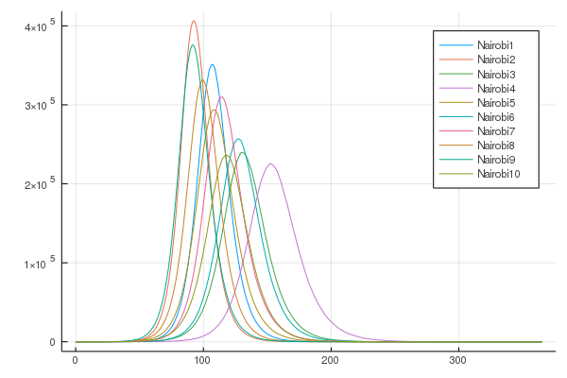
0.05 | 3 | 1.00E+03 | P.τ=1/15. | 10.00 | local | session2 | cmd1 done | simulation with proba tau=0.05 114.814059 seconds (5.61 G allocations: 189.372 GiB, 13.67% gc time) simulation with proba tau=0.05 120.863301 seconds (5.65 G allocations: 190.418 GiB, 13.43% gc time) simulation with proba tau=0.05 134.330115 seconds (5.77 G allocations: 194.655 GiB, 14.10% gc time) simulation with proba tau=0.05 156.187995 seconds (6.45 G allocations: 217.902 GiB, 13.90% gc time) simulation with proba tau=0.05 233.803480 seconds (8.50 G allocations: 286.297 GiB, 13.80% gc time) simulation with proba tau=0.05 158.042016 seconds (6.12 G allocations: 206.468 GiB, 14.66% gc time) simulation with proba tau=0.05 214.055971 seconds (8.08 G allocations: 272.164 GiB, 14.02% gc time) simulation with proba tau=0.05 217.503088 seconds (8.44 G allocations: 284.440 GiB, 14.05% gc time) simulation with proba tau=0.05 179.027763 seconds (6.19 G allocations: 208.564 GiB, 14.15% gc time) simulation with proba tau=0.05 231.544493 seconds (8.93 G allocations: 300.480 GiB, 13.51% gc time) |  | 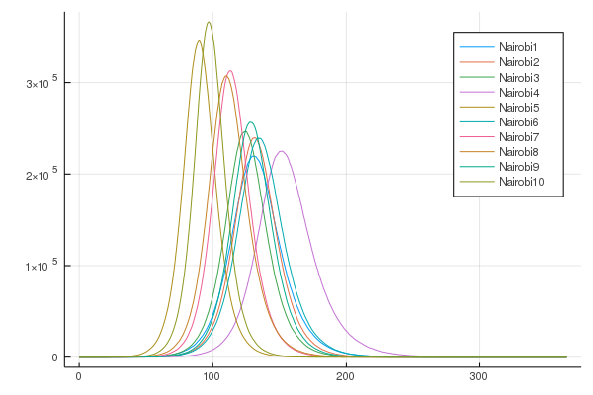
0.05 | 7 | 1.00E+03 | P.τ=1/15. | 10.00 | local | session3 | cmd2 done | simulation with proba tau=0.05 184.610437 seconds (7.13 G allocations: 240.279 GiB, 15.48% gc time) simulation with proba tau=0.05 163.567050 seconds (6.22 G allocations: 209.356 GiB, 14.23% gc time) simulation with proba tau=0.05 299.946454 seconds (10.32 G allocations: 347.127 GiB, 13.74% gc time) simulation with proba tau=0.05 173.623348 seconds (6.39 G allocations: 215.357 GiB, 13.61% gc time) simulation with proba tau=0.05 227.613141 seconds (8.58 G allocations: 288.598 GiB, 13.71% gc time) simulation with proba tau=0.05 289.880779 seconds (10.27 G allocations: 345.706 GiB, 13.15% gc time) simulation with proba tau=0.05 84.126185 seconds (3.33 G allocations: 112.530 GiB, 15.02% gc time) simulation with proba tau=0.05 216.925708 seconds (8.59 G allocations: 289.041 GiB, 13.59% gc time) simulation with proba tau=0.05 131.304560 seconds (5.28 G allocations: 177.951 GiB, 14.02% gc time) simulation with proba tau=0.05 352.678527 seconds (13.00 G allocations: 437.049 GiB, 13.05% gc time) | 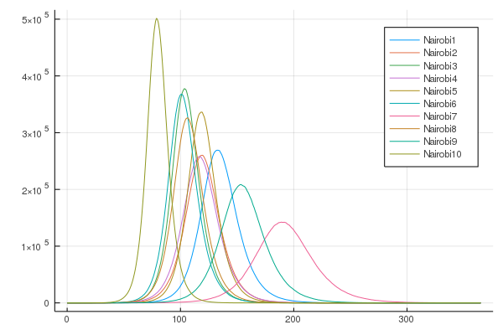
0.05 | 7 | 1.00E+05 | P.τ=1/15. | 10.00 | local | session4 | cmd3 done in email | simulation with proba tau=0.05 113.979498 seconds (3.82 G allocations: 129.089 GiB, 16.19% gc time) simulation with proba tau=0.05 263.568591 seconds (9.45 G allocations: 317.980 GiB, 15.06% gc time) simulation with proba tau=0.05 177.851174 seconds (6.49 G allocations: 218.552 GiB, 14.73% gc time) simulation with proba tau=0.05 188.642622 seconds (7.27 G allocations: 244.884 GiB, 14.02% gc time) simulation with proba tau=0.05 150.093858 seconds (5.67 G allocations: 191.236 GiB, 14.60% gc time) simulation with proba tau=0.05 149.637803 seconds (5.37 G allocations: 181.080 GiB, 14.08% gc time) simulation with proba tau=0.05 178.412969 seconds (7.00 G allocations: 235.678 GiB, 14.29% gc time) simulation with proba tau=0.05 246.198850 seconds (9.78 G allocations: 329.057 GiB, 13.24% gc time) simulation with proba tau=0.05 260.092797 seconds (10.10 G allocations: 339.876 GiB, 14.09% gc time) simulation with proba tau=0.05 154.303532 seconds (6.50 G allocations: 218.867 GiB, 14.57% gc time) |  | 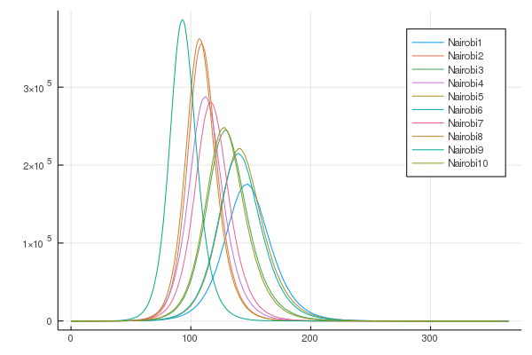
0.1 | 3 | 1.00E+03 | P.τ=1/15. | 10.00 | local | session5 | cmd1 done | simulation with proba tau=0.1 893.134583 seconds (32.60 G allocations: 1.070 TiB, 12.86% gc time) simulation with proba tau=0.1 594.944788 seconds (21.15 G allocations: 711.929 GiB, 13.26% gc time) simulation with proba tau=0.1 743.240608 seconds (26.29 G allocations: 884.038 GiB, 13.03% gc time) simulation with proba tau=0.1 590.393394 seconds (21.18 G allocations: 712.991 GiB, 12.85% gc time) simulation with proba tau=0.1 691.667239 seconds (25.76 G allocations: 866.248 GiB, 13.23% gc time) simulation with proba tau=0.1 561.138988 seconds (19.80 G allocations: 666.283 GiB, 13.01% gc time) simulation with proba tau=0.1 856.682734 seconds (30.21 G allocations: 1015.638 GiB, 12.88% gc time) simulation with proba tau=0.1 757.956577 seconds (27.10 G allocations: 911.228 GiB, 12.98% gc time) simulation with proba tau=0.1 995.972269 seconds (35.29 G allocations: 1.158 TiB, 12.77% gc time) simulation with proba tau=0.1 1235.597833 seconds (45.61 G allocations: 1.497 TiB, 12.54% gc time) | 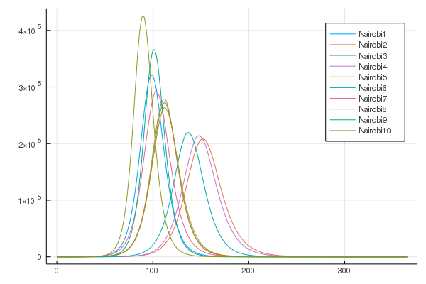
0.1 | 7 | 1.00E+03 | P.τ=1/15. | 10.00 | local | session6 | cmd2 done | simulation with proba tau=0.1 375.460161 seconds (13.70 G allocations: 461.308 GiB, 13.46% gc time) simulation with proba tau=0.1 730.908546 seconds (26.24 G allocations: 881.816 GiB, 12.91% gc time) simulation with proba tau=0.1 740.654664 seconds (26.10 G allocations: 877.590 GiB, 12.81% gc time) simulation with proba tau=0.1 345.559198 seconds (12.65 G allocations: 425.912 GiB, 13.64% gc time) simulation with proba tau=0.1 818.228857 seconds (29.32 G allocations: 985.592 GiB, 12.67% gc time) simulation with proba tau=0.1 405.442935 seconds (14.18 G allocations: 477.176 GiB, 12.95% gc time) simulation with proba tau=0.1 864.569994 seconds (30.06 G allocations: 1010.258 GiB, 12.66% gc time) simulation with proba tau=0.1 903.404747 seconds (31.20 G allocations: 1.024 TiB, 12.51% gc time) simulation with proba tau=0.1 1200.483694 seconds (41.06 G allocations: 1.347 TiB, 12.18% gc time) simulation with proba tau=0.1 733.707059 seconds (25.95 G allocations: 872.493 GiB, 12.77% gc time) | 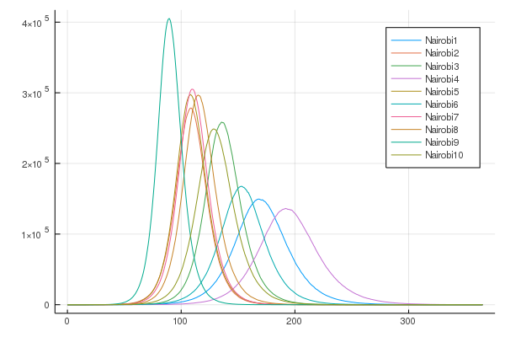
0.1 | 7 | 1.00E+05 | P.τ=1/15. | 10.00 | local | session7 | cmd3 done in email | simulation with proba tau=0.1 824.971843 seconds (30.06 G allocations: 1010.090 GiB, 13.15% gc time) simulation with proba tau=0.1 498.327430 seconds (18.02 G allocations: 605.979 GiB, 13.31% gc time) simulation with proba tau=0.1 405.938090 seconds (14.65 G allocations: 493.157 GiB, 13.58% gc time) simulation with proba tau=0.1 590.508343 seconds (20.98 G allocations: 705.747 GiB, 12.81% gc time) simulation with proba tau=0.1 799.691181 seconds (28.63 G allocations: 962.202 GiB, 12.71% gc time) simulation with proba tau=0.1 346.773970 seconds (11.79 G allocations: 397.110 GiB, 14.76% gc time) simulation with proba tau=0.1 800.249669 seconds (27.40 G allocations: 920.847 GiB, 13.24% gc time) simulation with proba tau=0.1 910.286169 seconds (31.68 G allocations: 1.040 TiB, 12.64% gc time) simulation with proba tau=0.1 969.596101 seconds (33.27 G allocations: 1.092 TiB, 12.33% gc time) simulation with proba tau=0.1 1009.245251 seconds (35.74 G allocations: 1.173 TiB, 12.62% gc time) | 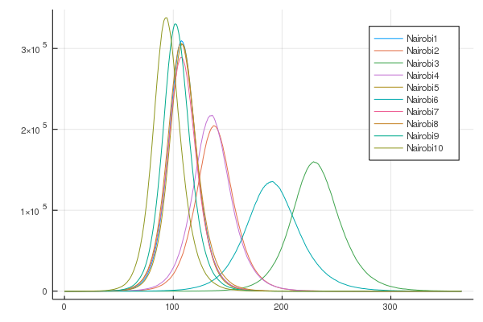
 |  |  | P.τ=1/15. |  |  | session8
 |  |  | P.τ=1/15. |  |  | session9
0.3 | 3 | 1.00E+03 | P.τ=1/15. | 5.00 | ntd | session10 | putty1 display error | simulation with proba tau=0.3 10600.981872 seconds (256.42 G allocations: 8.405 TiB, 13.54% gc time) | 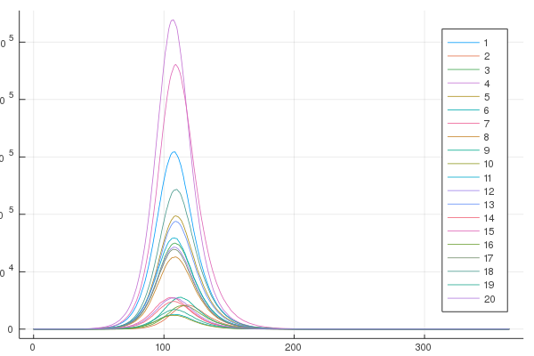
0.3 | 7 | 1.00E+03 | P.τ=1/15. | 5.00 | ntd | session11 | putty2 display error | simulation with proba tau=0.3 8742.072804 seconds (203.11 G allocations: 6.657 TiB, 13.60% gc time) | 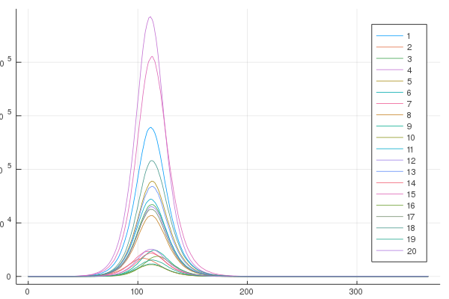
0.3 | 7 | 1.00E+05 | P.τ=1/15. | 5.00 | ntd | session12 | putty3 display error | simulation with proba tau=0.3 11322.059311 seconds (261.41 G allocations: 8.566 TiB, 13.56% gc time) |  | 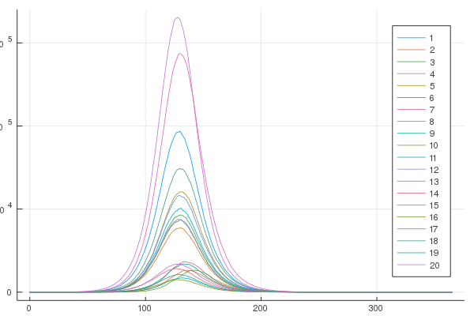
0.5 | 3 | 1.00E+03 | P.τ=1/15. | 5.00 | ntd | session13 | putty4 display error | simulation with proba tau=0.5 22995.388461 seconds (521.51 G allocations: 17.086 TiB, 13.47% gc time)
0.5 | 7 | 1.00E+03 | P.τ=1/15. | 5.00 | ntd | session14 | putty5 display error | simulation with proba tau=0.5 5436.393594 seconds (132.91 G allocations: 4.358 TiB, 14.29% gc time) | 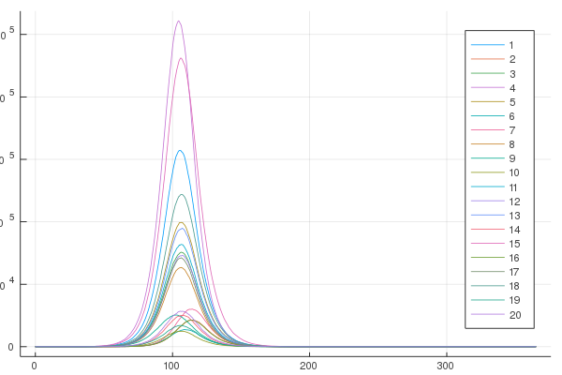 | 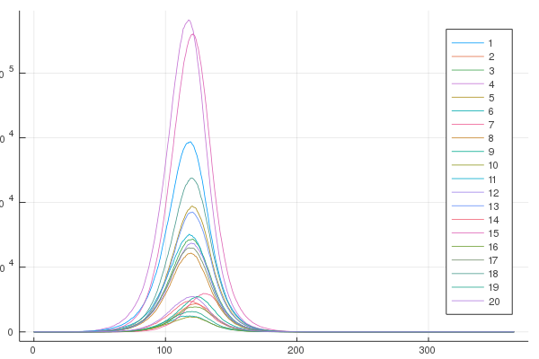
0.5 | 7 | 1.00E+05 | P.τ=1/15. |  |  | session15
0.8 | 3 | 1.00E+03 | P.τ=1/15. | 5.00 | local | session16 | cmd1 restarted interrupted voluntarily | simulation with proba tau=0.8 5309.164294 seconds (186.63 G allocations: 6.118 TiB, 12.29% gc time) simulation with proba tau=0.8 40262.516724 seconds (1.47 T allocations: 48.065 TiB, 12.60% gc time)
0.8 | 7 | 1.00E+03 | P.τ=1/15. | 5.00 | local | session17 | cmd2 restarted | simulation with proba tau=0.8 20787.508871 seconds (748.62 G allocations: 24.522 TiB, 12.45% gc time) simulation with proba tau=0.8 25201.068121 seconds (884.85 G allocations: 28.985 TiB, 12.10% gc time)
0.8 | 7 | 1.00E+05 | P.τ=1/15. | 5.00 | local | session18 | cmd3 restarted

0.05 | 7 | 1.00E+04 | P.τ=1/3. | 10.00 | local | session20 | cmd1
0.1 | 7 | 1.00E+04 | P.τ=1/3. | 10.00 | local | session21 | cmd1
0.05 | 7 | 1.00E+04 | P.τ=1/3. | 100.00 |  | session22
0.1 | 7 | 1.00E+04 | P.τ=1/3. | 100.00 |  | session23
0.2 | 7 | 1.00E+04 | P.τ=1/3. | 100.00 |  | session24
0.3 | 7 | 1.00E+04 | P.τ=1/3. | 100.00 |  | session25
0.4 | 7 | 1.00E+04 | P.τ=1/3. | 100.00 |  | session26
0.5 | 7 | 1.00E+04 | P.τ=1/3. | 100.00 |  | session27
0.6 | 7 | 1.00E+04 | P.τ=1/3. | 100.00 |  | session28
0.7 | 7 | 1.00E+04 | P.τ=1/3. | 100.00 |  | session29
0.8 | 7 | 1.00E+04 | P.τ=1/3. | 100.00 |  | session30

 | /opt/ohpc/pub/apps/julia/1.3.1/bin/julia /home/rabiaaziza/julia_projects/KenyaCoV-MakingContacts_v3_2020-03-04/contacts/run_session

 | cd("C:\\Users\\rabia\\Documents\\GitHub\\KenyaCoV")

