Metadata
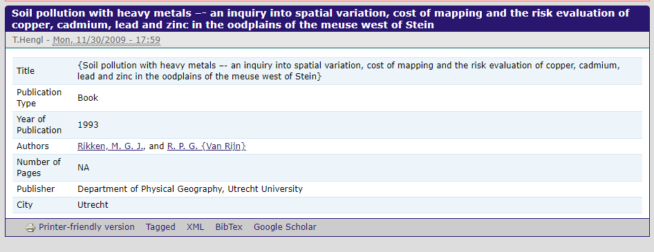
The meuse is a classical geostatistical data set used frequently by the creator of the gstat package to demonstrate various geostatistical analysis steps. The point data set consists of 155 samples of top soil heavy metal concentrations (ppm), along with a number of soil and landscape variables. The samples were collected in a flood plain of the river Meuse, near the village Stein.

 |  | ppm |  |  |  | m | m
X | Y | cadmium | copper | lead | zinc | elev | dist | ffreq | soil
 |  |  |  |  |  |  | distance to river Meuse (in metres). | flooding frequency classes: (1) high flooding frequency, (2) medium flooding frequency, (3) no flooding | distribution of soil types, following the Dutch classification system: (1) Rd10A, Rd90C-VIII, (3) Rd10C (de Fries et al., 2003)

PROJCS["Stereographic_North_Pole",GEOGCS["Bessel 1841",DATUM["D_unknown",SPHEROID["bessel",6377397.155,299.1528128]],PRIMEM["Greenwich",0],UNIT["Degree",0.0174532925199433]],PROJECTION["Polar_Stereographic"],PARAMETER["latitude_of_origin",52.1561605555556],PARAMETER["central_meridian",5.38763888888889],PARAMETER["false_easting",155000],PARAMETER["false_northing",463000],UNIT["metre",1,AUTHORITY["EPSG","9001"]],AXIS["Easting",SOUTH],AXIS["Northing",SOUTH]]

