Q3
 | hypothesis test for 2 variances

 | machine1 | machine2
 | 20.2 | 22.1 |  | Testing hypothesis about a variance
 | 20.9 | 21.3
 | 22.3 | 20.1
 | 22.8 | 22.5 | Ho | σ1^2=σ2^2
 | 21.5 | 20.2 | H1 | σ1^2≠σ2^2
 | 23 | 20.3
 | 21.4 | 20.4
 | 21.2 | 21.1 | Two tailed test
 | 21.3 | 20.8
mean | 21.622222222 | 20.977777778 | v1(10-1) | 9
 |  |  | v2(10-1) | 9

(xi-X)^2 | 2.0227160494 | 1.259382716
 | 0.52160493827 | 0.10382716049 | Fratio(S1^2/S2^2) | 1.1255182812
 | 0.45938271605 | 0.77049382716
 | 1.3871604938 | 2.3171604938 | F(0.025,10,10) | 4.026
 | 0.014938271605 | 0.6049382716 | F(0.975,10,10) | 0.24838549429
 | 1.8982716049 | 0.45938271605
 | 0.049382716049 | 0.33382716049
 | 0.17827160494 | 0.014938271605
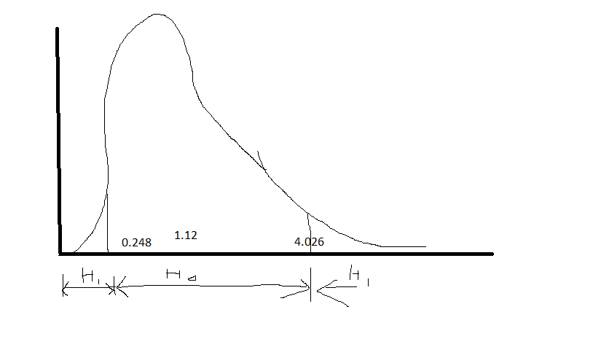
 | 0.10382716049 | 0.031604938272
Sum | 6.6355555556 | 5.8955555556

s^2 | 0.73728395062 | 0.6550617284

 |  |  |  | WE accept Ho

 |  |  |  | The sample variances are equal

 |  |  |  | There is no variance between samples

