Sheet2
Iteration | CollectionTable | Assembly | Terminal | ObjectiveValue
219 | 4 | 3 | 4 | 42.25563327
167 | 2 | 5 | 2 | 42.5522666
331 | 4 | 3 | 0 | 42.565965403
2 | 0 | 0 | 0 | 42.62038479
Cycle Time(minutes) vs Layout
310 | 0 | 0 | 5 | 42.631833847
268 | 0 | 2 | 5 | 42.660842303
321 | 2 | 0 | 0 | 42.673958549
199 | 3 | 5 | 2 | 42.692188329
188 | 3 | 3 | 5 | 42.728800143
215 | 5 | 2 | 2 | 42.791757697
141 | 6 | 0 | 2 | 42.793128734
30 | 3 | 2 | 0 | 42.807009146
192 | 6 | 5 | 2 | 42.844200776
324 | 2 | 0 | 5 | 42.861107953
337 | 5 | 5 | 0 | 42.86682646
139 | 3 | 0 | 2 | 42.883239228
41 | 4 | 0 | 2 | 42.897671355
135 | 0 | 0 | 2 | 42.899512911
103 | 4 | 2 | 0 | 42.917673172
1 | 3 | 3 | 3 | 42.934983392
10 | 2 | 3 | 0 | 42.938087316
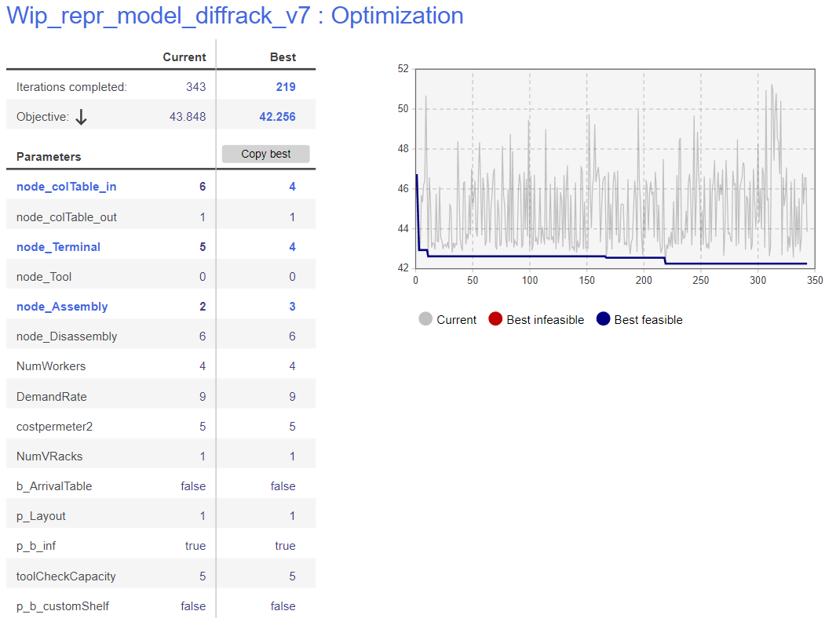
250 | 4 | 3 | 1 | 42.944849939
294 | 5 | 2 | 6 | 42.945042019
289 | 0 | 3 | 5 | 42.952506305
17 | 5 | 0 | 2 | 42.965200055
71 | 5 | 3 | 3 | 42.966639909
172 | 6 | 3 | 0 | 42.970820668
147 | 3 | 3 | 6 | 42.977410418
123 | 3 | 2 | 2 | 42.977413253
257 | 6 | 3 | 4 | 42.988272644
24 | 3 | 3 | 2 | 42.988833116
222 | 4 | 0 | 3 | 42.995604172
29 | 2 | 3 | 2 | 43.009496498
256 | 0 | 0 | 4 | 43.03246651
151 | 5 | 5 | 2 | 43.035682736
149 | 6 | 3 | 3 | 43.046364335
143 | 6 | 3 | 6 | 43.047653255
137 | 0 | 3 | 1 | 43.049615157
216 | 6 | 0 | 4 | 43.051155005
225 | 2 | 5 | 0 | 43.05392979
100 | 0 | 2 | 4 | 43.055721071
305 | 5 | 5 | 4 | 43.055740204
86 | 4 | 2 | 3 | 43.057960187
328 | 3 | 0 | 6 | 43.05986993
13 | 0 | 3 | 3 | 43.059952411
80 | 6 | 3 | 1 | 43.072622774
35 | 3 | 2 | 3 | 43.073552712
93 | 6 | 0 | 3 | 43.078261527
138 | 3 | 2 | 5 | 43.083116507
333 | 4 | 0 | 6 | 43.083689518
129 | 4 | 3 | 5 | 43.083819007
40 | 2 | 3 | 1 | 43.092871761
27 | 2 | 3 | 3 | 43.093458767
223 | 6 | 3 | 5 | 43.115333431
311 | 0 | 5 | 5 | 43.116456573
150 | 2 | 2 | 4 | 43.120348066
73 | 3 | 0 | 1 | 43.131451838
281 | 4 | 0 | 4 | 43.136140962
89 | 3 | 0 | 3 | 43.146010697
69 | 3 | 0 | 4 | 43.157685842
184 | 0 | 5 | 0 | 43.160357407
61 | 4 | 0 | 1 | 43.160406884
241 | 6 | 0 | 5 | 43.164262272
94 | 4 | 5 | 0 | 43.175625575 | s
183 | 2 | 5 | 3 | 43.18988362
251 | 5 | 3 | 6 | 43.195139803
36 | 3 | 0 | 0 | 43.201467344
107 | 4 | 2 | 2 | 43.203602709
220 | 3 | 0 | 5 | 43.204324948
26 | 3 | 3 | 0 | 43.206917764
25 | 3 | 3 | 4 | 43.208937059
113 | 6 | 0 | 1 | 43.212507432
230 | 3 | 3 | 1 | 43.215686283
233 | 5 | 5 | 6 | 43.216920826
295 | 6 | 5 | 5 | 43.218115106
43 | 2 | 2 | 2 | 43.219097923
255 | 4 | 0 | 5 | 43.221637348
228 | 0 | 3 | 2 | 43.225174191
335 | 5 | 0 | 0 | 43.229136406
283 | 0 | 2 | 2 | 43.230498106
168 | 2 | 3 | 6 | 43.233825448
104 | 0 | 0 | 3 | 43.235838237
16 | 6 | 5 | 0 | 43.237801432
75 | 4 | 0 | 0 | 43.249592879
34 | 6 | 0 | 0 | 43.253643023
110 | 6 | 3 | 2 | 43.254745027
88 | 4 | 3 | 3 | 43.26578174
121 | 0 | 3 | 0 | 43.278607099
85 | 4 | 3 | 2 | 43.281798479
125 | 5 | 0 | 4 | 43.282483019
178 | 5 | 5 | 3 | 43.287098913
187 | 2 | 3 | 4 | 43.288950438
218 | 5 | 2 | 0 | 43.289607382
15 | 0 | 0 | 1 | 43.296472615
66 | 0 | 5 | 4 | 43.298724993
33 | 0 | 3 | 6 | 43.303783709
144 | 5 | 3 | 0 | 43.307356503
185 | 2 | 5 | 1 | 43.308109142
259 | 2 | 5 | 6 | 43.324670454
162 | 3 | 5 | 0 | 43.329023445
189 | 6 | 2 | 0 | 43.329283788
28 | 4 | 3 | 6 | 43.337071879
277 | 5 | 3 | 5 | 43.339304587
212 | 5 | 2 | 5 | 43.344098338
81 | 4 | 2 | 1 | 43.349214321
19 | 6 | 5 | 6 | 43.355775848
105 | 5 | 3 | 1 | 43.365097526
18 | 0 | 5 | 1 | 43.374753829
62 | 2 | 2 | 1 | 43.380727075
214 | 0 | 5 | 2 | 43.385916359
142 | 0 | 2 | 1 | 43.408727996
23 | 6 | 5 | 3 | 43.409685926
87 | 5 | 3 | 2 | 43.41748701
226 | 2 | 5 | 5 | 43.418823693
117 | 3 | 2 | 6 | 43.423989891
179 | 0 | 3 | 4 | 43.428091589
119 | 5 | 2 | 3 | 43.448257381
170 | 2 | 3 | 5 | 43.462598894
276 | 4 | 2 | 5 | 43.463322401
46 | 0 | 2 | 0 | 43.480790681
132 | 6 | 2 | 3 | 43.496838665
39 | 2 | 2 | 0 | 43.509463566
190 | 5 | 2 | 4 | 43.512398781
201 | 0 | 2 | 6 | 43.517740283
115 | 2 | 0 | 4 | 43.521423363
292 | 5 | 0 | 6 | 43.52199479
235 | 5 | 5 | 1 | 43.524004824
106 | 6 | 0 | 6 | 43.52471049
78 | 4 | 5 | 3 | 43.529584069
338 | 5 | 5 | 5 | 43.52971768
209 | 4 | 5 | 2 | 43.543374335
116 | 3 | 5 | 5 | 43.547022422
21 | 0 | 5 | 6 | 43.55317444
198 | 6 | 2 | 2 | 43.576367796
236 | 3 | 2 | 4 | 43.594806809
263 | 5 | 3 | 4 | 43.596050766
54 | 3 | 5 | 3 | 43.608193189
221 | 4 | 5 | 6 | 43.610672978
120 | 4 | 5 | 1 | 43.617579288
326 | 2 | 2 | 6 | 43.624064962
98 | 2 | 0 | 3 | 43.625368436
245 | 4 | 5 | 5 | 43.642784374
111 | 5 | 0 | 3 | 43.649573683
58 | 6 | 5 | 1 | 43.669247267
175 | 5 | 0 | 5 | 43.674337395
329 | 3 | 5 | 6 | 43.678718664
48 | 0 | 0 | 6 | 43.700784308
45 | 3 | 2 | 1 | 43.750729708
254 | 2 | 0 | 6 | 43.751390698
274 | 5 | 2 | 1 | 43.756048047
271 | 6 | 2 | 4 | 43.797685029
237 | 4 | 2 | 6 | 43.79997672
275 | 3 | 5 | 1 | 43.800398985
108 | 2 | 0 | 1 | 43.840043967
343 | 6 | 2 | 5 | 43.848310463
224 | 4 | 5 | 4 | 43.858848871
126 | 0 | 5 | 3 | 43.872225042
53 | 5 | 0 | 1 | 43.902950326
204 | 4 | 2 | 4 | 43.916446501
234 | 6 | 2 | 1 | 43.937252865
303 | 2 | 2 | 3 | 44.007980841
96 | 6 | 2 | 6 | 44.009440022
134 | 2 | 2 | 5 | 44.02853265
153 | 2 | 0 | 2 | 44.042019949
297 | 3 | 5 | 4 | 44.04618468
112 | 6 | 5 | 4 | 44.093069954
300 | 0 | 2 | 3 | 44.317672805
74 | 6 | 4 | 0 | 44.705030514
12 | 6 | 4 | 3 | 44.870552825
238 | 4 | 4 | 4 | 44.903862616
252 | 4 | 4 | 5 | 44.916704202
32 | 6 | 4 | 2 | 44.939924902
298 | 2 | 5 | 4 | 44.966590354
191 | 0 | 4 | 5 | 45.013141597
65 | 6 | 4 | 6 | 45.066455481
163 | 5 | 4 | 3 | 45.069603109
334 | 4 | 4 | 6 | 45.12260552
49 | 6 | 4 | 5 | 45.13228096
323 | 2 | 4 | 1 | 45.14034565
79 | 3 | 4 | 2 | 45.173567709
213 | 4 | 4 | 3 | 45.206813533
180 | 3 | 4 | 6 | 45.20852343
182 | 2 | 4 | 2 | 45.215029181
340 | 6 | 4 | 1 | 45.224524884
171 | 5 | 4 | 2 | 45.237932269
181 | 4 | 4 | 1 | 45.239197976
31 | 6 | 4 | 4 | 45.25287573
14 | 3 | 4 | 4 | 45.308981877
197 | 5 | 4 | 4 | 45.320366242
5 | 0 | 4 | 6 | 45.329353624
128 | 2 | 4 | 0 | 45.357954859
148 | 3 | 4 | 3 | 45.359548322
227 | 4 | 4 | 2 | 45.37434442
266 | 4 | 1 | 5 | 45.39428214
308 | 0 | 4 | 3 | 45.417866605
200 | 6 | 1 | 6 | 45.450565334
72 | 0 | 1 | 3 | 45.453701938
291 | 5 | 1 | 1 | 45.454984835
193 | 3 | 4 | 5 | 45.474559228
309 | 0 | 4 | 4 | 45.533998043
336 | 5 | 4 | 0 | 45.537187735
243 | 5 | 4 | 6 | 45.549150806
246 | 0 | 4 | 2 | 45.581099229
299 | 2 | 4 | 5 | 45.582794274
264 | 6 | 1 | 5 | 45.618200723
51 | 4 | 4 | 0 | 45.641463864
290 | 0 | 4 | 0 | 45.64599113
9 | 5 | 1 | 0 | 45.673210544
47 | 4 | 1 | 0 | 45.679210944
269 | 0 | 4 | 1 | 45.688447729
136 | 5 | 1 | 3 | 45.691039675
325 | 2 | 1 | 6 | 45.704080941
67 | 6 | 1 | 0 | 45.719746347
77 | 4 | 1 | 1 | 45.730876776
206 | 2 | 4 | 4 | 45.742897553
20 | 4 | 1 | 6 | 45.743371379
249 | 3 | 4 | 0 | 45.744173632
242 | 2 | 4 | 6 | 45.760952707
205 | 5 | 4 | 5 | 45.788019096
273 | 5 | 4 | 1 | 45.790998973
127 | 0 | 1 | 5 | 45.831198579
208 | 6 | 1 | 4 | 45.861444067
38 | 0 | 1 | 1 | 45.861605408
60 | 0 | 1 | 0 | 45.882891553
64 | 2 | 1 | 1 | 45.903408381
154 | 0 | 1 | 2 | 45.930084674
90 | 2 | 1 | 4 | 45.955738507
284 | 3 | 1 | 4 | 45.956351611
203 | 3 | 1 | 6 | 45.961207385
82 | 3 | 1 | 1 | 45.999858332
302 | 3 | 4 | 1 | 46.028684074
260 | 4 | 6 | 4 | 46.036090109
211 | 2 | 4 | 3 | 46.064974895
109 | 4 | 1 | 3 | 46.065903851
124 | 2 | 1 | 2 | 46.098852049
173 | 0 | 1 | 6 | 46.103071556
22 | 0 | 1 | 4 | 46.104696157
131 | 2 | 1 | 3 | 46.105162803
57 | 5 | 1 | 5 | 46.1372256
155 | 3 | 1 | 3 | 46.141006503
6 | 5 | 1 | 6 | 46.187566037
279 | 6 | 1 | 2 | 46.190613676
267 | 4 | 6 | 0 | 46.226005674
91 | 3 | 1 | 2 | 46.229459257
280 | 4 | 6 | 5 | 46.256850245
118 | 1 | 3 | 3 | 46.259130725
239 | 5 | 1 | 2 | 46.26300086
42 | 6 | 6 | 0 | 46.297897503
285 | 1 | 2 | 2 | 46.305017908
164 | 1 | 3 | 2 | 46.318730852
140 | 1 | 0 | 2 | 46.320236412
158 | 6 | 1 | 3 | 46.337868071
44 | 4 | 1 | 2 | 46.349731221
207 | 4 | 6 | 6 | 46.362645207
330 | 3 | 6 | 6 | 46.365513531
262 | 6 | 6 | 2 | 46.397282952
4 | 5 | 6 | 0 | 46.401511015
293 | 0 | 6 | 2 | 46.402010438
52 | 2 | 1 | 5 | 46.410558471
194 | 4 | 6 | 3 | 46.417786004
176 | 5 | 6 | 1 | 46.419398462
196 | 6 | 6 | 4 | 46.441175562
202 | 6 | 6 | 5 | 46.450032762
186 | 1 | 2 | 0 | 46.489313377
161 | 6 | 1 | 1 | 46.492451504
97 | 3 | 1 | 0 | 46.495923281
332 | 4 | 6 | 2 | 46.500514389
156 | 1 | 0 | 3 | 46.523356798
258 | 5 | 1 | 4 | 46.54439468
342 | 6 | 6 | 3 | 46.556353661
59 | 1 | 0 | 0 | 46.562931558
341 | 6 | 6 | 1 | 46.563698172
7 | 1 | 0 | 5 | 46.568316178
165 | 3 | 6 | 4 | 46.578979676
286 | 1 | 2 | 3 | 46.581111479
322 | 2 | 6 | 0 | 46.583525697
122 | 1 | 2 | 4 | 46.610180394
253 | 0 | 6 | 1 | 46.622046839
166 | 1 | 5 | 5 | 46.625640541
3 | 6 | 6 | 6 | 46.630540629
306 | 3 | 6 | 2 | 46.654843742
101 | 3 | 6 | 3 | 46.676176277
55 | 1 | 3 | 1 | 46.680305238
130 | 2 | 6 | 6 | 46.687816518
229 | 3 | 1 | 5 | 46.696922406
102 | 1 | 0 | 1 | 46.706397
318 | 1 | 3 | 6 | 46.740526255
11 | 2 | 6 | 4 | 46.741701019
240 | 2 | 1 | 0 | 46.745464224
92 | 5 | 6 | 6 | 46.756676478
159 | 4 | 1 | 4 | 46.762487352
68 | 4 | 6 | 1 | 46.765525663
339 | 5 | 6 | 5 | 46.76755853
63 | 0 | 6 | 6 | 46.809924011
248 | 3 | 6 | 0 | 46.815610161
146 | 5 | 6 | 4 | 46.835456453
265 | 2 | 6 | 3 | 46.840372652
95 | 1 | 0 | 6 | 46.848869221
169 | 5 | 6 | 3 | 46.849540759
174 | 0 | 6 | 0 | 46.864619287
210 | 2 | 6 | 1 | 46.867374857
278 | 0 | 6 | 5 | 46.901982508
177 | 2 | 6 | 2 | 46.915429509
270 | 5 | 6 | 2 | 46.978780988
296 | 1 | 3 | 0 | 47.000931089
70 | 3 | 6 | 5 | 47.014650545
50 | 0 | 6 | 4 | 47.016418854
327 | 3 | 6 | 1 | 47.067371048
304 | 1 | 3 | 5 | 47.075448768
160 | 0 | 6 | 3 | 47.084842501
145 | 1 | 5 | 0 | 47.141608371
288 | 1 | 2 | 5 | 47.1581281
133 | 1 | 2 | 1 | 47.176926693
287 | 1 | 3 | 4 | 47.321775218
314 | 1 | 0 | 4 | 47.408174141
261 | 1 | 5 | 2 | 47.434132224
272 | 1 | 5 | 3 | 47.437467736
217 | 1 | 2 | 6 | 47.49709469
84 | 1 | 5 | 4 | 47.885681907
76 | 1 | 1 | 1 | 48.160721698
301 | 2 | 6 | 5 | 48.245954387
56 | 1 | 4 | 6 | 48.340162645
319 | 1 | 5 | 6 | 48.373781656
37 | 1 | 1 | 0 | 48.375360154
231 | 1 | 1 | 4 | 48.417836519
282 | 1 | 1 | 3 | 48.480335253
317 | 1 | 1 | 6 | 48.510212505
232 | 1 | 4 | 4 | 48.544023589
83 | 1 | 4 | 3 | 48.755189852
247 | 1 | 1 | 5 | 48.870258273
114 | 1 | 5 | 1 | 48.993689055
157 | 1 | 1 | 2 | 49.236338323
99 | 1 | 4 | 1 | 49.463349808
244 | 1 | 4 | 0 | 49.675858004
152 | 1 | 4 | 2 | 49.748414837
315 | 1 | 4 | 5 | 49.924750921
195 | 1 | 6 | 4 | 49.941844054
320 | 1 | 6 | 6 | 50.408570678
8 | 1 | 6 | 1 | 50.682722488
316 | 1 | 6 | 5 | 50.787193197
307 | 1 | 6 | 2 | 50.951941012
313 | 1 | 6 | 3 | 50.966510451
312 | 1 | 6 | 0 | 51.244166873

