Overview
Post-Flight Data Sheet AE3202

date of flight: |  |  | 2020-03-10 |  | T/O time:
flight number: |  |  | 2 |  | LND time:

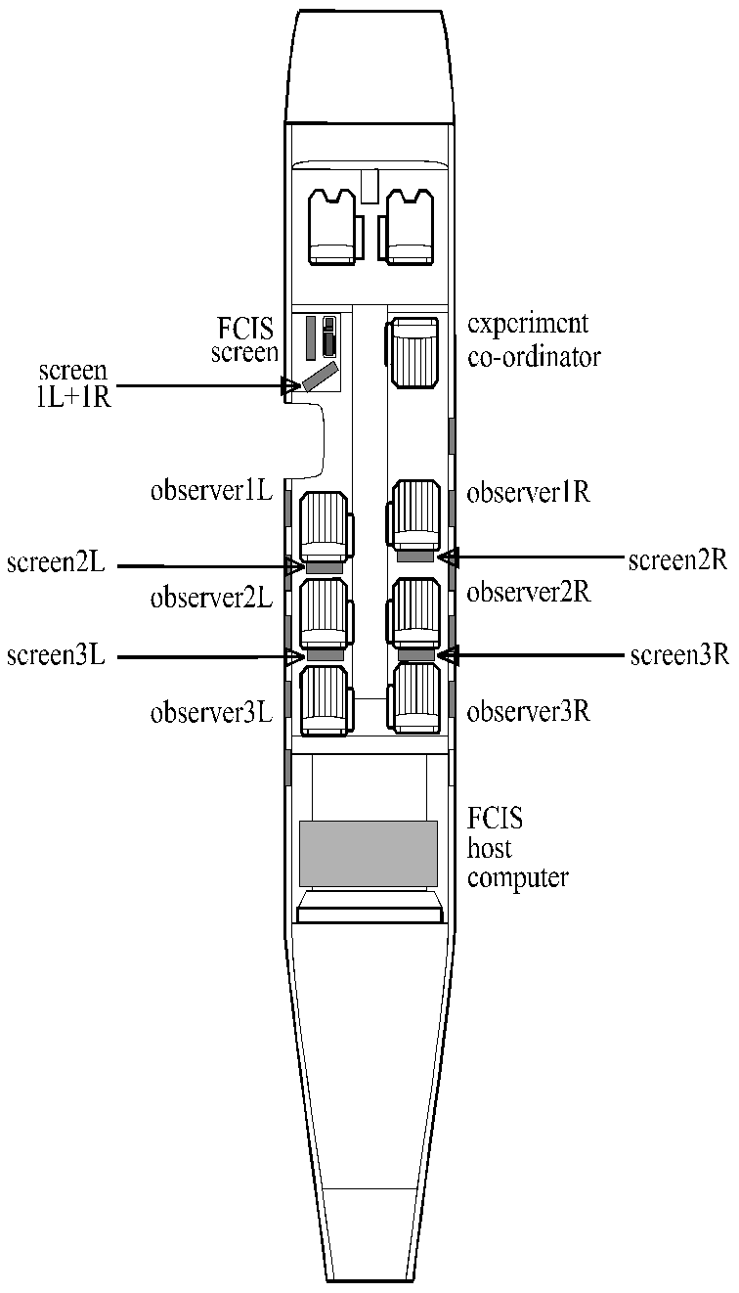
Weights
 |  |  | name |  |  |  | mass [kg]
pilot 1: |  |  | Hans Mulder |  |  |  | 90
pilot 2: |  |  | Alexander in 't Veld |  |  |  | 98
co-ordinator: |  |  | Maurice+Bram |  |  |  | 175
observer 1L: |  |  | Jesse de Vries |  |  |  | 82
observer 1R: |  |  | Dennis Spelt |  |  |  | 71
observer 2L: |  |  | Mattis Hilgeman |  |  |  | 82
observer 2R: |  |  | Patrick Blok |  |  |  | 67
observer 3L: |  |  | Tim Jacobs |  |  |  | 81
observer 3R: |  |  | Jens Dijk |  |  |  | 84

block fuel [lbs]: |  |  | 2714

Stationary measurements CL-CD Series 1

Aircraft configuration: |  |  |  | clean

, | time | ET* | hp | IAS | a | FFl | FFr | F. used | TAT
 | [hrs:min] | [sec] | [ft] | [kts] | [deg] | [lbs/hr] | [lbs/hr] | [lbs] | [°C]

1 | 0:22:11 | - | 16530 | 241.0 | 1.5 | 679.0 | 707.0 | 505.3 | -8.0
2 | 0:25:02 | - | 16530 | 221.2 | 2.0 | 572.5 | 599.2 | 565.3 | -9.7
3 | 0:27:05 | - | 16483 | 186.0 | 3.4 | 475.2 | 497.5 | 594.2 | -12.2
4 | 0:29:45 | - | 16060 | 161.0 | 4.9 | 414.2 | 441.2 | 626.7 | -13.3
5 | 0:31:39 | - | 16002 | 131.5 | 7.9 | 364.8 | 384.3 | 647.5 | -15.5
6 | 0:33:15 | - | 16010 | 111.0 | 11.4 | 379.0 | 404.3 | 666.5 | -16.5
7 | 0:00:00 | -
 |  | * ET = Elapsed Time

Stationary measurements CL - CD Series 2

Aircraft configuration :

nr. | time | ET* | hp | IAS | a | FFl | FFr | F. used | TAT
 | [hh:mm] | [sec] | [ft] | [kts] | [deg] | [lbs/hr] | [lbs/hr] | [lbs] | [°C]

1 |  | -
2 |  | -
3 |  | -
4 |  | -
5 |  | -
6 |  | -
7 |  | -
 |  | * ET = Elapsed Time
Stationary measurements Elevator Trim Curve

Aircraft configuration: |  |  |  | clean

nr. | time | ET* | hp | IAS | a | de | detr | Fe | FFl | FFr | F. used | TAT
 | [hh:mm] | [sec] | [ft] | [kts] | [deg] | [deg] | [deg] | [N] | [lbs/hr] | [lbs/hr] | [lbs] | [°C]

1 | 0:36:18 | - | 15960 | 162.8 | 4.7 | -0.8 | 1.6 | -1.0 | 406.0 | 429.5 | 715.5 | -13.8
2 | 0:37:24 | - | 16300 | 150.2 | 5.6 | -1.4 | 1.5 | -26.0 | 400.0 | 422.5 | 730.5 | -15.0
3 | 0:38:26 | - | 16572 | 139.3 | 6.7 | -1.9 | 1.5 | -35.5 | 395.0 | 417.5 | 743.5 | -16.0
4 | 0:39:34 | - | 16855 | 133.0 | 7.6 | -2.4 | 1.5 | -48.0 | 390.5 | 413.0 | 758.5 | -16.9
5 | 0:41:10 | - | 16025 | 173.0 | 4.0 | -0.4 | 1.5 | 20.0 | 407.0 | 429.0 | 782 | -13.3
6 | 0:43:01 | - | 15257 | 181.5 | 3.4 | -0.1 | 1.5 | 31.0 | 416.0 | 439.0 | 809 | -11.0
7 | 0:44:14 | - | 14488 | 191.3 | 2.9 | 0.2 | 1.5 | 80.5 | 423.5 | 450.0 | 824 | -9.2
 |  | * ET = Elapsed Time

Shift in center of gravity

name: |  | Jens
position: |  | 3R |  | moved to position: |  |  | Cockpit

nr. | time | ET* | hp | IAS | a | de | detr | Fe | FFl | FFr | F. used | TAT
 | [hh:mm] | [sec] | [ft] | [kts] | [deg] | [deg] | [deg] | [N] | [lbs/hr] | [lbs/hr] | [lbs] | [°C]
1 | 0:45:44 | - | 15090 | 163.0 | 4.5 | -0.7 | 1.5 | -1 | 416.0 | 440.0 | 845.5 | -12.3
2 | 0:47:06 | - | 15142 | 163.0 | 4.5 | -1.2 | 1.5 | -24 | 415.0 | 439.0 | 867.0 | -12.3
 |  | * ET = Elapsed Time

Eigenmotions

 |  |  | Time |  |  | Time |  |  | Time
 |  |  | [hh:mm] |  |  | [hh:mm] |  |  | [hh:mm]
Phugoid |  |  | 0:48:16 | Dutch Roll |  | 0:55:06 | Aper. Roll |  | 0:53:29
Short period |  |  | 0:51:46 | Dutch Roll YD |  | 0:56:09 | Spiral |  | 0:57:10

