Bug Report
Bug ID | Module | Related TC | Bug Summary | Severity | Priority | Status | Environment | Steps to Reproduce | Expected Result | Actual Result | Evidence | Reported By | Reported Date
BUG-OC-001 | Registration | TC13 | Password composition rules | Critical | High | Failed | opencart.com (live) — Chrome latest, Windows 11, desktop 1920×1080 unless the case states otherwise | Preconditions: User on the registration form; fresh email/username per attempt 1. Open https://www.opencart.com/index.php?route=account/register 2. Fill all fields validly except Password 3. Try a weak password made only of lowercase letters and submit 4. Try one that is all digits and submit 5. Then submit a strong password mixing upper, lower, digit and symbol Test data: Weak: password; 12345678 | Strong: Ocart#2026! | Behaviour is documented: if OpenCart enforces composition/strength, weak values are rejected with guidance and the strong value passes; if it does not enforce, the weak values register and this is logged as an observation for discussion | No password composition rules are enforced at registration — all-lowercase ('password') and all-digit ('12345678') values are accepted and the account is created without any strength guidance. |  | Gohar Zaman | 16 July 2026
BUG-OC-002 | Registration | TC15 | Whitespace-only and space-padded values | Low | Medium | Failed | opencart.com (live) — Chrome latest, Windows 11, desktop 1920×1080 unless the case states otherwise | Preconditions: User on the registration form 1. Open https://www.opencart.com/index.php?route=account/register 2. Enter only spaces in Username, First Name and Last Name; submit 3. Then enter ' Gohar ' (padded) in First Name with the rest valid; submit and view the stored profile value Test data: ' ' (spaces only); ' Gohar ' | Whitespace-only values are treated as empty and rejected; padded values are trimmed (or rejected) — the stored profile never shows leading/trailing spaces | Whitespace handling is inconsistent — space-padded values are stored without trimming, so the profile shows leading/trailing spaces in the name fields. |  | Gohar Zaman | 16 July 2026
BUG-OC-003 | Login | TC03 | Logout terminates the session | Critical | High | Failed | opencart.com (live) — Chrome latest, Windows 11, desktop 1920×1080 unless the case states otherwise | Preconditions: User is signed in 1. Click Logout from the account menu 2. Note the landing page 3. Press the browser Back button 4. Attempt to open an account-only URL directly Test data: Signed-in session | Session ends on logout; Back does not restore an authenticated view; direct account URLs redirect to the login form | Logout does not fully terminate the session — after clicking Logout, pressing the browser Back button restores the authenticated account view instead of redirecting to the login form. | 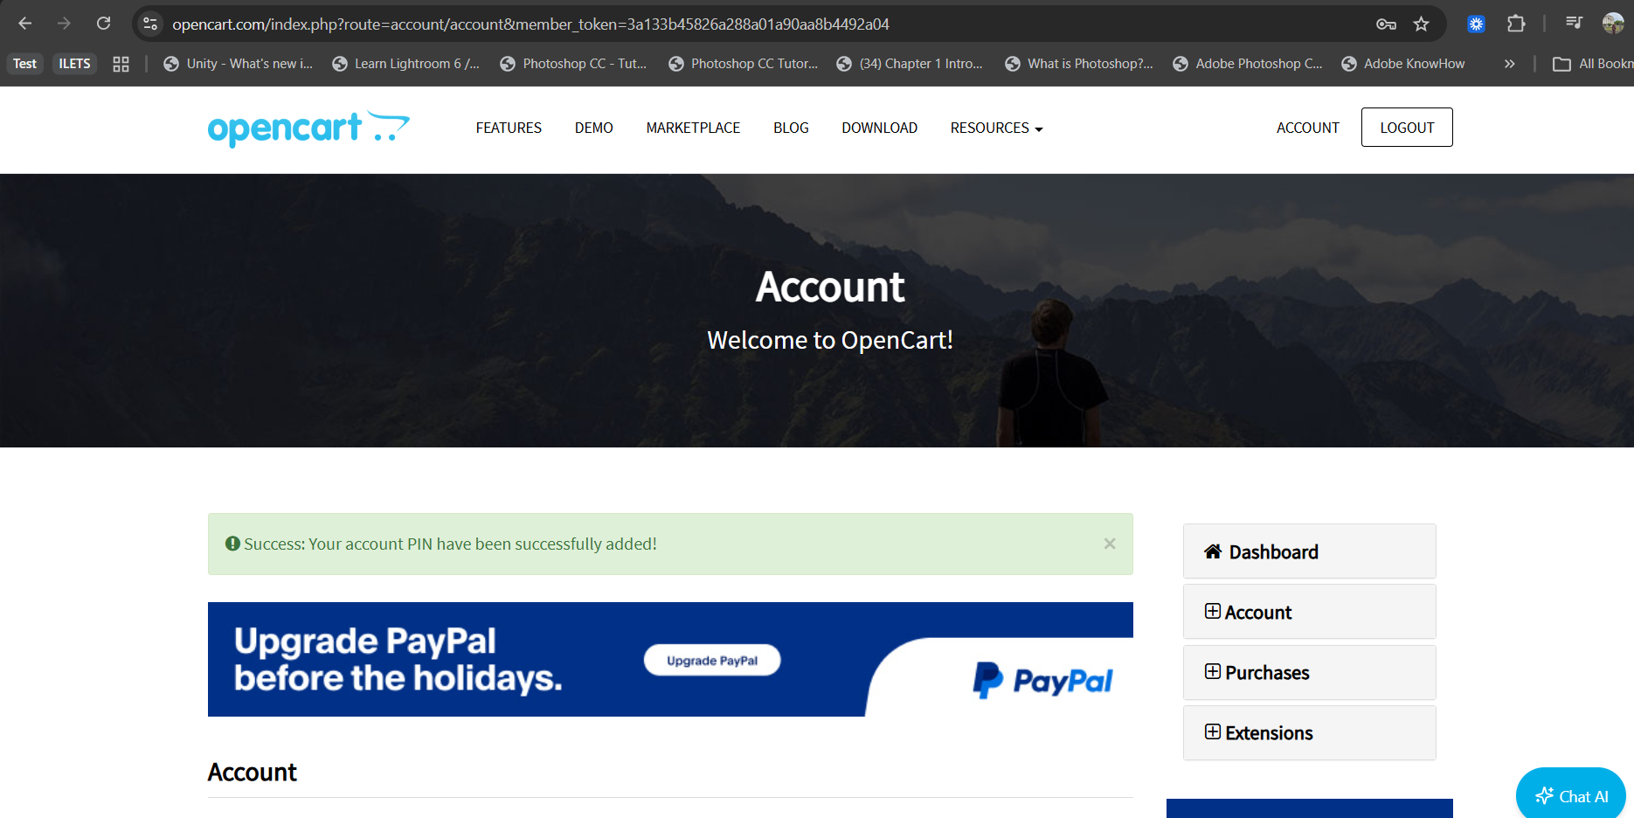 | Gohar Zaman | 16 July 2026
BUG-OC-004 | Login | TC11 | Recovery request for an unknown address | Medium | High | Failed | opencart.com (live) — Chrome latest, Windows 11, desktop 1920×1080 unless the case states otherwise | Preconditions: Email never registered; inbox for it monitored if possible 1. Open https://www.opencart.com/index.php?route=account/forgotten 2. Enter an unregistered email and submit 3. Observe the on-screen response 4. Check that no reset email arrives for it Test data: Email: nobody.here+oc@<monitored-mailbox> | On-screen response does not disclose whether the address is registered; no usable reset link is delivered for an unknown account | The forgotten-password page discloses account existence — submitting an unregistered email returns a different on-screen response than a registered one, enabling account enumeration. | N/A | Gohar Zaman | 16 July 2026
BUG-OC-005 | Login | TC18 | Session is shared across tabs | Medium | High | Failed | opencart.com (live) — Chrome latest, Windows 11, desktop 1920×1080 unless the case states otherwise | Preconditions: User signed in, in one tab 1. Sign in, in tab A 2. Open opencart.com in a new tab B of the same window 3. Check the header state in tab B 4. Logout in tab B and refresh tab A Test data: Signed-in session | Tab B shows the signed-in state immediately; after logout in tab B, tab A also drops to signed-out on refresh | Session state is not synchronised across tabs — after logging out in tab B, tab A continues to show the authenticated state after refresh. | N/A | Gohar Zaman | 16 July 2026
BUG-OC-006 | Login | TC19 | Session carries into a second window of the same browser | Medium | High | Failed | opencart.com (live) — Chrome latest, Windows 11, desktop 1920×1080 unless the case states otherwise | Preconditions: User signed in, in one window 1. Sign in, in window 1 2. Open a completely new window of the same browser and go to opencart.com 3. Check the header state in window 2 Test data: Signed-in session | Window 2 shows the signed-in state — the session is shared across windows of the same browser, consistent with the cross-tab behaviour | The signed-in session does not carry into a new window of the same browser — window 2 shows the signed-out state although the session in window 1 is active. | 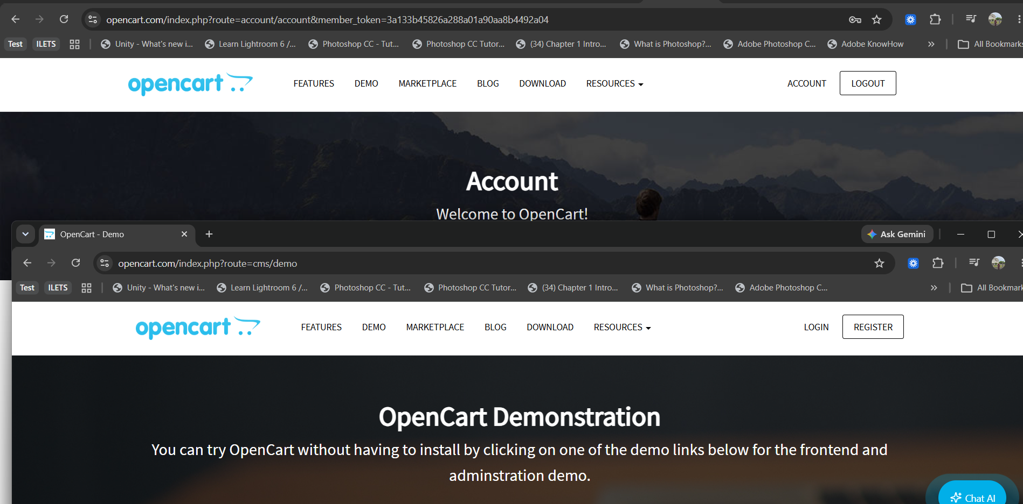 | Gohar Zaman | 16 July 2026
BUG-OC-007 | Login | TC31 | PIN should be 4 digits not less not more | Medium | High | Failed | opencart.com (live) — Chrome latest, Windows 11, desktop 1920×1080 unless the case states otherwise | Preconditions: User has just logged in 1. Add a PIN greater than 4 digits long 4. Observe submit button Test data: 12356777 | System should only allow valid PIN input | PIN length is not validated — the PIN setup field accepts more than 4 digitis | 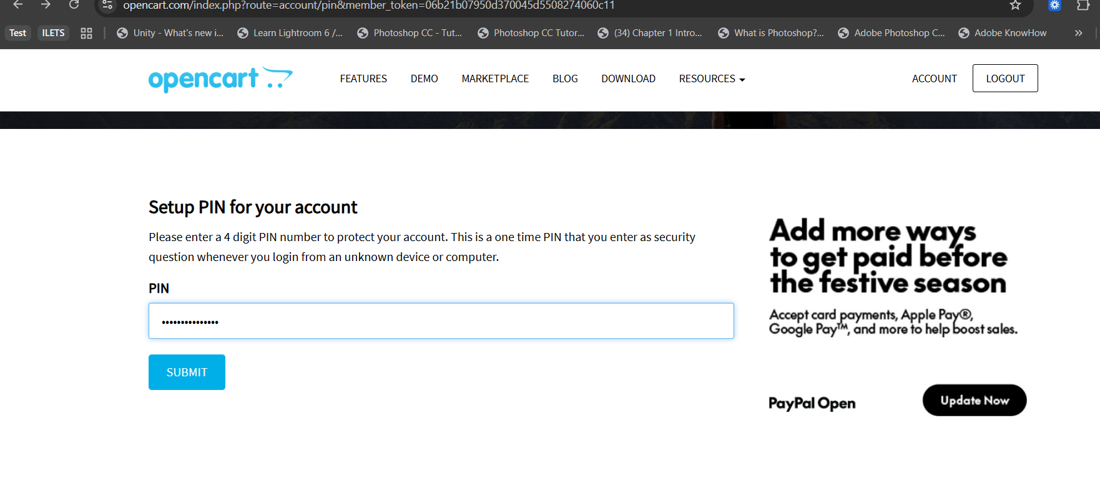 | Gohar Zaman | 16 July 2026
BUG-OC-008 | Account Details | TC04 | Notification when the email is changed | Low | Medium | Failed | opencart.com (live) — Chrome latest, Windows 11, desktop 1920×1080 unless the case states otherwise | Preconditions: Email change (previous case) just performed; both inboxes monitored 1. After saving the email change, open both the old and new mailboxes 2. Record any notification received in either Test data: Both monitored mailboxes | Observation case: note whether opencart.com notifies either address of the change; if a notification exists, its content is accurate (log behaviour as an observation if absent) | No notification is sent to either the old or the new address when the account email is changed — both monitored inboxes remained empty after the change. | N/A | Gohar Zaman | 16 July 2026
BUG-OC-009 | Account Details | TC10 | Previous password rejected after a change | High | High | Failed | opencart.com (live) — Chrome latest, Windows 11, desktop 1920×1080 unless the case states otherwise | Preconditions: Password change (previous case) completed 1. Open https://www.opencart.com/index.php?route=account/login 2. Try the pre-change password Test data: Old pwd: Ocart#2026!R2 | The pre-change password fails with the standard credentials warning | The previous password is still accepted after a password change — login succeeds with the pre-change password alongside the new one. | 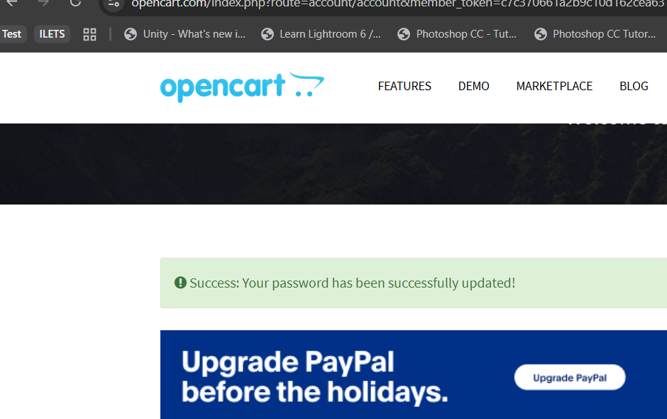 | Gohar Zaman | 16 July 2026
BUG-OC-010 | Account Details | TC18 | Notification email after a password change | Low | High | Failed | opencart.com (live) — Chrome latest, Windows 11, desktop 1920×1080 unless the case states otherwise | Preconditions: Signed in; password just changed; mailbox monitored 1. Change the account password successfully 2. Open the monitored inbox for the account email 3. Look for any password-change notification Test data: Registered account mailbox | Observation case: note whether opencart.com sends a password-change notification; if present, it is addressed correctly and its content is accurate; if absent, log as an observation for discussion | No password-change notification email is sent — the monitored inbox received nothing after a successful password change. | N/A | Gohar Zaman | 16 July 2026
BUG-OC-011 | Account Details | TC21 | Password change ends other active sessions | High | High | Failed | opencart.com (live) — Chrome latest, Windows 11, desktop 1920×1080 unless the case states otherwise | Preconditions: Same account signed in on two browsers (e.g. Chrome and Firefox) 1. Sign in, in Chrome and confirm the account area loads 2. Sign in with the same account in Firefox 3. In Firefox, change the account password 4. Back in Chrome, refresh an account page or take an action Test data: New pwd: Ocart#2026!C5 | Observation/security case: note whether the Chrome session is invalidated after the password change or continues; record the behaviour (invalidation is the safer outcome) | Changing the password does not invalidate other active sessions — the Chrome session remained fully usable after the password was changed from Firefox. |  | Gohar Zaman | 16 July 2026

