GMB Ranking
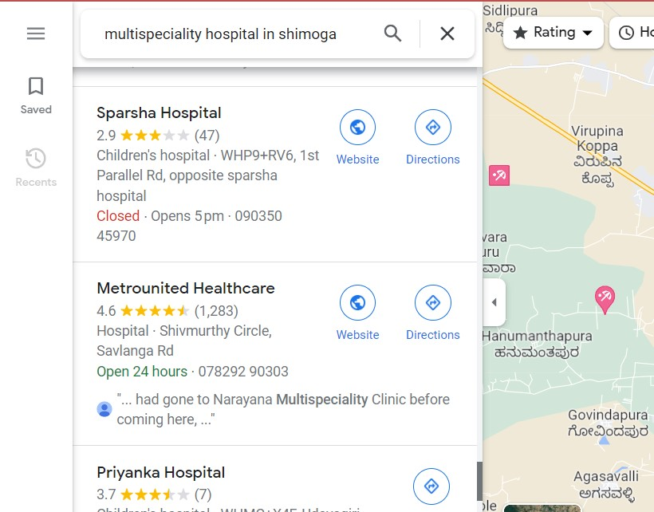

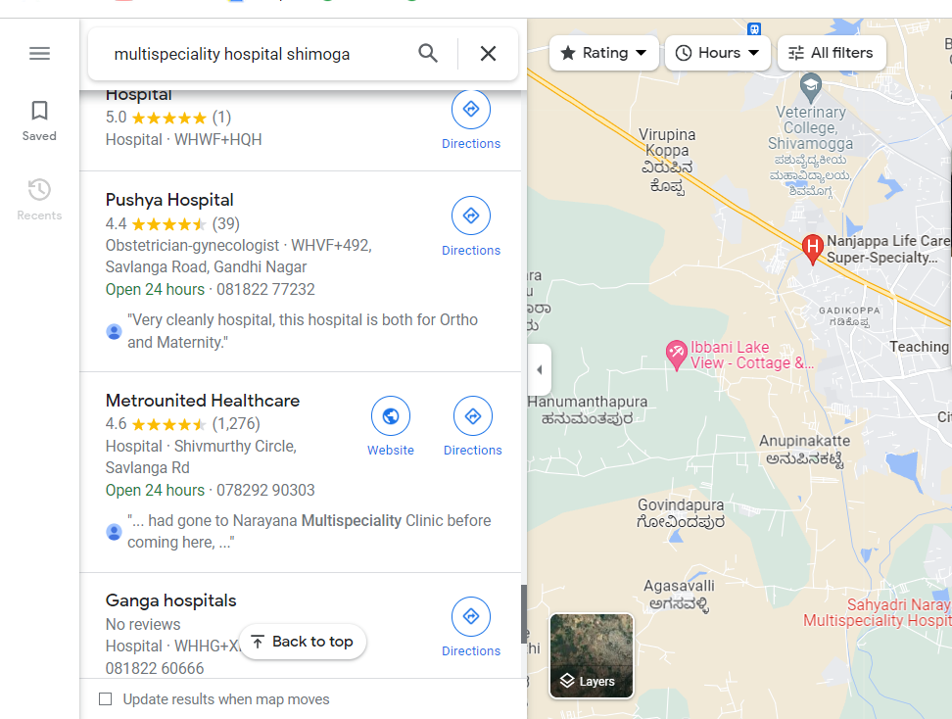

 | Note:
 | Metro Hospital appears on a map when we search for "Multispeciality Hospital Shimoga," but they don't add keywords to their websites, making it challenging for them to rank on GMB. This is because we are aware of how important adding keywords to websites is to their GMB account rankings.

 | Then We go with GMB Performances.
 | May months | June months
Business Profile interactions | 1,005 | 973

Calls made from your Business Profile | 395 | 403

Messages sent from your Business Profile | 1 | 2

Direction requests made from your Business Profile | 582 | 528

Website clicks made from your Business Profile | 27 | 40

May months


June



Note: I have now added the keywords to gmb in the hopes that it will improve rankings.

