Sheet1
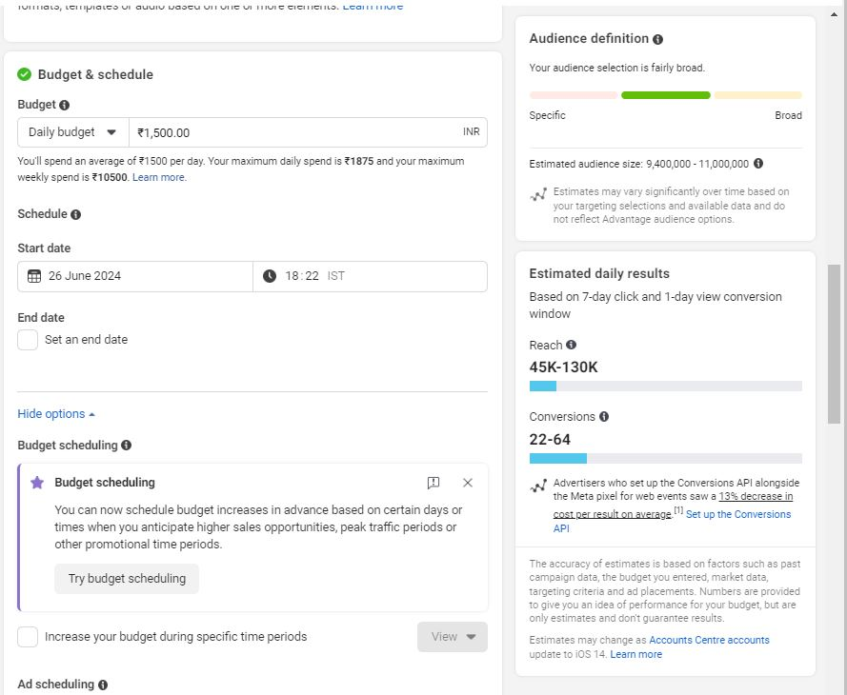
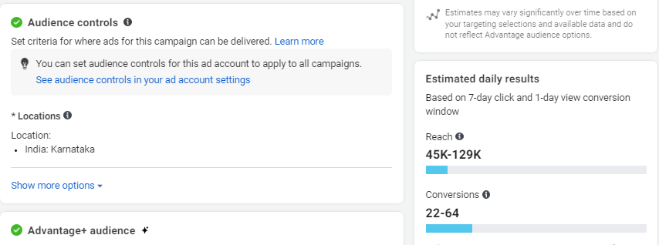
Ayurdhantham Ad Estmation

Targeting Location | Karnataka
No of reach per day | 45K-130K
Ad budget per day | ₹ 1500
Number of leads per day | 22-64
Duration | 1 week

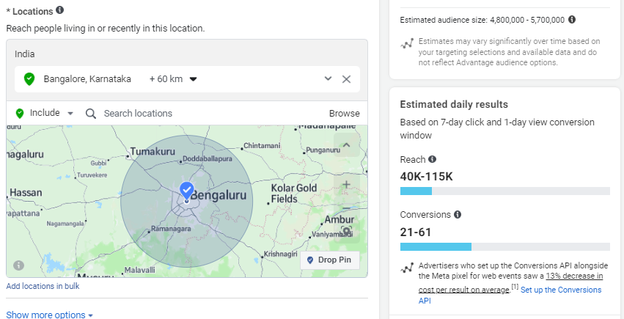
Ayurdhantham Ad Estmation

Targeting Location | Bengaluru
No of reach per day | 40K-115K
Ad budget per day | ₹ 1500
Number of leads per day | 21-61
Duration | 1 week

