Steps to create a user
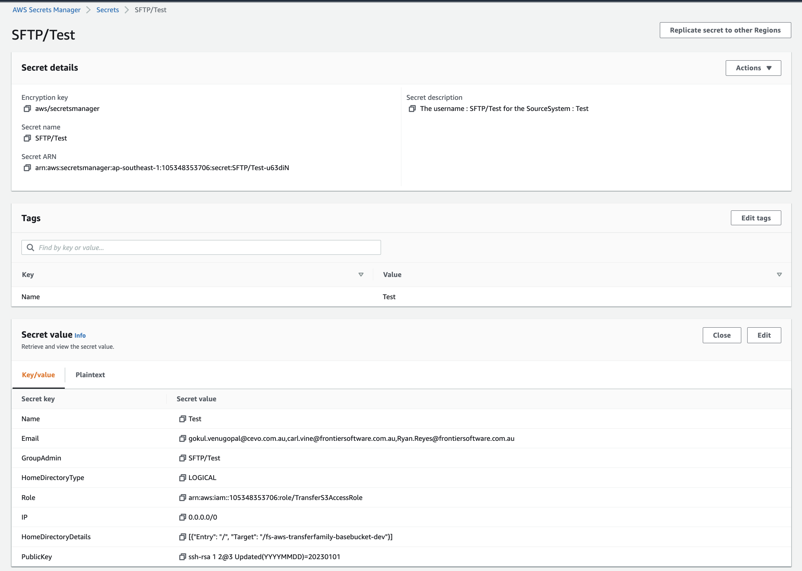
Step 1 | Fill all the necesasry fielsds to generate the AWS CLI Command.

Step 2 | Run the CLI Command using AWS CLI or AWS CloudShell (AWS Cloudshell is not avaliable in Singapore region. FYI).

Step 3 | Verify the user in the AWS Secret Manager
 | Note : Retrive the secret value and check iof the values are in Key-Value format. Any typo in the cli command generation might show as user generated while executing the command, but the Key-Value pairs will not be displayed properly. So its immiment to check the Key-Value once a new user is created.

Deployment Screenshot
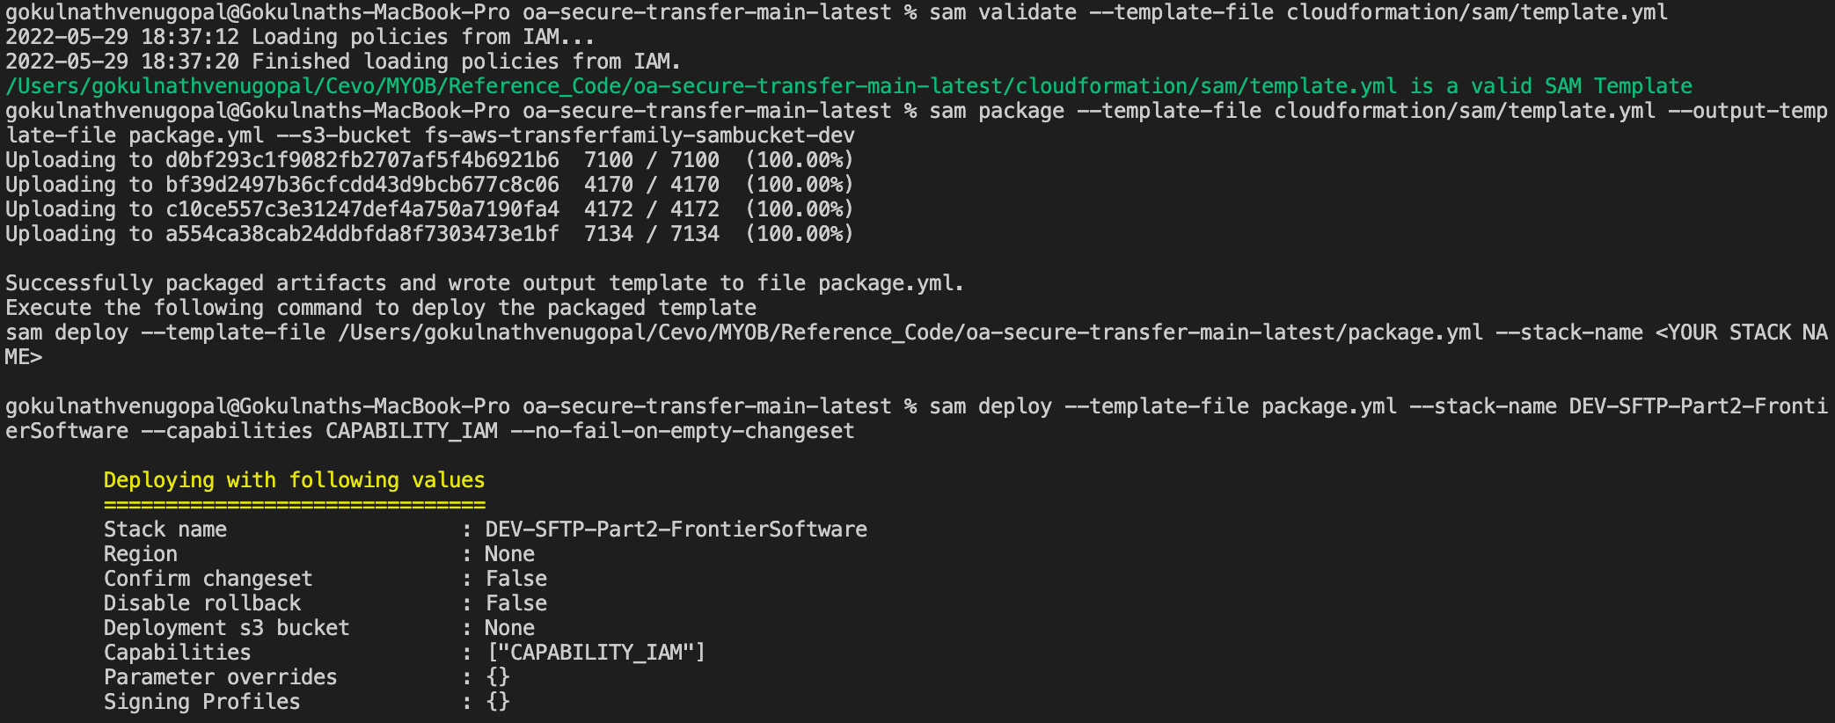

StatusTracker
 | Total
Migration completed | 1
Planned | 19
Yet to commence | 140
Sno | External System | User Name | Contact Email | Contact Phone | Primary point of contact | Migration Status | Migration Date
Eg | Bank1 | SFTP/Bank_user1 | abc@gmail.com | 400000000 | Gokul | Migration completed | 1-Jan-22
1 |  |  |  |  |  | Planned
2 |  |  |  |  |  | Planned
3 |  |  |  |  |  | Planned
4 |  |  |  |  |  | Planned
5 |  |  |  |  |  | Planned
6 |  |  |  |  |  | Planned
7 |  |  |  |  |  | Planned
8 |  |  |  |  |  | Planned
9 |  |  |  |  |  | Planned
10 |  |  |  |  |  | Planned
11 |  |  |  |  |  | Planned
12 |  |  |  |  |  | Planned
13 |  |  |  |  |  | Planned
14 |  |  |  |  |  | Planned
15 |  |  |  |  |  | Planned
16 |  |  |  |  |  | Planned
17 |  |  |  |  |  | Planned
18 |  |  |  |  |  | Planned
19 |  |  |  |  |  | Planned
20 |  |  |  |  |  | Yet to commence
21 |  |  |  |  |  | Yet to commence
22 |  |  |  |  |  | Yet to commence
23 |  |  |  |  |  | Yet to commence
24 |  |  |  |  |  | Yet to commence
25 |  |  |  |  |  | Yet to commence
26 |  |  |  |  |  | Yet to commence
27 |  |  |  |  |  | Yet to commence
28 |  |  |  |  |  | Yet to commence
29 |  |  |  |  |  | Yet to commence
30 |  |  |  |  |  | Yet to commence
31 |  |  |  |  |  | Yet to commence
32 |  |  |  |  |  | Yet to commence
33 |  |  |  |  |  | Yet to commence
34 |  |  |  |  |  | Yet to commence
35 |  |  |  |  |  | Yet to commence
36 |  |  |  |  |  | Yet to commence
37 |  |  |  |  |  | Yet to commence
38 |  |  |  |  |  | Yet to commence
39 |  |  |  |  |  | Yet to commence
40 |  |  |  |  |  | Yet to commence
41 |  |  |  |  |  | Yet to commence
42 |  |  |  |  |  | Yet to commence
43 |  |  |  |  |  | Yet to commence
44 |  |  |  |  |  | Yet to commence
45 |  |  |  |  |  | Yet to commence
46 |  |  |  |  |  | Yet to commence
47 |  |  |  |  |  | Yet to commence
48 |  |  |  |  |  | Yet to commence
49 |  |  |  |  |  | Yet to commence
50 |  |  |  |  |  | Yet to commence
51 |  |  |  |  |  | Yet to commence
52 |  |  |  |  |  | Yet to commence
53 |  |  |  |  |  | Yet to commence
54 |  |  |  |  |  | Yet to commence
55 |  |  |  |  |  | Yet to commence
56 |  |  |  |  |  | Yet to commence
57 |  |  |  |  |  | Yet to commence
58 |  |  |  |  |  | Yet to commence
59 |  |  |  |  |  | Yet to commence
60 |  |  |  |  |  | Yet to commence
61 |  |  |  |  |  | Yet to commence
62 |  |  |  |  |  | Yet to commence
63 |  |  |  |  |  | Yet to commence
64 |  |  |  |  |  | Yet to commence
65 |  |  |  |  |  | Yet to commence
66 |  |  |  |  |  | Yet to commence
67 |  |  |  |  |  | Yet to commence
68 |  |  |  |  |  | Yet to commence
69 |  |  |  |  |  | Yet to commence
70 |  |  |  |  |  | Yet to commence
71 |  |  |  |  |  | Yet to commence
72 |  |  |  |  |  | Yet to commence
73 |  |  |  |  |  | Yet to commence
74 |  |  |  |  |  | Yet to commence
75 |  |  |  |  |  | Yet to commence
76 |  |  |  |  |  | Yet to commence
77 |  |  |  |  |  | Yet to commence
78 |  |  |  |  |  | Yet to commence
79 |  |  |  |  |  | Yet to commence
80 |  |  |  |  |  | Yet to commence
81 |  |  |  |  |  | Yet to commence
82 |  |  |  |  |  | Yet to commence
83 |  |  |  |  |  | Yet to commence
84 |  |  |  |  |  | Yet to commence
85 |  |  |  |  |  | Yet to commence
86 |  |  |  |  |  | Yet to commence
87 |  |  |  |  |  | Yet to commence
88 |  |  |  |  |  | Yet to commence
89 |  |  |  |  |  | Yet to commence
90 |  |  |  |  |  | Yet to commence
91 |  |  |  |  |  | Yet to commence
92 |  |  |  |  |  | Yet to commence
93 |  |  |  |  |  | Yet to commence
94 |  |  |  |  |  | Yet to commence
95 |  |  |  |  |  | Yet to commence
96 |  |  |  |  |  | Yet to commence
97 |  |  |  |  |  | Yet to commence
98 |  |  |  |  |  | Yet to commence
99 |  |  |  |  |  | Yet to commence
100 |  |  |  |  |  | Yet to commence
101 |  |  |  |  |  | Yet to commence
102 |  |  |  |  |  | Yet to commence
103 |  |  |  |  |  | Yet to commence
104 |  |  |  |  |  | Yet to commence
105 |  |  |  |  |  | Yet to commence
106 |  |  |  |  |  | Yet to commence
107 |  |  |  |  |  | Yet to commence
108 |  |  |  |  |  | Yet to commence
109 |  |  |  |  |  | Yet to commence
110 |  |  |  |  |  | Yet to commence
111 |  |  |  |  |  | Yet to commence
112 |  |  |  |  |  | Yet to commence
113 |  |  |  |  |  | Yet to commence
114 |  |  |  |  |  | Yet to commence
115 |  |  |  |  |  | Yet to commence
116 |  |  |  |  |  | Yet to commence
117 |  |  |  |  |  | Yet to commence
118 |  |  |  |  |  | Yet to commence
119 |  |  |  |  |  | Yet to commence
120 |  |  |  |  |  | Yet to commence
121 |  |  |  |  |  | Yet to commence
122 |  |  |  |  |  | Yet to commence
123 |  |  |  |  |  | Yet to commence
124 |  |  |  |  |  | Yet to commence
125 |  |  |  |  |  | Yet to commence
126 |  |  |  |  |  | Yet to commence
127 |  |  |  |  |  | Yet to commence
128 |  |  |  |  |  | Yet to commence
129 |  |  |  |  |  | Yet to commence
130 |  |  |  |  |  | Yet to commence
131 |  |  |  |  |  | Yet to commence
132 |  |  |  |  |  | Yet to commence
133 |  |  |  |  |  | Yet to commence
134 |  |  |  |  |  | Yet to commence
135 |  |  |  |  |  | Yet to commence
136 |  |  |  |  |  | Yet to commence
137 |  |  |  |  |  | Yet to commence
138 |  |  |  |  |  | Yet to commence
139 |  |  |  |  |  | Yet to commence
140 |  |  |  |  |  | Yet to commence
141 |  |  |  |  |  | Yet to commence
142 |  |  |  |  |  | Yet to commence
143 |  |  |  |  |  | Yet to commence
144 |  |  |  |  |  | Yet to commence
145 |  |  |  |  |  | Yet to commence
146 |  |  |  |  |  | Yet to commence
147 |  |  |  |  |  | Yet to commence
148 |  |  |  |  |  | Yet to commence
149 |  |  |  |  |  | Yet to commence
150 |  |  |  |  |  | Yet to commence
151 |  |  |  |  |  | Yet to commence
152 |  |  |  |  |  | Yet to commence
153 |  |  |  |  |  | Yet to commence
154 |  |  |  |  |  | Yet to commence
155 |  |  |  |  |  | Yet to commence
156 |  |  |  |  |  | Yet to commence
157 |  |  |  |  |  | Yet to commence
158 |  |  |  |  |  | Yet to commence
159 |  |  |  |  |  | Yet to commence

