Summary
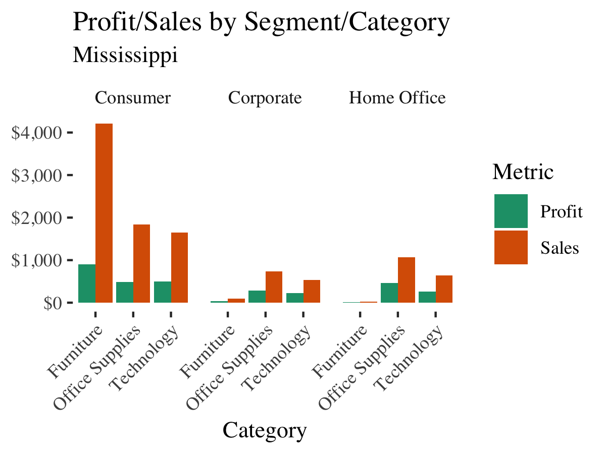
Sales by Segment and Category

Row Labels | Total Sales $ | Total Profit $ | Count
(blank)
Furniture
Office Supplies
Technology
(blank)
Grand Total

