Cover
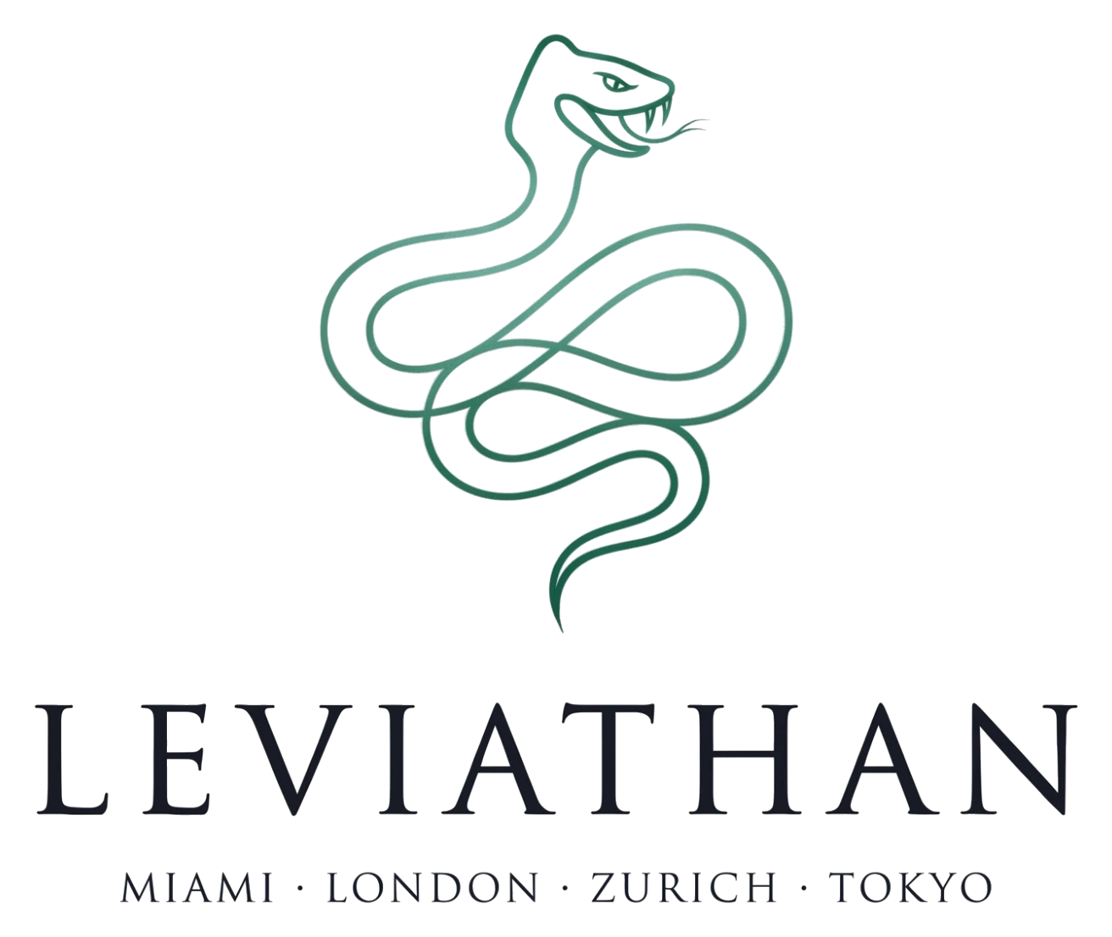

LEVIATHAN CORE PRIVATE EQUITY HOLDCO (“LPEH”)
Internal IC planning model · v3 optimised 02-Oct-2026 · $840M across three sub-vehicles · USD millions
MODEL INTEGRITY: ALL 21 CHECKS PASS
HIGHLY CONFIDENTIAL & TRADE SECRET · Miami · London · Zurich · Tokyo

NAVIGATION
Read Me | How the model is wired, caveats, v3 change summary
Change Log | Cell-level record of the optimisation pass
Checks | Model integrity dashboard
IC Summary | One-page holdco dashboard
Holdco Summary | Tripartite roll-up and holdco waterfall
Assumptions | Fund terms, hold levers, IQT-mirror entry marks
Defense Supercycle | Strategic scoring and shock engine
Weapons Sleeve | Defense sub-vehicle with munitions / FMS overlay
Consumer Sleeve | Consumer sub-vehicle with cohort-exposure overlay
Sleeve Economics | Gross-to-net by sub-vehicle and netting reconciliation
PME, DPI & Sensitivity | Public-market equivalents and shock pressure tests
Fact Sheet Data | Every figure on the external fact sheet

