Вариант 17
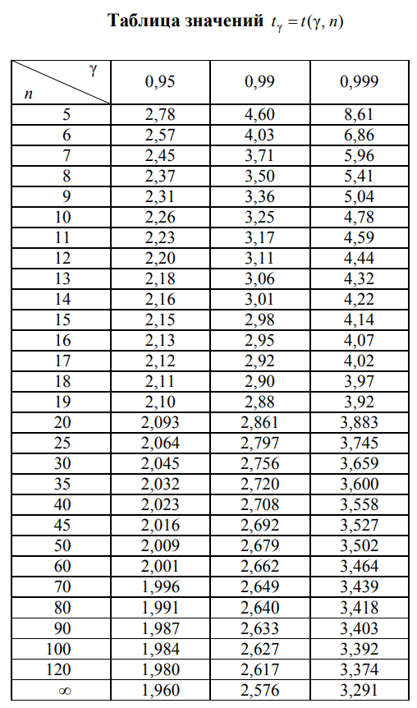
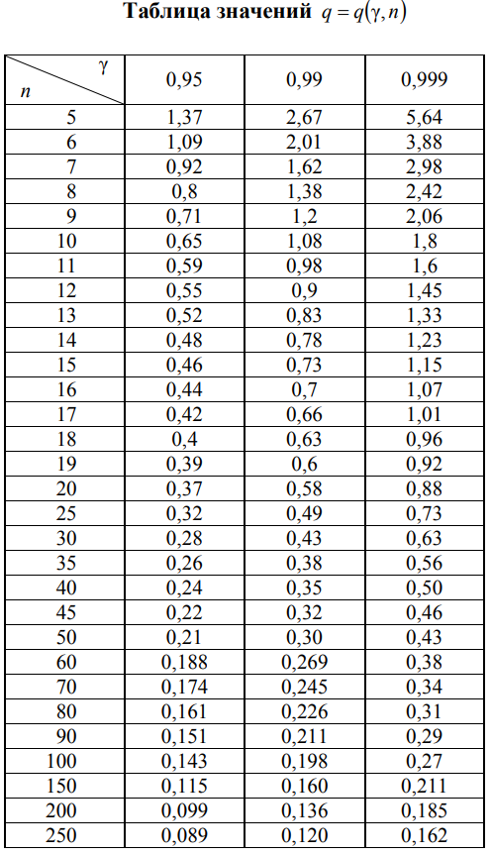
3.4 | 3 | 3 | 3 | 3.4 | 3.2 | 3.4 | 3.6 | 3.8 | 4.1
3.4 | 3 | 3 | 3.3 | 3.4 | 3.4 | 3.4 | 3.6 | 3.9 | 4.1
3.2 | 3 | 3 | 3.3 | 3.4 | 3.2 | 3.4 | 3.6 | 3.9 | 4.4
3.2 | 3 | 3 | 3.4 | 3.4 | 3.2 | 3.4 | 3.6 | 4.1 | 4.4
3.2 | 3 | 3 | 3.8 | 3.2 | 3.2 | 3.4 | 3.6 | 3.9 | 4.4
3.2 | 3 | 3 | 3 | 3.2 | 3.2 | 3.4 | 3.8 | 4.1 | 4.4
3 | 3.1 | 3 | 4 | 3.2 | 3.2 | 3.4 | 3.8 | 4.1 | 4.6
3 | 3.1 | 3 | 4 | 3.2 | 3.4 | 3.6 | 3.8 | 4.1 | 4.6
3 | 3.1 | 3 | 3.7 | 3.2 | 3.4 | 3.6 | 3.8 | 4.1 | 4.6
3 | 3 | 3 | 3.4 | 3.2 | 3.4 | 3.6 | 3.8 | 4.1 | 4.6

counts
 | count
3.08 | 26
3.24 | 18
3.4 | 19
3.56 | 8
3.72 | 1
3.88 | 10
4.04 | 10
4.2 | 0
4.36 | 4
4.52 | 4
interval | mid | count
3 | 3.08 | 26
3.16 | 3.24 | 18
3.32 | 3.4 | 19
3.48 | 3.56 | 8
3.64 | 3.72 | 1
3.8 | 3.88 | 10
3.96 | 4.04 | 10
4.12 | 4.2 | 0
4.28 | 4.36 | 4
4.44 | 4.52 | 4
4.6

F(x)
 | F(x)
3 | 0
3.01 | 0.23
3.02 | 0.23
3.03 | 0.23
3.04 | 0.23
3.05 | 0.23
3.06 | 0.23
3.07 | 0.23
3.08 | 0.23
3.09 | 0.23
3.1 | 0.23
3.11 | 0.26
3.12 | 0.26
3.13 | 0.26
3.14 | 0.26
3.15 | 0.26
3.16 | 0.26
3.17 | 0.26
3.18 | 0.26
3.19 | 0.26
3.2 | 0.26
3.21 | 0.42
3.22 | 0.42
3.23 | 0.42
3.24 | 0.42
3.25 | 0.42
3.26 | 0.42
3.27 | 0.42
3.28 | 0.42
3.29 | 0.42
3.3 | 0.42
3.31 | 0.44
3.32 | 0.44
3.33 | 0.44
3.34 | 0.44
3.35 | 0.44
3.36 | 0.44
3.37 | 0.44
3.38 | 0.44
3.39 | 0.44
3.4 | 0.44
3.41 | 0.63
3.42 | 0.63
3.43 | 0.63
3.44 | 0.63
3.45 | 0.63
3.46 | 0.63
3.47 | 0.63
3.48 | 0.63
3.49 | 0.63
...
n_x | x | F(x)
0 | 3 | 0
23 | 3.01 | 0.23
23 | 3.02 | 0.23
23 | 3.03 | 0.23
23 | 3.04 | 0.23
23 | 3.05 | 0.23
23 | 3.06 | 0.23
23 | 3.07 | 0.23
23 | 3.08 | 0.23
23 | 3.09 | 0.23
23 | 3.1 | 0.23
26 | 3.11 | 0.26
26 | 3.12 | 0.26
26 | 3.13 | 0.26
26 | 3.14 | 0.26
26 | 3.15 | 0.26
26 | 3.16 | 0.26
26 | 3.17 | 0.26
26 | 3.18 | 0.26
26 | 3.19 | 0.26
26 | 3.2 | 0.26
42 | 3.21 | 0.42
42 | 3.22 | 0.42
42 | 3.23 | 0.42
42 | 3.24 | 0.42
42 | 3.25 | 0.42
42 | 3.26 | 0.42
42 | 3.27 | 0.42
42 | 3.28 | 0.42
42 | 3.29 | 0.42
42 | 3.3 | 0.42
44 | 3.31 | 0.44
44 | 3.32 | 0.44
44 | 3.33 | 0.44
44 | 3.34 | 0.44
44 | 3.35 | 0.44
44 | 3.36 | 0.44
44 | 3.37 | 0.44
44 | 3.38 | 0.44
44 | 3.39 | 0.44
44 | 3.4 | 0.44
63 | 3.41 | 0.63
63 | 3.42 | 0.63
63 | 3.43 | 0.63
63 | 3.44 | 0.63
63 | 3.45 | 0.63
63 | 3.46 | 0.63
63 | 3.47 | 0.63
63 | 3.48 | 0.63
63 | 3.49 | 0.63
63 | 3.5 | 0.63
63 | 3.51 | 0.63
63 | 3.52 | 0.63
63 | 3.53 | 0.63
63 | 3.54 | 0.63
63 | 3.55 | 0.63
63 | 3.56 | 0.63
63 | 3.57 | 0.63
63 | 3.58 | 0.63
63 | 3.59 | 0.63
63 | 3.6 | 0.63
71 | 3.61 | 0.71
71 | 3.62 | 0.71
71 | 3.63 | 0.71
71 | 3.64 | 0.71
71 | 3.65 | 0.71
71 | 3.66 | 0.71
71 | 3.67 | 0.71
71 | 3.68 | 0.71
71 | 3.69 | 0.71
71 | 3.7 | 0.71
72 | 3.71 | 0.72
72 | 3.72 | 0.72
72 | 3.73 | 0.72
72 | 3.74 | 0.72
72 | 3.75 | 0.72
72 | 3.76 | 0.72
72 | 3.77 | 0.72
72 | 3.78 | 0.72
72 | 3.79 | 0.72
72 | 3.8 | 0.72
79 | 3.81 | 0.79
79 | 3.82 | 0.79
79 | 3.83 | 0.79
79 | 3.84 | 0.79
79 | 3.85 | 0.79
79 | 3.86 | 0.79
79 | 3.87 | 0.79
79 | 3.88 | 0.79
79 | 3.89 | 0.79
79 | 3.9 | 0.79
82 | 3.91 | 0.82
82 | 3.92 | 0.82
82 | 3.93 | 0.82
82 | 3.94 | 0.82
82 | 3.95 | 0.82
82 | 3.96 | 0.82
82 | 3.97 | 0.82
82 | 3.98 | 0.82
82 | 3.99 | 0.82
82 | 4 | 0.82
84 | 4.01 | 0.84
84 | 4.02 | 0.84
84 | 4.03 | 0.84
84 | 4.04 | 0.84
84 | 4.05 | 0.84
84 | 4.06 | 0.84
84 | 4.07 | 0.84
84 | 4.08 | 0.84
84 | 4.09 | 0.84
84 | 4.1 | 0.84
92 | 4.11 | 0.92
92 | 4.12 | 0.92
92 | 4.13 | 0.92
92 | 4.14 | 0.92
92 | 4.15 | 0.92
92 | 4.16 | 0.92
92 | 4.17 | 0.92
92 | 4.18 | 0.92
92 | 4.19 | 0.92
92 | 4.2 | 0.92
92 | 4.21 | 0.92
92 | 4.22 | 0.92
92 | 4.23 | 0.92
92 | 4.24 | 0.92
92 | 4.25 | 0.92
92 | 4.26 | 0.92
92 | 4.27 | 0.92
92 | 4.28 | 0.92
92 | 4.29 | 0.92
92 | 4.3 | 0.92
92 | 4.31 | 0.92
92 | 4.32 | 0.92
92 | 4.33 | 0.92
92 | 4.34 | 0.92
92 | 4.35 | 0.92
92 | 4.36 | 0.92
92 | 4.37 | 0.92
92 | 4.38 | 0.92
92 | 4.39 | 0.92
92 | 4.4 | 0.92
96 | 4.41 | 0.96
96 | 4.42 | 0.96
96 | 4.43 | 0.96
96 | 4.44 | 0.96
96 | 4.45 | 0.96
96 | 4.46 | 0.96
96 | 4.47 | 0.96
96 | 4.48 | 0.96
96 | 4.49 | 0.96
96 | 4.5 | 0.96
96 | 4.51 | 0.96
96 | 4.52 | 0.96
96 | 4.53 | 0.96
96 | 4.54 | 0.96
96 | 4.55 | 0.96
96 | 4.56 | 0.96
96 | 4.57 | 0.96
96 | 4.58 | 0.96
96 | 4.59 | 0.96
96 | 4.6 | 0.96
100 | 4.61 | 1
100 | 4.62 | 1
100 | 4.63 | 1
100 | 4.64 | 1
100 | 4.65 | 1

