Bug Report
WholeCart B2B Marketplace - Defect Log Report
Project: WholeCart | Environment: Demo System (13.200.185.1) | Date: 2026-10-29

Bug ID | Bug Title | Steps to Reproduce | Expected Result | Actual Result | Severity | Screenshot / Evidence
BUG-001 | Orders can be marked as 'Delivered' for future delivery slots | 1. Log in as a seller. 2. Locate an order with a future delivery slot (e.g. 2026-10-30). 3. Click 'Deliver' action button. | System should prevent fulfilling or marking an order as delivered before the scheduled delivery slot date/time. | Order status updates to 'delivered' for future-dated slots. | Medium | 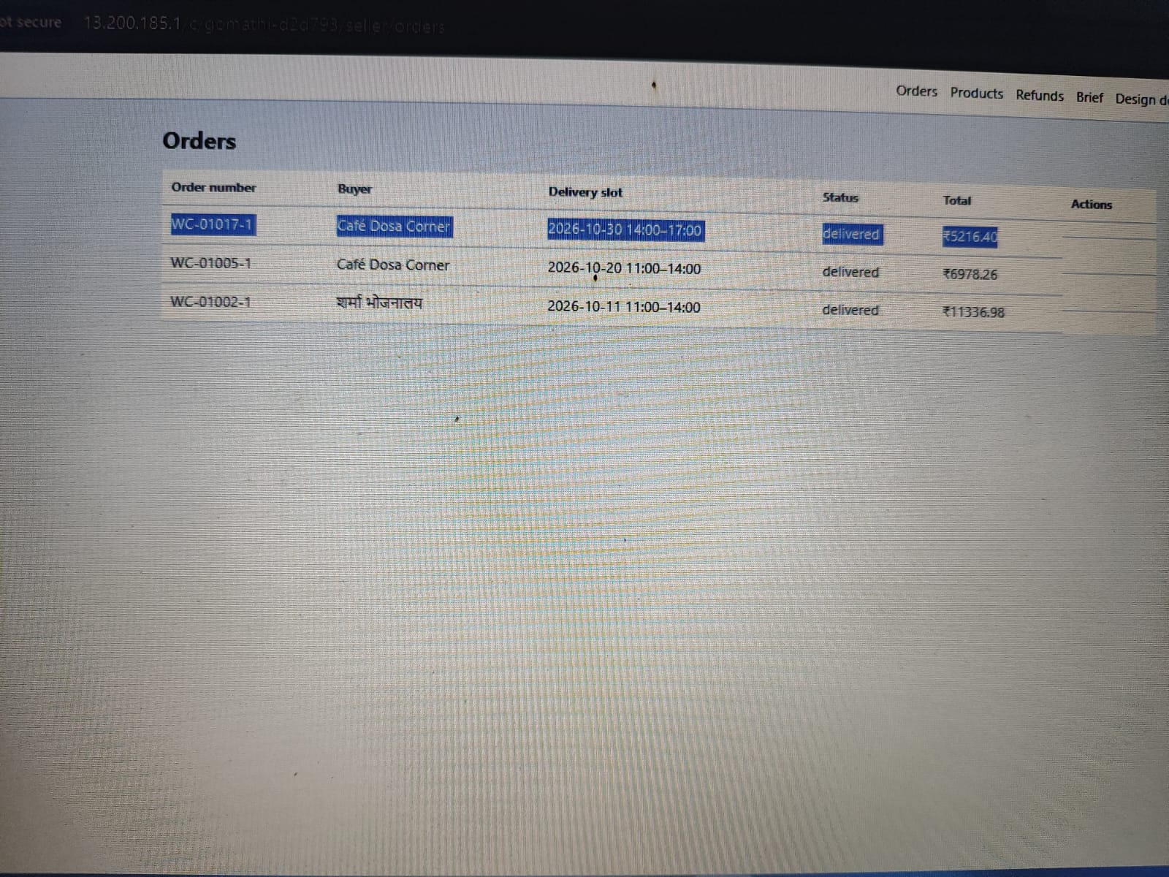 https://drive.google.com/file/d/1GQvpmLEdLluCSM8Mr316ckXPxDs_AP3h/view?usp=drivesdk
BUG-002 | Grammatical typo in seller action success notification banners (deliver/ fail) | 1. Log in as a seller. 2. Action any order by clicking 'Deliver' or 'Fail'. 3. Observe top green notification banner. | Banner should show correct past-tense verbs (e.g. 'Order updated: delivered', 'failed'). | Banner shows base verb forms ('Order updated: deliver', 'Order updated: fail'). | Low | 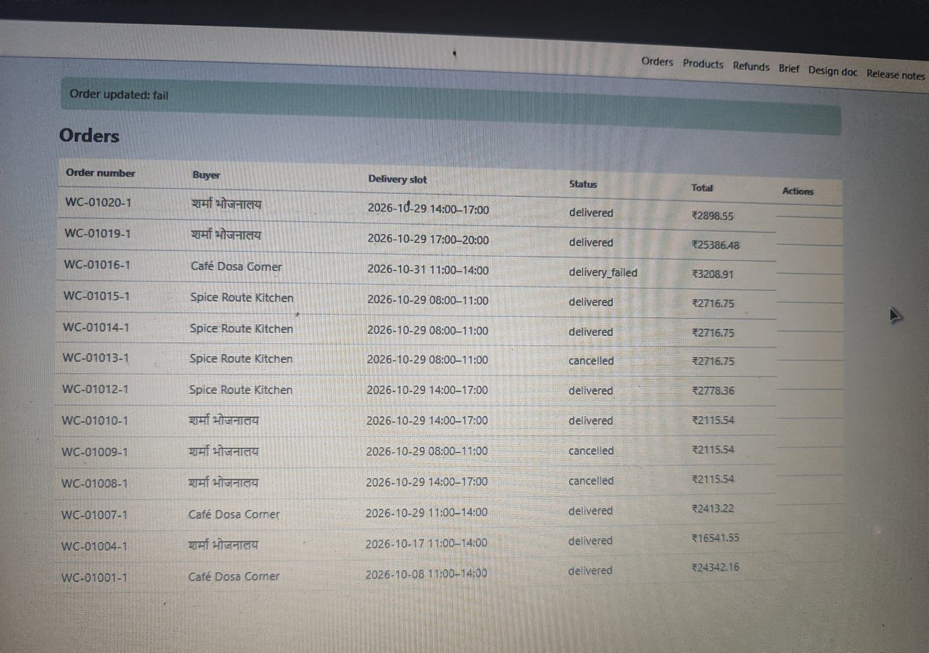 https://drive.google.com/file/d/1j8Hm3IZxin54ZZPPKcW2eA8_jin_wrot/view?usp=drivesdk
BUG-003 | Grammatical typo in success banner when marking order as shipped (ship) | 1. Log in as a seller. 2. Action any order by clicking 'Ship'. 3. Observe top green notification banner. | Banner should show correct past-tense verbs (e.g. 'Order updated: 'shipped'). | Banner shows base verb forms ('Order updated: 'ship'). | Low | 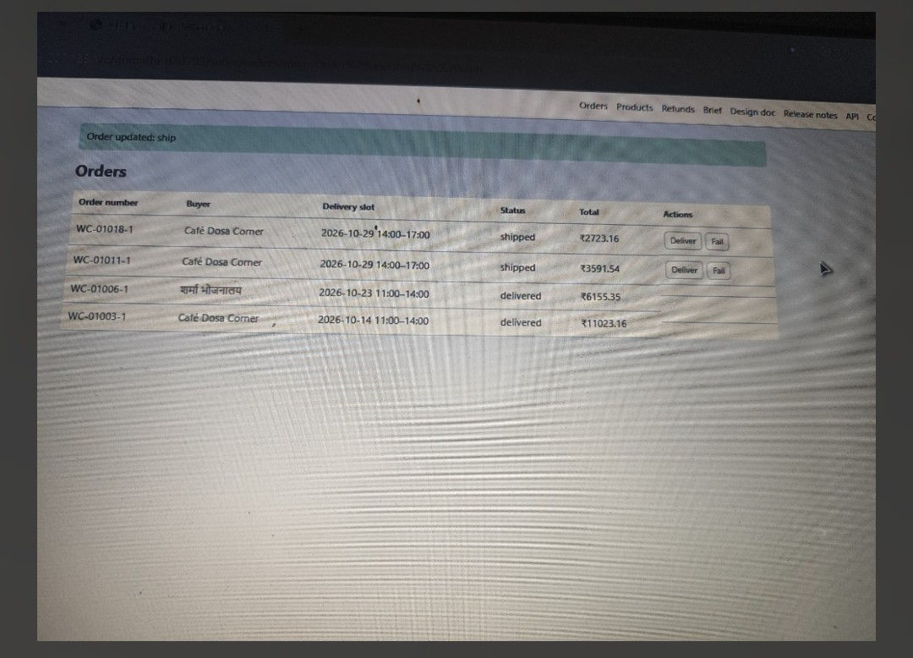 https://drive.google.com/file/d/1wZK0l1giJcJ9HfmRGa2FpL5_KO6mfMFT/view?usp=drivesdk
BUG-004 | Invalid morning slot selection for same-day redelivery & unauthorized cancellation on failed orders | 1. Open order details for a 'delivery_failed' order. 2. Select a same-day morning slot (08:00-11:00) for redelivery. 3. Check availability of 'Cancel order' button. | 9 | System permits picking same-day morning slots and displays active 'Cancel order' button on failed orders. | Medium | https://drive.google.com/file/d/1sSSG_1KJSigmCreKP8Ey_90FM1Usfd9g/view?usp=drivesdk | 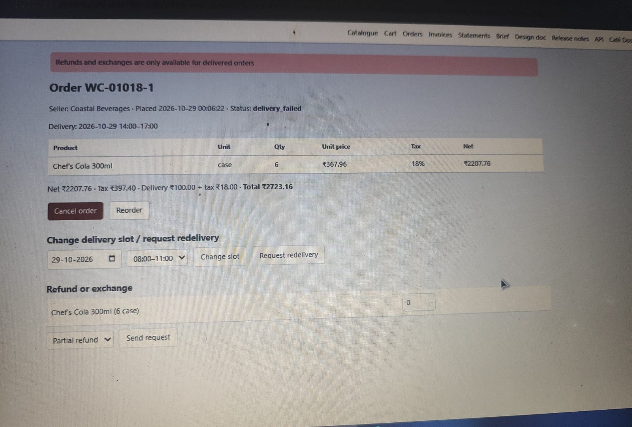
BUG-005 | Orders can be marked as 'Delivery Failed' for future delivery slots | 1. Log in as a seller. 2. Locate an order with a future delivery slot (e.g.2026-10-31). 3. Click 'Fail' action button. | System should prevent fulfilling or marking an order as failed before the scheduled delivery slot date/time. | Order status updates to 'delivery_failed' for future-dated slots. | Medium | 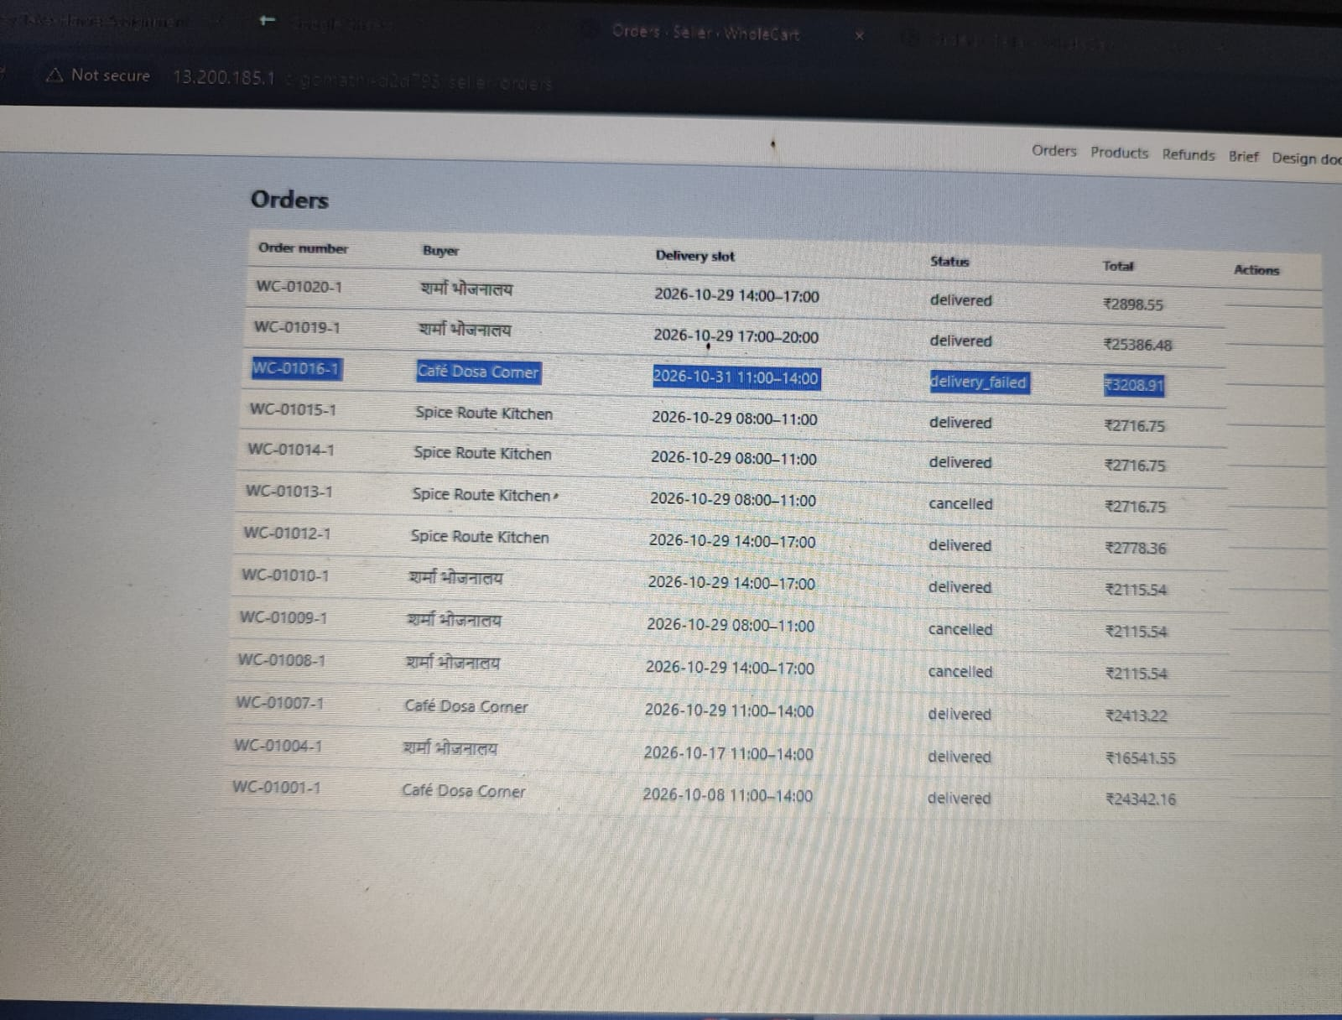 https://drive.google.com/file/d/1OxfWCC5ovCBI5xxdpDxj16BpXoJBCLxQ/view?usp=drivesdk
BUG-006 | Tax invoices missing mandatory B2B supply type and place of supply details (CR-09 violation) | 1. Log in as buyer or seller and navigate to Invoices. 2. Open any generated tax invoices (e.g. inv-00017). 3. Inspect the header and metadata sections for supply type and place of supply. | Per approved change request CR-09, every tax invoice must display 'Supply type: B2B' and 'Place of supply' (e.g. Goa (30)) to be valid for input tax credit. | Tax invoice displays seller/buyer GSTIN and address, but completely omits the mandatory 'Supply type' and 'Place of supply' fields required by CR-09 | Medium | https://drive.google.com/file/d/1d_-EQiFVuIHUTswqtMTd__U0peL8_tWb/view?usp=drivesdk | 