01_READ_ME
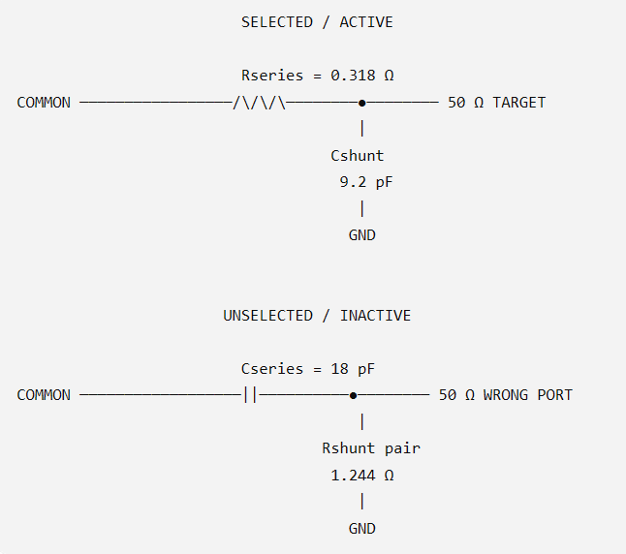
HF SP2T RF SWITCH — HOW TO READ THIS WORKBOOK (NO INDUCTORS)

SELECTED / ACTIVE BRANCH |  |  |  |  |  | UNSELECTED / INACTIVE BRANCH

COMMON | → | Series MOSFET pair ON | → | RF NODE | → 50 Ω TARGET | COMMON | → | Series pair OFF | → | B NODE
 |  | Rseries = 0.318 Ω |  | │ |  |  |  | Cseries = 18 pF |  | ├→ 50 Ω WRONG PORT
 |  |  |  | ↓ |  |  |  |  |  | │
 |  |  |  | Shunt pair OFF |  |  |  |  |  | └→ Shunt pair ON
 |  |  |  | Cshunt = 4.5 pF → GND |  |  |  |  |  | Rshunt = 8.4 Ω → GND

Core question 1 — ACTIVE BRANCH: Of the 1300 W available RF power, how much reaches the selected 50 Ω load? The ON series MOSFETs create real I²R loss. The OFF shunt MOSFET pair does not disappear: its effective capacitance loads the RF node, changes the input match, and therefore increases reflected power.

Core question 2 — INACTIVE BRANCH: The OFF series MOSFET pair leaks RF through its effective Coff. At the B node this leakage sees two parallel paths: 50 Ω wrong-port load and the ON shunt MOSFET pair. The shunt pair pulls the B-node voltage down; only a small fraction reaches the wrong port.

Metric | 30 MHz value |  |  |  |  | Model limitations
Selected-port load power | 1272.165 |  |  |  |  | No series or shunt-path inductance is included. This is a linear, lumped 50 Ω model. MOSFET capacitance varies with voltage; PCB, package and direct electromagnetic coupling require measurement.
Unselected-port leakage | 0.767
Series-pair conduction loss | 8.106
Shunt-pair dissipation | 4.564
Reflected power | 14.399

04_SERIES_SHUNT
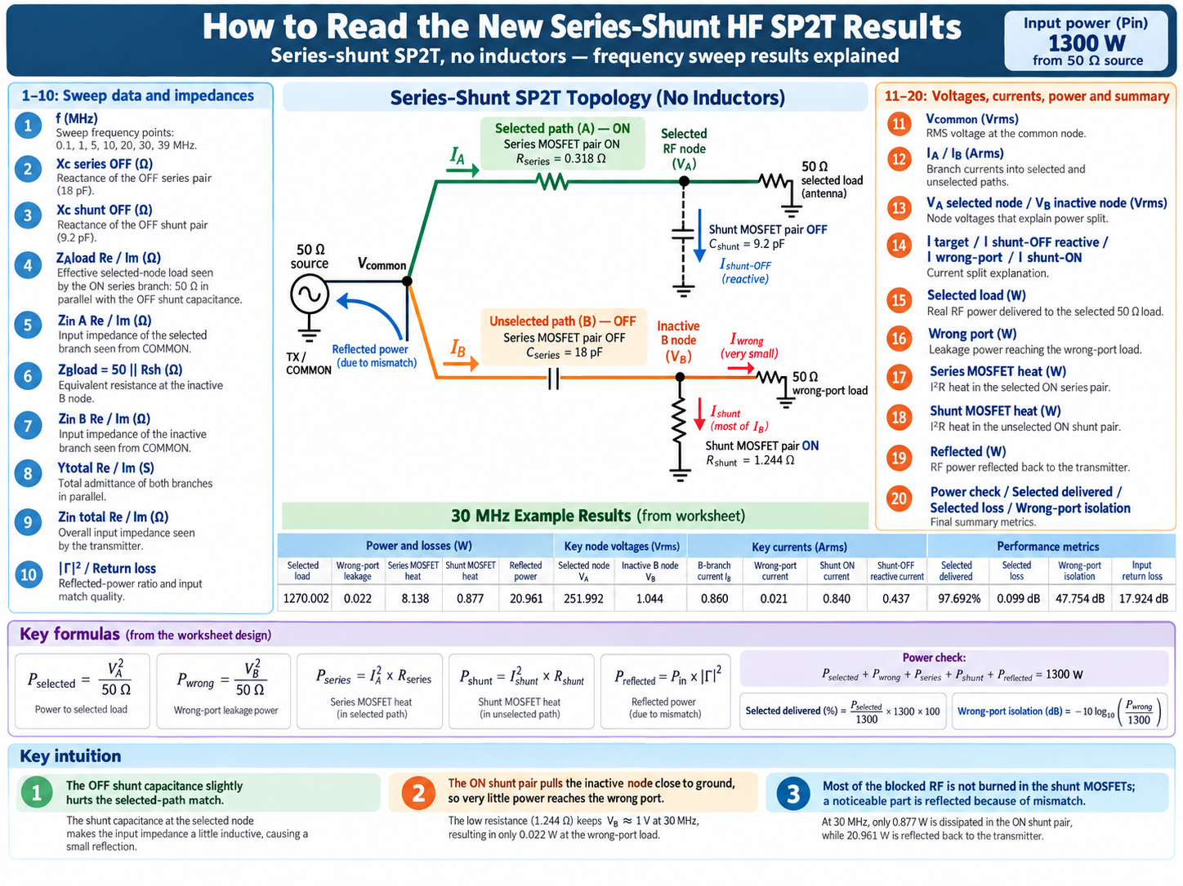
NEW DESIGN — SERIES-SHUNT SP2T (NO INDUCTORS)

Selected branch: series MOSFET pair ON + shunt MOSFET pair OFF (Cshunt). Unselected branch: series MOSFET pair OFF (Cseries) + shunt MOSFET pair ON (Rshunt). No series inductor and no shunt-path inductance are included.

f (MHz) | Xc series OFF (Ω) | Xc shunt OFF (Ω) | ZAload Re (Ω) | ZAload Im (Ω) | Zin A Re (Ω) | Zin A Im (Ω) | ZBload = 50||Rsh (Ω) | Zin B Re (Ω) | Zin B Im (Ω) | Ytotal Re (S) | Ytotal Im (S) | Zin total Re (Ω) | Zin total Im (Ω) | |Γ|² | Vcommon (Vrms) | IA branch (Arms) | IB branch (Arms) | VA selected node (Vrms) | VB inactive node (Vrms) | I target (Arms) | I shunt-OFF reactive (Arms) | I wrong-port (Arms) | I shunt-ON (Arms) | Selected load (W) | Wrong port (W) | Series MOSFET heat (W) | Shunt MOSFET heat (W) | Reflected (W) | Power check (W) | Selected delivered (%) | Selected loss (dB) | Wrong-port isolation (dB) | Input return loss (dB)
0.100 | 88419.027 | 353677.651 | 50.000 | -0.007 | 50.318 | -0.007 | 7.192 | 7.192 | -88419.027 | 0.020 | 0.000 | 50.318 | -0.036 | 0.000 | 255.759 | 5.083 | 0.003 | 254.143 | 0.021 | 5.083 | 0.001 | 0.000 | 0.002 | 1291.771 | 0.000 | 8.216 | 0.000 | 0.013 | 1300.000 | 99.367 | 0.028 | 81.767 | 49.925
1.000 | 8841.903 | 35367.765 | 50.000 | -0.071 | 50.318 | -0.071 | 7.192 | 7.192 | -8841.903 | 0.020 | 0.000 | 50.315 | -0.357 | 0.000 | 255.757 | 5.083 | 0.029 | 254.141 | 0.208 | 5.083 | 0.007 | 0.004 | 0.025 | 1291.749 | 0.001 | 8.216 | 0.005 | 0.029 | 1300.000 | 99.365 | 0.028 | 61.767 | 46.470
5.000 | 1768.381 | 7073.553 | 49.998 | -0.353 | 50.316 | -0.353 | 7.192 | 7.192 | -1768.381 | 0.020 | 0.001 | 50.249 | -1.783 | 0.000 | 255.704 | 5.082 | 0.145 | 254.088 | 1.040 | 5.082 | 0.036 | 0.021 | 0.124 | 1291.218 | 0.022 | 8.213 | 0.129 | 0.419 | 1300.000 | 99.324 | 0.029 | 47.789 | 34.918
10.000 | 884.190 | 3536.777 | 49.990 | -0.707 | 50.308 | -0.707 | 7.192 | 7.192 | -884.190 | 0.020 | 0.001 | 50.043 | -3.549 | 0.001 | 255.540 | 5.079 | 0.289 | 253.925 | 2.078 | 5.079 | 0.072 | 0.042 | 0.247 | 1289.562 | 0.086 | 8.203 | 0.514 | 1.634 | 1300.000 | 99.197 | 0.035 | 41.774 | 29.006
20.000 | 442.095 | 1768.388 | 49.960 | -1.413 | 50.278 | -1.413 | 7.192 | 7.192 | -442.095 | 0.020 | 0.003 | 49.237 | -6.973 | 0.005 | 254.887 | 5.068 | 0.576 | 253.277 | 4.146 | 5.066 | 0.143 | 0.083 | 0.494 | 1282.980 | 0.344 | 8.166 | 2.046 | 6.463 | 1300.000 | 98.691 | 0.057 | 35.777 | 23.035
30.000 | 294.730 | 1178.926 | 49.910 | -2.117 | 50.228 | -2.117 | 7.192 | 7.192 | -294.730 | 0.020 | 0.004 | 47.956 | -10.161 | 0.011 | 253.811 | 5.049 | 0.861 | 252.207 | 6.191 | 5.044 | 0.214 | 0.124 | 0.737 | 1272.165 | 0.767 | 8.106 | 4.564 | 14.399 | 1300.000 | 97.859 | 0.094 | 32.293 | 19.556
39.000 | 226.715 | 906.866 | 49.848 | -2.748 | 50.166 | -2.748 | 7.192 | 7.192 | -226.715 | 0.020 | 0.005 | 46.463 | -12.757 | 0.019 | 252.493 | 5.026 | 1.113 | 250.898 | 8.005 | 5.018 | 0.277 | 0.160 | 0.953 | 1258.993 | 1.282 | 8.032 | 7.629 | 24.065 | 1300.000 | 96.846 | 0.139 | 30.061 | 17.326

30 MHz QUICK READ — WHAT HAPPENS TO THE 1300 W? |  |  |  |  |  |  |  |  | 30 MHz CURRENT SPLIT — WHY THE SHUNT WORKS
Metric | 30 MHz value | Meaning |  |  |  |  |  |  | Quantity | Value | Meaning
Selected load power | 1272.165 | Real RF power reaching the selected 50 Ω target |  |  |  |  |  |  | Inactive B-node voltage | 6.191 | Shunt ON pulls this node close to ground
Wrong-port leakage | 0.767 | Real RF power reaching the unselected 50 Ω port |  |  |  |  |  |  | B-branch current | 0.861 | Current leaking through the 18 pF OFF series pair
Series MOSFET heat | 8.106 | I²R heating in the selected ON series pair |  |  |  |  |  |  | Wrong-port current | 0.124 | Small part that reaches the 50 Ω wrong port
Shunt MOSFET heat | 4.564 | I²R heating in the unselected ON shunt pair |  |  |  |  |  |  | Shunt ON current | 0.737 | Most of the B-branch current is diverted here
Reflected power | 14.399 | RF power returning toward the transmitter due to mismatch |  |  |  |  |  |  | Selected-node voltage | 252.207 | Voltage across target load and OFF shunt capacitance
 |  |  |  |  |  |  |  |  | Shunt-OFF reactive current | 0.214 | Reactive current in the OFF shunt capacitance; not direct heat

