Summary
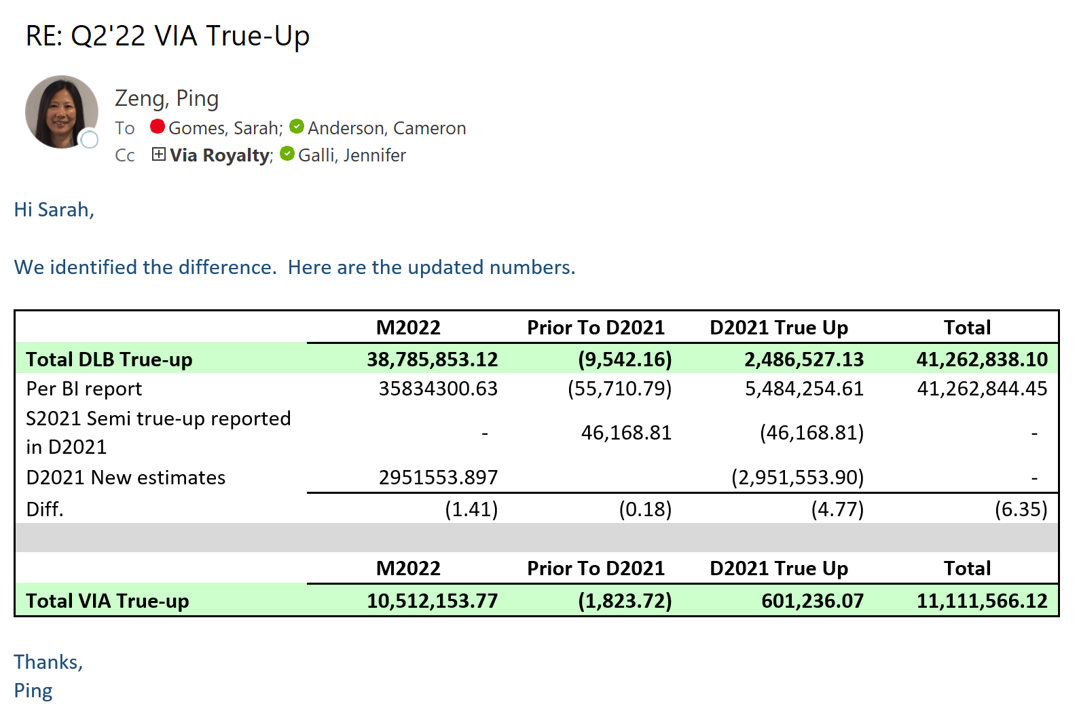
 |  |  |  | Category | True-up
Category | True-up |  |  | Accounting Document type | (Multiple Items)
December 2021 true-up, including Dolby share of VIA
Sum of $ | Column Labels |  |  | Sum of $ | Column Labels
Row Labels | # | P | Grand Total | Row Labels | # | P | Grand Total | % variance (Entertainment) | % variance (Patent)
Automotive | 867,638.61 | (272,687.74) | 594,950.87 | Automotive | (7,373,910.61) | (1,115,500.00) | (8,489,410.61) | 12% | -24%
Broadcast | 5,850,340.21 | (260,219.36) | 5,590,120.85 | Broadcast | (67,175,964.37) | (5,451,566.51) | (72,627,530.88) | 9% | -5%
CE | 2,763,548.81 | (17,661.90) | 2,745,886.91 | CE | (30,064,630.39) | (2,417,255.50) | (32,481,885.89) | 9% | -1%
Gaming | 1,659,640.56 | (5,035.14) | 1,654,605.42 | Gaming | (9,691,260.10) | (214,277.75) | (9,905,537.85) | 17% | -2%
Mobile | 1,353,022.97 | (5,286.50) | 1,347,736.47 | Mobile | (3,829,122.26) | (6,959,977.51) | (10,789,099.77) | 35% | 0%
Other | 360.00 | (1,040.00) | (680.00) | Other |  | (2,000.00) | (2,000.00) | 0% | 1270%
PC | (658,931.63) | 25,395.34 | (633,536.29) | PC | (17,570,089.96) | (2,001,977.75) | (19,572,067.71) | 0% | 0%
Voice | (17,186.01) |  | (17,186.01) | Voice | (75,781.27) |  | (75,781.27)
Grand Total | 11,818,433.52 | (536,535.30) | 11,281,898.22 | Grand Total | (135,780,758.96) | (18,162,555.02) | (153,943,313.98)
Via adjustments:
VIA Admin true-up |  |  | 601,236.07 | December 2021 true-up - Entertainment (excluding Other, Voice, and Dolby share of VIA)
Dolby Share of Sept semi-annual true-up adjustment |  |  | (46,168.81) |  |  |  | Category | True-up
D2021 New Estimates without agreement in Q1'22 |  |  | (2,951,553.90) | Category | True-up |  | Reporting ID - Patent flag | #
Consolidated true-up for Q2'22 |  |  | 8,885,411.58 | Reporting ID - Patent flag | # |  | Accounting Document type | (Multiple Items)
 |  |  |  | Licensee2 | (Multiple Items) |  | Licensee2 | (Multiple Items)
Category | True-up |  |  | True-up/(-down) |  |  | Original estimate (reverse sign)
Reporting ID - Patent flag | (All) |  |  | Row Labels | Sum of $ |  | Row Labels | Sum of $ | % variance (Entertainment) | Comments
Licensee2 | VIA LICENSING CORPORATION |  |  | Automotive | 158,697.04 |  | Automotive | (3,140,866.00) | 5%
 |  |  |  | Broadcast | 5,046,496.61 |  | Broadcast | (58,533,774.40) | 9% | Main drivers: Samsung ($1.3M), Sony ($1.2M), LG ($1.1M), TCL ($1.0M), Top Victory ($0.9M), Arris ($0.9M), Changhong ($0.8M), Technicolor ($0.8M), Panasonic ($0.6M), Hisense ($0.5M), Shenzhen KTC ($0.5M), Vestel ($0.5M), Sercomm $1.1M, ZTE $0.8M
Row Labels | Sum of $ |  |  | CE | 722,720.33 |  | CE | (22,882,556.33) | 3% | Main drivers: Amazon $1.3M, Google ($0.7M),
Automotive | 708,941.57 |  |  | Gaming | 1,904,312.42 |  | Gaming | (6,628,544.00) | 29% | Main driver: Sony ($2.3M)
Broadcast | 803,843.60 |  |  | Mobile | 668,187.02 |  | Mobile | (687,470.00) | 97% | Main driver: Amazon $1.2M
CE | 2,040,828.48 |  |  | PC | (172,910.00) |  | PC | (16,564,967.92) | -1% | Main driver: Lenovo PC HK $1.8M
Gaming | (244,671.86) |  |  | Grand Total | 8,327,503.42 |  | Grand Total | (108,438,178.65)
Mobile | 684,835.95
PC | (486,021.63)
Grand Total | 3,507,756.11
Dolby Share of Sept semi-annual true-up adjustment | (46,168.81)
VIA Admin true-up | 601,236.07
D2021 New Estimates without agreement in Q1'22 | (2,951,553.90)
Total true-up from Via pool (Dolby + Via combined) | 1,111,269.47

Parameters
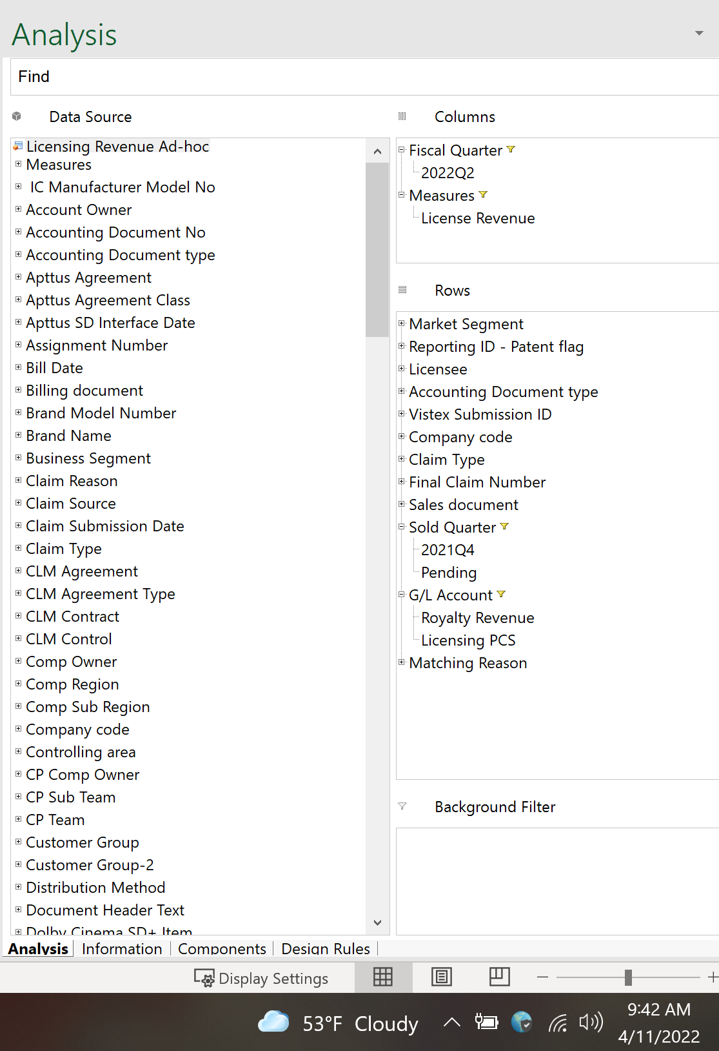
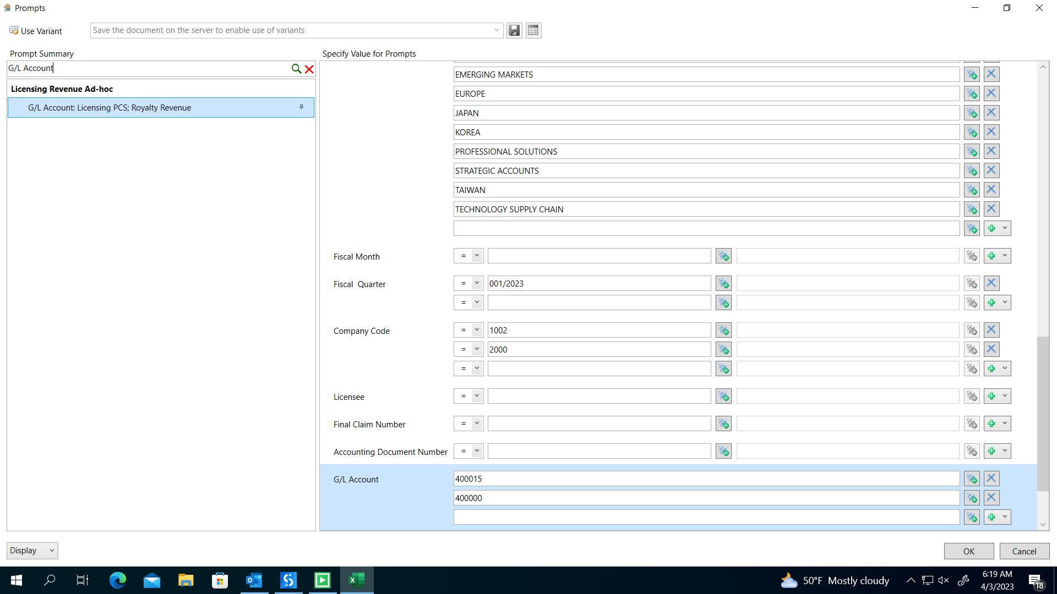

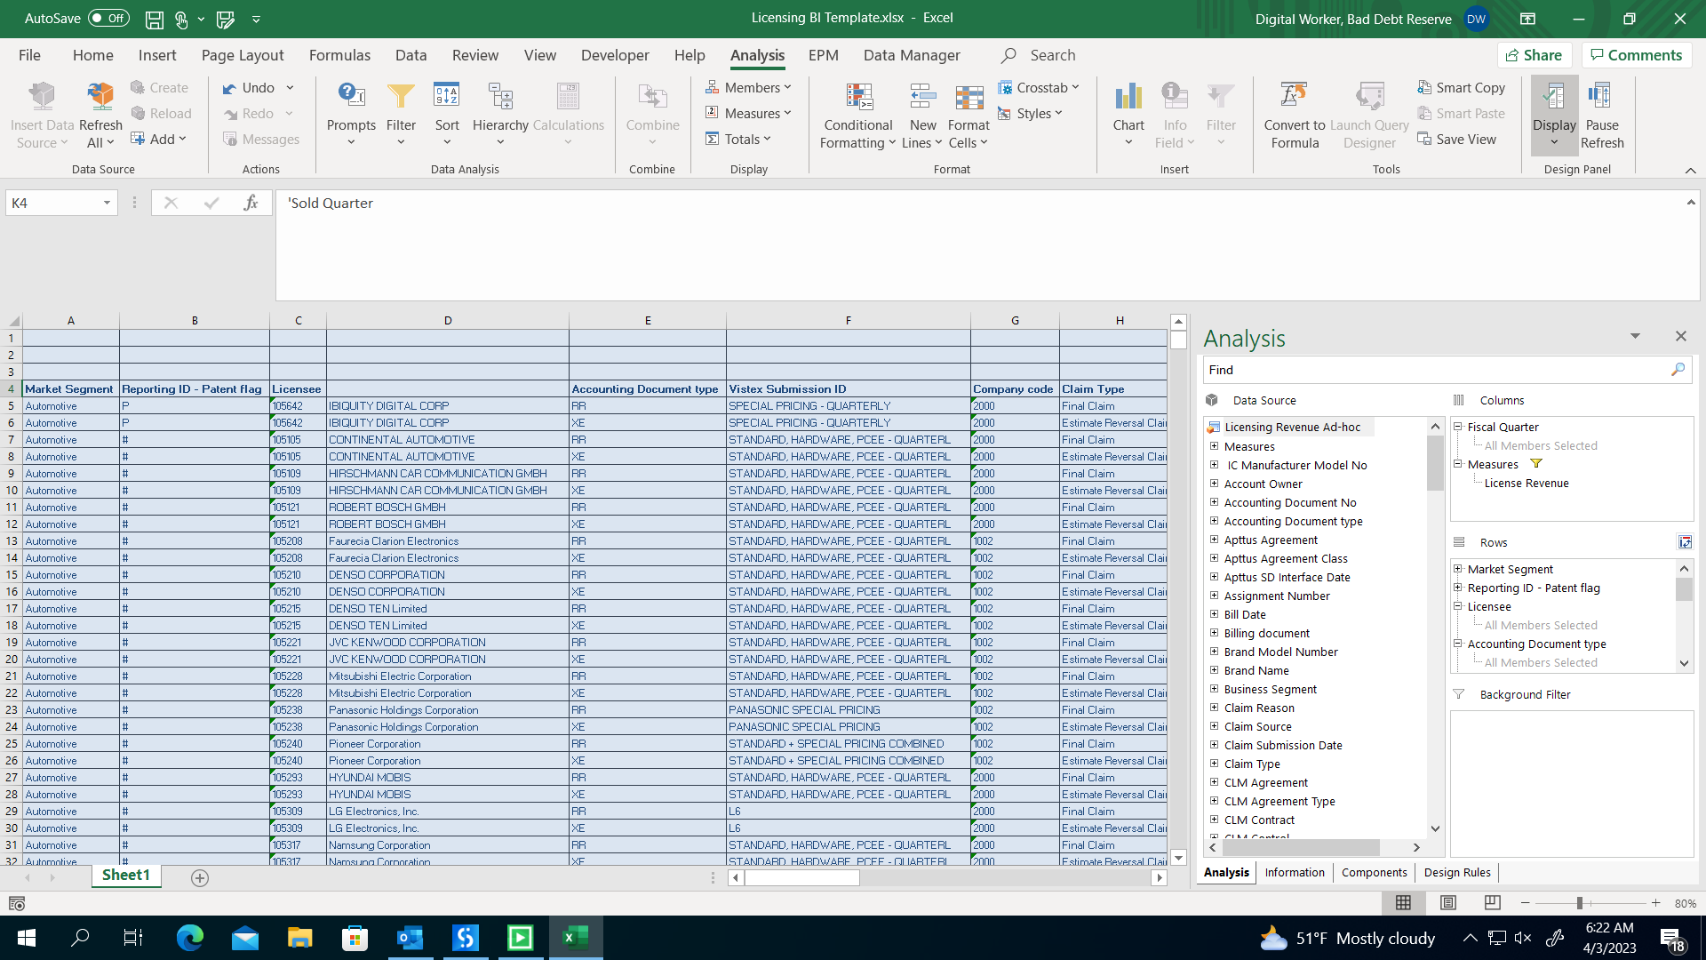

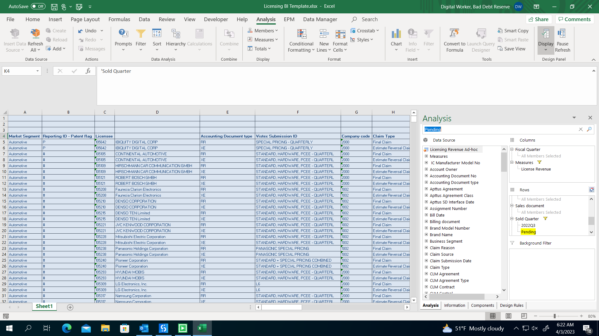

Review
Management Review Steps:
Dolby True-Up
1. Reviewed "Procedures" tab and "Parameters" tab to confirm the parameters of the BI report are appropriate for purposes of obtaining a complete population from which to determine the true-up. By narrowing the report to Q4 2021 sold quarter, we are only looking at estimates made for that sold quarter and the actual royalties subsequently reported (and matched estimate reversal) associated with that sold quarter. Since the "Pending" sold quarter could potentially include amounts processed in SD that were estimated for the Q4 2021 sold quarter, we also include that parameter.
2. Identified cash-basis licensees and ensure they were marked "not a true up" as cash-basis licensees would not have been estimated. Reviewed exceptions noting that the rationale is reasonable (e.g., SLC on file).
3. Performed Steps 4-7 below. Reviewed the nature of the selections marked "not a true up" for appropriateness. Noted the following examples of selections that are excluded from the true-up determination:
- MDF that is not earned and calculated on unit sales (e.g., iQIYI)
- Fixed fees and CVOs
- Licensing PCS rollout
- Adjustments to variable consideration (e.g., HEVC LG settlement)
- Cash-basis statements
4. Filtered by Sold Quarter Q4 2021 and GL acct 400000. Ensured claim types directly related to estimates (ZEST, ZESR) and actuals (ZFIN, ZFIR) are categorized as True-Up. Reviewed other claim types, such as ZMDF, ZACC, and #. ZMDFs are included to the extent they are unit-based and therefore included in the estimate (e.g., NDRC MDFs). ZACCs are accruals which may have been included in the estimate but were accrued to the extent they weren't processed in Vistex (e.g., Sony discounts). # include statements processed in SD instead of Vistex and are included in the true-up calculation to the extent they were part of the estimate (e.g., Apple annual cap). I used a review threshold of $25K on an individual basis.
5. Filtered by Sold Quarter Q4 2021 and GL acct 400015. This population is made up of Voice PCS which was estimated, therefore is appropriate to include in the true-up determination. I used a review threshold of $25K on an individual basis.
6. Filtered by Sold Quarter Pending and GL acct 400000. This represents revenue processed outside of Vistex, primarily CVOs executed and uploaded in the quarter, fixed fees such as quarterly patent/technology license fees, and annual site license fees. These are unrelated to the estimate and therefore are excluded from the true-up determination. Exceptions are DGS royalties which are included in the estimate. Reviewed amounts greater than $100K by licensee to confirm they are not part of the estimate process, noting they were all fixed fees or CVOs elected in the period. (Note that fixed fees for a single deal can be split into separate line items when they are allocated to various market segments, therefore the $100K review threshold is applied to the overall deal.)
7. Filtered by Sold Quarter Pending and GL acct 400015. This represents Licensing PCS carveout that is rolling out from deferred revenue which is usually associated with fixed fees and CVOs and therefore are not part of the estimate and is expected to be excluded from the true-up determination.
8. Agreed sum of all activity attributed to the December true-up to the pivot table on the "Summary" tab.
9. Agreed Via admin fee true-up of $601K, the Sept SQ true-up adjustment for semi-annual reporters of ($46K), and the adjustment to back out D2021 new estimates ($2,952K) to separate schedule from Via. The BI report does not capture Sept SQ true-up adjustments for 1) semi-annual reporters reporting the S2021 and D2021 sold quarters in one claim as the S2021 estimate reversals are categorized in the Sept SQ, and 2) semi-annual reporters who report separate claims for S2021 and D2021 as the S2021 actuals would be matched against the S2021 estimate and the true-up is categorized in the Sept SQ. These adjustments related to the Sept estimate of semi-annual reporters should be included in the Dec true-up because the Sept royalties were reported in Q2'22, as part of their normal reporting frequency. Additionally in Q2'22, Via estimated the D2021 royalties for 3 licensees that executed the licenses in Q2'22, which represents a new estimate and needs to be excluded from the December true-up which is reflected in the $2,952K adjustment noted above. Refer to Via schedule for review therein.
Reviewed by: Jennifer Galli
Date: 4/13/2022

