Via
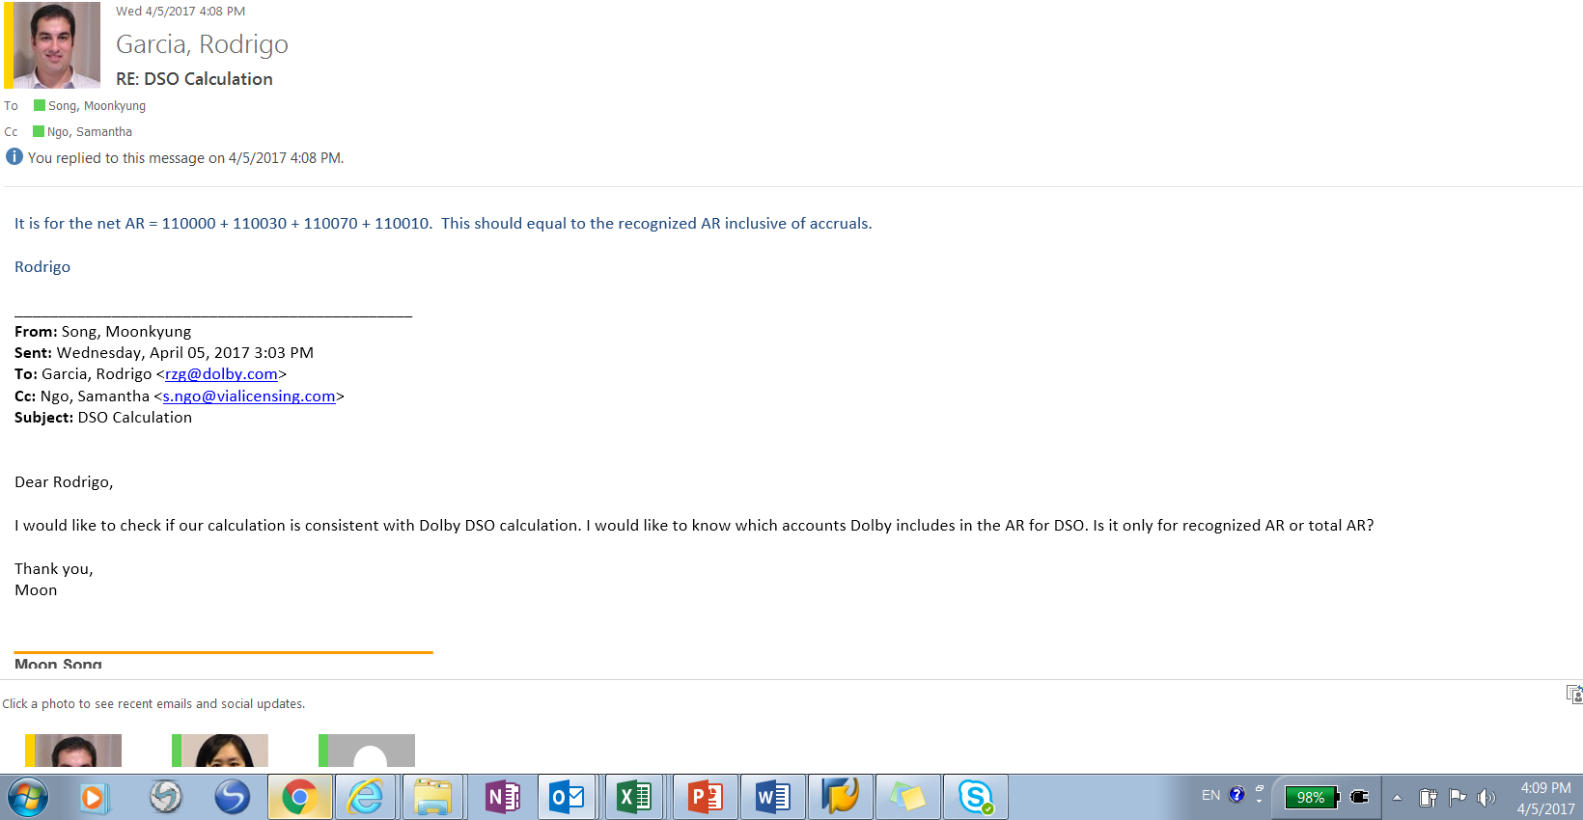
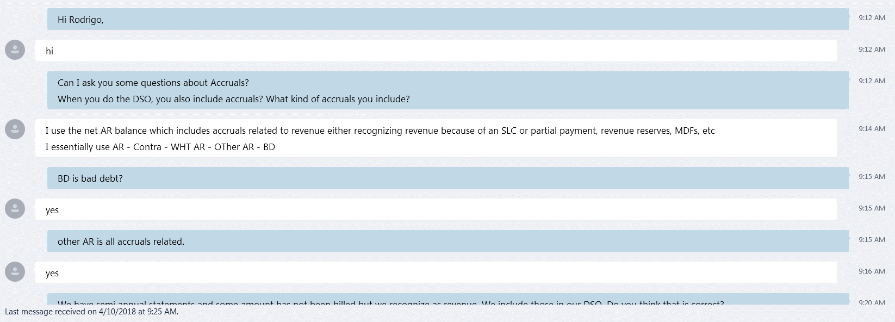

Via Licensing

FY21
 | Y-T-D FY21 |  |  | Q4 2021 |  |  | Q3 2021 |  |  | Q2 2021 |  |  | Q1 2021
 | Title | Amount | Formula | Title | Amount | Formula | Title | Amount | Formula | Title | Amount | Formula | Title | Amount | Formula

 | 2021-09-24 | #REF! |  | 2021-09-24 | #REF! |  | 2021-06-25 | 20,805,931.40 |  | 2021-03-26 | 33,715,848.92 |  | 2020-12-25 | 26,626,347.47
 | Ending AR balance | #REF! | Y | Ending AR balance | #REF! | Y | Ending AR balance | 20,805,931.40 | Y | Ending AR balance | 33,715,848.92 | Y | Ending AR balance | 26,626,347.47 | Y

 | Total FY21 YTD sales | 317,941,284.98 | X | Total Quarterly Sales | 77,260,593.20 | X | Total Quarterly Sales | 73,153,445.24 | X | Total Quarterly Sales | 79,436,758.32 | X | Total Quarterly Sales | 88,090,488.22 | X
 | 09/26/2020-09/24/2021 |  |  | 06/26/2021-09/24/2021 |  |  | 03/27/2021-06/25/2021 |  |  | 12/26/2020-03/26/2021 |  |  | 09/26/2020-12/25/2020
 | Number of Days in Period | 364.00 | Z | Number of Days in Period | 91.00 | Z | Number of Days in Period | 91.00 | Z | Number of Days in Period | 91.00 | Z | Number of Days in Period | 91.00 | Z

 | DSO | #REF! | Y/(X/Z) | DSO | #REF! | Y/(X/Z) | DSO | 25.88 | Y/(X/Z) | DSO | 38.62 | Y/(X/Z) | DSO | 27.51 | Y/(X/Z)

DSO fluctuation
The application of a revenue recognition policy which requires a clear demonstration of collectibility. Those items which do not meet those policy definitions have been allocated to contra AR and are thereby excluded from the analysis.
Formulas:
DSO: Divide the accounts receivable ending balance (AR-Contra AR+Reserve adjustment) by the sales for the period, times the number of days in the quarter (period).
Notes:
Note that the AR figure is Licensing AR net of Contra AR and net of Bad Debt Reserve-Licensing.
Total Quarterly Sales only include Licensing Revenus (100%, not just Via's 10% since AR is not limited to Via's 10%), and do not include Reimbursable, Initial Fees and Patent Evaluation Fees

Q4 AR
T-code | FAGLB03
Accounts | 110020 | Bad Debt
 | 110030 | Contra AR | only has cash basis royalty
 | 110040 | Patent Pool AR
 | 110042 | Patent Pool AR
 | 110070 | W/H Open Items
 | 110080 | W/H Clearing
Period | FY21Q1

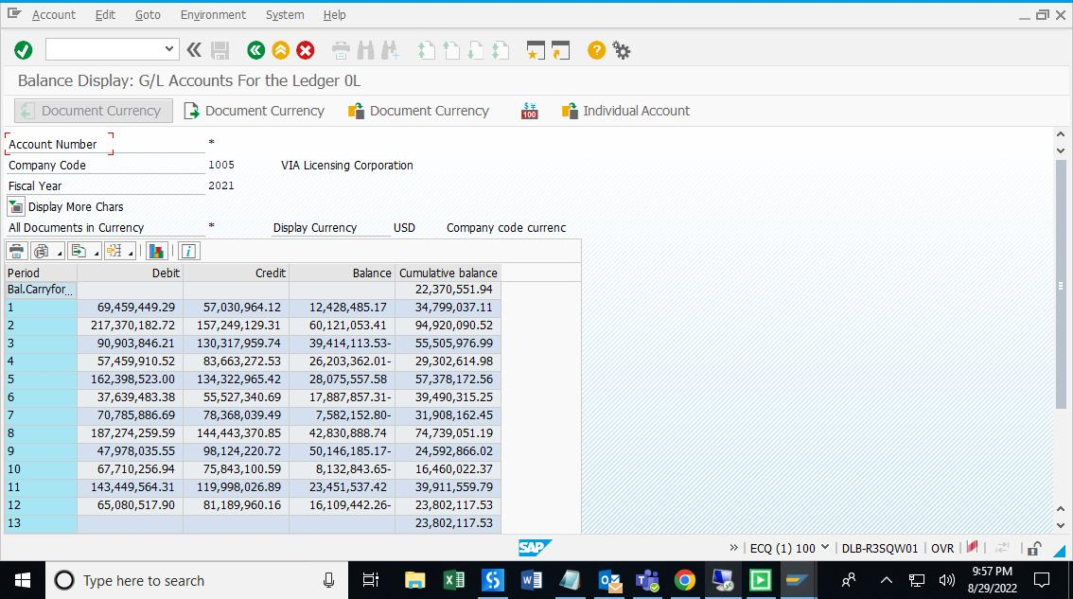
110020-110030-110040-110042-110070-110080
Period | Debit | Credit | Balance | Cumulative balance
Bal.Carryforward | 0.00 | 0.00 | 0.00 | 22,370,551.94
1 | 69,459,449.29 | 57,030,964.12 | 12,428,485.17 | 34,799,037.11
2 | 217,370,182.72 | 157,249,129.31 | 60,121,053.41 | 94,920,090.52
3 | 90,903,846.21 | 130,317,959.74 | -39,414,113.53 | 55,505,976.99
4 | 57,459,910.52 | 83,663,272.53 | -26,203,362.01 | 29,302,614.98
5 | 162,398,523.00 | 134,322,965.42 | 28,075,557.58 | 57,378,172.56
6 | 37,639,483.38 | 55,527,340.69 | -17,887,857.31 | 39,490,315.25
7 | 70,785,886.69 | 78,368,039.49 | -7,582,152.80 | 31,908,162.45
8 | 187,274,259.59 | 144,443,370.85 | 42,830,888.74 | 74,739,051.19
9 | 47,978,035.55 | 98,124,220.72 | -50,146,185.17 | 24,592,866.02
10 | 67,710,256.94 | 75,843,100.59 | -8,132,843.65 | 16,460,022.37
11 | 143,449,564.31 | 119,998,026.89 | 23,451,537.42 | 39,911,559.79
12 | 65,080,517.90 | 81,189,960.16 | -16,109,442.26 | 23,802,117.53
13 | 0.00 | 0.00 | 0.00 | 23,802,117.53
14 | 0.00 | 0.00 | 0.00 | 23,802,117.53
15 | 0.00 | 0.00 | 0.00 | 23,802,117.53
16 | 0.00 | 0.00 | 0.00 | 23,802,117.53
Total | 1,217,509,916.10 | 1,216,078,350.51 | 1,431,565.59 | 23,802,117.53

 |  |  |  |  | #REF!

Excluding CVO and FF AR | #REF! | B

True AR | #REF! | A-B

Source File :\Box\Accounting and Finance\Close\Recons\FY21\09.21\Non recons-validations
09.21 AR Aging By Roy Stmt Date

Excluding CVO and FF from sales, also excluding their AR in the AR balance

CVO | Apple | $-

 | Xiaomi | $-

 | Sharp | $-

FF | Lenovo- LTE
 | Motorola- LTE
 | Konka- LTE
 | Lenovo - AAC | #REF!
 | Motorola - AAC
 | Konka -AAC
 | Haier America
 | Wistron
 | K-Tronics
 | Blu
 | Samsung FF
 | Samsung PP
 | Xiaomi
 | Sichuan Changhong Network
 | Sichuan Changhong Electric
 | Asustek MG
 | shenzhen Heyuan | #REF!
 | Google - VIA wireless deal

Total CVO and FF AR |  | #REF! | B

Q3 AR
T-code | FAGLB03
Accounts | 110020 | Bad Debt
 | 110030 | Contra AR | only has cash basis royalty
 | 110040 | Patent Pool AR
 | 110042 | Patent Pool AR
 | 110070 | W/H Open Items
 | 110080 | W/H Clearing
Period | FY21Q1
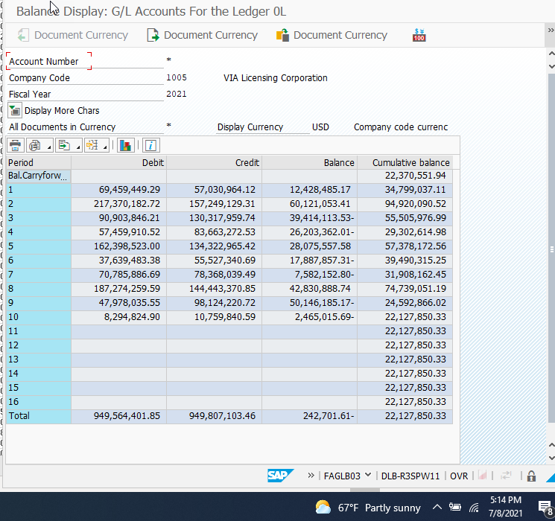
110020-110030-110040-110042-110070-110080
Period | Debit | Credit | Balance | Cumulative balance
Bal.Carryforward | 0.00 | 0.00 | 0.00 | 22,370,551.94
001 | 69,459,449.29 | 57,030,964.12 | 12,428,485.17 | 34,799,037.11
002 | 217,370,182.72 | 157,249,129.31 | 60,121,053.41 | 94,920,090.52
003 | 90,903,846.21 | 130,317,959.74 | -39,414,113.53 | 55,505,976.99
004 | 57,459,910.52 | 83,663,272.53 | -26,203,362.01 | 29,302,614.98
005 | 162,398,523.00 | 134,322,965.42 | 28,075,557.58 | 57,378,172.56
006 | 37,639,483.38 | 55,527,340.69 | -17,887,857.31 | 39,490,315.25
007 | 70,785,886.69 | 78,368,039.49 | -7,582,152.80 | 31,908,162.45
008 | 187,274,259.59 | 144,443,370.85 | 42,830,888.74 | 74,739,051.19
009 | 47,978,035.55 | 98,124,220.72 | -50,146,185.17 | 24,592,866.02
010 | 8,294,824.90 | 10,759,840.59 | -2,465,015.69 | 22,127,850.33
011 | 0.00 | 0.00 | 0.00 | 22,127,850.33
012 | 0.00 | 0.00 | 0.00 | 22,127,850.33
013 | 0.00 | 0.00 | 0.00 | 22,127,850.33
014 | 0.00 | 0.00 | 0.00 | 22,127,850.33
015 | 0.00 | 0.00 | 0.00 | 22,127,850.33
016 | 0.00 | 0.00 | 0.00 | 22,127,850.33
Total | 949,564,401.85 | 949,807,103.46 | -242,701.61 | 22,127,850.33

 |  |  |  |  |  | 35,703,380.63

Excluding CVO and FF AR | 3,786,934.62 | B

True AR | 20,805,931.40 | A-B

Source File :\Box\Accounting and Finance\Close\Recons\FY21\06.21\Non recons-validations
06.21 AR Aging By Roy Stmt Date

Excluding CVO and FF from sales, also excluding their AR in the AR balance

CVO | Apple | $10,589.01 |  |  | Apple Inc. | 1935 | USA | UNIFIEDAAC | M2021 |  | USD |  |  | (10,213,720.23) | payment |  | Pro rate the remaining AR among the 3 stmts
 |  |  |  |  | Apple Inc. | 1935 | USA | UNIFIEDAAC | M2021 | AAC | USD | 05/30/2021 | 05/10/2021 | 5,155,261.82 | CVO | (5,144,672.81) | 10,589.01
 | Xiaomi |  |  |  | Apple Inc. | 1935 | USA | UNIFIEDAAC | M2021 | AAC | USD | 05/30/2021 | 05/10/2021 | 1,195,076.62 |  | (1,192,621.91) | 2,454.71
 |  |  |  |  | Apple Inc. | 1935 | USA | UNIFIEDAAC | M2021 | AAC | USD | 05/30/2021 | 05/10/2021 | 3,884,404.16 |  | (3,876,425.51) | 7,978.65

FF | Lenovo- LTE | (184.45)
 | Motorola- LTE
 | Konka- LTE
 | Lenovo - AAC
 | Motorola - AAC
 | Konka -AAC
 | Haier America
 | Wistron
 | K-Tronics
 | Blu | $249,979.61
 | Samsung FF
 | Samsung PP
 | Xiaomi
 | Sichuan Changhong Network
 | Sichuan Changhong Electric | $2,187,000.00
 | Asustek MG
 | shenzhen Heyuan | $29,550.45
 | Google - VIA wireless deal | $1,310,000.00

Total CVO and FF AR |  | $3,786,934.62 | B

Q3 AR Aging
 |  | AR Aging By Roy Stmt Date

 |  | Date: 29 Jun 2021 |  |  |  |  |  |  |  |  |  |  |  |  |  | Page: 1 of 1

 |  | Time: 17:52:39 |  |  |  |  |  |  |  |  |  |  |  |  |  | User: DOLBYNET\yxchoi

 | licensee | entityid | country | Portfolio | qtr | TechMask | Cur. | Payment Due Date | Roystmtdt | Net Amount | Age In Days | age _ 0 _ 2 9 _days | age _ 3 0 _ 5 9 _days | age _ 6 0 _ 8 9 _days | age _ 9 0 _ 1 1 9 _days | age _ 1 2 0 _ 1 7 9 _days | age _ 1 8 0 _365_days | age 366 days | licensee_total_net | comments | is Cash Basis | Is Rev. | Audit | Bankruptcy | PLA Status | PLA Effective Date | PLA Expiration Date
 | ACRA Control Ltd. | 34989 | IRL | UNIFIEDAAC | D2019 | AAC | USD | 02/14/2020 | 01/21/2020 | 6.86 | 521 | 0.00 | 0.00 | 0.00 | 0.00 | 0.00 | 0.00 | 6.86 | 53.90 |  | N | Y | N | FALSE | Fully-Executed | 11/21/2017 | 11/21/2022
 | ACRA Control Ltd. | 34989 | IRL | UNIFIEDAAC | M2020 | AAC | USD | 05/15/2020 | 05/05/2020 | 0.98 | 416 | 0.00 | 0.00 | 0.00 | 0.00 | 0.00 | 0.00 | 0.98 | 0.00 |  | N | Y | N | FALSE | Fully-Executed | 11/21/2017 | 11/21/2022
 | ACRA Control Ltd. | 34989 | IRL | UNIFIEDAAC | J2020 | AAC | USD | 08/14/2020 | 07/27/2020 | 30.38 | 333 | 0.00 | 0.00 | 0.00 | 0.00 | 0.00 | 30.38 | 0.00 | 0.00 |  | N | Y | N | FALSE | Fully-Executed | 11/21/2017 | 11/21/2022
 | ACRA Control Ltd. | 34989 | IRL | UNIFIEDAAC | S2020 | AAC | USD | 11/14/2020 | 11/02/2020 | 15.68 | 235 | 0.00 | 0.00 | 0.00 | 0.00 | 0.00 | 15.68 | 0.00 | 0.00 |  | N | Y | N | FALSE | Fully-Executed | 11/21/2017 | 11/21/2022
 | AETA AUDIO SYSTEMS S.A.S. | 27497 | FRA | UNIFIEDAAC | S2018 |  | USD |  |  | -45.36 | 0 | -45.36 | 0.00 | 0.00 | 0.00 | 0.00 | 0.00 | 0.00 | 190.82 |  | N |  | N | FALSE | Fully-Executed | 03/20/2014 | 03/20/2024
 | AETA AUDIO SYSTEMS S.A.S. | 27497 | FRA | UNIFIEDAAC | D2020 | AAC | USD | 05/15/2021 | 01/04/2021 | 140.14 | 172 | 0.00 | 0.00 | 0.00 | 0.00 | 140.14 | 0.00 | 0.00 | 0.00 |  | N | Y | N | FALSE | Fully-Executed | 03/20/2014 | 03/20/2024
 | AETA AUDIO SYSTEMS S.A.S. | 27497 | FRA | UNIFIEDAAC | M2021 | AAC | USD | 05/15/2021 | 04/14/2021 | 96.04 | 72 | 0.00 | 0.00 | 96.04 | 0.00 | 0.00 | 0.00 | 0.00 | 0.00 |  | N | Y | N | FALSE | Fully-Executed | 03/20/2014 | 03/20/2024
 | Afterlive.tv Inc. | 35312 | USA | UNIFIEDAAC | M2020 | AAC | USD | 08/14/2020 | 05/06/2020 | 13,991.58 | 415 | 0.00 | 0.00 | 0.00 | 0.00 | 0.00 | 0.00 | 13,991.58 | 30,561.42 |  | N | Y | N | FALSE | Fully-Executed | 06/13/2014 | 06/13/2024
 | Afterlive.tv Inc. | 35312 | USA | UNIFIEDAAC | J2020 | AAC | USD | 08/14/2020 | 08/25/2020 | 15,470.96 | 304 | 0.00 | 0.00 | 0.00 | 0.00 | 0.00 | 15,470.96 | 0.00 | 0.00 |  | N | Y | N | FALSE | Fully-Executed | 06/13/2014 | 06/13/2024
 | Afterlive.tv Inc. | 35312 | USA | UNIFIEDAAC | S2020 | AAC | USD | 11/14/2020 | 11/17/2020 | 690.04 | 220 | 0.00 | 0.00 | 0.00 | 0.00 | 0.00 | 690.04 | 0.00 | 0.00 |  | N | Y | N | FALSE | Fully-Executed | 06/13/2014 | 06/13/2024
 | Afterlive.tv Inc. | 35312 | USA | UNIFIEDAAC | D2020 | AAC | USD | 02/14/2021 | 03/02/2021 | 408.84 | 115 | 0.00 | 0.00 | 0.00 | 408.84 | 0.00 | 0.00 | 0.00 | 0.00 |  | N | Y | N | FALSE | Fully-Executed | 06/13/2014 | 06/13/2024
 | ALCO Electronics Limited | 35365 | HKG | UNIFIEDAAC | D2020 |  | USD |  |  | -95,050.00 | 0 | -95,050.00 | 0.00 | 0.00 | 0.00 | 0.00 | 0.00 | 0.00 | 1,067,410.52 |  | N |  | Y | FALSE | Fully-Executed | 12/21/2017 | 12/21/2022
 | ALCO Electronics Limited | 35365 | HKG | UNIFIEDAAC | D2018 | AAC | USD | 02/14/2019 | 03/24/2021 | 892,066.00 | 93 | 0.00 | 0.00 | 0.00 | 892,066.00 | 0.00 | 0.00 | 0.00 | 0.00 | Payment plan - Audit new AR | N | Y | Y | FALSE | Fully-Executed | 12/21/2017 | 12/21/2022
 | ALCO Electronics Limited | 35365 | HKG | UNIFIEDAAC | M2019 | AAC | USD | 05/15/2019 | 03/24/2021 | -28,502.29 | 93 | 0.00 | 0.00 | 0.00 | -28,502.29 | 0.00 | 0.00 | 0.00 | 0.00 | Payment plan - Audit new AR | N | Y | Y | FALSE | Fully-Executed | 12/21/2017 | 12/21/2022
 | ALCO Electronics Limited | 35365 | HKG | UNIFIEDAAC | J2019 | AAC | USD | 08/14/2019 | 03/24/2021 | 50,814.60 | 93 | 0.00 | 0.00 | 0.00 | 50,814.60 | 0.00 | 0.00 | 0.00 | 0.00 | Payment plan - Audit new AR | N | Y | Y | FALSE | Fully-Executed | 12/21/2017 | 12/21/2022
 | ALCO Electronics Limited | 35365 | HKG | UNIFIEDAAC | S2019 | AAC | USD | 11/14/2019 | 03/24/2021 | -913.25 | 93 | 0.00 | 0.00 | 0.00 | -913.25 | 0.00 | 0.00 | 0.00 | 0.00 | Payment plan - Audit new AR | N | Y | Y | FALSE | Fully-Executed | 12/21/2017 | 12/21/2022
 | ALCO Electronics Limited | 35365 | HKG | UNIFIEDAAC | M2020 | AAC | USD | 05/15/2020 | 05/12/2020 | 8,349.60 | 409 | 0.00 | 0.00 | 0.00 | 0.00 | 0.00 | 0.00 | 8,349.60 | 0.00 |  | N | Y | Y | FALSE | Fully-Executed | 12/21/2017 | 12/21/2022
 | ALCO Electronics Limited | 35365 | HKG | UNIFIEDAAC | J2020 | AAC | USD | 08/14/2020 | 09/24/2020 | 92,344.42 | 274 | 0.00 | 0.00 | 0.00 | 0.00 | 0.00 | 92,344.42 | 0.00 | 0.00 |  | N | Y | Y | FALSE | Fully-Executed | 12/21/2017 | 12/21/2022
 | ALCO Electronics Limited | 35365 | HKG | UNIFIEDAAC | S2020 | AAC | USD | 11/14/2020 | 11/13/2020 | 148,301.44 | 224 | 0.00 | 0.00 | 0.00 | 0.00 | 0.00 | 148,301.44 | 0.00 | 0.00 |  | N | Y | Y | FALSE | Fully-Executed | 12/21/2017 | 12/21/2022
 | Alcorn McBride Inc. | 2655 | USA | MPEG4 | S2010 |  | USD |  |  | -790.25 | 0 | -790.25 | 0.00 | 0.00 | 0.00 | 0.00 | 0.00 | 0.00 | -767.80 |  | N |  | N | FALSE | Expired | 04/14/2008 | 04/14/2018
 | Alcorn McBride Inc. | 2655 | USA | UNIFIEDAAC | S2020 | AAC | USD | 11/14/2020 | 11/05/2020 | 22.45 | 232 | 0.00 | 0.00 | 0.00 | 0.00 | 0.00 | 22.45 | 0.00 | 0.00 |  | N | Y | N | FALSE | Fully-Executed | 05/14/2018 | 05/14/2023
 | ALGORKOREA CO. LTD. | 36824 | KOR | UNIFIEDAAC | M2021 | AAC | USD | 05/15/2021 | 04/04/2021 | 32.71 | 82 | 0.00 | 0.00 | 32.71 | 0.00 | 0.00 | 0.00 | 0.00 | 32.71 |  | N | Y | N | FALSE | Fully-Executed | 09/25/2019 | 09/25/2024
 | ALPS ALPINE CO., LTD. | 28047 | JPN | MPSLS | D2020 | SLS | USD | 05/15/2021 | 01/18/2021 | 9,488.16 | 158 | 0.00 | 0.00 | 0.00 | 0.00 | 9,488.16 | 0.00 | 0.00 | 9,556.47 | pending tax forms | N | Y | N | FALSE | Fully-Executed | 08/02/2018 | 08/02/2023
 | ALPS ALPINE CO., LTD. | 28047 | JPN | MPSLS | M2021 | SLS | USD | 05/15/2021 | 04/20/2021 | 68.31 | 66 | 0.00 | 0.00 | 68.31 | 0.00 | 0.00 | 0.00 | 0.00 | 0.00 | pending tax forms | N | Y | N | FALSE | Fully-Executed | 08/02/2018 | 08/02/2023
 | ALVIX Corporation | 31127 | JPN | UNIFIEDAAC | S2016 |  | USD |  |  | -26.11 | 0 | -26.11 | 0.00 | 0.00 | 0.00 | 0.00 | 0.00 | 0.00 | -26.11 | Prepayment on 11/16/2016 | N |  | N | FALSE | Fully-Executed | 01/28/2014 | 01/28/2024
 | Amazon.com Services, Inc. | 36618 | USA | UNIFIEDAAC | S2018 |  | USD |  |  | -7,678,051.15 | 0 | -7,678,051.15 | 0.00 | 0.00 | 0.00 | 0.00 | 0.00 | 0.00 | 1,099,148.37 |  | N |  | N | FALSE | Fully-Executed | 01/06/2017 | 01/06/2022
 | Amazon.com Services, Inc. | 36618 | USA | UNIFIEDAAC | M2021 | AAC | USD | 05/30/2021 | 05/12/2021 | 8,777,199.52 | 44 | 0.00 | 8,777,199.52 | 0.00 | 0.00 | 0.00 | 0.00 | 0.00 | 0.00 |  | N | Y | N | FALSE | Fully-Executed | 01/06/2017 | 01/06/2022
 | AmberFin Limited | 30871 | UK | UNIFIEDAAC | M2020 |  | USD |  |  | -41.16 | 0 | -41.16 | 0.00 | 0.00 | 0.00 | 0.00 | 0.00 | 0.00 | -0.27 | duplicate pmt from 5/22 to be used for future royalty | N |  | N | FALSE | Fully-Executed | 02/23/2015 | 02/23/2025
 | AmberFin Limited | 30871 | UK | UNIFIEDAAC | S2020 |  | USD |  |  | 40.89 | 0 | 40.89 | 0.00 | 0.00 | 0.00 | 0.00 | 0.00 | 0.00 | 0.00 |  | N |  | N | FALSE | Fully-Executed | 02/23/2015 | 02/23/2025
 | Amino Communications Limited | 18627 | UK | UNIFIEDAAC | J2014 |  | USD | 08/14/2014 | 06/21/2018 | 320.88 | 1,100 | 0.00 | 0.00 | 0.00 | 0.00 | 0.00 | 0.00 | 320.88 | 2,206.13 |  | N | Y | N | FALSE | Fully-Executed | 12/20/2018 | 12/20/2023
 | Amino Communications Limited | 18627 | UK | UNIFIEDAAC | S2014 |  | USD | 11/14/2014 | 06/21/2018 | 162.94 | 1,100 | 0.00 | 0.00 | 0.00 | 0.00 | 0.00 | 0.00 | 162.94 | 0.00 |  | N | Y | N | FALSE | Fully-Executed | 12/20/2018 | 12/20/2023
 | Amino Communications Limited | 18627 | UK | UNIFIEDAAC | D2014 |  | USD | 02/14/2015 | 06/21/2018 | 226.74 | 1,100 | 0.00 | 0.00 | 0.00 | 0.00 | 0.00 | 0.00 | 226.74 | 0.00 |  | N | Y | N | FALSE | Fully-Executed | 12/20/2018 | 12/20/2023
 | Amino Communications Limited | 18627 | UK | UNIFIEDAAC | M2015 |  | USD | 05/15/2015 | 06/21/2018 | 68.24 | 1,100 | 0.00 | 0.00 | 0.00 | 0.00 | 0.00 | 0.00 | 68.24 | 0.00 |  | N | Y | N | FALSE | Fully-Executed | 12/20/2018 | 12/20/2023
 | Amino Communications Limited | 18627 | UK | UNIFIEDAAC | J2015 |  | USD | 08/14/2015 | 06/21/2018 | 186.66 | 1,100 | 0.00 | 0.00 | 0.00 | 0.00 | 0.00 | 0.00 | 186.66 | 0.00 |  | N | Y | N | FALSE | Fully-Executed | 12/20/2018 | 12/20/2023
 | Amino Communications Limited | 18627 | UK | UNIFIEDAAC | S2015 |  | USD | 11/14/2015 | 06/21/2018 | 219.07 | 1,100 | 0.00 | 0.00 | 0.00 | 0.00 | 0.00 | 0.00 | 219.07 | 0.00 |  | N | Y | N | FALSE | Fully-Executed | 12/20/2018 | 12/20/2023
 | Amino Communications Limited | 18627 | UK | UNIFIEDAAC | D2015 |  | USD | 02/14/2016 | 06/21/2018 | 209.58 | 1,100 | 0.00 | 0.00 | 0.00 | 0.00 | 0.00 | 0.00 | 209.58 | 0.00 |  | N | Y | N | FALSE | Fully-Executed | 12/20/2018 | 12/20/2023
 | Amino Communications Limited | 18627 | UK | UNIFIEDAAC | M2016 |  | USD | 05/15/2016 | 06/21/2018 | 151.36 | 1,100 | 0.00 | 0.00 | 0.00 | 0.00 | 0.00 | 0.00 | 151.36 | 0.00 |  | N | Y | N | FALSE | Fully-Executed | 12/20/2018 | 12/20/2023
 | Amino Communications Limited | 18627 | UK | UNIFIEDAAC | J2016 |  | USD | 08/14/2016 | 06/21/2018 | 336.66 | 1,100 | 0.00 | 0.00 | 0.00 | 0.00 | 0.00 | 0.00 | 336.66 | 0.00 |  | N | Y | N | FALSE | Fully-Executed | 12/20/2018 | 12/20/2023
 | Amino Communications Limited | 18627 | UK | UNIFIEDAAC | S2016 |  | USD | 11/14/2016 | 06/21/2018 | 324.00 | 1,100 | 0.00 | 0.00 | 0.00 | 0.00 | 0.00 | 0.00 | 324.00 | 0.00 |  | N | Y | N | FALSE | Fully-Executed | 12/20/2018 | 12/20/2023
 | Amino Technologies (HK) Limite | 34245 | HKG | UNIFIEDAAC | S2019 |  | USD |  |  | -6,830.18 | 0 | -6,830.18 | 0.00 | 0.00 | 0.00 | 0.00 | 0.00 | 0.00 | -6,830.18 |  | N |  | N | FALSE | Post Expired | 06/19/2013 | 06/19/2018
 | AmTRAN Technology Co., Ltd | 31228 | TWN | UNIFIEDAAC | M2021 | AAC | USD | 05/15/2021 | 04/28/2021 | 9,506.63 | 58 | 0.00 | 9,506.63 | 0.00 | 0.00 | 0.00 | 0.00 | 0.00 | 9,506.63 |  | N | Y | N | FALSE | Fully-Executed | 07/06/2014 | 07/06/2024
 | AMX, LLC | 22399 | USA | MPEG4 | M2021 |  | USD |  |  | -28,008.00 | 0 | -28,008.00 | 0.00 | 0.00 | 0.00 | 0.00 | 0.00 | 0.00 | -28,008.00 |  | N |  | N | FALSE | Fully-Executed | 12/01/2003 | 12/01/2023
 | Antik Technology s.r.o. | 33413 | SLK | UNIFIEDAAC | M2021 | AAC | USD | 05/15/2021 | 04/12/2021 | 4,018.00 | 74 | 0.00 | 0.00 | 4,018.00 | 0.00 | 0.00 | 0.00 | 0.00 | 4,018.00 |  | N | Y | Y | FALSE | Fully-Executed | 09/30/2015 | 09/30/2025
 | Antonio International Limited | 36940 | HKG | UNIFIEDAAC | S2020 | AAC | USD | 02/13/2021 | 10/22/2020 | 1,889.69 | 246 | 0.00 | 0.00 | 0.00 | 0.00 | 0.00 | 1,889.69 | 0.00 | 1,889.69 |  | N | Y | N | FALSE | Fully-Executed | 02/24/2020 | 02/24/2025
 | ANYWARE VIDEO | 31937 | FRA | UNIFIEDAAC | J2011 |  | USD |  |  | -183.50 | 0 | -183.50 | 0.00 | 0.00 | 0.00 | 0.00 | 0.00 | 0.00 | -177.63 | remaining overpayment from 9/16/2011 | N |  | N | FALSE | Fully-Executed | 08/18/2009 | 08/18/2024
 | ANYWARE VIDEO | 31937 | FRA | UNIFIEDAAC | D2017 |  | USD |  |  | 5.87 | 0 | 5.87 | 0.00 | 0.00 | 0.00 | 0.00 | 0.00 | 0.00 | 0.00 |  | N |  | N | FALSE | Fully-Executed | 08/18/2009 | 08/18/2024
 | APOGEE International Limited | 35601 | HKG | UNIFIEDAAC | M2021 | AAC | USD | 05/15/2021 | 04/26/2021 | 2,078.31 | 60 | 0.00 | 0.00 | 2,078.31 | 0.00 | 0.00 | 0.00 | 0.00 | 2,078.31 |  | N | Y | N | FALSE | Fully-Executed | 09/22/2015 | 09/22/2025
 | Apple Inc. | 1935 | USA | UNIFIEDAAC | M2021 |  | USD |  |  | -10,213,720.23 | 0 | -10,213,720.23 | 0.00 | 0.00 | 0.00 | 0.00 | 0.00 | 0.00 | 21,022.37 |  | N |  | N | FALSE | Fully-Executed | 12/22/2013 | 12/22/2023
CVO FF | Apple Inc. | 1935 | USA | UNIFIEDAAC | M2021 | AAC | USD | 05/30/2021 | 05/10/2021 | 5,155,261.82 | 46 | 0.00 | 5,155,261.82 | 0.00 | 0.00 | 0.00 | 0.00 | 0.00 | 0.00 |  | N | N | N | FALSE | Fully-Executed | 12/22/2013 | 12/22/2023
 | Apple Inc. | 1935 | USA | UNIFIEDAAC | M2021 | AAC | USD | 05/30/2021 | 05/10/2021 | 1,195,076.62 | 46 | 0.00 | 1,195,076.62 | 0.00 | 0.00 | 0.00 | 0.00 | 0.00 | 0.00 |  | N | Y | N | FALSE | Fully-Executed | 12/22/2013 | 12/22/2023
 | Apple Inc. | 1935 | USA | UNIFIEDAAC | M2021 | AAC | USD | 05/30/2021 | 05/10/2021 | 3,884,404.16 | 46 | 0.00 | 3,884,404.16 | 0.00 | 0.00 | 0.00 | 0.00 | 0.00 | 0.00 |  | N | Y | N | FALSE | Fully-Executed | 12/22/2013 | 12/22/2023
 | APT Ltd | 30421 | UK | UNIFIEDAAC | M2020 | AAC | USD | 08/14/2020 | 04/03/2020 | 83.28 | 448 | 0.00 | 0.00 | 0.00 | 0.00 | 0.00 | 0.00 | 83.28 | 191.06 |  | N | Y | N | FALSE | Superseded | 06/04/2014 | 06/04/2024
 | APT Ltd | 30421 | UK | UNIFIEDAAC | J2020 | AAC | USD | 08/14/2020 | 07/22/2020 | 107.78 | 338 | 0.00 | 0.00 | 0.00 | 0.00 | 0.00 | 107.78 | 0.00 | 0.00 |  | N | Y | N | FALSE | Superseded | 06/04/2014 | 06/04/2024
 | Aptiv Electronics (Suzhou) Co. | 33248 | CHI | UNIFIEDAAC | J2011 | AAC | USD | 08/14/2011 | 03/26/2021 | 0.03 | 91 | 0.00 | 0.00 | 0.00 | 0.03 | 0.00 | 0.00 | 0.00 | 122,264.29 |  | N | Y | N | FALSE | Fully-Executed | 11/15/2016 | 11/15/2021
 | Aptiv Electronics (Suzhou) Co. | 33248 | CHI | UNIFIEDAAC | J2013 | AAC | USD | 08/14/2013 | 03/26/2021 | 0.01 | 91 | 0.00 | 0.00 | 0.00 | 0.01 | 0.00 | 0.00 | 0.00 | 0.00 |  | N | Y | N | FALSE | Fully-Executed | 11/15/2016 | 11/15/2021
 | Aptiv Electronics (Suzhou) Co. | 33248 | CHI | UNIFIEDAAC | M2021 | AAC | USD | 05/15/2021 | 04/30/2021 | 6,618.96 | 56 | 0.00 | 6,618.96 | 0.00 | 0.00 | 0.00 | 0.00 | 0.00 | 0.00 |  | N | Y | N | FALSE | Fully-Executed | 11/15/2016 | 11/15/2021
 | Aptiv Electronics (Suzhou) Co. | 33248 | CHI | UNIFIEDAAC | M2021 | AAC | USD | 05/15/2021 | 04/30/2021 | 115,645.29 | 56 | 0.00 | 115,645.29 | 0.00 | 0.00 | 0.00 | 0.00 | 0.00 | 0.00 |  | N | Y | N | FALSE | Fully-Executed | 11/15/2016 | 11/15/2021
 | Arcelik AS | 34639 | TUR | UNIFIEDAAC | S2020 | AAC | USD | 11/14/2020 | 10/30/2020 | 219,833.84 | 238 | 0.00 | 0.00 | 0.00 | 0.00 | 0.00 | 219,833.84 | 0.00 | 539,046.72 |  | N | Y | Y | FALSE | Fully-Executed | 05/16/2017 | 05/16/2022
 | Arcelik AS | 34639 | TUR | UNIFIEDAAC | M2021 | AAC | USD | 05/15/2021 | 04/29/2021 | 319,212.88 | 57 | 0.00 | 319,212.88 | 0.00 | 0.00 | 0.00 | 0.00 | 0.00 | 0.00 |  | N | Y | Y | FALSE | Fully-Executed | 05/16/2017 | 05/16/2022
 | Archos S.A. | 27742 | FRA | UNIFIEDAAC | J2019 |  | USD |  |  | -94,671.52 | 0 | -94,671.52 | 0.00 | 0.00 | 0.00 | 0.00 | 0.00 | 0.00 | 286,022.08 | Payment plan - Existing AR | Y |  | N | FALSE | Fully-Executed | 11/15/2018 | 11/15/2023
 | Archos S.A. | 27742 | FRA | UNIFIEDAAC | D2019 | AAC | USD | 02/14/2020 | 02/03/2020 | 187,066.84 | 508 | 0.00 | 0.00 | 0.00 | 0.00 | 0.00 | 0.00 | 187,066.84 | 0.00 | Payment plan - Existing AR | Y | Y | N | FALSE | Fully-Executed | 11/15/2018 | 11/15/2023
 | Archos S.A. | 27742 | FRA | UNIFIEDAAC | M2020 | AAC | USD | 05/15/2020 | 06/22/2020 | 39,087.29 | 368 | 0.00 | 0.00 | 0.00 | 0.00 | 0.00 | 0.00 | 39,087.29 | 0.00 | Payment plan - Existing AR | Y | N | N | FALSE | Fully-Executed | 11/15/2018 | 11/15/2023
 | Archos S.A. | 27742 | FRA | UNIFIEDAAC | J2020 | AAC | USD | 08/14/2020 | 11/06/2020 | 33,465.65 | 231 | 0.00 | 0.00 | 0.00 | 0.00 | 0.00 | 33,465.65 | 0.00 | 0.00 |  | Y | N | N | FALSE | Fully-Executed | 11/15/2018 | 11/15/2023
 | Archos S.A. | 27742 | FRA | UNIFIEDAAC | S2020 | AAC | USD | 11/14/2020 | 11/06/2020 | 61,776.95 | 231 | 0.00 | 0.00 | 0.00 | 0.00 | 0.00 | 61,776.95 | 0.00 | 0.00 |  | Y | N | N | FALSE | Fully-Executed | 11/15/2018 | 11/15/2023
 | Archos S.A. | 27742 | FRA | UNIFIEDAAC | D2020 | AAC | USD | 02/14/2021 | 02/17/2021 | 59,296.87 | 128 | 0.00 | 0.00 | 0.00 | 0.00 | 59,296.87 | 0.00 | 0.00 | 0.00 |  | Y | N | N | FALSE | Fully-Executed | 11/15/2018 | 11/15/2023
 | ARWINJAPAN Inc. | 34848 | JPN | UNIFIEDAAC | D2020 | AAC | USD | 05/15/2021 | 01/28/2021 | 294.37 | 148 | 0.00 | 0.00 | 0.00 | 0.00 | 294.37 | 0.00 | 0.00 | 294.37 |  | N | Y | N | FALSE | Fully-Executed | 03/30/2017 | 03/30/2022
 | Ashampoo GmbH & Co. KG | 26152 | GER | UNIFIEDAAC | M2021 | AAC | USD | 05/15/2021 | 04/21/2021 | 572.53 | 65 | 0.00 | 0.00 | 572.53 | 0.00 | 0.00 | 0.00 | 0.00 | 24,152.02 |  | N | Y | Y | FALSE | Fully-Executed | 10/21/2010 | 10/21/2025
 | Ashampoo GmbH & Co. KG | 26152 | GER | UNIFIEDAAC | M2021 | AAC | USD | 05/15/2021 | 04/21/2021 | 24,136.87 | 65 | 0.00 | 0.00 | 24,136.87 | 0.00 | 0.00 | 0.00 | 0.00 | 0.00 |  | N | Y | Y | FALSE | Fully-Executed | 10/21/2010 | 10/21/2025
 | Ashampoo GmbH & Co. KG | 26152 | GER | UNIFIEDAAC | M2021 |  | USD | 05/15/2021 | 06/24/2021 | 2.83 | 1 | 2.83 | 0.00 | 0.00 | 0.00 | 0.00 | 0.00 | 0.00 | 0.00 |  | N | Y | Y | FALSE | Fully-Executed | 10/21/2010 | 10/21/2025
 | Ashampoo GmbH & Co. KG | 26152 | GER | UNIFIEDAAC | M2021 |  | USD | 05/15/2021 | 06/24/2021 | 119.11 | 1 | 119.11 | 0.00 | 0.00 | 0.00 | 0.00 | 0.00 | 0.00 | 0.00 |  | N | Y | Y | FALSE | Fully-Executed | 10/21/2010 | 10/21/2025
 | Ashampoo GmbH & Co. KG | 26152 | GER | UNIFIEDAAC | M2021 | AAC | USD | 05/15/2021 | 06/24/2021 | -15.74 | 1 | -15.74 | 0.00 | 0.00 | 0.00 | 0.00 | 0.00 | 0.00 | 0.00 |  | N | Y | Y | FALSE | Fully-Executed | 10/21/2010 | 10/21/2025
 | Ashampoo GmbH & Co. KG | 26152 | GER | UNIFIEDAAC | M2021 | AAC | USD | 05/15/2021 | 06/24/2021 | -663.58 | 1 | -663.58 | 0.00 | 0.00 | 0.00 | 0.00 | 0.00 | 0.00 | 0.00 |  | N | Y | Y | FALSE | Fully-Executed | 10/21/2010 | 10/21/2025
 | ASKEY Computer Corporation | 19247 | TWN | UNIFIEDAAC | D2019 | AAC | USD | 02/14/2020 | 02/12/2020 | 58,880.80 | 499 | 0.00 | 0.00 | 0.00 | 0.00 | 0.00 | 0.00 | 58,880.80 | 978,852.71 |  | N | Y | N | FALSE | Fully-Executed | 01/15/2015 | 01/15/2025
 | ASKEY Computer Corporation | 19247 | TWN | UNIFIEDAAC | M2020 | AAC | USD | 05/15/2020 | 04/29/2020 | 17,450.46 | 422 | 0.00 | 0.00 | 0.00 | 0.00 | 0.00 | 0.00 | 17,450.46 | 0.00 |  | N | Y | N | FALSE | Fully-Executed | 01/15/2015 | 01/15/2025
 | ASKEY Computer Corporation | 19247 | TWN | UNIFIEDAAC | M2020 | AAC | USD | 05/15/2020 | 04/29/2020 | 2,660.78 | 422 | 0.00 | 0.00 | 0.00 | 0.00 | 0.00 | 0.00 | 2,660.78 | 0.00 |  | N | Y | N | FALSE | Fully-Executed | 01/15/2015 | 01/15/2025
 | ASKEY Computer Corporation | 19247 | TWN | UNIFIEDAAC | J2020 | AAC | USD | 08/14/2020 | 04/29/2021 | 66.96 | 57 | 0.00 | 66.96 | 0.00 | 0.00 | 0.00 | 0.00 | 0.00 | 0.00 |  | N | Y | N | FALSE | Fully-Executed | 01/15/2015 | 01/15/2025
 | ASKEY Computer Corporation | 19247 | TWN | UNIFIEDAAC | J2020 | AAC | USD | 08/14/2020 | 04/29/2021 | 76,704.31 | 57 | 0.00 | 76,704.31 | 0.00 | 0.00 | 0.00 | 0.00 | 0.00 | 0.00 |  | N | Y | N | FALSE | Fully-Executed | 01/15/2015 | 01/15/2025
 | ASKEY Computer Corporation | 19247 | TWN | UNIFIEDAAC | S2020 | AAC | USD | 11/14/2020 | 04/29/2021 | 230,102.55 | 57 | 0.00 | 230,102.55 | 0.00 | 0.00 | 0.00 | 0.00 | 0.00 | 0.00 |  | N | Y | N | FALSE | Fully-Executed | 01/15/2015 | 01/15/2025
 | ASKEY Computer Corporation | 19247 | TWN | UNIFIEDAAC | S2020 | AAC | USD | 11/14/2020 | 04/29/2021 | 88,391.21 | 57 | 0.00 | 88,391.21 | 0.00 | 0.00 | 0.00 | 0.00 | 0.00 | 0.00 |  | N | Y | N | FALSE | Fully-Executed | 01/15/2015 | 01/15/2025
 | ASKEY Computer Corporation | 19247 | TWN | UNIFIEDAAC | D2020 | AAC | USD | 02/14/2021 | 04/29/2021 | 8,105.17 | 57 | 0.00 | 8,105.17 | 0.00 | 0.00 | 0.00 | 0.00 | 0.00 | 0.00 |  | N | Y | N | FALSE | Fully-Executed | 01/15/2015 | 01/15/2025
 | ASKEY Computer Corporation | 19247 | TWN | UNIFIEDAAC | D2020 | AAC | USD | 02/14/2021 | 04/29/2021 | 93,818.68 | 57 | 0.00 | 93,818.68 | 0.00 | 0.00 | 0.00 | 0.00 | 0.00 | 0.00 |  | N | Y | N | FALSE | Fully-Executed | 01/15/2015 | 01/15/2025
 | ASKEY Computer Corporation | 19247 | TWN | UNIFIEDAAC | M2021 | AAC | USD | 05/15/2021 | 06/09/2021 | 208,595.29 | 16 | 208,595.29 | 0.00 | 0.00 | 0.00 | 0.00 | 0.00 | 0.00 | 0.00 |  | N | Y | N | FALSE | Fully-Executed | 01/15/2015 | 01/15/2025
 | ASKEY Computer Corporation | 19247 | TWN | UNIFIEDAAC | M2021 | AAC | USD | 05/15/2021 | 06/09/2021 | 194,076.50 | 16 | 194,076.50 | 0.00 | 0.00 | 0.00 | 0.00 | 0.00 | 0.00 | 0.00 |  | N | Y | N | FALSE | Fully-Executed | 01/15/2015 | 01/15/2025
 | ASUKA Autotronics Inc. | 35462 | TWN | UNIFIEDAAC | D2020 | AAC | USD | 05/15/2021 | 01/26/2021 | 1,380.37 | 150 | 0.00 | 0.00 | 0.00 | 0.00 | 1,380.37 | 0.00 | 0.00 | 2,868.94 |  | N | Y | N | FALSE | Fully-Executed | 11/11/2020 | 11/11/2025
 | ASUKA Autotronics Inc. | 35462 | TWN | UNIFIEDAAC | M2021 | AAC | USD | 05/15/2021 | 04/27/2021 | 1,488.57 | 59 | 0.00 | 1,488.57 | 0.00 | 0.00 | 0.00 | 0.00 | 0.00 | 0.00 |  | N | Y | N | FALSE | Fully-Executed | 11/11/2020 | 11/11/2025
 | ATEME S.A. | 31632 | FRA | UNIFIEDAAC | M2021 | AAC | USD | 05/15/2021 | 05/10/2021 | 1,329.65 | 46 | 0.00 | 1,329.65 | 0.00 | 0.00 | 0.00 | 0.00 | 0.00 | 1,329.65 |  | N | Y | Y | FALSE | Fully-Executed | 04/29/2014 | 04/29/2024
 | Atrust Computer Corp. | 35037 | TWN | UNIFIEDAAC | S2020 |  | USD |  |  | -79,006.58 | 0 | -79,006.58 | 0.00 | 0.00 | 0.00 | 0.00 | 0.00 | 0.00 | -73,774.78 |  | N |  | N | FALSE | Fully-Executed | 06/23/2015 | 06/23/2025
 | Atrust Computer Corp. | 35037 | TWN | UNIFIEDAAC | D2020 |  | USD |  |  | 5,231.80 | 0 | 5,231.80 | 0.00 | 0.00 | 0.00 | 0.00 | 0.00 | 0.00 | 0.00 |  | N |  | N | FALSE | Fully-Executed | 06/23/2015 | 06/23/2025
 | ATX Networks (San Diego) Corp. | 35761 | USA | UNIFIEDAAC | M2020 | AAC | USD | 05/15/2020 | 08/11/2020 | 31.84 | 318 | 0.00 | 0.00 | 0.00 | 0.00 | 0.00 | 31.84 | 0.00 | 74.87 |  | N | Y | N | FALSE | Expired | 05/10/2016 | 05/10/2021
 | ATX Networks (San Diego) Corp. | 35761 | USA | UNIFIEDAAC | J2020 | AAC | USD | 08/14/2020 | 08/11/2020 | 24.00 | 318 | 0.00 | 0.00 | 0.00 | 0.00 | 0.00 | 24.00 | 0.00 | 0.00 |  | N | Y | N | FALSE | Expired | 05/10/2016 | 05/10/2021
 | ATX Networks (San Diego) Corp. | 35761 | USA | UNIFIEDAAC | M2021 | AAC | USD | 05/15/2021 | 06/22/2021 | 19.03 | 3 | 19.03 | 0.00 | 0.00 | 0.00 | 0.00 | 0.00 | 0.00 | 0.00 |  | N | Y | N | FALSE | Expired | 05/10/2016 | 05/10/2021
 | Audio Partnership PLC | 31930 | UK | UNIFIEDAAC | M2021 | AAC | USD | 05/15/2021 | 05/28/2021 | 25,096.58 | 28 | 25,096.58 | 0.00 | 0.00 | 0.00 | 0.00 | 0.00 | 0.00 | 25,096.58 |  | N | Y | N | FALSE | Fully-Executed | 08/24/2014 | 08/24/2024
 | Avaya Inc. | 28096 | USA | UNIFIEDAAC | S2020 | AAC | USD | 11/29/2020 | 10/29/2020 | 7,523.14 | 239 | 0.00 | 0.00 | 0.00 | 0.00 | 0.00 | 7,523.14 | 0.00 | 18,227.62 |  | N | Y | Y | FALSE | Fully-Executed | 02/10/2016 | 02/10/2026
 | Avaya Inc. | 28096 | USA | UNIFIEDAAC | D2020 | AAC | USD | 03/01/2021 | 01/22/2021 | 4,490.42 | 154 | 0.00 | 0.00 | 0.00 | 0.00 | 4,490.42 | 0.00 | 0.00 | 0.00 |  | N | Y | Y | FALSE | Fully-Executed | 02/10/2016 | 02/10/2026
 | Avaya Inc. | 28096 | USA | UNIFIEDAAC | M2021 | AAC | USD | 05/30/2021 | 04/27/2021 | 6,214.06 | 59 | 0.00 | 6,214.06 | 0.00 | 0.00 | 0.00 | 0.00 | 0.00 | 0.00 |  | N | Y | Y | FALSE | Fully-Executed | 02/10/2016 | 02/10/2026
 | AVer Information Inc. | 35808 | TWN | UNIFIEDAAC | M2021 | AAC | USD | 05/15/2021 | 05/10/2021 | 9,802.92 | 46 | 0.00 | 9,802.92 | 0.00 | 0.00 | 0.00 | 0.00 | 0.00 | 9,802.92 |  | N | Y | Y | FALSE | Fully-Executed | 07/07/2016 | 07/07/2021
 | AVerMedia TECHNOLOGIES, Inc. | 33073 | TWN | UNIFIEDAAC | D2020 | AAC | USD | 02/14/2021 | 01/31/2021 | 4,412.31 | 145 | 0.00 | 0.00 | 0.00 | 0.00 | 4,412.31 | 0.00 | 0.00 | 62,614.87 | pending tax forms | N | Y | N | FALSE | Fully-Executed | 12/06/2017 | 12/06/2022
 | AVerMedia TECHNOLOGIES, Inc. | 33073 | TWN | UNIFIEDAAC | D2020 | AAC | USD | 02/14/2021 | 01/31/2021 | 45,975.25 | 145 | 0.00 | 0.00 | 0.00 | 0.00 | 45,975.25 | 0.00 | 0.00 | 0.00 | pending tax forms | N | Y | N | FALSE | Fully-Executed | 12/06/2017 | 12/06/2022
 | AVerMedia TECHNOLOGIES, Inc. | 33073 | TWN | UNIFIEDAAC | M2021 | AAC | USD | 05/15/2021 | 04/30/2021 | 2,618.11 | 56 | 0.00 | 2,618.11 | 0.00 | 0.00 | 0.00 | 0.00 | 0.00 | 0.00 |  | N | Y | N | FALSE | Fully-Executed | 12/06/2017 | 12/06/2022
 | AVerMedia TECHNOLOGIES, Inc. | 33073 | TWN | UNIFIEDAAC | M2021 | AAC | USD | 05/15/2021 | 04/30/2021 | 9,609.20 | 56 | 0.00 | 9,609.20 | 0.00 | 0.00 | 0.00 | 0.00 | 0.00 | 0.00 |  | N | Y | N | FALSE | Fully-Executed | 12/06/2017 | 12/06/2022
 | Avid Technology, Inc. | 30739 | USA | UNIFIEDAAC | J2018 |  | USD |  |  | -62.72 | 0 | -62.72 | 0.00 | 0.00 | 0.00 | 0.00 | 0.00 | 0.00 | -278.32 | Residual from 2015Q3 credit statement | N |  | Y | FALSE | Fully-Executed | 12/22/2014 | 12/22/2024
 | Avid Technology, Inc. | 30739 | USA | UNIFIEDAAC | M2019 |  | USD |  |  | -215.60 | 0 | -215.60 | 0.00 | 0.00 | 0.00 | 0.00 | 0.00 | 0.00 | 0.00 | Credit amount from M15-7073440 &amp; S15-7073451 | N |  | Y | FALSE | Fully-Executed | 12/22/2014 | 12/22/2024
 | AwoX S.A. | 27653 | FRA | UNIFIEDAAC | J2020 | AAC | USD | 08/14/2020 | 07/15/2020 | 261.61 | 345 | 0.00 | 0.00 | 0.00 | 0.00 | 0.00 | 261.61 | 0.00 | 261.61 |  | N | Y | N | FALSE | Superseded | 09/29/2015 | 09/29/2020
 | BBright SAS | 35789 | FRA | UNIFIEDAAC | D2020 |  | USD |  |  | -0.05 | 0 | -0.05 | 0.00 | 0.00 | 0.00 | 0.00 | 0.00 | 0.00 | -0.05 |  | N |  | N | FALSE | Fully-Executed | 05/17/2016 | 05/17/2026
 | Beacon Inc. | 36328 | KOR | UNIFIEDAAC | M2021 |  | USD |  |  | -18,000.00 | 0 | -18,000.00 | 0.00 | 0.00 | 0.00 | 0.00 | 0.00 | 0.00 | 39,347.52 |  | N |  | N | FALSE | Fully-Executed | 09/25/2020 | 09/25/2025
 | Beacon Inc. | 36328 | KOR | UNIFIEDAAC | J2019 | AAC | USD | 08/14/2019 | 12/22/2020 | 2,888.56 | 185 | 0.00 | 0.00 | 0.00 | 0.00 | 0.00 | 2,888.56 | 0.00 | 0.00 | Payment plan - Existing AR | N | Y | N | FALSE | Fully-Executed | 09/25/2020 | 09/25/2025
 | Beacon Inc. | 36328 | KOR | UNIFIEDAAC | J2019 |  | USD | 08/14/2019 | 01/21/2021 | 343.91 | 155 | 0.00 | 0.00 | 0.00 | 0.00 | 343.91 | 0.00 | 0.00 | 0.00 | Payment plan - Existing AR | N | Y | N | FALSE | Fully-Executed | 09/25/2020 | 09/25/2025
 | Beacon Inc. | 36328 | KOR | UNIFIEDAAC | J2019 | AAC | USD | 08/14/2019 | 01/21/2021 | -317.38 | 155 | 0.00 | 0.00 | 0.00 | 0.00 | -317.38 | 0.00 | 0.00 | 0.00 | Payment plan - Existing AR | N | Y | N | FALSE | Fully-Executed | 09/25/2020 | 09/25/2025
 | Beacon Inc. | 36328 | KOR | UNIFIEDAAC | S2019 | AAC | USD | 11/14/2019 | 12/22/2020 | 11,554.30 | 185 | 0.00 | 0.00 | 0.00 | 0.00 | 0.00 | 11,554.30 | 0.00 | 0.00 | Payment plan - Existing AR | N | Y | N | FALSE | Fully-Executed | 09/25/2020 | 09/25/2025
 | Beacon Inc. | 36328 | KOR | UNIFIEDAAC | S2019 |  | USD | 11/14/2019 | 01/21/2021 | 1,375.57 | 155 | 0.00 | 0.00 | 0.00 | 0.00 | 1,375.57 | 0.00 | 0.00 | 0.00 | Payment plan - Existing AR | N | Y | N | FALSE | Fully-Executed | 09/25/2020 | 09/25/2025
 | Beacon Inc. | 36328 | KOR | UNIFIEDAAC | S2019 | AAC | USD | 11/14/2019 | 01/21/2021 | -1,269.51 | 155 | 0.00 | 0.00 | 0.00 | 0.00 | -1,269.51 | 0.00 | 0.00 | 0.00 | Payment plan - Existing AR | N | Y | N | FALSE | Fully-Executed | 09/25/2020 | 09/25/2025
 | Beacon Inc. | 36328 | KOR | UNIFIEDAAC | D2019 | AAC | USD | 02/14/2020 | 12/22/2020 | 6,397.74 | 185 | 0.00 | 0.00 | 0.00 | 0.00 | 0.00 | 6,397.74 | 0.00 | 0.00 | Payment plan - Existing AR | N | Y | N | FALSE | Fully-Executed | 09/25/2020 | 09/25/2025
 | Beacon Inc. | 36328 | KOR | UNIFIEDAAC | D2019 |  | USD | 02/14/2020 | 01/21/2021 | 761.69 | 155 | 0.00 | 0.00 | 0.00 | 0.00 | 761.69 | 0.00 | 0.00 | 0.00 | Payment plan - Existing AR | N | Y | N | FALSE | Fully-Executed | 09/25/2020 | 09/25/2025
 | Beacon Inc. | 36328 | KOR | UNIFIEDAAC | D2019 | AAC | USD | 02/14/2020 | 01/21/2021 | -702.95 | 155 | 0.00 | 0.00 | 0.00 | 0.00 | -702.95 | 0.00 | 0.00 | 0.00 | Payment plan - Existing AR | N | Y | N | FALSE | Fully-Executed | 09/25/2020 | 09/25/2025
 | Beacon Inc. | 36328 | KOR | UNIFIEDAAC | M2020 | AAC | USD | 05/15/2020 | 12/22/2020 | 4,621.73 | 185 | 0.00 | 0.00 | 0.00 | 0.00 | 0.00 | 4,621.73 | 0.00 | 0.00 | Payment plan - Existing AR | N | Y | N | FALSE | Fully-Executed | 09/25/2020 | 09/25/2025
 | Beacon Inc. | 36328 | KOR | UNIFIEDAAC | M2020 |  | USD | 05/15/2020 | 01/21/2021 | 550.22 | 155 | 0.00 | 0.00 | 0.00 | 0.00 | 550.22 | 0.00 | 0.00 | 0.00 | Payment plan - Existing AR | N | Y | N | FALSE | Fully-Executed | 09/25/2020 | 09/25/2025
 | Beacon Inc. | 36328 | KOR | UNIFIEDAAC | M2020 | AAC | USD | 05/15/2020 | 01/21/2021 | -507.81 | 155 | 0.00 | 0.00 | 0.00 | 0.00 | -507.81 | 0.00 | 0.00 | 0.00 | Payment plan - Existing AR | N | Y | N | FALSE | Fully-Executed | 09/25/2020 | 09/25/2025
 | Beacon Inc. | 36328 | KOR | UNIFIEDAAC | J2020 | AAC | USD | 08/14/2020 | 12/22/2020 | 52.55 | 185 | 0.00 | 0.00 | 0.00 | 0.00 | 0.00 | 52.55 | 0.00 | 0.00 | Payment plan - Existing AR | N | Y | N | FALSE | Fully-Executed | 09/25/2020 | 09/25/2025
 | Beacon Inc. | 36328 | KOR | UNIFIEDAAC | J2020 | AAC | USD | 08/14/2020 | 12/22/2020 | 13,287.45 | 185 | 0.00 | 0.00 | 0.00 | 0.00 | 0.00 | 13,287.45 | 0.00 | 0.00 | Payment plan - Existing AR | N | Y | N | FALSE | Fully-Executed | 09/25/2020 | 09/25/2025
 | Beacon Inc. | 36328 | KOR | UNIFIEDAAC | J2020 |  | USD | 08/14/2020 | 01/21/2021 | 6.26 | 155 | 0.00 | 0.00 | 0.00 | 0.00 | 6.26 | 0.00 | 0.00 | 0.00 | Payment plan - Existing AR | N | Y | N | FALSE | Fully-Executed | 09/25/2020 | 09/25/2025
 | Beacon Inc. | 36328 | KOR | UNIFIEDAAC | J2020 |  | USD | 08/14/2020 | 01/21/2021 | 1,581.90 | 155 | 0.00 | 0.00 | 0.00 | 0.00 | 1,581.90 | 0.00 | 0.00 | 0.00 | Payment plan - Existing AR | N | Y | N | FALSE | Fully-Executed | 09/25/2020 | 09/25/2025
 | Beacon Inc. | 36328 | KOR | UNIFIEDAAC | J2020 | AAC | USD | 08/14/2020 | 01/21/2021 | -1,459.94 | 155 | 0.00 | 0.00 | 0.00 | 0.00 | -1,459.94 | 0.00 | 0.00 | 0.00 | Payment plan - Existing AR | N | Y | N | FALSE | Fully-Executed | 09/25/2020 | 09/25/2025
 | Beacon Inc. | 36328 | KOR | UNIFIEDAAC | J2020 | AAC | USD | 08/14/2020 | 01/21/2021 | -5.77 | 155 | 0.00 | 0.00 | 0.00 | 0.00 | -5.77 | 0.00 | 0.00 | 0.00 | Payment plan - Existing AR | N | Y | N | FALSE | Fully-Executed | 09/25/2020 | 09/25/2025
 | Beacon Inc. | 36328 | KOR | UNIFIEDAAC | S2020 | AAC | USD | 11/14/2020 | 12/22/2020 | 18,023.57 | 185 | 0.00 | 0.00 | 0.00 | 0.00 | 0.00 | 18,023.57 | 0.00 | 0.00 | Payment plan - Existing AR | N | Y | N | FALSE | Fully-Executed | 09/25/2020 | 09/25/2025
 | Beacon Inc. | 36328 | KOR | UNIFIEDAAC | S2020 |  | USD | 11/14/2020 | 01/21/2021 | 2,145.75 | 155 | 0.00 | 0.00 | 0.00 | 0.00 | 2,145.75 | 0.00 | 0.00 | 0.00 | Payment plan - Existing AR | N | Y | N | FALSE | Fully-Executed | 09/25/2020 | 09/25/2025
 | Beacon Inc. | 36328 | KOR | UNIFIEDAAC | S2020 | AAC | USD | 11/14/2020 | 01/21/2021 | -1,980.32 | 155 | 0.00 | 0.00 | 0.00 | 0.00 | -1,980.32 | 0.00 | 0.00 | 0.00 | Payment plan - Existing AR | N | Y | N | FALSE | Fully-Executed | 09/25/2020 | 09/25/2025
 | BEWATEC Kommunikationstechnik | 35617 | GER | UNIFIEDAAC | J2017 | AAC | USD | 08/14/2017 | 07/10/2017 | 2,567.60 | 1,446 | 0.00 | 0.00 | 0.00 | 0.00 | 0.00 | 0.00 | 2,567.60 | 8,182.08 |  | N | Y | N | FALSE | Fully-Executed | 10/13/2015 | 10/13/2025
 | BEWATEC Kommunikationstechnik | 35617 | GER | UNIFIEDAAC | S2017 | AAC | USD | 11/14/2017 | 10/10/2017 | 3,282.02 | 1,354 | 0.00 | 0.00 | 0.00 | 0.00 | 0.00 | 0.00 | 3,282.02 | 0.00 |  | N | Y | N | FALSE | Fully-Executed | 10/13/2015 | 10/13/2025
 | BEWATEC Kommunikationstechnik | 35617 | GER | UNIFIEDAAC | M2018 | AAC | USD | 05/15/2018 | 04/10/2018 | 803.58 | 1,172 | 0.00 | 0.00 | 0.00 | 0.00 | 0.00 | 0.00 | 803.58 | 0.00 |  | N | Y | N | FALSE | Fully-Executed | 10/13/2015 | 10/13/2025
 | BEWATEC Kommunikationstechnik | 35617 | GER | UNIFIEDAAC | S2018 | AAC | USD | 11/14/2018 | 12/12/2018 | 1,528.88 | 926 | 0.00 | 0.00 | 0.00 | 0.00 | 0.00 | 0.00 | 1,528.88 | 0.00 |  | N | Y | N | FALSE | Fully-Executed | 10/13/2015 | 10/13/2025
CVO FF | Blu Products, Inc. | 35256 | USA | UNIFIEDAAC | D2019 |  | USD | 02/14/2020 | 04/12/2021 | 249,979.61 | 74 | 0.00 | 0.00 | 249,979.61 | 0.00 | 0.00 | 0.00 | 0.00 | 917,872.79 |  | N | N | N | FALSE | Fully-Executed | 01/01/2020 | 01/01/2025
 | Blu Products, Inc. | 35256 | USA | UNIFIEDAAC | J2020 | AAC | USD | 08/14/2020 | 08/03/2020 | 21,734.83 | 326 | 0.00 | 0.00 | 0.00 | 0.00 | 0.00 | 21,734.83 | 0.00 | 0.00 |  | N | Y | N | FALSE | Fully-Executed | 01/01/2020 | 01/01/2025
 | Blu Products, Inc. | 35256 | USA | UNIFIEDAAC | J2020 | AAC | USD | 08/14/2020 | 08/03/2020 | 97,178.65 | 326 | 0.00 | 0.00 | 0.00 | 0.00 | 0.00 | 97,178.65 | 0.00 | 0.00 |  | N | Y | N | FALSE | Fully-Executed | 01/01/2020 | 01/01/2025
 | Blu Products, Inc. | 35256 | USA | UNIFIEDAAC | S2020 | AAC | USD | 11/14/2020 | 11/10/2020 | 103,512.60 | 227 | 0.00 | 0.00 | 0.00 | 0.00 | 0.00 | 103,512.60 | 0.00 | 0.00 |  | N | Y | N | FALSE | Fully-Executed | 01/01/2020 | 01/01/2025
 | Blu Products, Inc. | 35256 | USA | UNIFIEDAAC | S2020 | AAC | USD | 11/14/2020 | 11/10/2020 | 84,777.08 | 227 | 0.00 | 0.00 | 0.00 | 0.00 | 0.00 | 84,777.08 | 0.00 | 0.00 |  | N | Y | N | FALSE | Fully-Executed | 01/01/2020 | 01/01/2025
 | Blu Products, Inc. | 35256 | USA | UNIFIEDAAC | D2020 | AAC | USD | 02/14/2021 | 02/08/2021 | 78,712.99 | 137 | 0.00 | 0.00 | 0.00 | 0.00 | 78,712.99 | 0.00 | 0.00 | 0.00 |  | N | Y | N | FALSE | Fully-Executed | 01/01/2020 | 01/01/2025
 | Blu Products, Inc. | 35256 | USA | UNIFIEDAAC | D2020 | AAC | USD | 02/14/2021 | 02/08/2021 | 76,034.86 | 137 | 0.00 | 0.00 | 0.00 | 0.00 | 76,034.86 | 0.00 | 0.00 | 0.00 |  | N | Y | N | FALSE | Fully-Executed | 01/01/2020 | 01/01/2025
 | Blu Products, Inc. | 35256 | USA | UNIFIEDAAC | M2021 | AAC | USD | 05/15/2021 | 05/19/2021 | 152,710.53 | 37 | 0.00 | 152,710.53 | 0.00 | 0.00 | 0.00 | 0.00 | 0.00 | 0.00 |  | N | Y | N | FALSE | Fully-Executed | 01/01/2020 | 01/01/2025
 | Blu Products, Inc. | 35256 | USA | UNIFIEDAAC | M2021 | AAC | USD | 05/15/2021 | 05/19/2021 | 53,231.64 | 37 | 0.00 | 53,231.64 | 0.00 | 0.00 | 0.00 | 0.00 | 0.00 | 0.00 |  | N | Y | N | FALSE | Fully-Executed | 01/01/2020 | 01/01/2025
 | Blue Jeans Network, Inc. | 35041 | USA | UNIFIEDAAC | S2020 | AAC | USD | 11/14/2020 | 10/21/2020 | 14,191.85 | 247 | 0.00 | 0.00 | 0.00 | 0.00 | 0.00 | 14,191.85 | 0.00 | 14,581.19 |  | N | Y | Y | FALSE | Fully-Executed | 04/12/2018 | 04/12/2023
 | Blue Jeans Network, Inc. | 35041 | USA | UNIFIEDAAC | D2020 | AAC | USD | 02/14/2021 | 01/31/2021 | 389.34 | 145 | 0.00 | 0.00 | 0.00 | 0.00 | 389.34 | 0.00 | 0.00 | 0.00 |  | N | Y | Y | FALSE | Fully-Executed | 04/12/2018 | 04/12/2023
 | Bluebird Inc. | 35351 | KOR | UNIFIEDAAC | J2019 | AAC | USD | 08/14/2019 | 01/02/2020 | 25,171.38 | 540 | 0.00 | 0.00 | 0.00 | 0.00 | 0.00 | 0.00 | 25,171.38 | 58,531.46 |  | N | Y | N | FALSE | Fully-Executed | 01/10/2017 | 01/10/2022
 | Bluebird Inc. | 35351 | KOR | UNIFIEDAAC | S2019 | AAC | USD | 11/14/2019 | 06/21/2020 | 7,828.28 | 369 | 0.00 | 0.00 | 0.00 | 0.00 | 0.00 | 0.00 | 7,828.28 | 0.00 |  | N | Y | N | FALSE | Fully-Executed | 01/10/2017 | 01/10/2022
 | Bluebird Inc. | 35351 | KOR | UNIFIEDAAC | D2019 | AAC | USD | 02/14/2020 | 06/21/2020 | 25,531.80 | 369 | 0.00 | 0.00 | 0.00 | 0.00 | 0.00 | 0.00 | 25,531.80 | 0.00 |  | N | Y | N | FALSE | Fully-Executed | 01/10/2017 | 01/10/2022
 | BRAINSALT MEDIA GMBH | 32047 | AUT | UNIFIEDAAC | S2014 |  | USD |  |  | -95.33 | 0 | -95.33 | 0.00 | 0.00 | 0.00 | 0.00 | 0.00 | 0.00 | -77.69 | Prepaid payment received on 11/14/2014 | N |  | N | FALSE | Fully-Executed | 09/24/2014 | 09/24/2024
 | BRAINSALT MEDIA GMBH | 32047 | AUT | UNIFIEDAAC | S2017 |  | USD |  |  | 17.64 | 0 | 17.64 | 0.00 | 0.00 | 0.00 | 0.00 | 0.00 | 0.00 | 0.00 |  | N |  | N | FALSE | Fully-Executed | 09/24/2014 | 09/24/2024
 | BrightSign, LLC | 33900 | USA | UNIFIEDAAC | M2021 | AAC | USD | 05/15/2021 | 04/22/2021 | 64,167.71 | 64 | 0.00 | 0.00 | 64,167.71 | 0.00 | 0.00 | 0.00 | 0.00 | 64,167.71 |  | N | Y | N | FALSE | Fully-Executed | 01/31/2016 | 01/31/2026
 | Bullitt Mobile Ltd | 36857 | UK | UNIFIEDAAC | J2020 | AAC | USD | 08/14/2020 | 07/29/2020 | 112,863.43 | 331 | 0.00 | 0.00 | 0.00 | 0.00 | 0.00 | 112,863.43 | 0.00 | 699,446.42 |  | Y | N | N | FALSE | Fully-Executed | 02/11/2020 | 02/11/2025
 | Bullitt Mobile Ltd | 36857 | UK | UNIFIEDAAC | S2020 | AAC | USD | 11/14/2020 | 10/28/2020 | 215,004.60 | 240 | 0.00 | 0.00 | 0.00 | 0.00 | 0.00 | 215,004.60 | 0.00 | 0.00 |  | Y | N | N | FALSE | Fully-Executed | 02/11/2020 | 02/11/2025
 | Bullitt Mobile Ltd | 36857 | UK | UNIFIEDAAC | D2020 | AAC | USD | 02/14/2021 | 01/29/2021 | 241,156.07 | 147 | 0.00 | 0.00 | 0.00 | 0.00 | 241,156.07 | 0.00 | 0.00 | 0.00 |  | Y | N | N | FALSE | Fully-Executed | 02/11/2020 | 02/11/2025
 | Bullitt Mobile Ltd | 36857 | UK | UNIFIEDAAC | M2021 | AAC | USD | 05/15/2021 | 04/30/2021 | 130,422.32 | 56 | 0.00 | 130,422.32 | 0.00 | 0.00 | 0.00 | 0.00 | 0.00 | 0.00 |  | Y | N | N | FALSE | Fully-Executed | 02/11/2020 | 02/11/2025
 | Burmester Home Audio GmbH | 36314 | GER | UNIFIEDAAC | D2020 |  | USD |  |  | -0.26 | 0 | -0.26 | 0.00 | 0.00 | 0.00 | 0.00 | 0.00 | 0.00 | -0.26 |  | N |  | Y | FALSE | Fully-Executed | 06/18/2018 | 06/18/2023
 | Busch-Jaeger Elektro GmbH | 31379 | GER | UNIFIEDAAC | J2018 |  | USD |  |  | -68.60 | 0 | -68.60 | 0.00 | 0.00 | 0.00 | 0.00 | 0.00 | 0.00 | -68.60 |  | N |  | Y | FALSE | Fully-Executed | 05/18/2021 | 05/18/2026
 | Bylo Media Inc. | 29277 | JPN | UNIFIEDAAC | J2017 |  | USD |  |  | -3,852.54 | 0 | -3,852.54 | 0.00 | 0.00 | 0.00 | 0.00 | 0.00 | 0.00 | -3,852.54 |  | N |  | N | FALSE | Fully-Executed | 03/21/2017 | 03/21/2022
 | Cabasse S.A. | 37034 | FRA | UNIFIEDAAC | M2021 | AAC | USD | 05/15/2021 | 04/26/2021 | 964.62 | 60 | 0.00 | 0.00 | 964.62 | 0.00 | 0.00 | 0.00 | 0.00 | 964.62 |  | N | Y | N | FALSE | Fully-Executed | 09/29/2015 | 09/29/2025
 | Canary Connect, Inc. | 35502 | USA | MPEG4 | M2021 | AAC Object Types | USD | 04/30/2021 | 04/23/2021 | 4,919.00 | 63 | 0.00 | 0.00 | 4,919.00 | 0.00 | 0.00 | 0.00 | 0.00 | 4,919.00 |  | N | Y | N | FALSE | Fully-Executed | 09/25/2020 | 09/25/2025
 | CANVASs Co., Ltd. | 35505 | JPN | UNIFIEDAAC | M2021 | AAC | USD | 05/15/2021 | 06/03/2021 | 41.35 | 22 | 41.35 | 0.00 | 0.00 | 0.00 | 0.00 | 0.00 | 0.00 | 41.35 |  | N | Y | N | FALSE | Fully-Executed | 06/01/2015 | 06/01/2025
 | Capella Systems, LLC | 33252 | USA | UNIFIEDAAC | D2020 |  | USD |  |  | -0.31 | 0 | -0.31 | 0.00 | 0.00 | 0.00 | 0.00 | 0.00 | 0.00 | -0.31 |  | N |  | N | FALSE | Fully-Executed | 05/20/2014 | 05/20/2024
 | CASIO COMPUTER CO., LTD. | 9022 | JPN | MPEG4 | M2020 |  | USD |  |  | 0.62 | 0 | 0.62 | 0.00 | 0.00 | 0.00 | 0.00 | 0.00 | 0.00 | 0.00 |  | N |  | N | FALSE | Fully-Executed | 04/06/2004 | 04/06/2024
 | CASIO COMPUTER CO., LTD. | 9022 | JPN | MPEG4 | J2020 |  | USD |  |  | 0.71 | 0 | 0.71 | 0.00 | 0.00 | 0.00 | 0.00 | 0.00 | 0.00 | 0.00 |  | N |  | N | FALSE | Fully-Executed | 04/06/2004 | 04/06/2024
 | CASIO COMPUTER CO., LTD. | 9022 | JPN | MPEG4 | M2020 | AAC Object Types | USD | 05/15/2020 | 11/17/2020 | -376.62 | 220 | 0.00 | 0.00 | 0.00 | 0.00 | 0.00 | -376.62 | 0.00 | 0.00 |  | N | Y | N | FALSE | Fully-Executed | 04/06/2004 | 04/06/2024
 | CASIO COMPUTER CO., LTD. | 9022 | JPN | MPEG4 | M2020 | AAC Object Types | USD | 08/14/2020 | 11/17/2020 | 376.00 | 220 | 0.00 | 0.00 | 0.00 | 0.00 | 0.00 | 376.00 | 0.00 | 0.00 |  | N | Y | N | FALSE | Fully-Executed | 04/06/2004 | 04/06/2024
 | CASIO COMPUTER CO., LTD. | 9022 | JPN | MPEG4 | J2020 | AAC Object Types | USD | 08/14/2020 | 11/17/2020 | -282.71 | 220 | 0.00 | 0.00 | 0.00 | 0.00 | 0.00 | -282.71 | 0.00 | 0.00 |  | N | Y | N | FALSE | Fully-Executed | 04/06/2004 | 04/06/2024
 | CASIO COMPUTER CO., LTD. | 9022 | JPN | MPEG4 | J2020 | AAC Object Types | USD | 08/14/2020 | 11/17/2020 | 282.00 | 220 | 0.00 | 0.00 | 0.00 | 0.00 | 0.00 | 282.00 | 0.00 | 0.00 |  | N | Y | N | FALSE | Fully-Executed | 04/06/2004 | 04/06/2024
 | CAYIN Technology Co., Ltd. | 36965 | TWN | UNIFIEDAAC | M2021 | AAC | USD | 05/15/2021 | 04/14/2021 | 23,467.59 | 72 | 0.00 | 0.00 | 23,467.59 | 0.00 | 0.00 | 0.00 | 0.00 | 23,467.59 |  | N | Y | Y | FALSE | Fully-Executed | 04/07/2020 | 04/07/2025
 | Chal-Tec GmbH | 35777 | GER | UNIFIEDAAC | S2020 | AAC | USD | 11/14/2020 | 05/17/2021 | 21,981.71 | 39 | 0.00 | 21,981.71 | 0.00 | 0.00 | 0.00 | 0.00 | 0.00 | 128,751.11 |  | N | Y | Y | FALSE | Fully-Executed | 07/07/2016 | 07/07/2026
 | Chal-Tec GmbH | 35777 | GER | UNIFIEDAAC | D2020 | AAC | USD | 02/14/2021 | 05/17/2021 | 69,431.41 | 39 | 0.00 | 69,431.41 | 0.00 | 0.00 | 0.00 | 0.00 | 0.00 | 0.00 |  | N | Y | Y | FALSE | Fully-Executed | 07/07/2016 | 07/07/2026
 | Chal-Tec GmbH | 35777 | GER | UNIFIEDAAC | M2021 | AAC | USD | 05/15/2021 | 05/17/2021 | 37,337.99 | 39 | 0.00 | 37,337.99 | 0.00 | 0.00 | 0.00 | 0.00 | 0.00 | 0.00 |  | N | Y | Y | FALSE | Fully-Executed | 07/07/2016 | 07/07/2026
 | Chord Electronics Limited | 34789 | UK | UNIFIEDAAC | J2017 |  | USD |  |  | -99.02 | 0 | -99.02 | 0.00 | 0.00 | 0.00 | 0.00 | 0.00 | 0.00 | -99.02 | Balance remaining from $100 prepayment on 8/3/2017 | N |  | N | FALSE | Fully-Executed | 07/31/2017 | 07/31/2022
 | Cisco Systems, Inc | 16091 | USA | MPEG4 | J2010 |  | USD |  |  | -4,069.99 | 0 | -4,069.99 | 0.00 | 0.00 | 0.00 | 0.00 | 0.00 | 0.00 | 124,359.23 |  | N |  | N | FALSE | Post Expired | 08/31/2005 | 08/31/2015
 | Cisco Systems, Inc | 16091 | USA | UNIFIEDAAC | J2015 |  | USD |  |  | -6,671.67 | 0 | -6,671.67 | 0.00 | 0.00 | 0.00 | 0.00 | 0.00 | 0.00 | 0.00 | Cisco Royalty Group duplicate payment | N |  | N | FALSE | Fully-Executed | 04/18/2019 | 04/18/2024
 | Cisco Systems, Inc | 16091 | USA | UNIFIEDAAC | S2018 | AAC | USD | 11/29/2018 | 05/20/2019 | 45,833.03 | 767 | 0.00 | 0.00 | 0.00 | 0.00 | 0.00 | 0.00 | 45,833.03 | 0.00 |  | N | Y | N | FALSE | Fully-Executed | 04/18/2019 | 04/18/2024
 | Cisco Systems, Inc | 16091 | USA | UNIFIEDAAC | D2018 | AAC | USD | 03/01/2019 | 05/20/2019 | 50,039.09 | 767 | 0.00 | 0.00 | 0.00 | 0.00 | 0.00 | 0.00 | 50,039.09 | 0.00 |  | N | Y | N | FALSE | Fully-Executed | 04/18/2019 | 04/18/2024
 | Cisco Systems, Inc | 16091 | USA | UNIFIEDAAC | M2019 | AAC | USD | 05/30/2019 | 05/20/2019 | 39,228.77 | 767 | 0.00 | 0.00 | 0.00 | 0.00 | 0.00 | 0.00 | 39,228.77 | 0.00 |  | N | Y | N | FALSE | Fully-Executed | 04/18/2019 | 04/18/2024
 | ClearOne, Inc. | 34923 | USA | UNIFIEDAAC | D2020 | AAC | USD | 02/14/2021 | 02/22/2021 | 133.19 | 123 | 0.00 | 0.00 | 0.00 | 0.00 | 133.19 | 0.00 | 0.00 | 133.19 |  | N | Y | N | FALSE | Fully-Executed | 02/01/2018 | 02/01/2023
 | Cloud Network Technology Singa | 37086 | SIN | UNIFIEDAAC | M2021 | AAC | USD | 05/15/2021 | 04/28/2021 | 173,699.69 | 58 | 0.00 | 173,699.69 | 0.00 | 0.00 | 0.00 | 0.00 | 0.00 | 465,861.08 |  | N | Y | N | FALSE | Fully-Executed | 02/03/2021 | 02/03/2026
 | Cloud Network Technology Singa | 37086 | SIN | UNIFIEDAAC | M2021 |  | USD | 05/15/2021 | 04/29/2021 | 292,161.39 | 57 | 0.00 | 292,161.39 | 0.00 | 0.00 | 0.00 | 0.00 | 0.00 | 0.00 |  | N | Y | N | FALSE | Fully-Executed | 02/03/2021 | 02/03/2026
 | Cobra Electronics Corporation | 31593 | USA | UNIFIEDAAC | M2021 | AAC | USD | 05/15/2021 | 06/03/2021 | 14,150.72 | 22 | 14,150.72 | 0.00 | 0.00 | 0.00 | 0.00 | 0.00 | 0.00 | 14,511.63 |  | N | Y | N | FALSE | Fully-Executed | 03/25/2020 | 03/25/2025
 | Cobra Electronics Corporation | 31593 | USA | UNIFIEDAAC | M2021 | AAC | USD | 05/15/2021 | 06/03/2021 | 360.91 | 22 | 360.91 | 0.00 | 0.00 | 0.00 | 0.00 | 0.00 | 0.00 | 0.00 |  | N | Y | N | FALSE | Fully-Executed | 03/25/2020 | 03/25/2025
 | Como Audio, Inc. | 35756 | USA | UNIFIEDAAC | D2019 | AAC | USD | 02/14/2020 | 02/02/2020 | 2,139.97 | 509 | 0.00 | 0.00 | 0.00 | 0.00 | 0.00 | 0.00 | 2,139.97 | 7,055.08 |  | N | Y | Y | FALSE | Fully-Executed | 04/25/2016 | 04/25/2026
 | Como Audio, Inc. | 35756 | USA | UNIFIEDAAC | J2020 | AAC | USD | 08/14/2020 | 08/05/2020 | 1,138.45 | 324 | 0.00 | 0.00 | 0.00 | 0.00 | 0.00 | 1,138.45 | 0.00 | 0.00 |  | N | Y | Y | FALSE | Fully-Executed | 04/25/2016 | 04/25/2026
 | Como Audio, Inc. | 35756 | USA | UNIFIEDAAC | S2020 | AAC | USD | 11/14/2020 | 10/30/2020 | 870.61 | 238 | 0.00 | 0.00 | 0.00 | 0.00 | 0.00 | 870.61 | 0.00 | 0.00 |  | N | Y | Y | FALSE | Fully-Executed | 04/25/2016 | 04/25/2026
 | Como Audio, Inc. | 35756 | USA | UNIFIEDAAC | D2020 | AAC | USD | 02/14/2021 | 02/04/2021 | 1,813.93 | 141 | 0.00 | 0.00 | 0.00 | 0.00 | 1,813.93 | 0.00 | 0.00 | 0.00 |  | N | Y | Y | FALSE | Fully-Executed | 04/25/2016 | 04/25/2026
 | Como Audio, Inc. | 35756 | USA | UNIFIEDAAC | M2021 | AAC | USD | 05/15/2021 | 04/27/2021 | 1,092.12 | 59 | 0.00 | 1,092.12 | 0.00 | 0.00 | 0.00 | 0.00 | 0.00 | 0.00 |  | N | Y | Y | FALSE | Fully-Executed | 04/25/2016 | 04/25/2026
 | Comtrend Corporation | 28449 | TWN | UNIFIEDAAC | M2020 |  | USD |  |  | 28,256.80 | 0 | 28,256.80 | 0.00 | 0.00 | 0.00 | 0.00 | 0.00 | 0.00 | 0.00 |  | N |  | N | FALSE | Expired | 05/18/2010 | 05/18/2020
 | Comtrend Corporation | 28449 | TWN | UNIFIEDAAC | D2020 |  | USD |  |  | -28,256.80 | 0 | -28,256.80 | 0.00 | 0.00 | 0.00 | 0.00 | 0.00 | 0.00 | 0.00 |  | N |  | N | FALSE | Expired | 05/18/2010 | 05/18/2020
 | Concurrent Technology (UK) Lim | 36801 | UK | UNIFIEDAAC | D2019 |  | USD |  |  | -17.61 | 0 | -17.61 | 0.00 | 0.00 | 0.00 | 0.00 | 0.00 | 0.00 | 111.64 |  | N |  | N | FALSE | Fully-Executed | 07/25/2019 | 07/25/2024
 | Concurrent Technology (UK) Lim | 36801 | UK | UNIFIEDAAC | S2019 | AAC | USD | 11/14/2019 | 02/26/2020 | 57.32 | 485 | 0.00 | 0.00 | 0.00 | 0.00 | 0.00 | 0.00 | 57.32 | 0.00 |  | N | Y | N | FALSE | Fully-Executed | 07/25/2019 | 07/25/2024
 | Concurrent Technology (UK) Lim | 36801 | UK | UNIFIEDAAC | D2019 | AAC | USD | 02/14/2020 | 02/26/2020 | 19.11 | 485 | 0.00 | 0.00 | 0.00 | 0.00 | 0.00 | 0.00 | 19.11 | 0.00 |  | N | Y | N | FALSE | Fully-Executed | 07/25/2019 | 07/25/2024
 | Concurrent Technology (UK) Lim | 36801 | UK | UNIFIEDAAC | M2020 | AAC | USD | 05/15/2020 | 04/08/2020 | 16.17 | 443 | 0.00 | 0.00 | 0.00 | 0.00 | 0.00 | 0.00 | 16.17 | 0.00 |  | N | Y | N | FALSE | Fully-Executed | 07/25/2019 | 07/25/2024
 | Concurrent Technology (UK) Lim | 36801 | UK | UNIFIEDAAC | D2020 | AAC | USD | 02/14/2021 | 02/06/2021 | 36.65 | 139 | 0.00 | 0.00 | 0.00 | 0.00 | 36.65 | 0.00 | 0.00 | 0.00 |  | N | Y | N | FALSE | Fully-Executed | 07/25/2019 | 07/25/2024
 | Continental Automotive GmbH | 32249 | GER | UNIFIEDAAC | M2021 |  | USD |  |  | -2,243.53 | 0 | -2,243.53 | 0.00 | 0.00 | 0.00 | 0.00 | 0.00 | 0.00 | 633,353.87 |  | N |  | N | FALSE | Fully-Executed | 05/05/2016 | 05/05/2026
 | Continental Automotive GmbH | 32249 | GER | UNIFIEDAAC | M2021 | AAC | USD | 05/15/2021 | 06/04/2021 | 635,597.40 | 21 | 635,597.40 | 0.00 | 0.00 | 0.00 | 0.00 | 0.00 | 0.00 | 0.00 |  | N | Y | N | FALSE | Fully-Executed | 05/05/2016 | 05/05/2026
 | Control Dynamics Pty. Ltd. | 32896 | AUS | UNIFIEDAAC | J2018 |  | USD |  |  | -9.64 | 0 | -9.64 | 0.00 | 0.00 | 0.00 | 0.00 | 0.00 | 0.00 | -9.64 | Balance remaining from prepayment on 8/24/2018 | N |  | N | FALSE | Expired | 05/04/2010 | 05/04/2020
 | Cosworth LLC | 35443 | USA | UNIFIEDAAC | S2019 |  | USD |  |  | -522.28 | 0 | -522.28 | 0.00 | 0.00 | 0.00 | 0.00 | 0.00 | 0.00 | 729.97 | Remaining credit from 2018Q3 revision | N |  | Y | FALSE | Post Expired | 09/22/2014 | 09/22/2019
 | Cosworth LLC | 35443 | USA | UNIFIEDAAC | S2014 | AAC | USD | 11/14/2014 | 06/14/2021 | 143.47 | 11 | 143.47 | 0.00 | 0.00 | 0.00 | 0.00 | 0.00 | 0.00 | 0.00 |  | N | Y | Y | FALSE | Post Expired | 09/22/2014 | 09/22/2019
 | Cosworth LLC | 35443 | USA | UNIFIEDAAC | D2015 | AAC | USD | 02/14/2016 | 06/14/2021 | 105.41 | 11 | 105.41 | 0.00 | 0.00 | 0.00 | 0.00 | 0.00 | 0.00 | 0.00 |  | N | Y | Y | FALSE | Post Expired | 09/22/2014 | 09/22/2019
 | Cosworth LLC | 35443 | USA | UNIFIEDAAC | D2016 | AAC | USD | 02/14/2017 | 06/14/2021 | -1,783.12 | 11 | -1,783.12 | 0.00 | 0.00 | 0.00 | 0.00 | 0.00 | 0.00 | 0.00 |  | N | Y | Y | FALSE | Post Expired | 09/22/2014 | 09/22/2019
 | Cosworth LLC | 35443 | USA | UNIFIEDAAC | M2017 | AAC | USD | 05/15/2017 | 06/14/2021 | -204.96 | 11 | -204.96 | 0.00 | 0.00 | 0.00 | 0.00 | 0.00 | 0.00 | 0.00 |  | N | Y | Y | FALSE | Post Expired | 09/22/2014 | 09/22/2019
 | Cosworth LLC | 35443 | USA | UNIFIEDAAC | D2017 | AAC | USD | 02/14/2018 | 06/14/2021 | 2,751.28 | 11 | 2,751.28 | 0.00 | 0.00 | 0.00 | 0.00 | 0.00 | 0.00 | 0.00 |  | N | Y | Y | FALSE | Post Expired | 09/22/2014 | 09/22/2019
 | Cosworth LLC | 35443 | USA | UNIFIEDAAC | M2018 | AAC | USD | 05/15/2018 | 06/14/2021 | -125.90 | 11 | -125.90 | 0.00 | 0.00 | 0.00 | 0.00 | 0.00 | 0.00 | 0.00 |  | N | Y | Y | FALSE | Post Expired | 09/22/2014 | 09/22/2019
 | Cosworth LLC | 35443 | USA | UNIFIEDAAC | J2018 | AAC | USD | 08/14/2018 | 06/14/2021 | -261.56 | 11 | -261.56 | 0.00 | 0.00 | 0.00 | 0.00 | 0.00 | 0.00 | 0.00 |  | N | Y | Y | FALSE | Post Expired | 09/22/2014 | 09/22/2019
 | Cosworth LLC | 35443 | USA | UNIFIEDAAC | S2018 | AAC | USD | 11/14/2018 | 06/14/2021 | -40.01 | 11 | -40.01 | 0.00 | 0.00 | 0.00 | 0.00 | 0.00 | 0.00 | 0.00 |  | N | Y | Y | FALSE | Post Expired | 09/22/2014 | 09/22/2019
 | Cosworth LLC | 35443 | USA | UNIFIEDAAC | D2018 | AAC | USD | 02/14/2019 | 06/14/2021 | 14.64 | 11 | 14.64 | 0.00 | 0.00 | 0.00 | 0.00 | 0.00 | 0.00 | 0.00 |  | N | Y | Y | FALSE | Post Expired | 09/22/2014 | 09/22/2019
 | Cosworth LLC | 35443 | USA | UNIFIEDAAC | M2019 | AAC | USD | 05/15/2019 | 06/14/2021 | 100.53 | 11 | 100.53 | 0.00 | 0.00 | 0.00 | 0.00 | 0.00 | 0.00 | 0.00 |  | N | Y | Y | FALSE | Post Expired | 09/22/2014 | 09/22/2019
 | Cosworth LLC | 35443 | USA | UNIFIEDAAC | J2019 | AAC | USD | 08/14/2019 | 06/14/2021 | 82.96 | 11 | 82.96 | 0.00 | 0.00 | 0.00 | 0.00 | 0.00 | 0.00 | 0.00 |  | N | Y | Y | FALSE | Post Expired | 09/22/2014 | 09/22/2019
 | Cosworth LLC | 35443 | USA | UNIFIEDAAC | S2019 | AAC | USD | 11/14/2019 | 06/14/2021 | -364.04 | 11 | -364.04 | 0.00 | 0.00 | 0.00 | 0.00 | 0.00 | 0.00 | 0.00 |  | N | Y | Y | FALSE | Post Expired | 09/22/2014 | 09/22/2019
 | Cosworth LLC | 35443 | USA | UNIFIEDAAC | D2019 |  | USD | 02/14/2020 | 06/14/2021 | 1,696.38 | 11 | 1,696.38 | 0.00 | 0.00 | 0.00 | 0.00 | 0.00 | 0.00 | 0.00 |  | N | Y | Y | FALSE | Post Expired | 09/22/2014 | 09/22/2019
 | Cosworth LLC | 35443 | USA | UNIFIEDAAC | D2019 |  | USD | 02/14/2020 | 06/14/2021 | -1,696.38 | 11 | -1,696.38 | 0.00 | 0.00 | 0.00 | 0.00 | 0.00 | 0.00 | 0.00 |  | N | Y | Y | FALSE | Post Expired | 09/22/2014 | 09/22/2019
 | Cosworth LLC | 35443 | USA | UNIFIEDAAC | D2019 |  | USD | 02/14/2020 | 06/14/2021 | 848.19 | 11 | 848.19 | 0.00 | 0.00 | 0.00 | 0.00 | 0.00 | 0.00 | 0.00 |  | N | Y | Y | FALSE | Post Expired | 09/22/2014 | 09/22/2019
 | Cosworth LLC | 35443 | USA | UNIFIEDAAC | D2019 | AAC | USD | 02/14/2020 | 06/14/2021 | -14.64 | 11 | -14.64 | 0.00 | 0.00 | 0.00 | 0.00 | 0.00 | 0.00 | 0.00 |  | N | Y | Y | FALSE | Post Expired | 09/22/2014 | 09/22/2019
 | Cotron Corporation | 36090 | TWN | UNIFIEDAAC | D2020 | AAC | USD | 02/14/2021 | 01/08/2021 | 50,311.79 | 168 | 0.00 | 0.00 | 0.00 | 0.00 | 50,311.79 | 0.00 | 0.00 | 75,822.93 | pending tax forms | N | Y | N | FALSE | Fully-Executed | 03/22/2017 | 03/22/2022
 | Cotron Corporation | 36090 | TWN | UNIFIEDAAC | M2021 | AAC | USD | 05/15/2021 | 04/12/2021 | 25,511.14 | 74 | 0.00 | 0.00 | 25,511.14 | 0.00 | 0.00 | 0.00 | 0.00 | 0.00 |  | N | Y | N | FALSE | Fully-Executed | 03/22/2017 | 03/22/2022
 | Creative Technology Ltd | 6376 | SIN | UNIFIEDAAC | D2020 | AAC | USD | 03/01/2021 | 06/24/2021 | 0.01 | 1 | 0.01 | 0.00 | 0.00 | 0.00 | 0.00 | 0.00 | 0.00 | 16,069.06 |  | N | Y | N | FALSE | Fully-Executed | 05/26/2009 | 05/26/2024
 | Creative Technology Ltd | 6376 | SIN | UNIFIEDAAC | M2021 | AAC | USD | 05/30/2021 | 05/12/2021 | 1,347.52 | 44 | 0.00 | 1,347.52 | 0.00 | 0.00 | 0.00 | 0.00 | 0.00 | 0.00 |  | N | Y | N | FALSE | Fully-Executed | 05/26/2009 | 05/26/2024
 | Creative Technology Ltd | 6376 | SIN | UNIFIEDAAC | M2021 | AAC | USD | 05/30/2021 | 05/12/2021 | 14,721.53 | 44 | 0.00 | 14,721.53 | 0.00 | 0.00 | 0.00 | 0.00 | 0.00 | 0.00 |  | N | Y | N | FALSE | Fully-Executed | 05/26/2009 | 05/26/2024
 | Crestron Electronics, Inc. | 33936 | USA | UNIFIEDAAC | D2020 |  | USD |  |  | -186.89 | 0 | -186.89 | 0.00 | 0.00 | 0.00 | 0.00 | 0.00 | 0.00 | -186.89 |  | N |  | N | FALSE | Fully-Executed | 03/28/2016 | 03/28/2026
 | Crown Equipment Corporation | 35596 | USA | UNIFIEDAAC | D2017 | AAC | USD | 05/15/2018 | 01/15/2018 | 148.95 | 1,257 | 0.00 | 0.00 | 0.00 | 0.00 | 0.00 | 0.00 | 148.95 | 2,165.34 |  | N | Y | N | FALSE | Fully-Executed | 03/13/2017 | 03/13/2022
 | Crown Equipment Corporation | 35596 | USA | UNIFIEDAAC | M2018 | AAC | USD | 05/15/2018 | 04/13/2018 | 127.40 | 1,169 | 0.00 | 0.00 | 0.00 | 0.00 | 0.00 | 0.00 | 127.40 | 0.00 |  | N | Y | N | FALSE | Fully-Executed | 03/13/2017 | 03/13/2022
 | Crown Equipment Corporation | 35596 | USA | UNIFIEDAAC | J2018 | AAC | USD | 08/14/2018 | 07/13/2018 | 65.66 | 1,078 | 0.00 | 0.00 | 0.00 | 0.00 | 0.00 | 0.00 | 65.66 | 0.00 |  | N | Y | N | FALSE | Fully-Executed | 03/13/2017 | 03/13/2022
 | Crown Equipment Corporation | 35596 | USA | UNIFIEDAAC | S2018 | AAC | USD | 11/14/2018 | 10/12/2018 | 280.25 | 987 | 0.00 | 0.00 | 0.00 | 0.00 | 0.00 | 0.00 | 280.25 | 0.00 |  | N | Y | N | FALSE | Fully-Executed | 03/13/2017 | 03/13/2022
 | Crown Equipment Corporation | 35596 | USA | UNIFIEDAAC | D2018 | AAC | USD | 02/14/2019 | 01/10/2019 | 60.75 | 897 | 0.00 | 0.00 | 0.00 | 0.00 | 0.00 | 0.00 | 60.75 | 0.00 |  | N | Y | N | FALSE | Fully-Executed | 03/13/2017 | 03/13/2022
 | Crown Equipment Corporation | 35596 | USA | UNIFIEDAAC | M2019 | AAC | USD | 05/15/2019 | 04/12/2019 | 128.36 | 805 | 0.00 | 0.00 | 0.00 | 0.00 | 0.00 | 0.00 | 128.36 | 0.00 |  | N | Y | N | FALSE | Fully-Executed | 03/13/2017 | 03/13/2022
 | Crown Equipment Corporation | 35596 | USA | UNIFIEDAAC | J2019 | AAC | USD | 08/14/2019 | 07/08/2019 | 282.20 | 718 | 0.00 | 0.00 | 0.00 | 0.00 | 0.00 | 0.00 | 282.20 | 0.00 |  | N | Y | N | FALSE | Fully-Executed | 03/13/2017 | 03/13/2022
 | Crown Equipment Corporation | 35596 | USA | UNIFIEDAAC | S2019 | AAC | USD | 11/14/2019 | 10/04/2019 | 739.80 | 630 | 0.00 | 0.00 | 0.00 | 0.00 | 0.00 | 0.00 | 739.80 | 0.00 |  | N | Y | N | FALSE | Fully-Executed | 03/13/2017 | 03/13/2022
 | Crown Equipment Corporation | 35596 | USA | UNIFIEDAAC | D2019 | AAC | USD | 02/14/2020 | 01/07/2020 | 72.51 | 535 | 0.00 | 0.00 | 0.00 | 0.00 | 0.00 | 0.00 | 72.51 | 0.00 |  | N | Y | N | FALSE | Fully-Executed | 03/13/2017 | 03/13/2022
 | Crown Equipment Corporation | 35596 | USA | UNIFIEDAAC | M2020 | AAC | USD | 05/15/2020 | 04/07/2020 | 186.15 | 444 | 0.00 | 0.00 | 0.00 | 0.00 | 0.00 | 0.00 | 186.15 | 0.00 |  | N | Y | N | FALSE | Fully-Executed | 03/13/2017 | 03/13/2022
 | Crown Equipment Corporation | 35596 | USA | UNIFIEDAAC | J2020 | AAC | USD | 08/14/2020 | 07/06/2020 | 29.39 | 354 | 0.00 | 0.00 | 0.00 | 0.00 | 0.00 | 29.39 | 0.00 | 0.00 |  | N | Y | N | FALSE | Fully-Executed | 03/13/2017 | 03/13/2022
 | Crown Equipment Corporation | 35596 | USA | UNIFIEDAAC | S2020 | AAC | USD | 11/14/2020 | 10/13/2020 | 0.98 | 255 | 0.00 | 0.00 | 0.00 | 0.00 | 0.00 | 0.98 | 0.00 | 0.00 |  | N | Y | N | FALSE | Fully-Executed | 03/13/2017 | 03/13/2022
 | Crown Equipment Corporation | 35596 | USA | UNIFIEDAAC | D2020 | AAC | USD | 02/14/2021 | 01/14/2021 | 6.83 | 162 | 0.00 | 0.00 | 0.00 | 0.00 | 6.83 | 0.00 | 0.00 | 0.00 |  | N | Y | N | FALSE | Fully-Executed | 03/13/2017 | 03/13/2022
 | Crown Equipment Corporation | 35596 | USA | UNIFIEDAAC | M2021 | AAC | USD | 05/15/2021 | 04/13/2021 | 36.11 | 73 | 0.00 | 0.00 | 36.11 | 0.00 | 0.00 | 0.00 | 0.00 | 0.00 |  | N | Y | N | FALSE | Fully-Executed | 03/13/2017 | 03/13/2022
 | CTECH BILISIM TEKNOLOJILERI SA | 35340 | TUR | UNIFIEDAAC | D2019 | AAC | USD | 02/14/2020 | 02/09/2021 | 42.25 | 136 | 0.00 | 0.00 | 0.00 | 0.00 | 42.25 | 0.00 | 0.00 | 50.17 |  | N | Y | N | FALSE | Fully-Executed | 09/24/2014 | 09/24/2024
 | CTECH BILISIM TEKNOLOJILERI SA | 35340 | TUR | UNIFIEDAAC | D2020 | AAC | USD | 02/14/2021 | 02/09/2021 | 7.92 | 136 | 0.00 | 0.00 | 0.00 | 0.00 | 7.92 | 0.00 | 0.00 | 0.00 |  | N | Y | N | FALSE | Fully-Executed | 09/24/2014 | 09/24/2024
 | Cubic Digital Intelligence, In | 36680 | USA | UNIFIEDAAC | M2021 | AAC | USD | 05/15/2021 | 05/10/2021 | 40.01 | 46 | 0.00 | 40.01 | 0.00 | 0.00 | 0.00 | 0.00 | 0.00 | 40.01 |  | N | Y | N | FALSE | Fully-Executed | 01/01/2019 | 04/21/2025
 | Dadandall Inc. | 36840 | JPN | UNIFIEDAAC | S2020 | AAC | USD | 11/14/2020 | 10/11/2020 | 1,641.35 | 257 | 0.00 | 0.00 | 0.00 | 0.00 | 0.00 | 1,641.35 | 0.00 | 3,725.32 |  | N | Y | N | FALSE | Fully-Executed | 01/14/2020 | 01/14/2025
 | Dadandall Inc. | 36840 | JPN | UNIFIEDAAC | D2020 | AAC | USD | 02/14/2021 | 05/27/2021 | 1,507.77 | 29 | 1,507.77 | 0.00 | 0.00 | 0.00 | 0.00 | 0.00 | 0.00 | 0.00 |  | N | Y | N | FALSE | Fully-Executed | 01/14/2020 | 01/14/2025
 | Dadandall Inc. | 36840 | JPN | UNIFIEDAAC | M2021 | AAC | USD | 05/15/2021 | 05/27/2021 | 576.20 | 29 | 576.20 | 0.00 | 0.00 | 0.00 | 0.00 | 0.00 | 0.00 | 0.00 |  | N | Y | N | FALSE | Fully-Executed | 01/14/2020 | 01/14/2025
 | Dassault Systemes SE | 34882 | FRA | UNIFIEDAAC | J2020 | AAC | USD | 08/14/2020 | 08/27/2020 | 3,115.83 | 302 | 0.00 | 0.00 | 0.00 | 0.00 | 0.00 | 3,115.83 | 0.00 | 3,115.83 |  | N | Y | N | FALSE | Fully-Executed | 03/21/2019 | 03/21/2024
 | Dejero Labs Inc. | 35891 | CAN | UNIFIEDAAC | D2019 |  | USD |  |  | -207.28 | 0 | -207.28 | 0.00 | 0.00 | 0.00 | 0.00 | 0.00 | 0.00 | 1,571.12 |  | N |  | N | FALSE | Fully-Executed | 08/29/2016 | 08/29/2021
 | Dejero Labs Inc. | 35891 | CAN | UNIFIEDAAC | S2020 | AAC | USD | 02/13/2021 | 10/28/2020 | 560.91 | 240 | 0.00 | 0.00 | 0.00 | 0.00 | 0.00 | 560.91 | 0.00 | 0.00 |  | N | Y | N | FALSE | Fully-Executed | 08/29/2016 | 08/29/2021
 | Dejero Labs Inc. | 35891 | CAN | UNIFIEDAAC | D2020 | AAC | USD | 02/14/2021 | 02/01/2021 | 885.54 | 144 | 0.00 | 0.00 | 0.00 | 0.00 | 885.54 | 0.00 | 0.00 | 0.00 |  | N | Y | N | FALSE | Fully-Executed | 08/29/2016 | 08/29/2021
...
 |  | Date: 29 Jun 2021 |  |  |  |  |  |  |  |  |  |  |  |  |  | Page: 1 of 1
 |  | Time: 17:52:39 |  |  |  |  |  |  |  |  |  |  |  |  |  | User: DOLBYNET\yxchoi
 | VODinn | 36213 | FRA | UNIFIEDAAC | D2019 | AAC | USD | 05/15/2020 | 05/04/2020 | 98.96 | 417 | 0.00 | 0.00 | 0.00 | 0.00 | 0.00 | 0.00 | 98.96 | 0.00 |  | N | Y | N | FALSE | Fully-Executed | 09/15/2017 | 09/15/2022
 | VODinn | 36213 | FRA | UNIFIEDAAC | M2020 | AAC | USD | 05/15/2020 | 05/04/2020 | 71.53 | 417 | 0.00 | 0.00 | 0.00 | 0.00 | 0.00 | 0.00 | 71.53 | 0.00 |  | N | Y | N | FALSE | Fully-Executed | 09/15/2017 | 09/15/2022
 | VOXOA Inc. | 35081 | USA | UNIFIEDAAC | D2017 |  | USD |  |  | -8.75 | 0 | -8.75 | 0.00 | 0.00 | 0.00 | 0.00 | 0.00 | 0.00 | -8.75 | Remaining Credit from S15 | N |  | N | FALSE | Post Expired | 07/02/2013 | 07/02/2018
 | Wai Hang Electronic Company Li | 35919 | HKG | UNIFIEDAAC | M2020 |  | USD |  |  | -213.61 | 0 | -213.61 | 0.00 | 0.00 | 0.00 | 0.00 | 0.00 | 0.00 | -213.61 |  | N |  | N | FALSE | Fully-Executed | 09/23/2016 | 09/23/2021
 | WATEX Co., Ltd. | 30793 | JPN | UNIFIEDAAC | J2020 | AAC | USD | 11/14/2020 | 07/05/2020 | 69.73 | 355 | 0.00 | 0.00 | 0.00 | 0.00 | 0.00 | 69.73 | 0.00 | 69.73 |  | N | Y | N | FALSE | Fully-Executed | 12/13/2018 | 12/13/2023
 | WideOrbit LLC | 33794 | USA | UNIFIEDAAC | D2020 | AAC | USD | 02/14/2021 | 01/07/2021 | 16.59 | 169 | 0.00 | 0.00 | 0.00 | 0.00 | 16.59 | 0.00 | 0.00 | 16.59 |  | N | Y | N | FALSE | Fully-Executed | 10/05/2016 | 10/05/2021
 | Wilhelm Sihn jr. GmbH & Co.KG | 35341 | GER | UNIFIEDAAC | D2015 |  | USD |  |  | -149.54 | 0 | -149.54 | 0.00 | 0.00 | 0.00 | 0.00 | 0.00 | 0.00 | 144.45 |  | N |  | N | FALSE | Fully-Executed | 08/22/2014 | 08/22/2024
 | Wilhelm Sihn jr. GmbH & Co.KG | 35341 | GER | UNIFIEDAAC | D2017 | AAC | USD | 02/14/2018 | 01/25/2018 | 293.99 | 1,247 | 0.00 | 0.00 | 0.00 | 0.00 | 0.00 | 0.00 | 293.99 | 0.00 |  | N | Y | N | FALSE | Fully-Executed | 08/22/2014 | 08/22/2024
 | WiMobilis Digital Technologies | 33870 | BRZ | UNIFIEDAAC | M2017 |  | USD |  |  | -31.99 | 0 | -31.99 | 0.00 | 0.00 | 0.00 | 0.00 | 0.00 | 0.00 | -31.99 |  | N |  | N | FALSE | Termination for Convenience | 11/13/2014
 | Wistron NeWeb Corporation | 27420 | TWN | UNIFIEDAAC | D2020 | AAC | USD | 02/14/2021 | 01/29/2021 | 167,557.47 | 147 | 0.00 | 0.00 | 0.00 | 0.00 | 167,557.47 | 0.00 | 0.00 | 190,715.10 | Pending tax forms - We provided tax forms (except for Voiceage) | N | Y | N | FALSE | Fully-Executed | 06/03/2011 | 06/03/2026
...
 |  | Date: 29 Jun 2021 |  |  |  |  |  |  |  |  |  |  |  |  |  | Page: 1 of 1
 |  | Time: 17:52:39 |  |  |  |  |  |  |  |  |  |  |  |  |  | User: DOLBYNET\yxchoi
 |  |  |  |  |  |  |  |  | LicAccTotal USD | 34,387,093.41

 |  |  |  |  |  |  |  |  | Subtotal | 34,387,093.41

 |  |  |  |  |  |  |  |  | 110040 GL USD | 34,387,093.19
 |  |  |  |  |  |  |  |  | Diff | 0.22

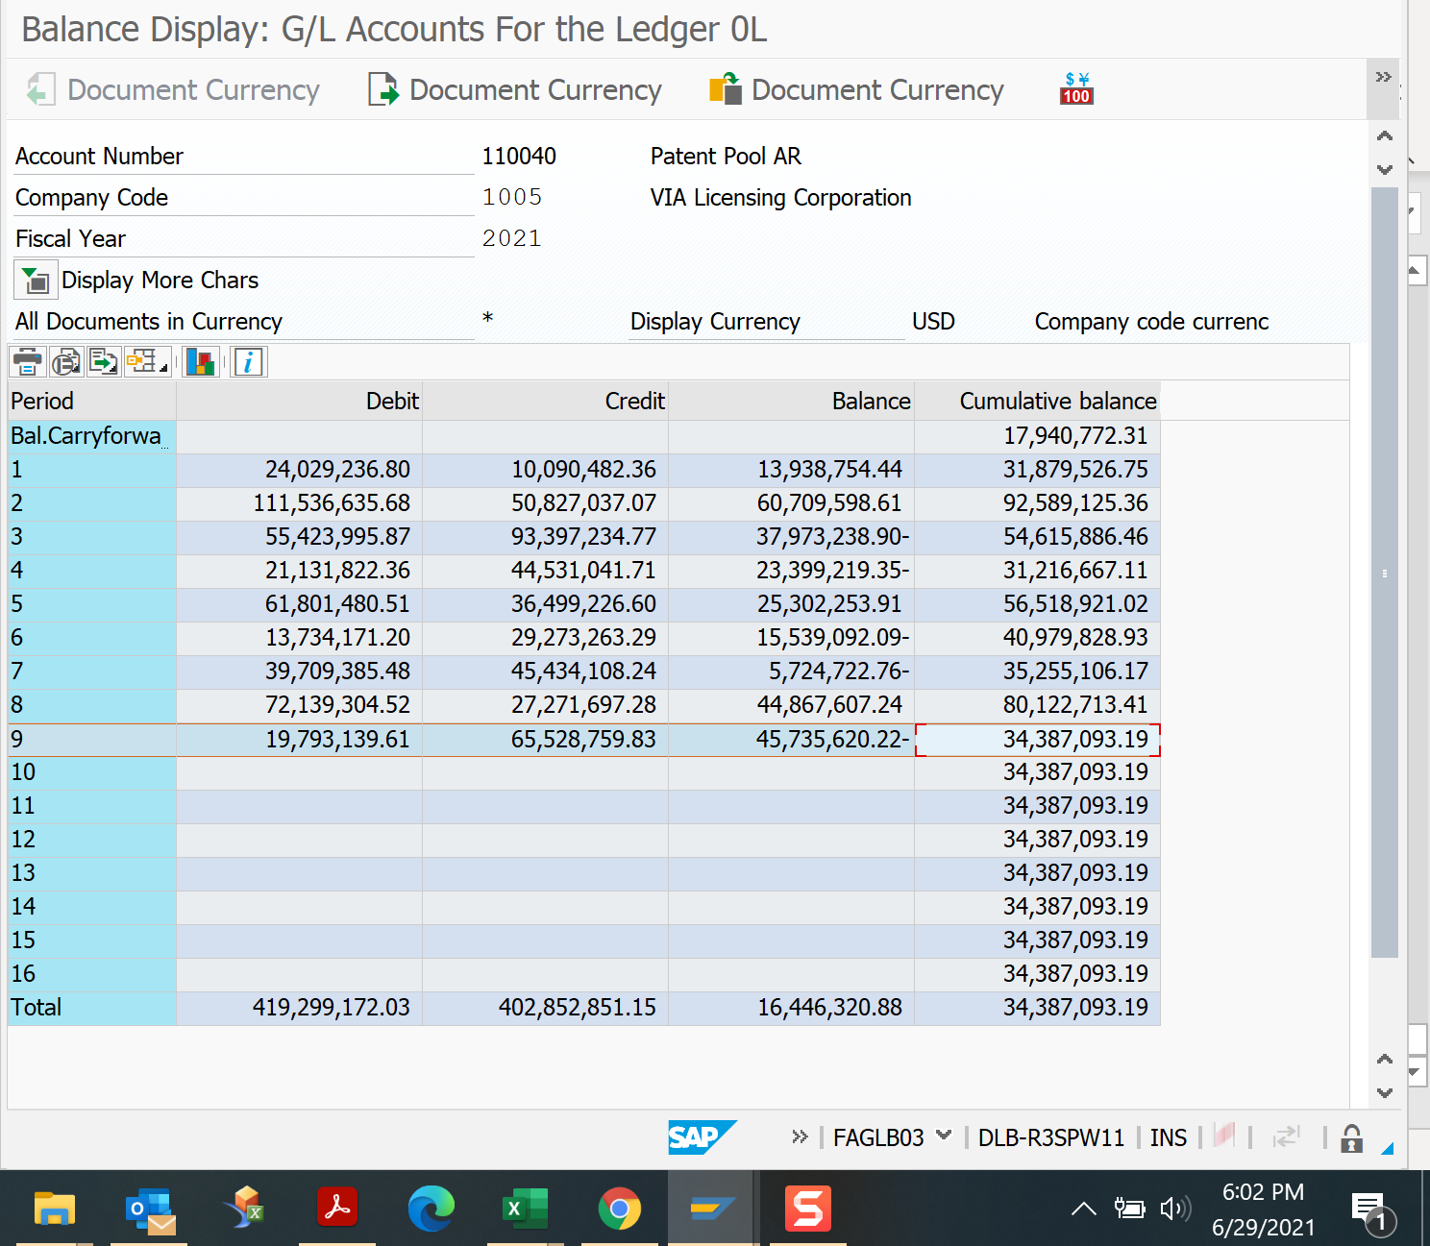

 |  |  |  |  |  |  |  |  |  |  |  | Check all periods!

Q2 AR
...
Patent Pool AR
Patent Pool AR
W/H Open Items
W/H Clearing
...
Credit | Balance | Cumulative balance
0.00 | 0.00 | 22,370,551.94
57,030,964.12 | 12,428,485.17 | 34,799,037.11
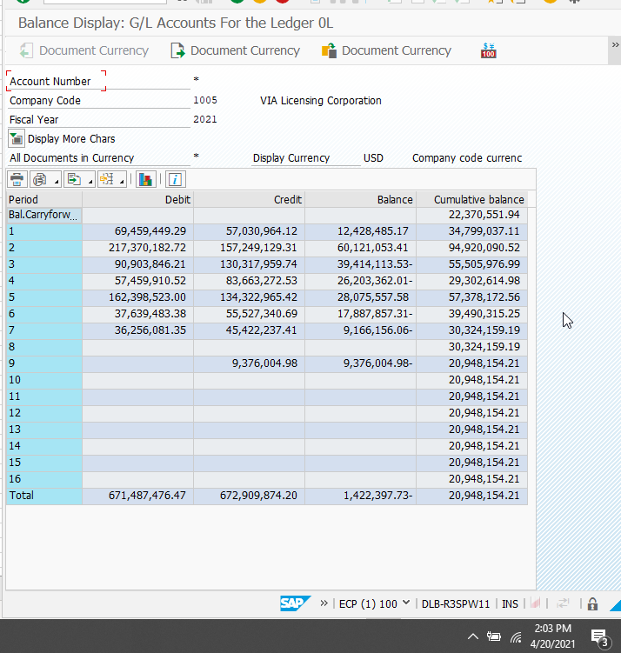
157,249,129.31 | 60,121,053.41 | 94,920,090.52
130,317,959.74 | -39,414,113.53 | 55,505,976.99
83,663,272.53 | -26,203,362.01 | 29,302,614.98
134,322,965.42 | 28,075,557.58 | 57,378,172.56
55,527,340.69 | -17,887,857.31 | 39,490,315.25
45,422,237.41 | -9,166,156.06 | 30,324,159.19
0.00 | 0.00 | 30,324,159.19
9,376,004.98 | -9,376,004.98 | 20,948,154.21
0.00 | 0.00 | 20,948,154.21
0.00 | 0.00 | 20,948,154.21
0.00 | 0.00 | 20,948,154.21
0.00 | 0.00 | 20,948,154.21
0.00 | 0.00 | 20,948,154.21
0.00 | 0.00 | 20,948,154.21
0.00 | 0.00 | 20,948,154.21
672,909,874.20 | -1,422,397.73 | 20,948,154.21

 |  |  | 33,715,848.92

B

A-B
...
$5,154,070.82
...
(184.45)
$19,062.49
...

Q2 AR Aging
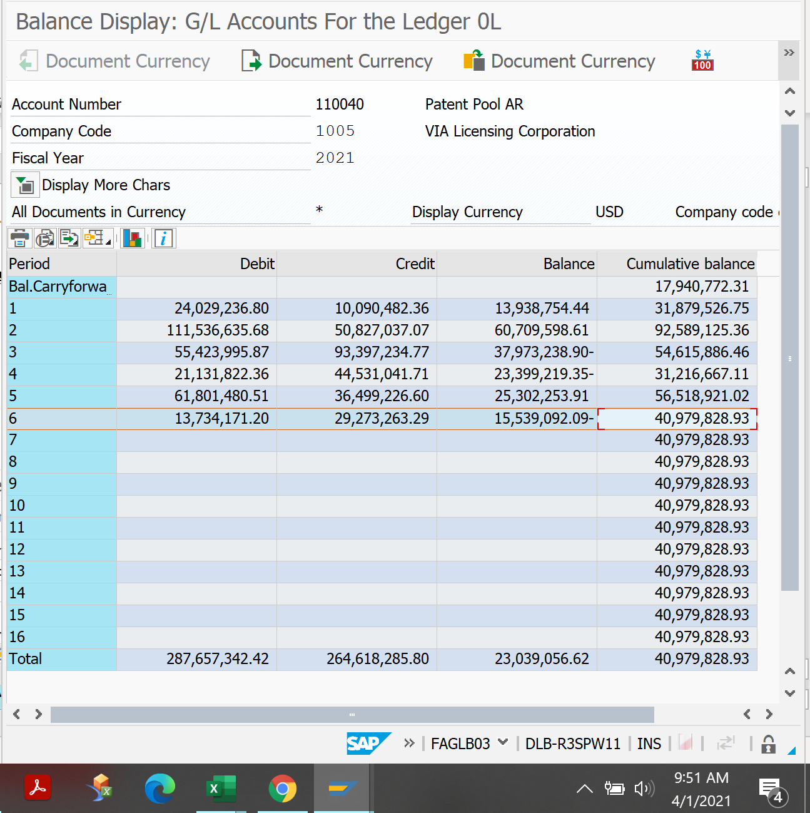
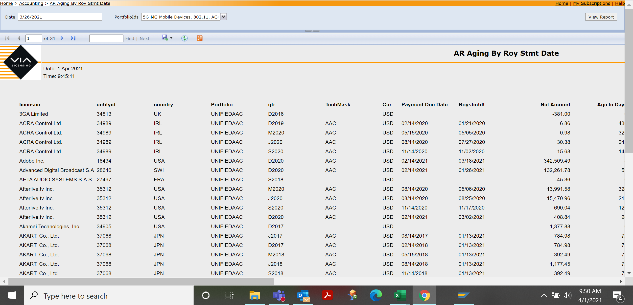
...
 | Time: 9:45:15 |  |  |  |  |  |  |  |  |  |  |  |  |  | User: DOLBYNET\yxchoi
licensee | entityid | country | Portfolio | qtr | TechMask | Cur. | Payment Due Date | Roystmtdt | Net Amount | Age In Days | age _ 0 _ 2 9 _days | age _ 3 0 _ 5 9 _days | age _ 6 0 _ 8 9 _days | age _ 9 0 _ 1 1 9 _days | age _ 1 2 0 _ 1 7 9 _days | age _ 1 8 0 _365_days
 |  |  |  |  |  |  |  | LicAccTotal USD | 40,979,829.13

 |  |  |  |  |  |  |  | Subtotal | 40,979,829.13

 |  |  |  |  |  |  |  | 110040 GL USD | 40,979,828.93
 |  |  |  |  |  |  |  | Diff | 0.20

 |  |  |  |  |  |  |  | Recon

Q1 AR
FAGLB03
110020 | Bad Debt
110030 | Contra AR | only has cash basis royalty
110040 | Patent Pool AR
110042 | Patent Pool AR
110070 | W/H Open Items
110080 | W/H Clearing
FY21Q1
...
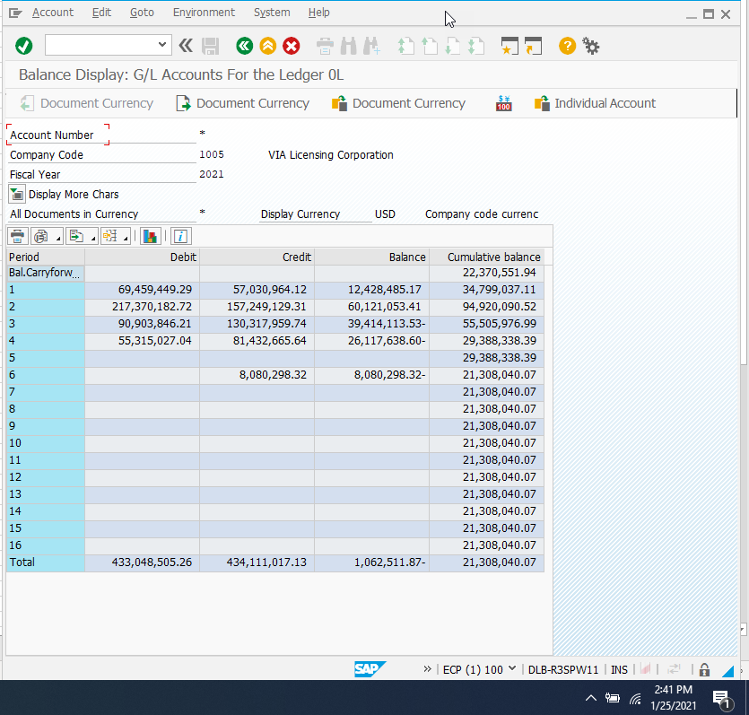
Debit | Credit | Balance | Cumulative balance
0.00 | 0.00 | 0.00 | 22,370,551.94
69,459,449.29 | 57,030,964.12 | 12,428,485.17 | 34,799,037.11
217,370,182.72 | 157,249,129.31 | 60,121,053.41 | 94,920,090.52
90,903,846.21 | 130,317,959.74 | -39,414,113.53 | 55,505,976.99
55,315,027.04 | 81,432,665.64 | -26,117,638.60 | 29,388,338.39
0.00 | 0.00 | 0.00 | 29,388,338.39
0.00 | 8,080,298.32 | -8,080,298.32 | 21,308,040.07
0.00 | 0.00 | 0.00 | 21,308,040.07
0.00 | 0.00 | 0.00 | 21,308,040.07
0.00 | 0.00 | 0.00 | 21,308,040.07
0.00 | 0.00 | 0.00 | 21,308,040.07
0.00 | 0.00 | 0.00 | 21,308,040.07
0.00 | 0.00 | 0.00 | 21,308,040.07
0.00 | 0.00 | 0.00 | 21,308,040.07
0.00 | 0.00 | 0.00 | 21,308,040.07
0.00 | 0.00 | 0.00 | 21,308,040.07
0.00 | 0.00 | 0.00 | 21,308,040.07
433,048,505.26 | 434,111,017.13 | -1,062,511.87 | 21,308,040.07

 |  |  |  | 26,626,347.47

28,879,629.52 | B

26,626,347.47 | A-B
...
Apple | $-

Xiaomi | $-

Lenovo- LTE | (184.45)
Motorola- LTE | $19,062.49
Konka- LTE | $-
...

Q1 AR Aging

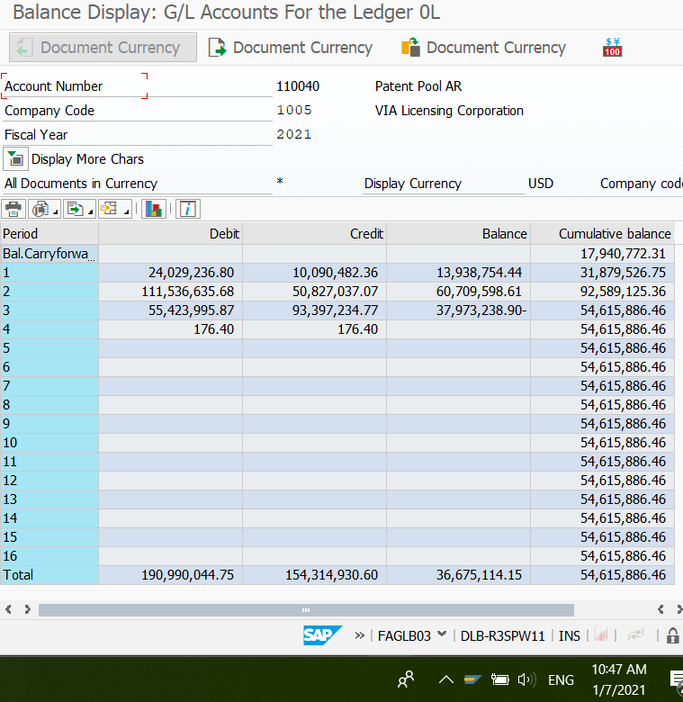
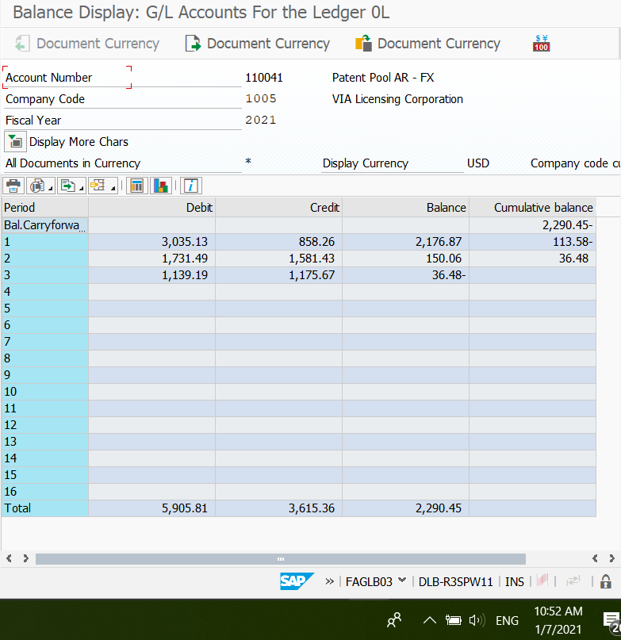
...
Time: 10:44:17 |  |  |  |  |  |  |  |  |  |  |  |  |  |  |  | User: DOLBYNET\pzeng
licensee | entityid | country | Portfolio | qtr | TechMask | Cur. | Payment Due Date | Roystmtdt | Net Amount | Age In Days | age _ 0 _ 2 9 _days | age _ 3 0 _ 5 9 _days | age _ 6 0 _ 8 9 _days | age _ 9 0 _ 1 1 9 _days | age _ 1 2 0 _ 1 7 9 _days | age _ 1 8 0 _365_days | age 366 days | licensee_total_net | comment | is Cash Basis | Is Rev. | Audit | Bankruptcy | CVO FF
 |  |  |  |  |  |  |  | Licacc Total | 54,615,862.02
 |  |  |  |  |  |  |  | GL 110040 | 54,615,886.46
 |  |  |  |  |  |  |  | GL 110041 | -
 |  |  |  |  |  |  |  | Diff | (24.44)
 |  |  |  |  |  |  |  | FutureModle S20 Tax write off in Licacc but not cleared in SAP | 24.71
 |  |  |  |  |  |  |  | Diff | 0.27

