Sheet1
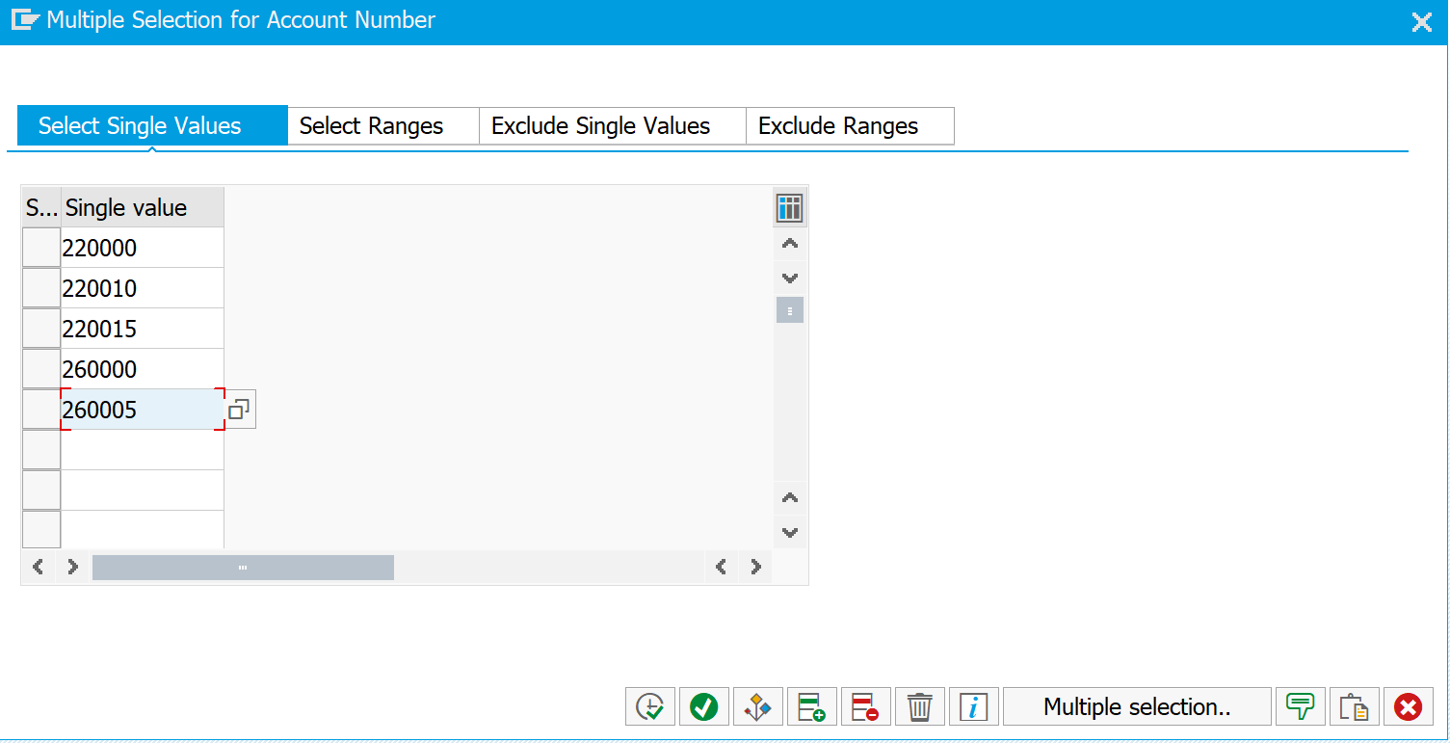
 | Expected to be recognized in FY22: | Expected to be recognized in FY23 | Expected to be recognized in FY24 and beyond | Total
Membership | $41,283.00 | $49,166.00 | $60,702.00
IF | $402,493.40 | $396,962.18 | $422,929.24
PEF | $2,150,304.31 | $2,373,817.00 | $3,677,338.59
CVO / FF | $5,372,200.33 | $1,049,660.96 | $-

 |  |  |  | (5,220,252.13) | 220000
 |  |  |  | 1,758,152.69 | 220010
 |  |  |  | (5,155,477.55) | 220015
 |  |  |  | (6,040,498.72) | 260000
 |  |  |  | - | 260005
 |  |  |  |  | Tie with Combined GL screen

 |  |  |  |  | diff

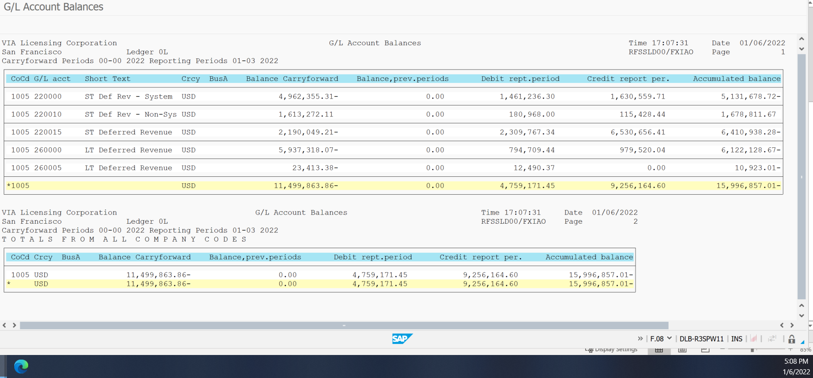
 |  |  |  |  |  | T-code: F.08
 |  |  |  |  |  | 220000
 |  |  |  |  |  | 220010
 |  |  |  |  |  | 220015
 |  |  |  |  |  | 260000
 |  |  |  |  |  | 260005

